Sheet1
 |  |  |  |  |  | Bus pins attach to every port on both A and B Bus
 |  |  |  |  |  | Keyed Pins identify type of m.2 connector
NIMEAN MCU CARD
ESP32-S3-WROOM-1
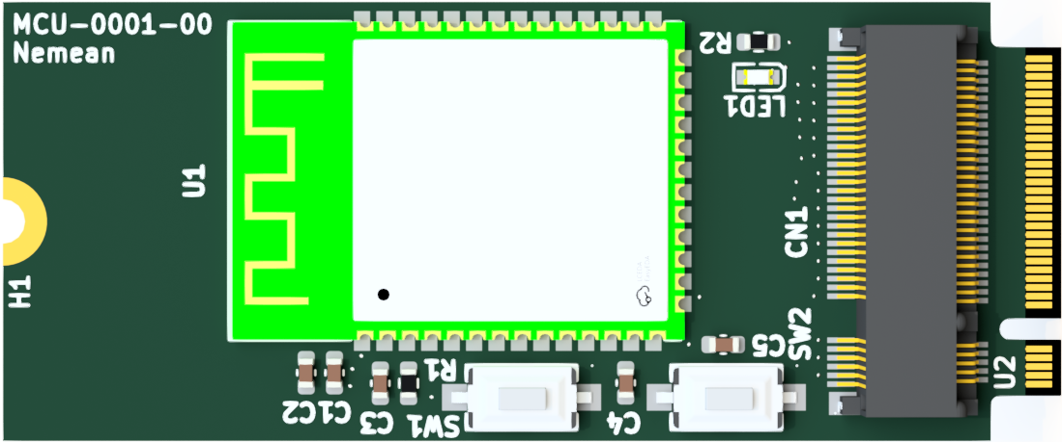
ESP32 Pins | Description | MCU Card m.2 connector Pin out | MCU m.2 goldfinger pin out | BUS | Accessory Card M.2 Pin In
3V3 | 3V3 Bus | 1 | 74 | A | 1
GND | GND | 2 | 75 | B | 2
 | NC | 3 | 72 | A | 3
GND | GND | 4 | 73 | B | 4
 | NC | 5 | 70 | A | 5
 | NC | 6 | 71 | B | 6
 | NC | 7 | 68 | A | 7
 | NC | 8 | 69 | B | 8
 | NC | 9 | 66 | A | 9
 | NC | 10 | 67 | B | 10
15 | IO3 | 11 | 64 | A | 11
 |  | key
 |  | key
 |  | key
 |  | key
 |  | key
 |  | key
 |  | key
 |  | key
 | NC | 20 | 57 | B | 20
16 | IO46 | 21 | 54 | A | 21
 | NC | 22 | 55 | B | 21
17 | IO9 | 23 | 52 | A | 23
 | NC | 24 | 53 | B | 23
18 | IO10 | 25 | 50 | A | 25
 | NC | 26 | 51 | B | 25
19 | IO11 | 27 | 48 | A | 27
 | NC | 28 | 49 | B | 27
20 | IO12 | 29 | 46 | A | 29
14 | IO20 | 30 | 47 | B | 29
21 | IO13 | 31 | 44 | A | 31
13 | IO19 | 32 | 45 | B | 31
22 | IO14 | 33 | 42 | A | 33
12 | IO8 | 34 | 43 | B | 33
23 | IO21 | 35 | 40 | A | 35
11 | IO18 | 36 | 41 | B | 35
24 | IO47 | 37 | 38 | A | 37
10 | IO17 | 38 | 39 | B | 37
25 | IO48 | 39 | 36 | A | 39
9 | IO16 | 40 | 37 | B | 39
26 | IO45 | 41 | 34 | A | 41
8 | IO15 | 42 | 35 | B | 41
39 | IO1 | 43 | 32 | A | 43
7 | IO7 | 44 | 33 | B | 43
38 | IO2 | 45 | 30 | A | 45
6 | IO6 | 46 | 31 | B | 45
37 | TXD0 | 47 | 28 | A | 47
5 | IO5 | 48 | 29 | B | 47
36 | RXD0 | 49 | 26 | A | 49
4 | IO4 | 50 | 27 | B | 49
35 | IO42 | 51 | 24 | A | 51
 | NC | 52 | 25 | B | 51
34 | IO41 | 53 | 22 | A | 53
 | NC | 54 | 23 | B | 53
33 | IO40 | 55 | 20 | A | 55
 | NC | 56 | 21 | B | 55
32 | IO39 | 57 | 18 | A | 57
 | NC | 58 | 19 | B | 57
31 | IO38 | 59 | 16 | A | 59
 | NC | 60 | 17 | B | 59
30 | IO37 | 61 | 14 | A | 61
 | NC | 62 | 15 | B | 61
29 | IO36 | 63 | 12 | A | 63
 | NC | 64 | 13 | B | 63
28 | IO35 | 65 | 10 | A | 65
 | NC | 66 | 11 | B | 65
27 | BOOT | 67 | 8 | A | 67
 | NC | 68 | 9 | B | 67
 | NC | 69 | 6 | A | 69
 | NC | 70 | 7 | B | 69
 | NC | 71 | 4 | A | 71
 | NC | 72 | 5 | B | 71
 | NC | 73 | 2 | A | 73
 | NC | 74 | 3 | B | 74
GND | GND | 75 | 1 | A | 75

