Sheet1
 |  |  |  |  |  | Bus pins attach to every port on both A and B Bus
 |  |  |  |  |  | Keyed Pins identify type of m.2 connector
PIC24 MCU CARD
ESP32-S3-WROOM-1
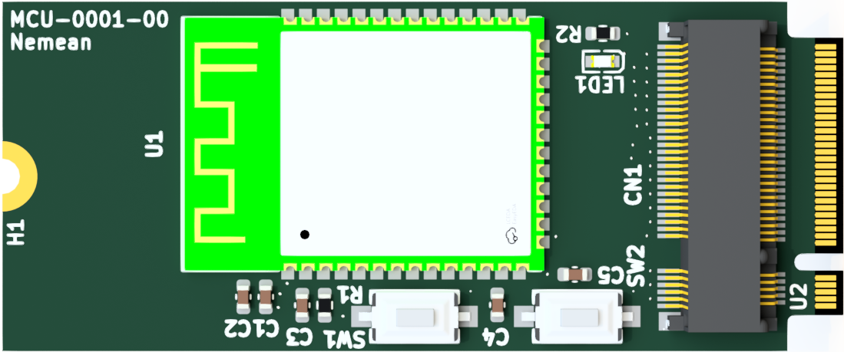
PIC24 Pins | Description | MCU Card m.2 connector Pin out | MCU m.2 goldfinger pin out | BUS | Accessory Card M.2 Pin In
3V3 | 3V3 Bus | 1 | 74 | A | 1
GND | GND | 2 | 75 | B | 2
NC | 5V | 3 | 72 | A | 3
GND | GND | 4 | 73 | B | 4
NC | 12V | 5 | 70 | A | 5
NC | 24VAC | 6 | 71 | B | 6
NC | 24VAC | 7 | 68 | A | 7
NC | 24VAC | 8 | 69 | B | 8
NC | A RS485 | 9 | 66 | A | 9
NC | 24VAC | 10 | 67 | B | 10
NC | B RS48 | 11 | 64 | A | 11
 |  | key
 |  | key
 |  | key
 |  | key
 |  | key
 |  | key
 |  | key
 |  | key
NC | 24VAC | 20 | 57 | B | 20
82 | rp | 21 | 54 | A | 21
73 | dig | 22 | 55 | B | 21
83 | rp | 23 | 52 | A | 23
66 | rpi | 24 | 53 | B | 23
84 | rp | 25 | 50 | A | 25
67 | rpi | 26 | 51 | B | 25
53 | rp | 27 | 48 | A | 27
68 | rp | 28 | 49 | B | 27
52 | rp | 29 | 46 | A | 29
69 | rp | 30 | 47 | B | 29
51 | rp | 31 | 44 | A | 31
70 | rp | 32 | 45 | B | 31
50 | rp | 33 | 42 | A | 33
71 | rp | 34 | 43 | B | 33
49 | rp | 35 | 40 | A | 35
72 | rp | 36 | 41 | B | 35
48 | rp | 37 | 38 | A | 37
74 | rpi | 38 | 39 | B | 37
47 | rpi | 39 | 36 | A | 39
76 | rp | 40 | 37 | B | 39
88 | rpi | 41 | 34 | A | 41
77 | rp | 42 | 35 | B | 41
42 | analog | 43 | 32 | A | 43
78 | rp | 44 | 33 | B | 43
41 | analog | 45 | 30 | A | 45
79 | rpi | 46 | 31 | B | 45
34 | analog | 47 | 28 | A | 47
81 | rp | 48 | 29 | B | 47
33 | analog | 49 | 26 | A | 49
44 | analog | 50 | 27 | B | 49
3 | rp | 51 | 24 | A | 51
91 | analog | 52 | 25 | B | 51
6 | rpi | 53 | 22 | A | 53
92 | analog | 54 | 23 | B | 53
8 | rpi | 55 | 20 | A | 55
43 | analog | 56 | 21 | B | 55
9 | analog | 57 | 18 | A | 57
35 | ANALOG | 58 | 19 | B | 57
11 | analog | 59 | 16 | A | 59
32 | analog | 60 | 17 | B | 59
12 | analog | 61 | 14 | A | 61
7 | rpi | 62 | 15 | B | 61
18 | rpi | 63 | 12 | A | 63
10 | analog | 64 | 13 | B | 63
19 | analog | 65 | 10 | A | 65
14 | analog | 66 | 11 | B | 65
21 | analog | 67 | 8 | A | 67
20 | analog | 68 | 9 | B | 67
22 | analog | 69 | 6 | A | 69
23 | analog | 70 | 7 | B | 69
26 | analog | 71 | 4 | A | 71
27 | analog | 72 | 5 | B | 71
4 |  | 73 | 2 | A | 73
5 |  | 74 | 3 | B | 74
GND | GND | 75 | 1 | A | 75

