Sheet1
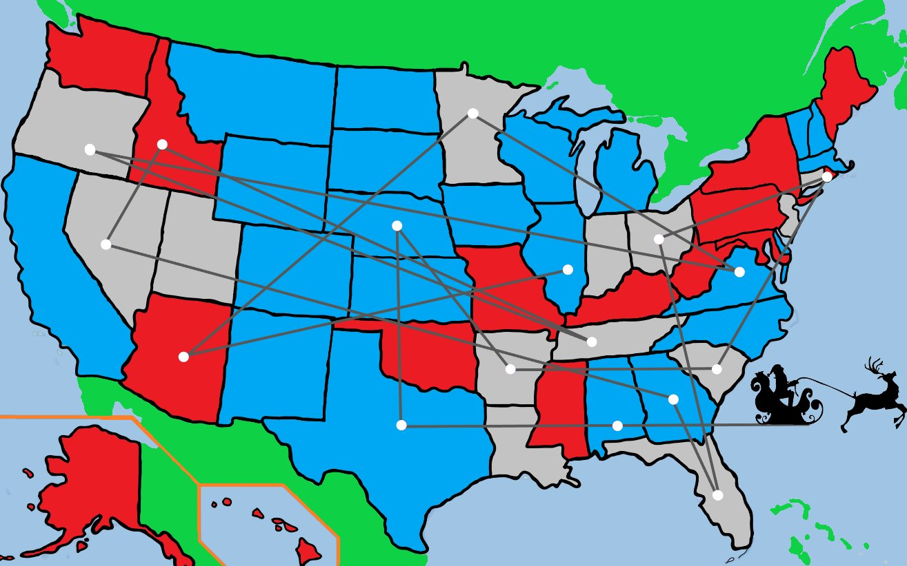
 |  |  |  |  |  |  |  |  |  |  |  |  | Alabama | Texas | Nebraska | Arkansas | South Carolina | Rhode Island | Ohio | Florida | Georgia | Nevada | Idaho | Tennesse | Oregon | Virginia | Minnesota | Arizona | Illinois |  |  | 14:05:00
Alabama | B | l |  |  | 2 | Alabama | B | b |  |  | 2 | Alabama | 0 |  |  |  |  |  |  |  |  |  |  |  |  |  |  |  |  | 0 | Alabama | Alabama
Texas | B | e |  |  |  | Texas | B | a |  |  |  | Texas | 4.4 | 0 |  |  |  |  |  |  |  |  |  |  |  |  |  |  |  | 1 | Texas | Texas
Nebraska | B | e |  |  |  | Nebraska | B | r |  |  |  | Nebraska | 6 | 4 | 0 |  |  |  |  |  |  |  |  |  |  |  |  |  |  | 2 | Nebraska | Nebraska
Arkansas | G | k |  |  |  | Arkansas | G | r |  |  |  | Arkansas | 2.4 | 2.5 | 3.7 | 0 |  |  |  |  |  |  |  |  |  |  |  |  |  | 3 | Arkansas | Arkansas
South Carolina | G | u |  |  |  | South Carolina | G | o |  |  |  | South Carolina | 2.3 | 6.4 | 7 | 4.2 | 0 |  |  |  |  |  |  |  |  |  |  |  |  | 4 | South Carolina | South Carolina
Rhode Island | R | d |  |  |  | Florida | G | l |  |  |  | Rhode Island | 6.5 | 2.9 | 8.7 | 7.4 | 4.5 | 0 |  |  |  |  |  |  |  |  |  |  |  | 5 | Rhode Island | Florida
Ohio | G | i |  |  |  | Georgia | B | r |  |  |  | Ohio | 3.8 | 6.4 | 5.3 | 4 | 2.8 | 3.6 | 0 |  |  |  |  |  |  |  |  |  |  | 6 | Ohio | Georgia
Florida | G | o |  |  |  | Virginia | B | g |  |  |  | Florida | 2.4 | 6.5 | 8.4 | 4.9 | 2.5 | 6.8 | 5.3 | 0 |  |  |  |  |  |  |  |  |  | 7 | Florida | Virginia
Georgia | B | e |  |  |  | Rhode Island | R | o |  |  |  | Georgia | 1.3 | 5.5 | 6.5 | 3.4 | 2.2 | 5.5 | 3.2 | 2.2 | 0 |  |  |  |  |  |  |  |  | 8 | Georgia | Rhode Island
Nevada | G | v |  |  |  | Ohio | G | h |  |  |  | Nevada | 10.8 | 7 | 5.9 | 8.5 | 12.6 | 14.5 | 11.1 | 13.2 | 11.8 | 0 |  |  |  |  |  |  |  | 9 | Nevada | Ohio
Idaho | R | h |  |  |  | Minnesota | G | i |  |  |  | Idaho | 10.7 | 7.4 | 5 | 8.3 | 12 | 13.6 | 10.3 | 13.3 | 11.4 | 2.3 | 0 |  |  |  |  |  |  | 10 | Idaho | Minnesota
Tennesse | G | n |  |  |  | Illinois | B | i |  |  |  | Tennesse | 1.7 | 4.3 | 4.5 | 1.6 | 2.6 | 5.7 | 2.4 | 3.8 | 2.1 | 9.9 | 2.7 | 0 |  |  |  |  |  | 11 | Tennesse | Illinois
Oregon | G | e |  |  |  | Tennesse | G | e |  |  |  | Oregon | 11.9 | 8.4 | 6.5 | 9.5 | 13.2 | 15 | 11.8 | 14.4 | 12.7 | 1.9 | 1.4 | 10.8 | 0 |  |  |  |  | 12 | Oregon | Tennesse
Virginia | B | i |  |  |  | Idaho | R | a |  |  |  | Virginia | 4 | 7.5 | 6.9 | 5 | 2 | 2.6 | 1.7 | 4.6 | 2.8 | 12.7 | 11.9 | 3.3 | 13.3 | 0 |  |  |  | 13 | Virginia | Idaho
Minnesota | G | n |  |  |  | Oregon | G | r |  |  |  | Minnesota | 6.9 | 6.5 | 2.7 | 5.2 | 7 | 7.2 | 4.5 | 9 | 7 | 7.8 | 6.3 | 5.3 | 7.6 | 6.2 | 0 |  |  | 14 | Minnesota | Oregon
Arizona | R | z |  |  |  | Nevada | G | e |  |  |  | Arizona | 8.8 | 4.6 | 5 | 6.6 | 3.7 | 13.5 | 10 | 11 | 9.8 | 2.7 | 4.2 | 8.2 | 4.6 | 11.4 | 7.6 | 0 |  | 15 | Arizona | Nevada
Illinois | B | l |  |  |  | Arizona | R | i |  |  |  | Illinois | 3.3 | 4.6 | 3.5 | 2.4 | 3.6 | 5.6 | 1.9 | 5.4 | 3.4 | 9.3 | 8.5 | 1.5 | 9.9 | 3.5 | 3.7 | 7.9 | 0 | 16 | Illinois | Arizona

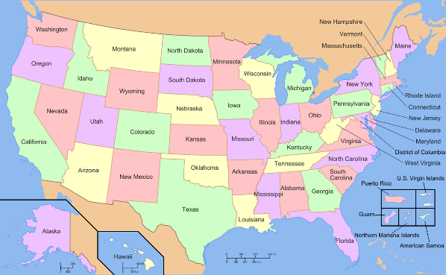
 |  |  | G | 3 |  |  |  |  | G | 2
 |  |  | B | 2 |  |  |  |  | B | 4
I am voting for Santa |  |  | R | 4 |  | I am voting for Santa |  |  | R | 3

355,687,428,096,000
20,922,789,888,000

