Sheet1
tabula rasa (1e-9 std) does not seem to be learnable (tested lr up to 0.8, up to 10 epochs) -- chance level

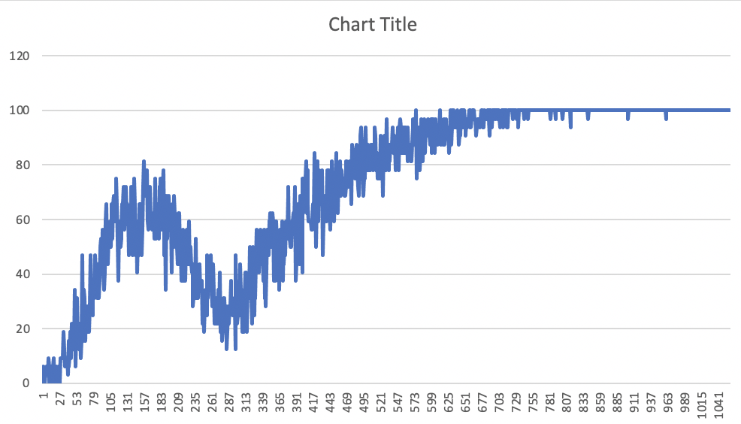

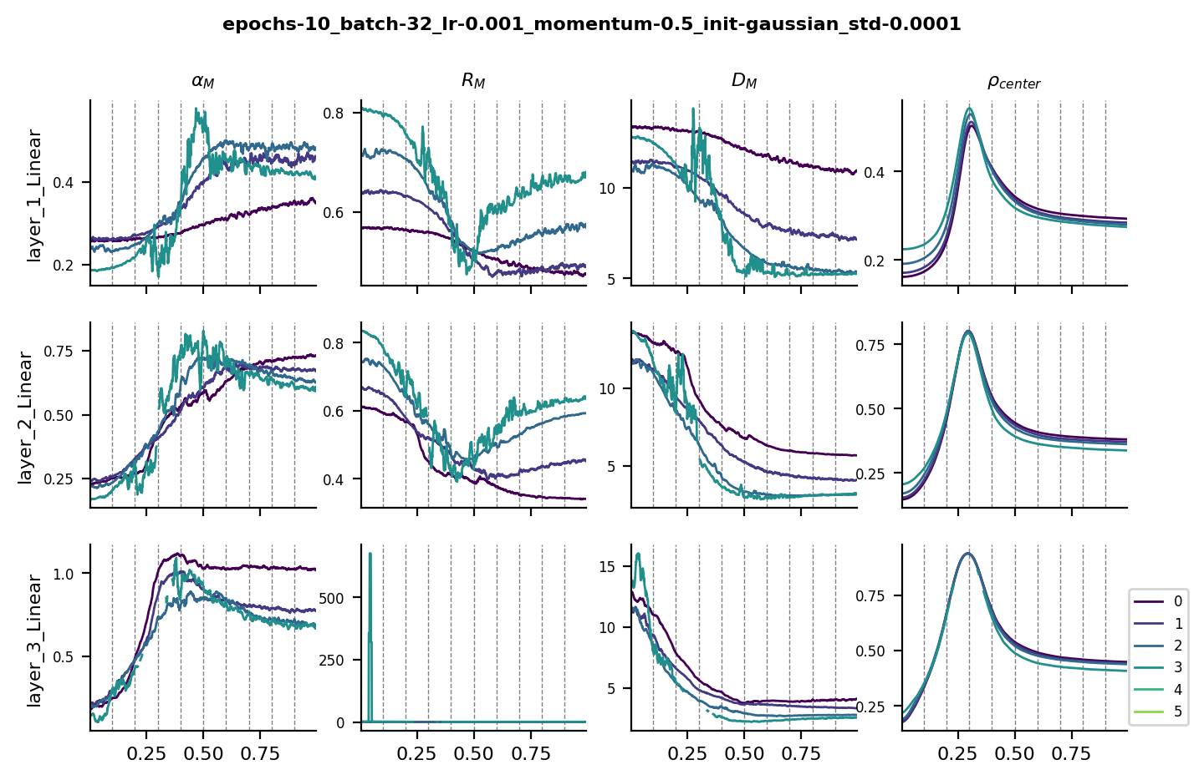
 |  |  |  |  |  | upper hier peaks earlier in capacity for layer 2?

 |  |  |  | hier acc rises quickly! Same for euc. Stage-like transitions according to epochs??
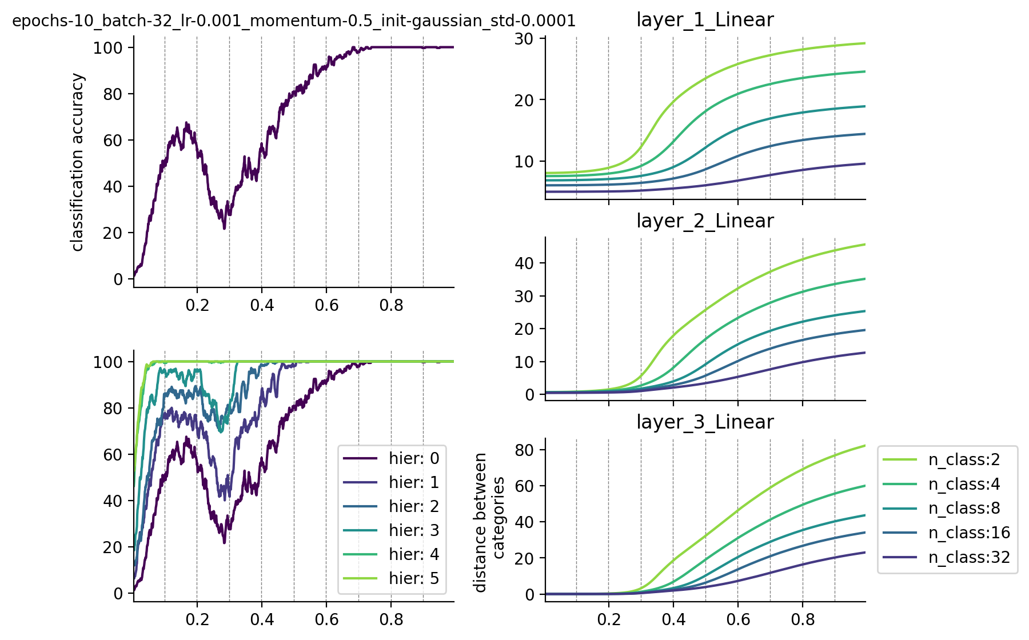

lr 0.0005, momentum 0.5, gaussian std 0.0001, batch size 32, 20 epochs

Network #2

lr 0.001, momentum 0.5, gaussian std 0.0001, batch size 32, 10 epochs
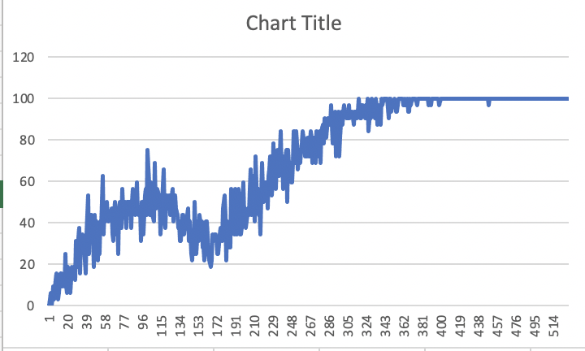

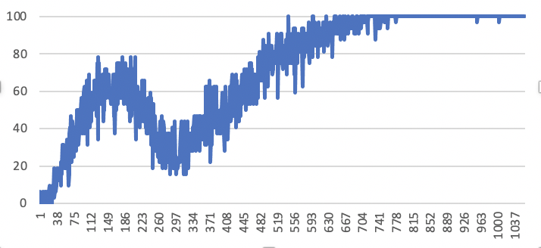

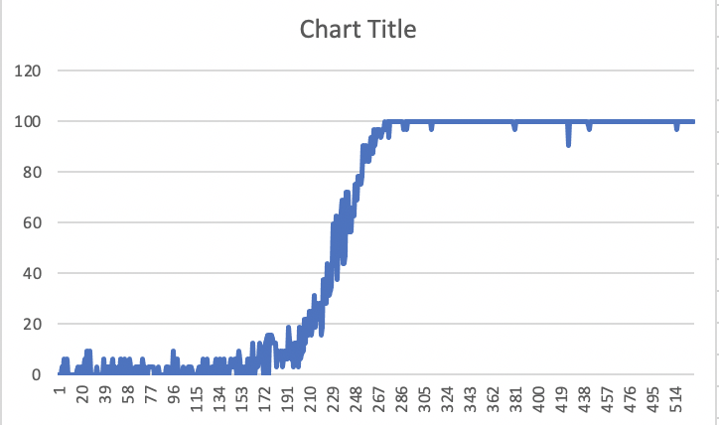
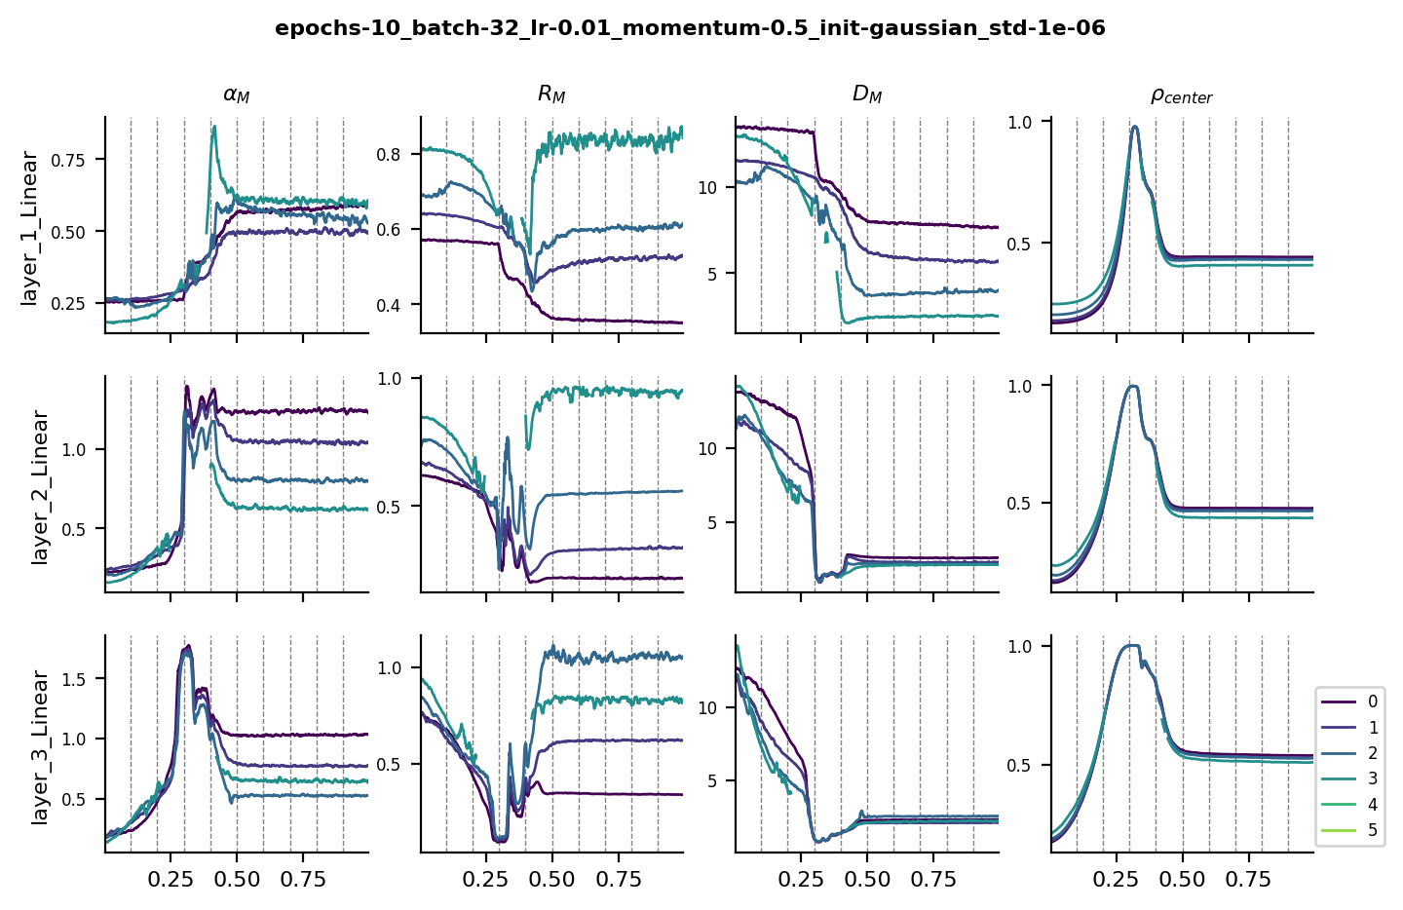
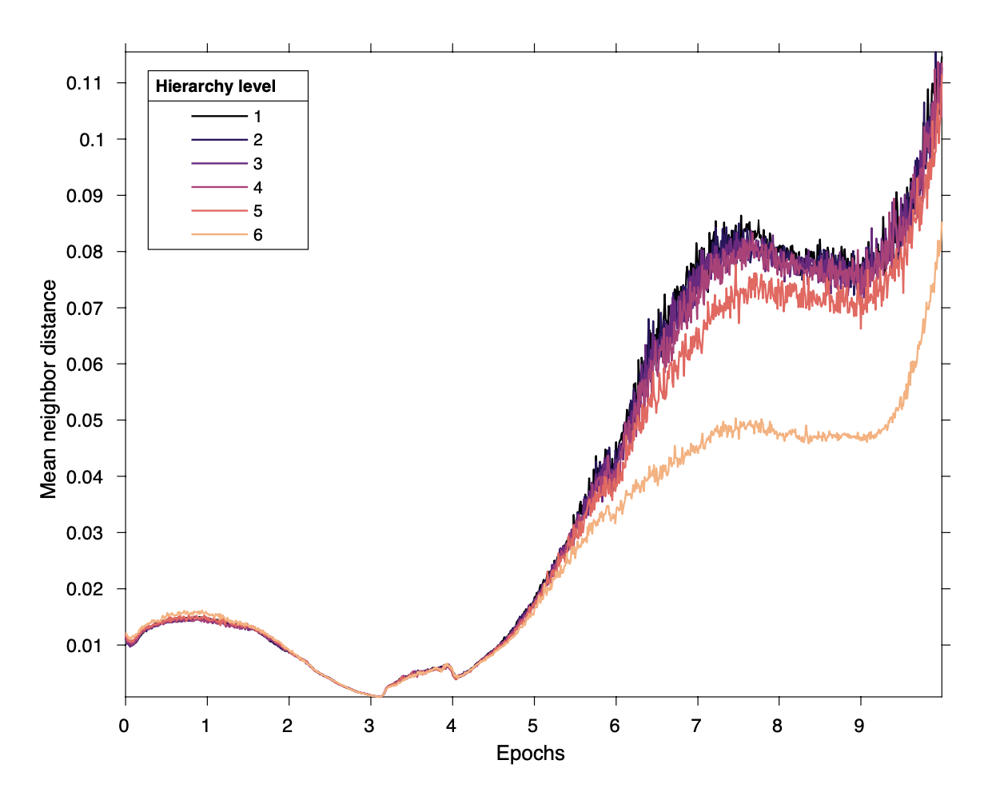
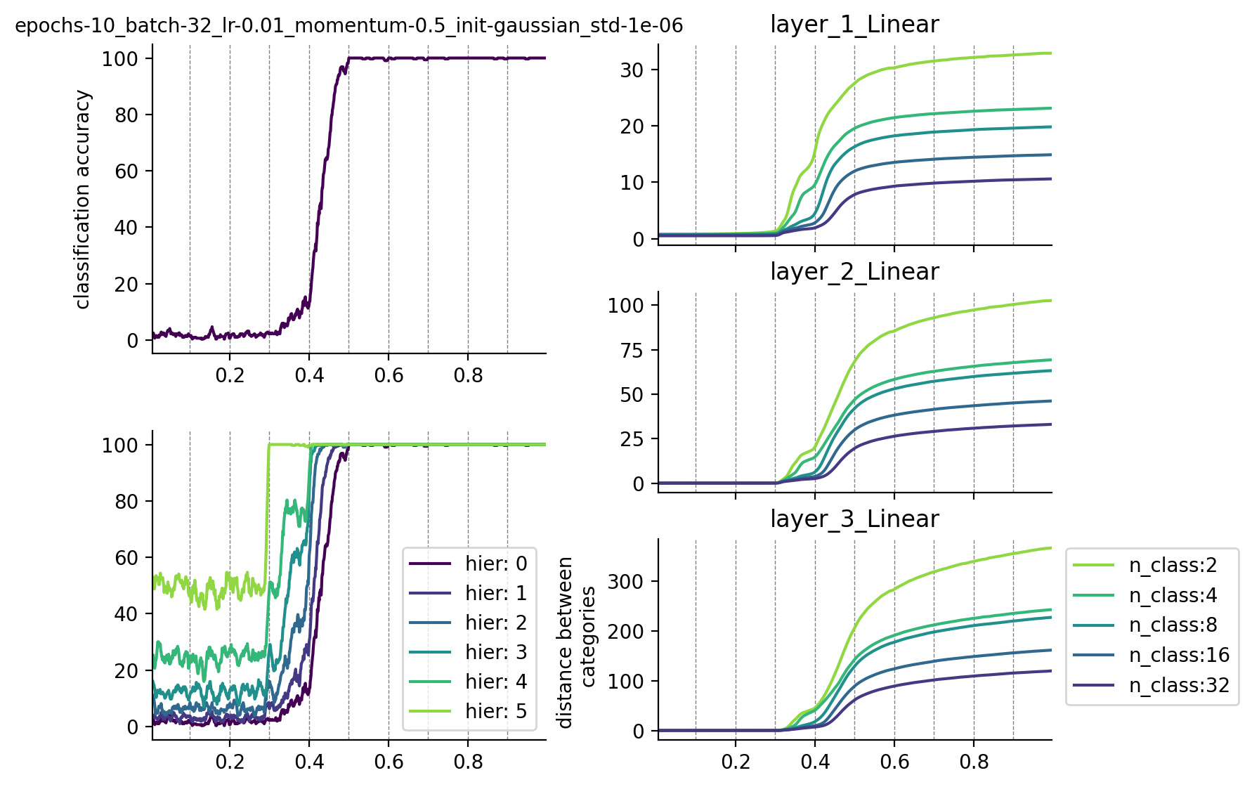
Network #3
 |  |  |  |  |  |  |  | knn layer 2

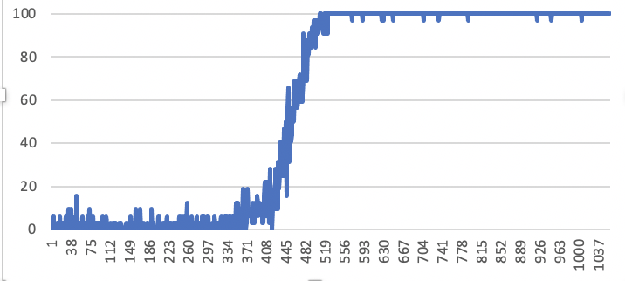

lr 0.01, momentum 0.5, gaussian std 0.000001, batch size 32, 10 epochs |  | logint 15

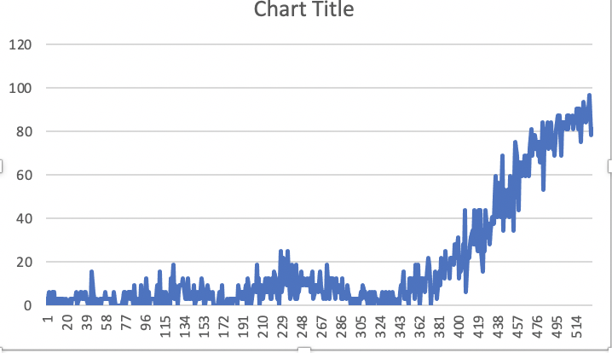
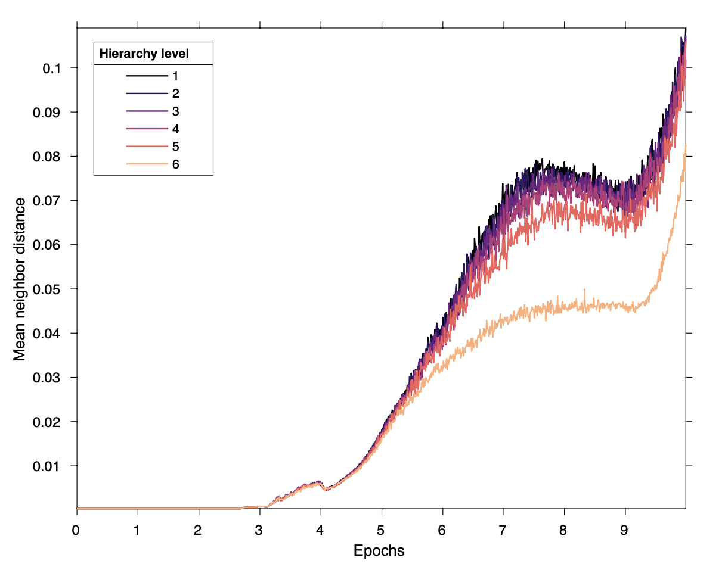
 |  |  |  |  |  |  |  | knn layer 3

 |  |  |  |  | rate of change in the distance for different layers

lr 0.001, momentum 0.7, gaussian std 0.00001, batch size 32, 10 epochs

Did not really learn.

lr 0.001, momentum 0.5, gaussian std 0.00001, batch size 32, 10 epochs

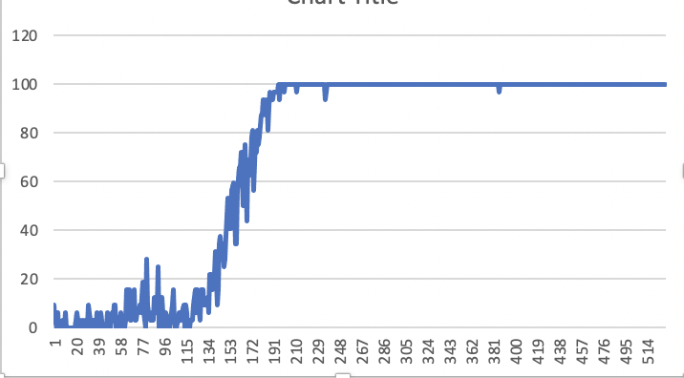

lr 0.005, momentum 0.5, gaussian std 0.00001, batch size 32, 10 epochs
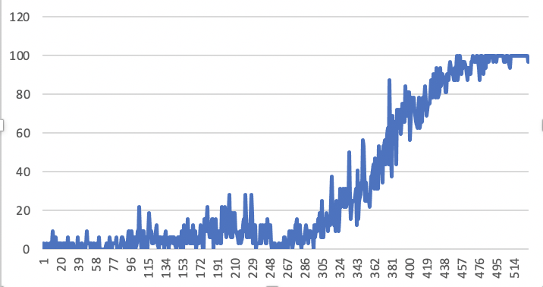

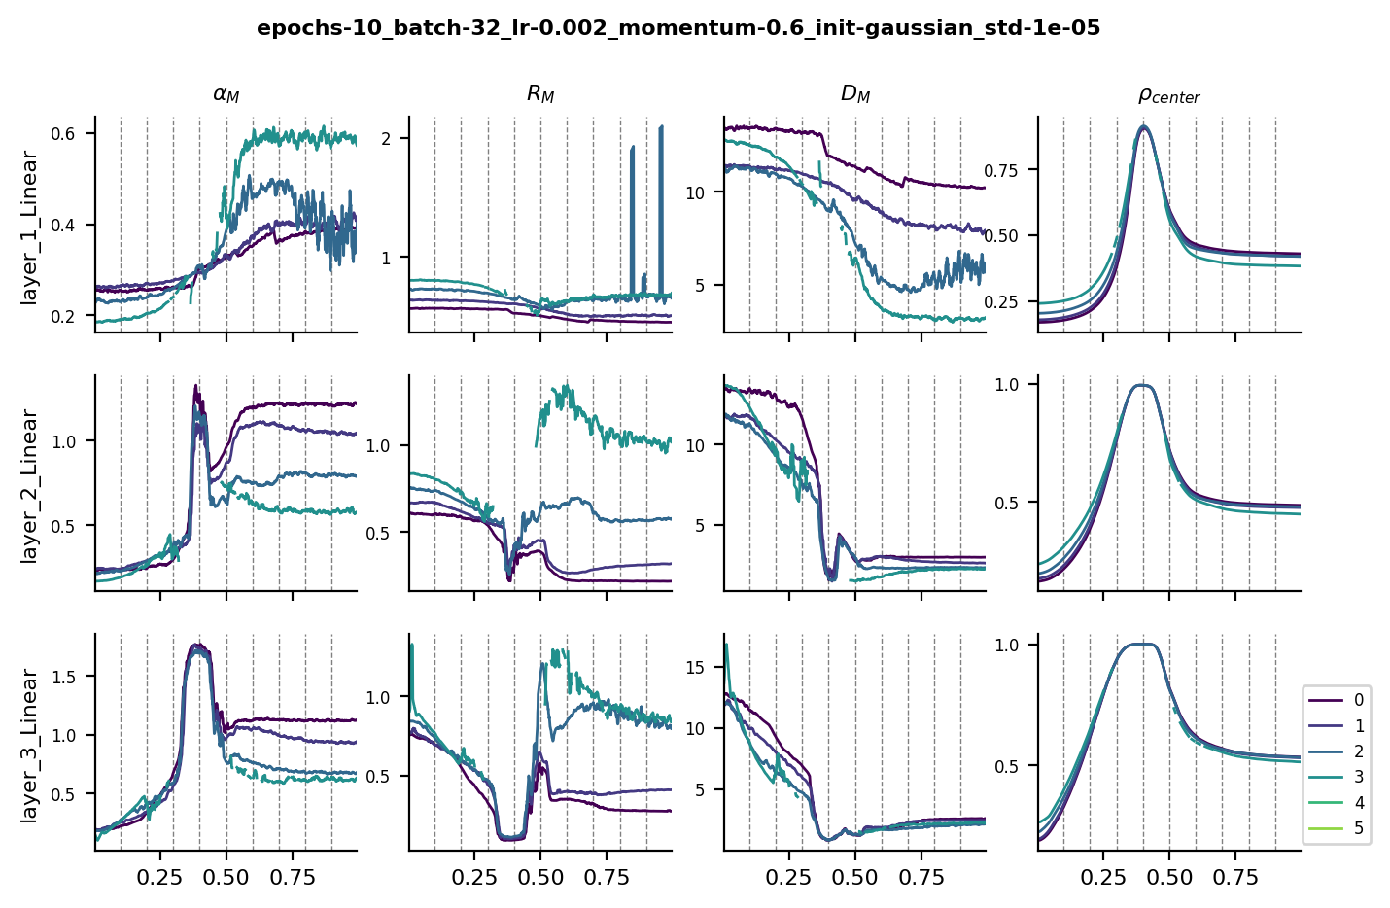
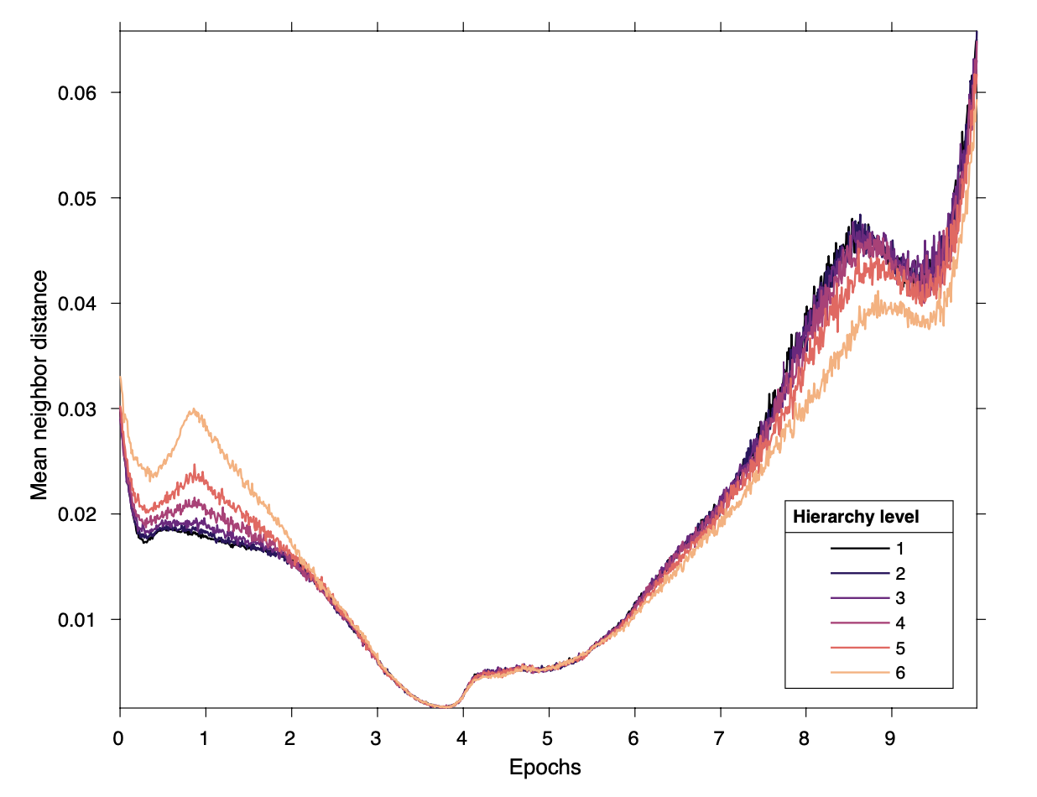
lr 0.002, momentum 0.5, gaussian std 0.00001, batch size 32, 10 epochs
 |  |  |  |  |  |  | capacity in layer 1 - great for upper hier?
Network #7
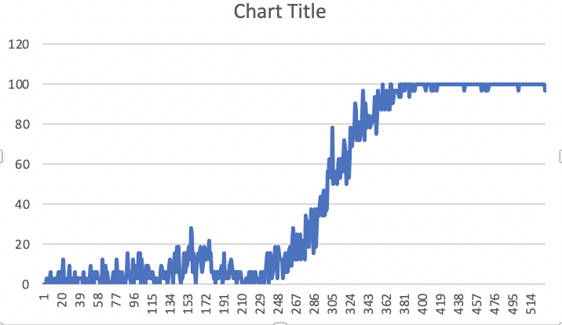
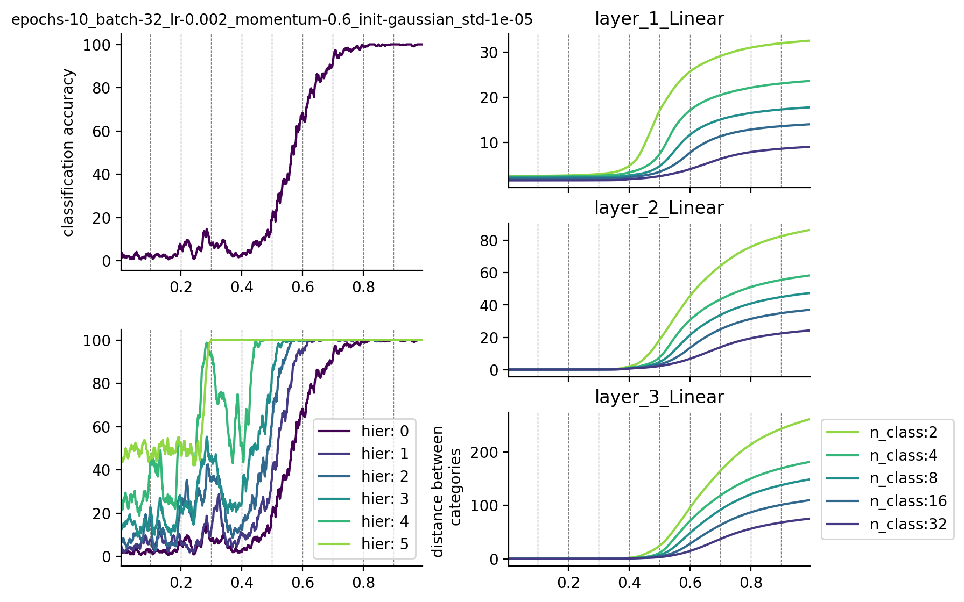
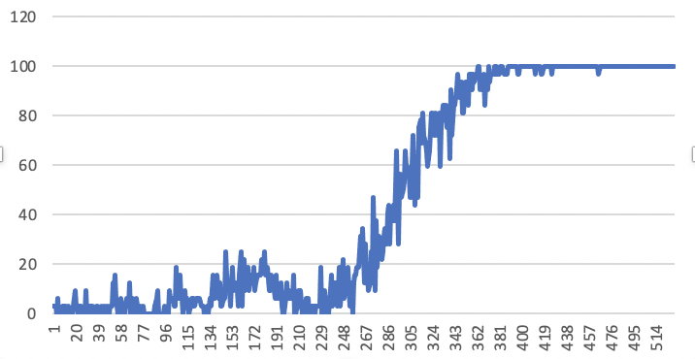
 |  |  |  |  |  |  |  |  | layer 2
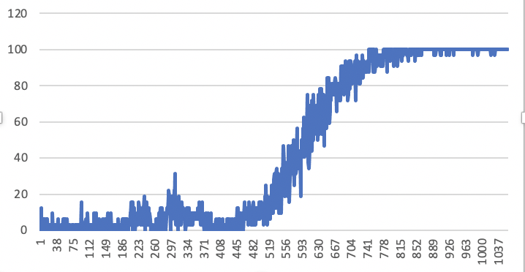

lr 0.002, momentum 0.6, gaussian std 0.00001, batch size 32, 10 epochs | robustness check, identical |  | identical, log int 15

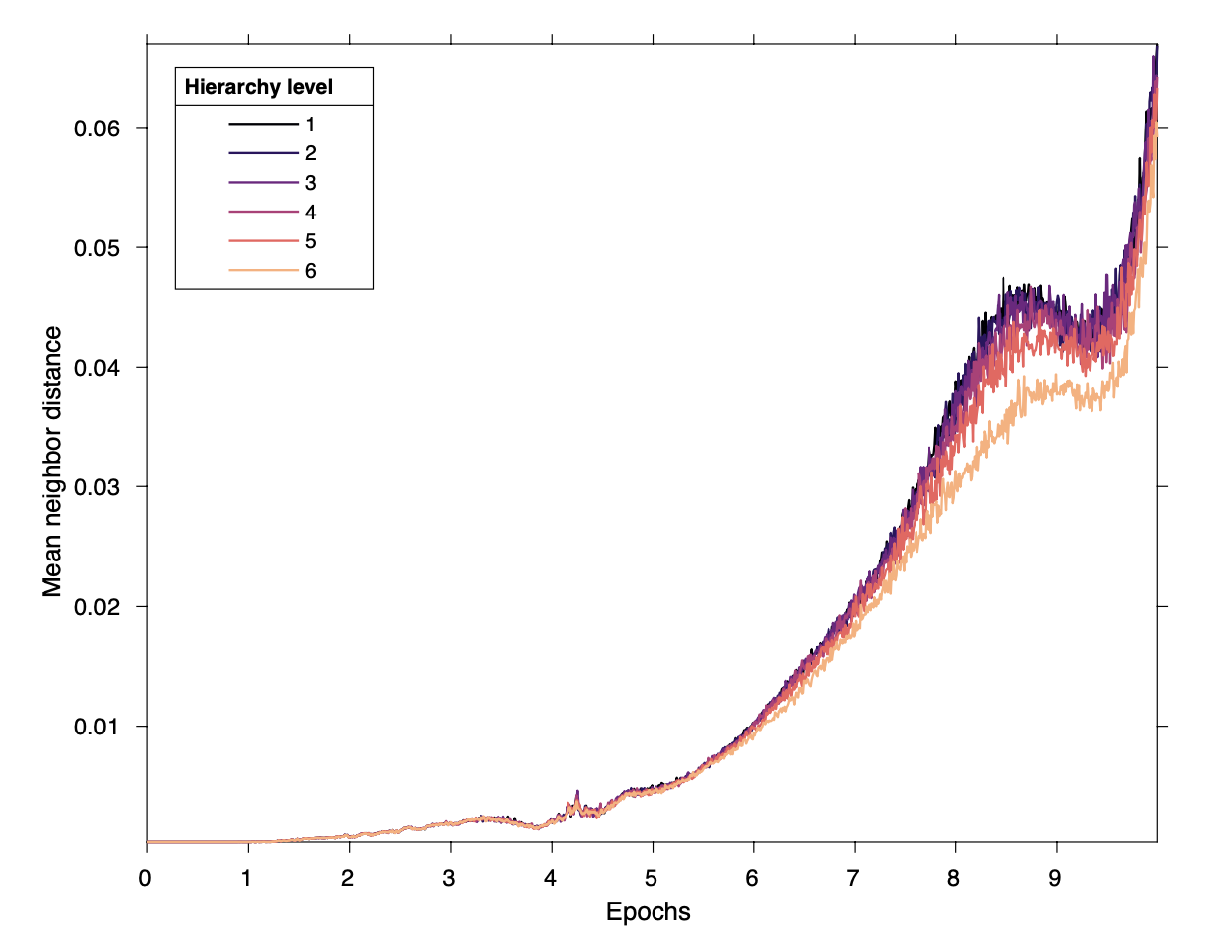

 |  |  |  |  |  |  |  |  | layer 3

