Sheet1
tabula rasa (1e-9 std) does not seem to be learnable (tested lr up to 0.8, up to 10 epochs) -- chance level

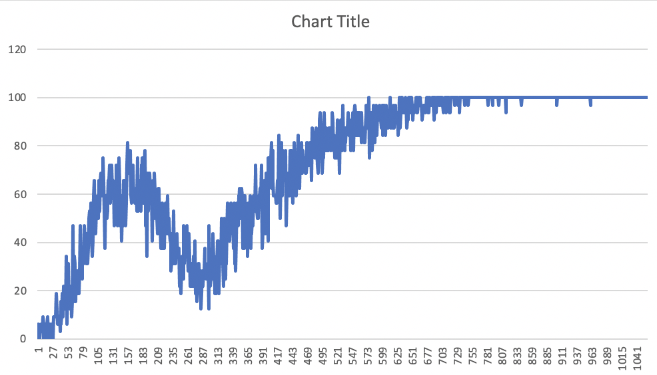

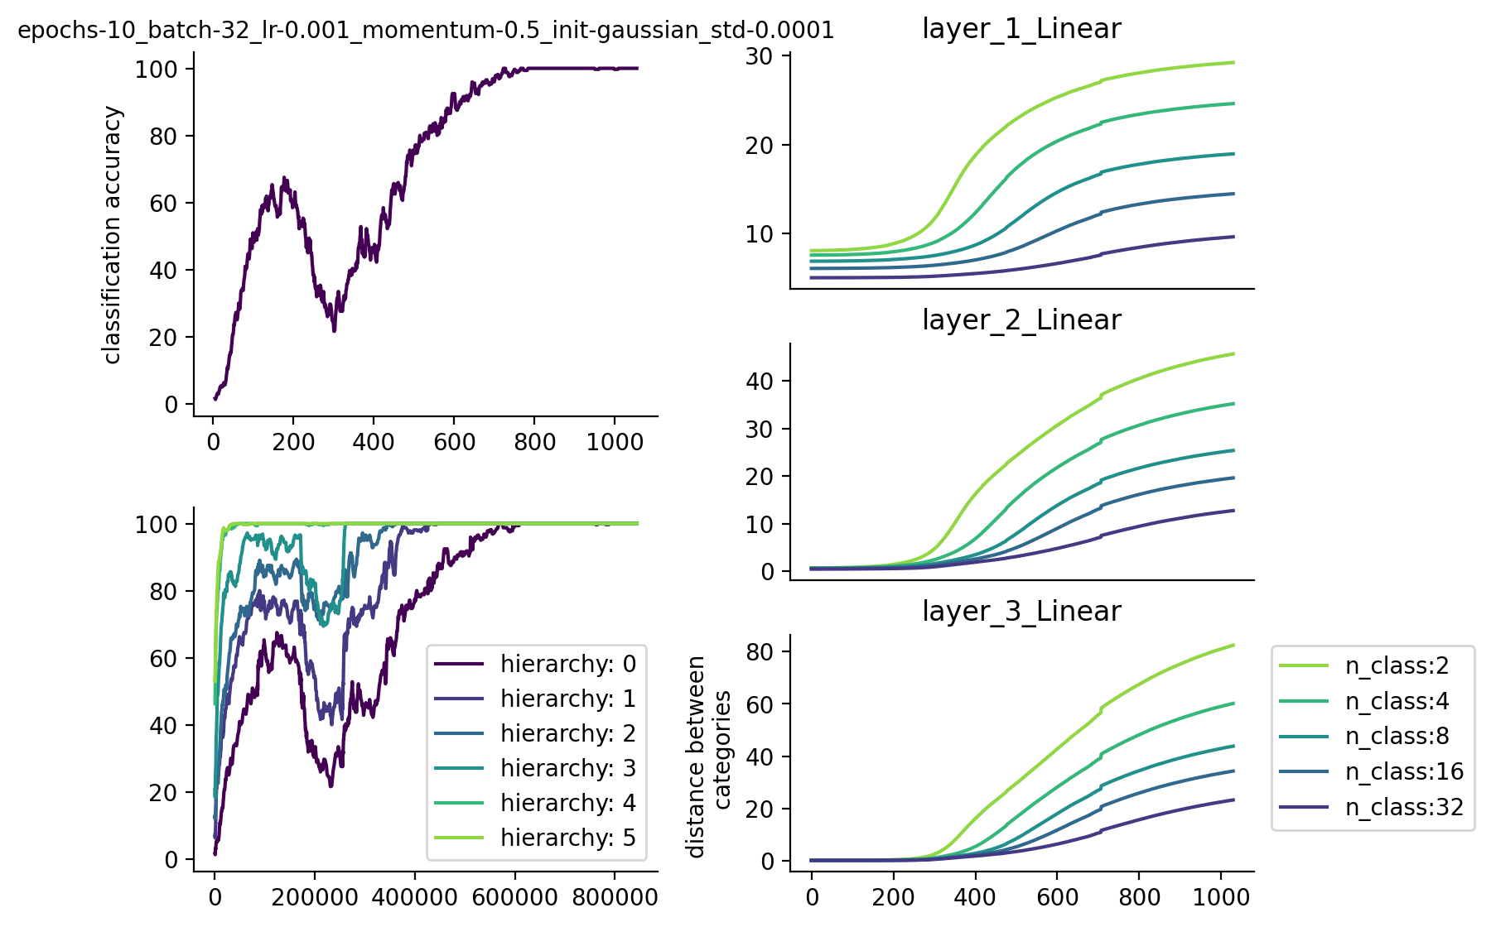
lr 0.0005, momentum 0.5, gaussian std 0.0001, batch size 32, 20 epochs

Network #2

lr 0.001, momentum 0.5, gaussian std 0.0001, batch size 32, 10 epochs
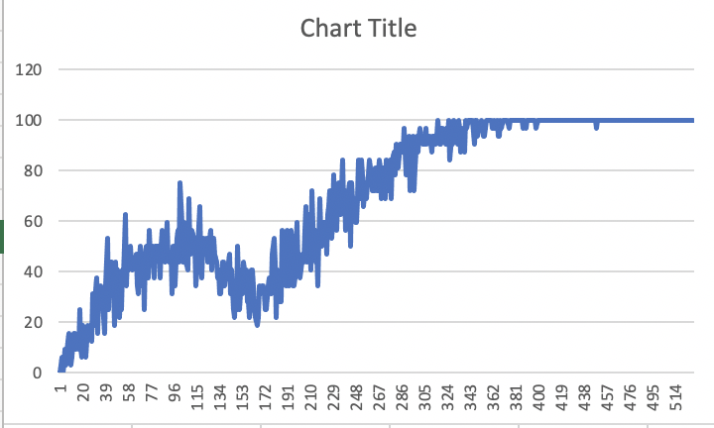

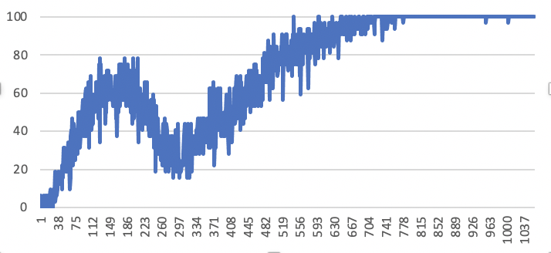

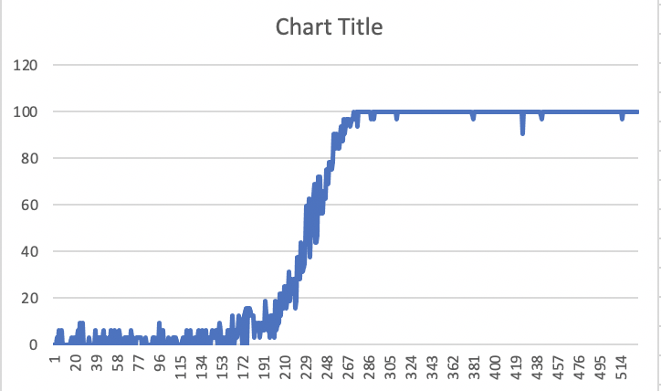
 |  |  |  | note: some of the distance points are missing(didn’t get analyzed), and the mini spikes in the figure are due to them
Network #3
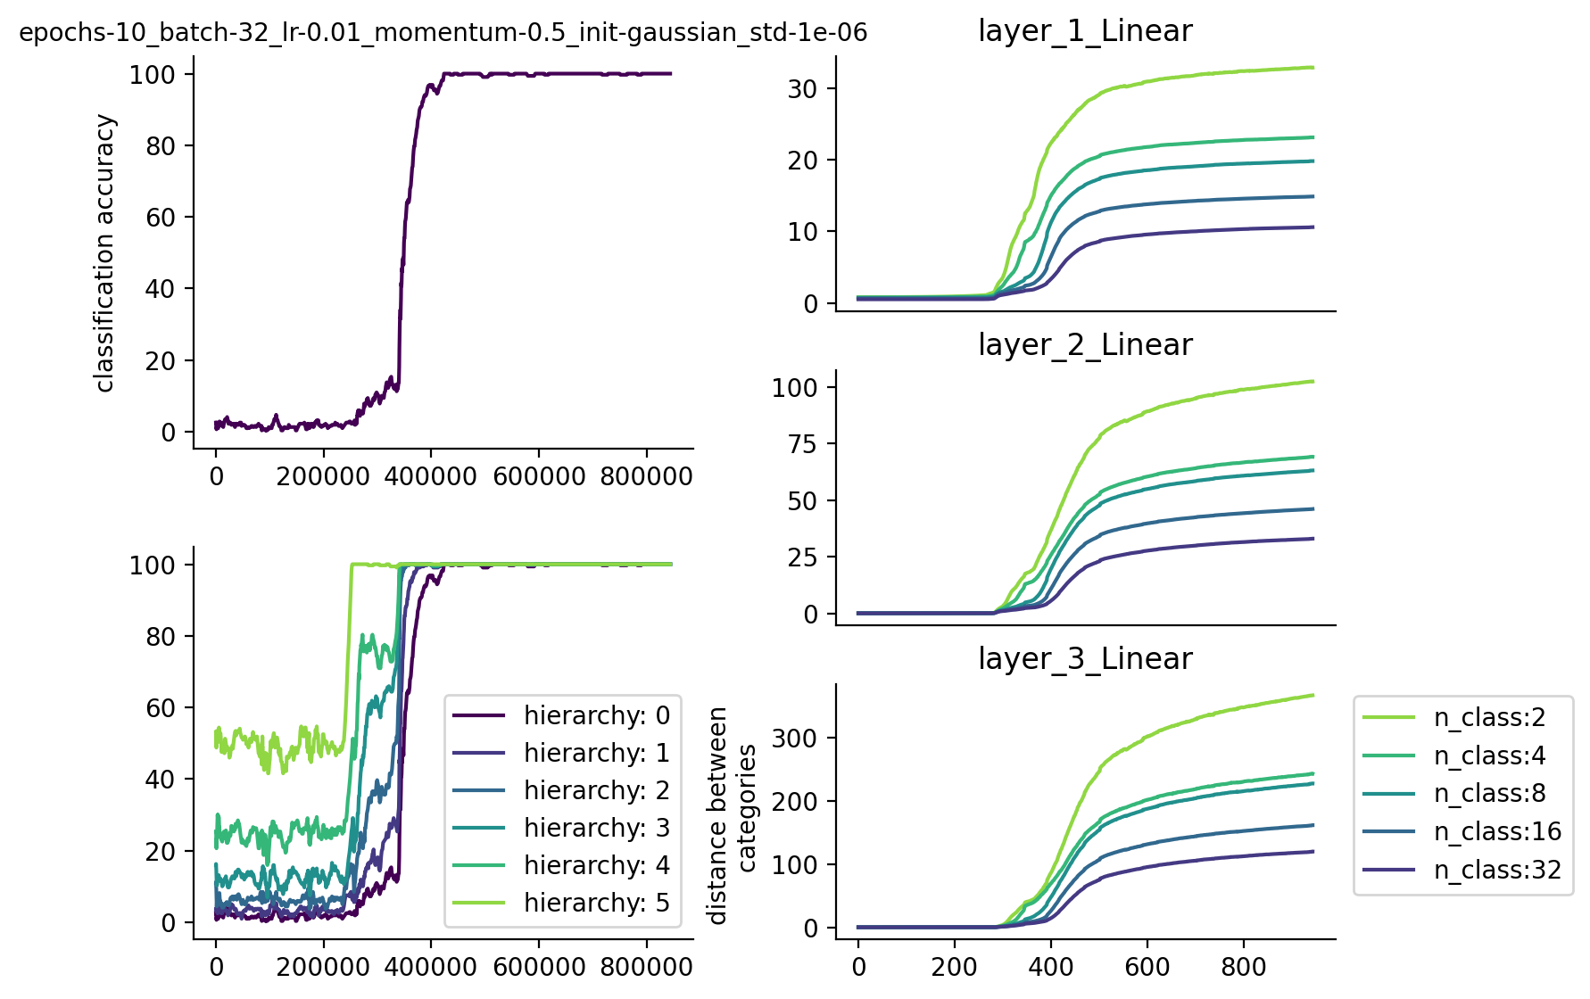

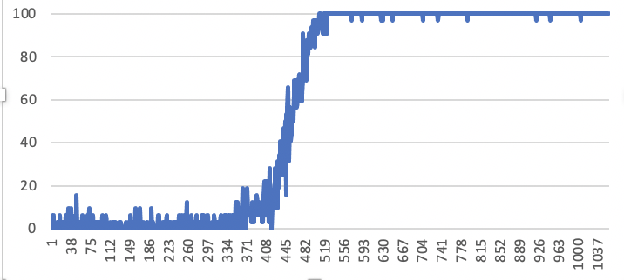

lr 0.01, momentum 0.5, gaussian std 0.000001, batch size 32, 10 epochs |  | logint 15

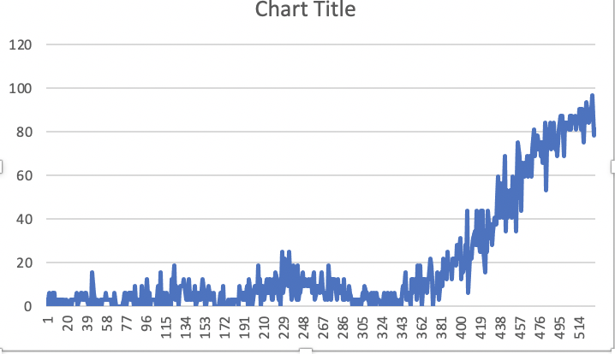

 |  |  |  | note: some of the distance points are missing(didn’t get analyzed), and the mini spikes in the figure are due to them

lr 0.001, momentum 0.7, gaussian std 0.00001, batch size 32, 10 epochs

Did not really learn.

lr 0.001, momentum 0.5, gaussian std 0.00001, batch size 32, 10 epochs

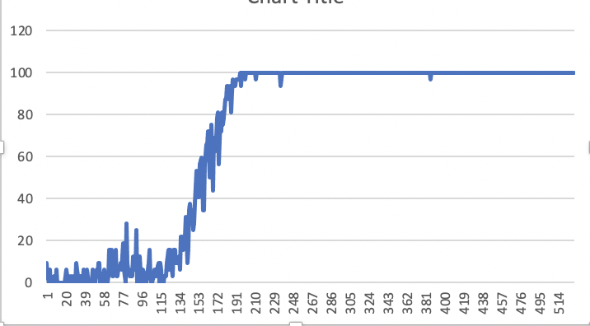

lr 0.005, momentum 0.5, gaussian std 0.00001, batch size 32, 10 epochs
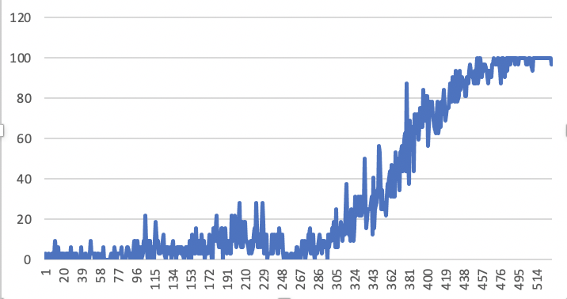

lr 0.002, momentum 0.5, gaussian std 0.00001, batch size 32, 10 epochs

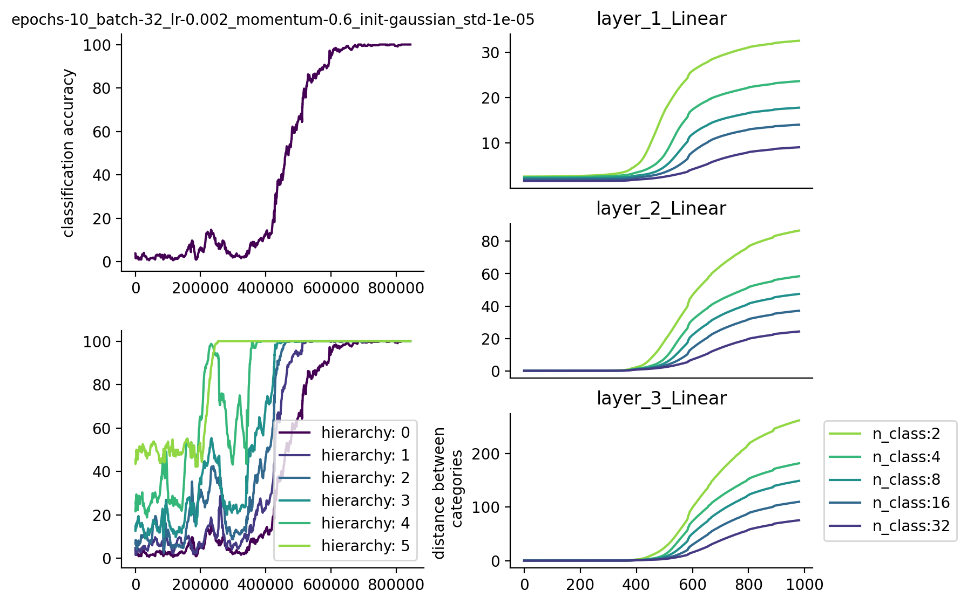
Network #7
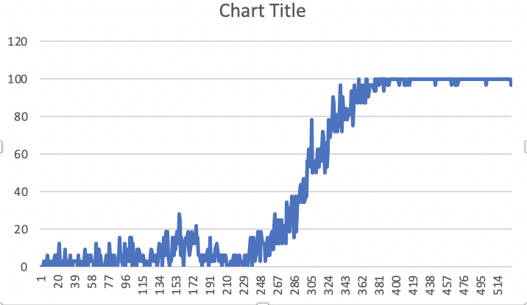
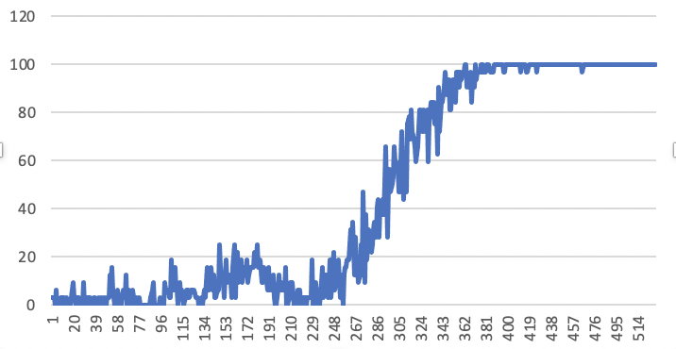
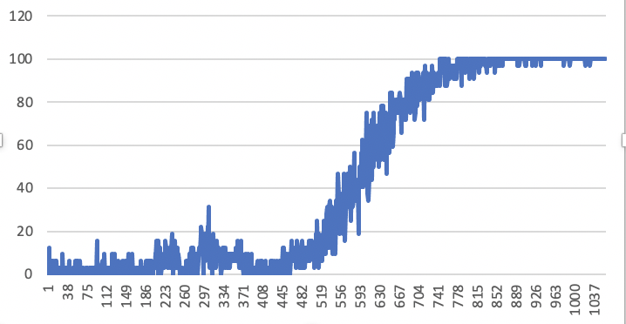

lr 0.002, momentum 0.6, gaussian std 0.00001, batch size 32, 10 epochs | robustness check, identical |  | identical, log int 15

 |  |  |  |  | note: some of the distance points are missing(didn’t get analyzed), and the mini spikes in the figure are due to them

