Sheet1
tabula rasa (1e-9 std) does not seem to be learnable (tested lr up to 0.8, up to 10 epochs) -- chance level

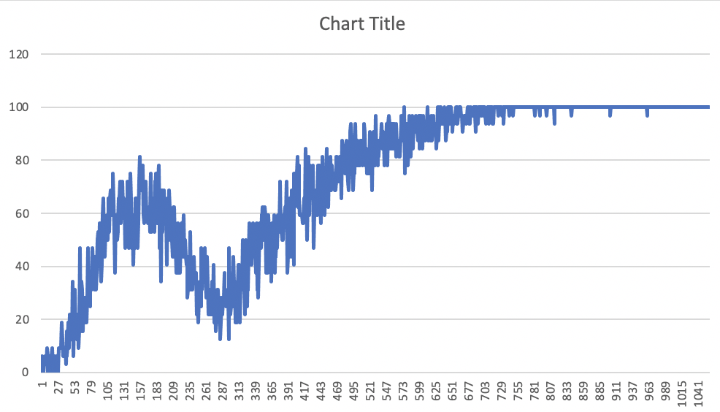

lr 0.0005, momentum 0.5, gaussian std 0.0001, batch size 32, 20 epochs

lr 0.001, momentum 0.5, gaussian std 0.0001, batch size 32, 10 epochs
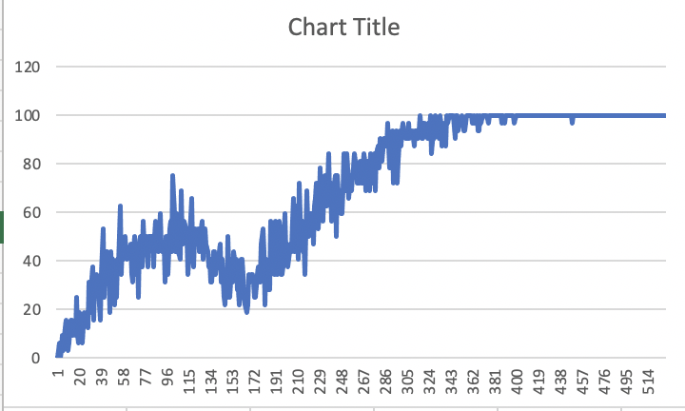

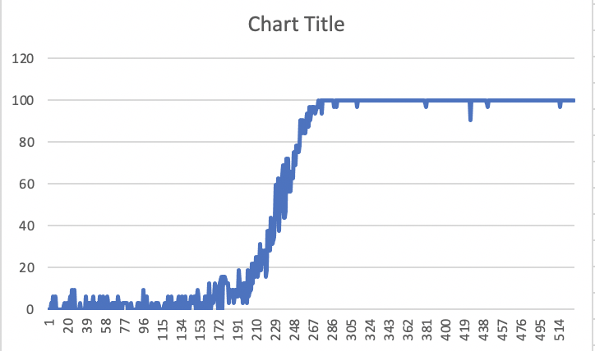

lr 0.01, momentum 0.5, gaussian std 0.000001, batch size 32, 10 epochs
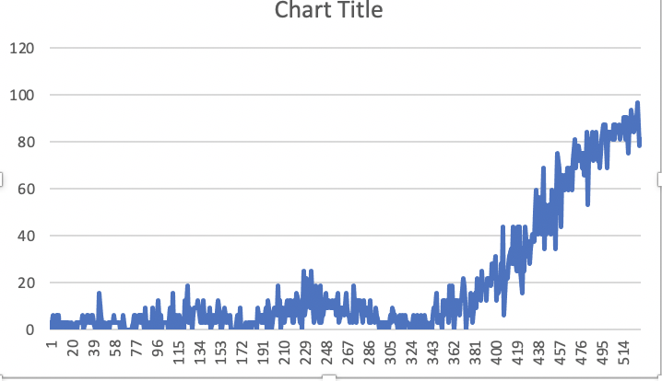

lr 0.001, momentum 0.7, gaussian std 0.00001, batch size 32, 10 epochs

Did not really learn.

lr 0.001, momentum 0.5, gaussian std 0.00001, batch size 32, 10 epochs

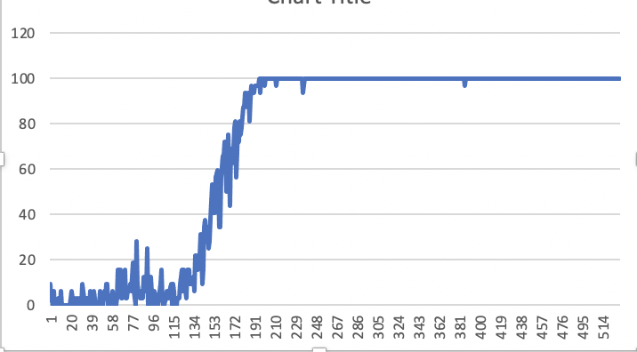

lr 0.005, momentum 0.5, gaussian std 0.00001, batch size 32, 10 epochs
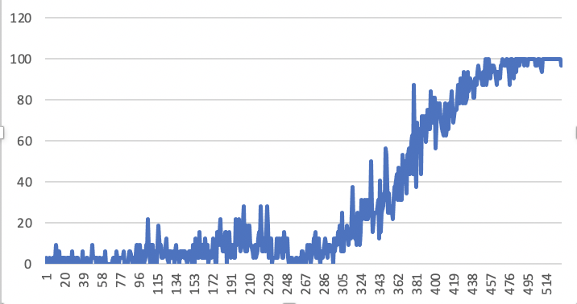

lr 0.002, momentum 0.5, gaussian std 0.00001, batch size 32, 10 epochs

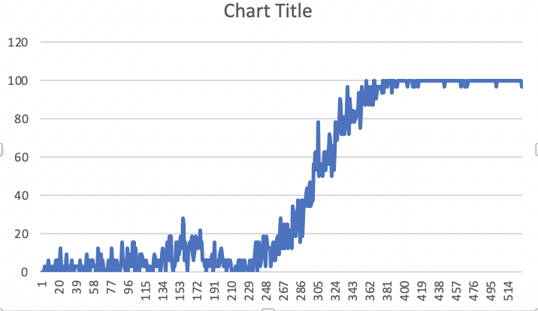
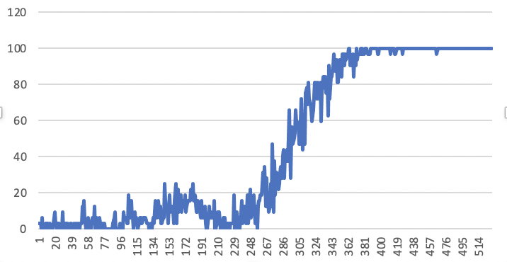
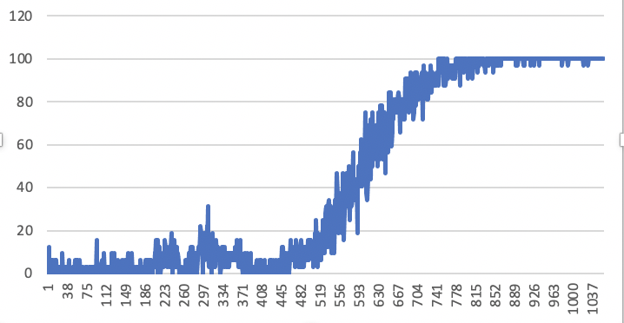

lr 0.002, momentum 0.6, gaussian std 0.00001, batch size 32, 10 epochs | robustness check, identical | identical, log int 15

