SD
 | Consumer | Provider |  | Consumer | Provider
 | Find Service | Offer Service |  | Request | Response
 | SOME/IP |  |  | SOME/IP
ServiceID & MethodID | 0xffff 0x8100 | 0xffff 0x8100 | ServiceID & MethodID | 0x1234 0x0001 | 0xffff 0x8100
Type | 0x02(Notification) | 0x02(Notification) | Type | 0x00 (R&R Request) 0x01(F&F Request) | 0x80(Response)
SessionID | 0x0001 | 0x0001 | SessionID | 0x0001 | 0x0001
 | SOME/IP SD |  | Payload | Empty / 0x0000000 | Data
 | ServiceEntry |  | ServiceID & MethodID | 0x1234 0x0001 | 0xffff 0x8100
Type | 0x00 (Find Service) | 0x01 (Offer Service) | Type | 0x00(R&R Request) 0x01(F&F Request) | 0x80(Response)
Number of Opts | 1 | 1 | SessionID | 0x0002 | 0x0002
ServiceID & InstanceID | 0x1234 [0x80001 Event 0x0001:Method 0xffff:All] | 0x1234 [0x80001 Event 0x0001:Method] | Payload | Empty / 0x0000000 | Data
 | Options |  |  |  | Notifier
Type | IPv4 SD | IPv4 |  | SOME/IP
IP | 160.xx.xxx.01 | 160.xx.xxx.02 | ServiceID & MethodID |  | 0x1234 0x8001(Eventgroup:0x0005)
Protocol | 0x17(UDP) | 0x17(UDP) | Type |  | 0x02(Notification)
Port | 30490 | 30490 | SessionID |  | 0x0000
 | Subscribe | SubscribeAck | Payload |  | Data
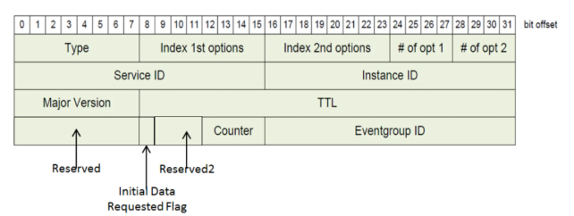
 | SOME/IP
ServiceID & MethodID | 0xffff 0x8100 | 0xffff 0x8100
Type | 0x02(Notification) | 0x02(Notification)
SessionID | 0x0002 | 0x0003
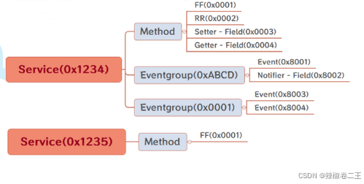
 | SOME/IP SD
 | EventgroupEntry
Type | 0x00(Find Service) | 0x01(Offer Service)
Number of Opts | 1 | 1
ServiceID & InstanceID | 0x1234 0x0001 | 0x1234 0x0001
Initial Event Request | 0(Event) 1(Field) | 0(Event) 1(Field)
Eventgroup ID | 0x0005 | 0x0005
 | Options
Type | IPv4 SD | SubscribeAck不需要option，multicast事件需要返回订阅者socket信息
IP | 160.xx.xxx.01
Protocol | 0x17(UDP)
Port | 30490
 | Options
Type | IPv4 | SubscribeAck不需要option，multicast事件需要返回订阅者socket信息
IP | 160.xx.xxx.01
Protocol | 0x17(UDP)
Port | 34491
 | Subscribe需要option提供订阅者socket信息

