arxml
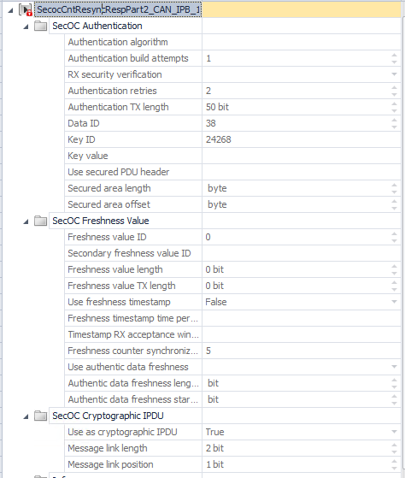
Frame | PDU | TYPE | Signal | Sender | Receiver | Comment
SecocCntResyncReq | SecocCntResyncReq |  | SecocCntResyncReqChallenge |  |  | SecOC Counter Synchronization Request Challenge in the request message. The SecOC receiver sends this signal when a counter is used as a freshness value and is no longer synchronous with the transmitter.
SecocCntResyncResp | SecocCntResyncRespPart2 | Secured IPDU | SecOcDataP2CntResyncRespPart2 | BCP
 | SecocCntResyncRespPart1 |  | SecocCntResyncRespCnt |  |  | Counters in the response message. The SecOC counter master sends this signal when a counter is used as a freshness value, and a SecOC participant started synchronization due to a request
 |  |  | SecocCntResyncRespChallenge |  |  | Challenge in the response message. The SecOC transmitter sends this signal when a counter is used as a freshness value, and a receiver started synchronization due to a request
SecocCntMessage | SecocCntMessage | Secured IPDU | SecocCnt | BCP |  | This PDU is received by the SCR5 in the same way as it would have been received if it was a non SecOCsecured message. This means that the payload is used without a SecOC-check so that this ECU does not require the SecOC key for this message. The SecOC counter master sends this signal when a counter is used as a freshness value. It is sent cyclically to all SecOC participants.
SecocStateReq | SecocStateReq |  | SecocStateReqType | BCP |  | Request Frame for the SecOC Consistency Check sent from SecOC Counter Master. This signal contains the request type of the SecOC consistency check.
SecocStateResp | SecocStateResp |  | SecocStateRespDiagAddr |  |  | This signal containes the diagnostic address of the sender ECU
 |  |  | SecocStateRespLcs1Current |  |  | This signal containes the LCS#1 value used in the current lifecycle of the sender ECU
 |  |  | SecocStateRespKeypackStatus |  |  | This signal containes the keypack status of the sender ECU.
 |  |  | SecocStateRespKeypackCreationTs |  |  | This signal containes the keypack creation timestamp of the sender ECU
SecOcP2EgoMotionData6 | SecOcP2EgoMotionData6 | Secured IPDU |  |  |  | PDU securing payload PDU EgoMotionData6

