CFD_Automation
CFD_Call_API | ActCfdApi | runPythonObjectMethod
connectCFD( ) | ActCFD = actxserver( 'ConfigurationDesk.Application' )
setApplicationPath( searchPathes.Anwendung ) 'D:\BMW_GIT\IPM_HIL_Pxx\work\CFD_Projekte\CFD_Anwendung'
setHWPath( searchPathes.Hardware ) 'D:\BMW_GIT\IPM_HIL_Pxx\work\CFD_Projekte\CFD_Hardware'
setWorkingViewPath( searchPathes.WorkingView ) 'D:\BMW_GIT\IPM_HIL_Pxx\work\CFD_Projekte\CFD_WorkingView'
setDevicePath( searchPathes.Device ) 'D:\BMW_GIT\IPM_HIL_Pxx\work\CFD_Projekte\CFD_Device'
setModelPath( CFD.Data.myHomePath ) 'D:\BMW_GIT\IPM_HIL_Pxx\work\Anwendung\CCU110G_C2_TEE1_IPF_IPB'
setProjectPath( searchPathes.Project ) 'D:\BMW_GIT\IPM_HIL_Pxx\work\CFD_Projekte' | obj.ActProjectRoot = obj.ActCFD.ProjectRoots.Add( obj.myRootPath )
openProject( myProject.Project, false ) 'CFD_Projekt'
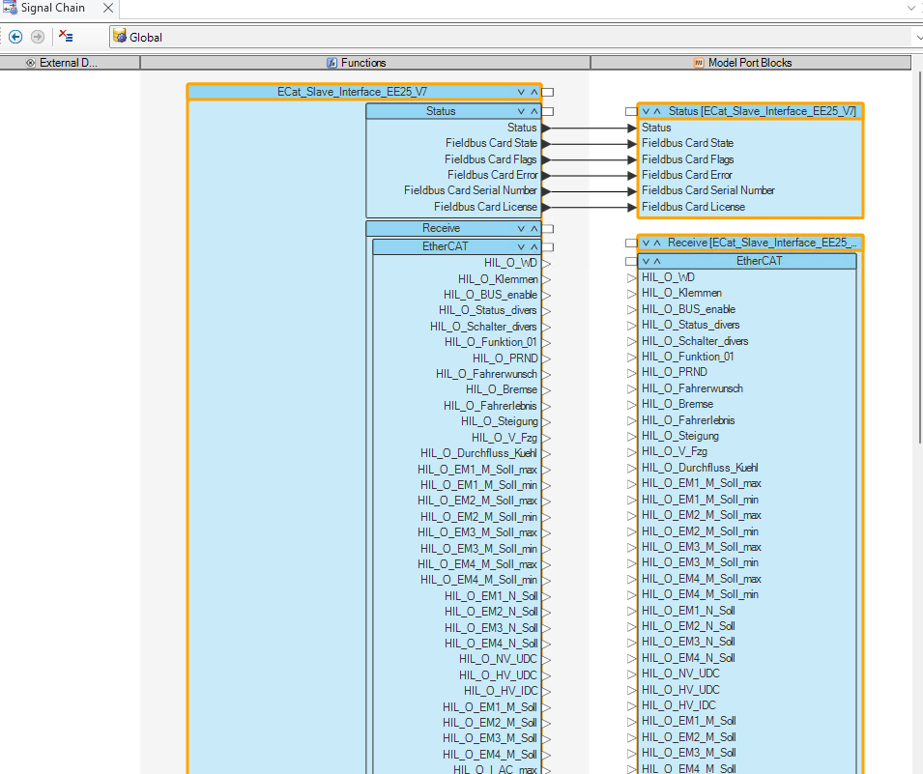
openApplication( myProject.Name, true ) | obj.runPythonObjectMethod('InitializeCFD') obj.ActAppl = obj.ActProject.ActiveApplication obj.DeviceTopology = obj.ActAppl.Components.Item('DeviceTopology') obj.FunctionTopology = obj.ActAppl.Components.Item('IOFunctionLib') obj.FunctionLib = obj.FunctionTopology.Item('Function Library') obj.ModelTopology = obj.ActAppl.Components.Item('ModelTopology') obj.HardwareTopology = obj.ActAppl.Components.Item('HardwareTopology') obj.WorkingViews = obj.ActAppl.WorkingViews obj.WorkingViewsGlobal = obj.WorkingViews.Item('Global') obj.ATMRelation = obj.ActAppl.Relations.Item('ApplicationConfiguration') | 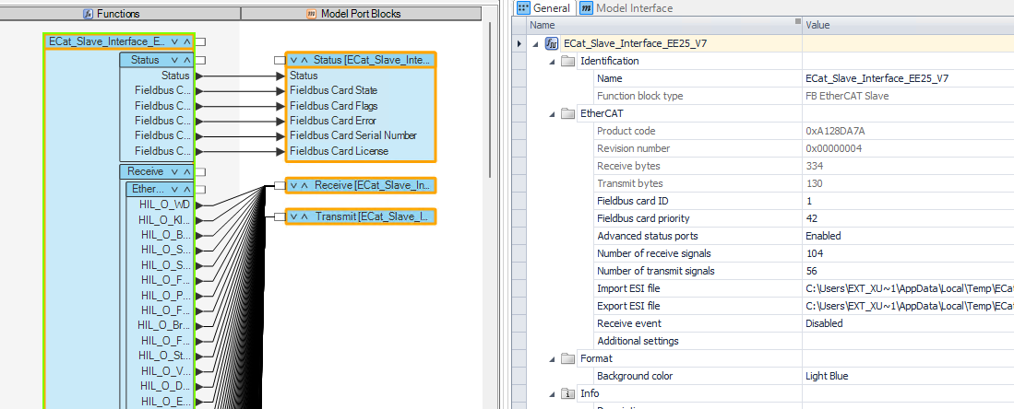 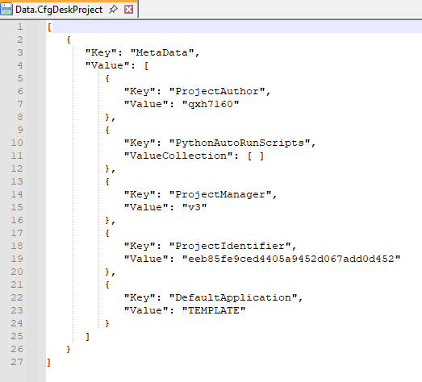 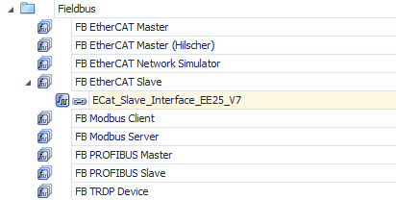 set_model_path(self._cfd_config.get("app_dir")) modelpath: work\Anwendung\CCU110G_C2_TEE1_IPF_IPB self.set_project(self._cfd_config.get("cfd_proj") projectpath: work\CFD_Projekte\CFD_Projekt, __prj_root_path: work\CFD_Projekte, __cfd_project: CFD_Projekt cleanup_project(): prj_file = self.__prj_root_path / self.__cfd_project / "_Data.CfgDeskProject" D:/BMW_GIT/IPM_HIL_Pxx/work/CFD_Projekte/CFD_Projekt/_Data.CfgDeskProject shutil.copy(prj_file, prj_file.with_name("Data.CfgDeskProject")) self.active_project.Open(False) -> @property active_project -> @property active_project_root -> @property app active_project self.__active_proj = self.active_project_root.Projects.Item(self.__cfd_project) CFD_Projekt active_project_root self.__active_proj_root = self.app.ProjectRoots.Item(str(self.__prj_root_path)) work\CFD_Projekte self.__active_proj_root.Activate() app self.__reconnect(True) self.__app_object = Dispatch("ConfigurationDesk.Application") self.open_application(self._cfd_config.get("cfd_appl")) PST_SYS_EE25_NA5BEV_ECAT_V7_BM_6_core.txt __open_appl_by_file('PST_SYS_EE25_NA5BEV_ECAT_V7_BM_6_core.txt') self.__cfd_application_content('PST_SYS_EE25_NA5BEV_ECAT_V7_BM_6_core.txt') content["template"] = self.__appl_template Template_PST_MiniE_ECAT_EE25_V5 __open_application(self.__appl_template[0]) Template_PST_MiniE_ECAT_EE25_V5 appl = self.project_applications.Item('Template_PST_MiniE_ECAT_EE25_V5') appl.Activate(False) self.__appl_name = Template_PST_MiniE_ECAT_EE25_V5 self.save_application_as("ipm_hil") self.project_applications.Item(new_name).Remove(True) remove application "ipm_hil"(CFD_Projekte\CFD_Projekt\ipm_hil) new_path = prj_path.joinpath(new_name) D:/BMW_GIT/IPM_HIL_Pxx/work/CFD_Projekte/CFD_Projekt/ipm_hil shutil.copytree(prj_path.joinpath(self.__appl_name), new_path, copy_function=self.__copy_application) CFD_Projekt\TEMPLATE__PST_MiniE_ECAT_ |  |  | 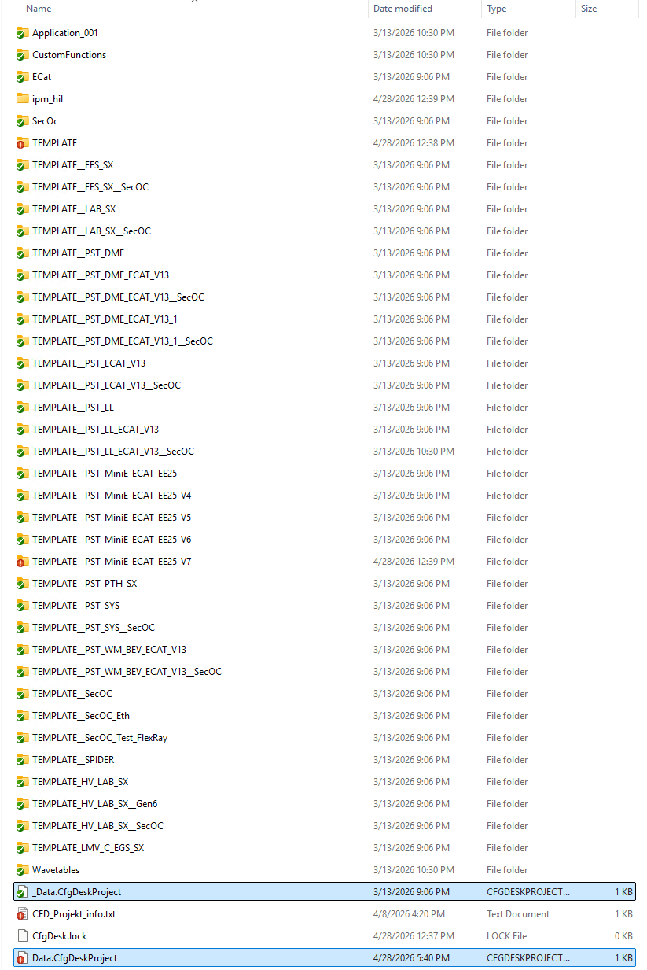 prj_file = self.__prj_root_path / self.__cfd_project / "_Data.CfgDeskProject" shutil.copy(prj_file, prj_file.with_name("Data.CfgDeskProject"))

check_conflicts( CFD.Data.myHomePath, myProject.Application, true ) | obj.ActAppl.Algorithms.ExportConflictsToXML( xmlTemporaryFile ) [ nConflicts, conflicts ] = parseConflicts( xmlTemporaryFile )
initFunBlkObj( ) | obj.ActCan = CfdFunctionBlock_Can( obj ); obj.ActLin = CfdFunctionBlock_Lin( obj ); obj.ActFlexRay = CfdFunctionBlock_FlexRay( obj );
replaceSimulinkModel( CFD.Model.Name, CFD.Model.ApplProc_Name ) | cache_dir = obj.ActCFD.GetCustomInformation({'ApplicationCacheDirectory'}) D:\BMW_GIT\IPM_HIL_Pxx\work\CFD_Projekte\_Build\1 cfd_proj_dir = fullfile( cache_dir{1}, 'Components' ) D:\BMW_GIT\IPM_HIL_Pxx\work\CFD_Projekte\_Build\1\Components for mdl = {eng,rbs,Mega,flx,eth}: copyfile( fullfile( obj.SeSt_Info.cfdBuildPath, mdl{1}), fullfile( cfd_proj_dir, mdl{1} ) src:D:\BMW_GIT\IPM_HIL_Pxx\dsBuild dst:D:\BMW_GIT\IPM_HIL_Pxx\work\CFD_Projekte\_Build\1\Components SetSimulationStatus(sub_model, 'cfd_analyse') simout = dsmips_configurationdesk('AddModelToCurrentProject', 'eth', true, '', false); obj.getallModelPortBlocks( ) ObjRoot = obj.ModelTopology cfdObjName = obj.getContains( ObjRoot ) 获取这个循环中ObjRoot的所有子项 ObjRoot：SGVM_PDU_ENABLE_EESystem25 cfdObjName: {SGVM_PDU_ENABLE_EESystem25, Output_Interface} for countElements = 1 : numel( cfdObjName ) CfdObj_temp = ObjRoot.Item( cfdObjName{ countElements } ) if strcmpi( CfdObj_temp.Roles.Item( countRoles ) , 'ModelPortBlock' ) isMdlPotBlk = 1 break if isMdlPotBlk cfdMdlPotBlks(end+1).Name = cfdObjName{ countElements } cfdMdlPotBlks(end).Obj = ObjRoot.Item( cfdObjName{ countElements } ) cfdMdlPotBlks(end).Root = mdlRoot else obj.getallModelPortBlocks( ) obj.ActMdlPotBlks = cfdMdlPotBlks | cfd_proj_dir = \CFD_Projekte\_Build\1\Components copyfile source = D:\BMW_GIT\IPM_HIL_Pxx\dsBuild\eth destination = cfd_proj_dir cfdObjName = {'eng'} {'rbs'} {'Mega'} {'flx'} {'eth'} cfdObjName = {'eng'} cfdObjName = {'mega'} {'SGVM_IPN_RP'}{'IPCInterface'}.. 1*15 cfdObjName = 'IPCInterface', 'INTERFACE_IO_PST_SYS_6xx', 'ECAT_INTERFACE_PST_MiniE_EE25_V7' obj.ActMdlPotBlks 159*1 | 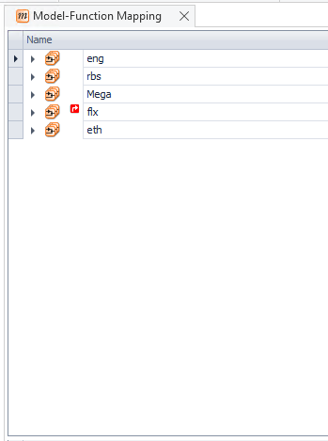 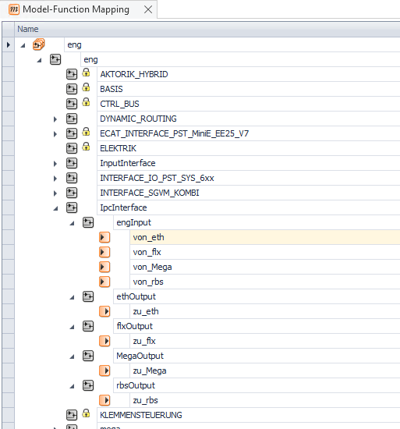 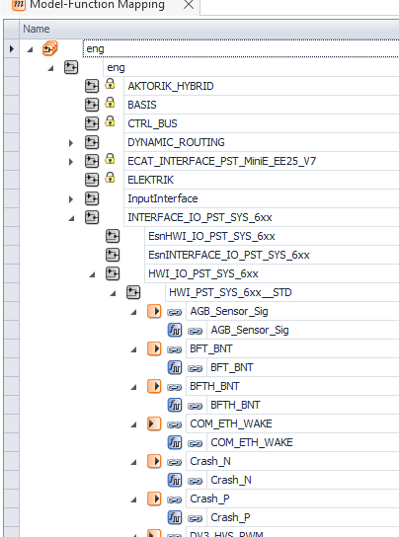 |  | 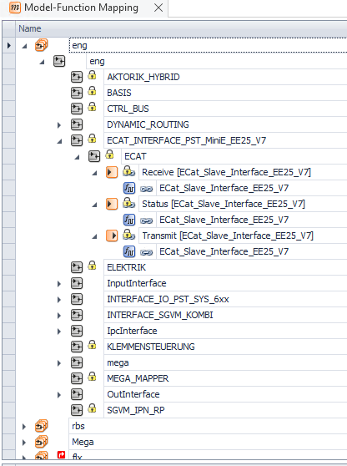 | 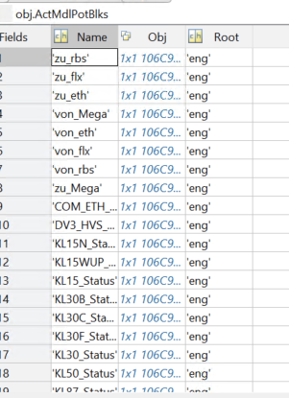 | ModelTopology.model'eng'.Roles: ImplementationPackage SimulinkModelImplementation ExecutableApplicationComponent ModelInterfaceGroup ModelPortGroup ComponentBase ModelTopology.model'eng'.BU.Roles ModelInterfaceGroup PortGroup SignalChainElement ProviderGeneralElement ProviderElement Element PortInterfaceContext ContextProviderElement XPathNode | ModelTopology.model'eng'.BU.ModelPort.Roles: ModelPortBlock PortGroup SignalChainElement ProviderElement Element ReferencableExternal ReferencableElement ReferencerExternal ReferencerElement MainBlockPresenter XPathNode
clearMdlRepository( ) | actMdlPotBlk = obj.ActMdlPotBlks(:)' if get( actMdlPotBlk.Obj , 'IsInRepository' ) cfdMdlPotBlks(end+1) = actMdlPotBlk else obj.WorkingViewsGlobal.Remove( actMdlPotBlk.Obj ) 检查所有model port是否InRepository,没有则在workview global中删除 end | IsInRepository: The IsInRepository property corresponds to the element state "unresolved". Device Topology Model Topology IOFunctionLib Hardware Topology External Wiring
autoConnectInterCpu( ) | for modelName = obj.modelNames(:)' {'eng'}{'rbs'}{'Mega'{'flx'}{'eth'} thisMdlPotBlks = obj.ActMdlPotBlks( strcmpi( {obj.ActMdlPotBlks.Root}, modelName{1} ) ) Root='eng' otherMdlPotBlks = obj.ActMdlPotBlks( ~strcmpi( {obj.ActMdlPotBlks.Root}, modelName{1} ) ) Root ='rbs''Mega''flx''eth' desModPotBlks = otherMdlPotBlks( strcmpi( {otherMdlPotBlks.Name}, [ 'von_' modelName{1}] ) ) Name = 'von_eng'' * Root='rbs''Mega''flx''eth' for desModPotBlk = desModPotBlks(:)': portDescription = desModPotBlk.Obj.Item( uint32(0) ).Properties.Item('Name').Value if ~strcmp( portDescription , 'InterProcessorModelport' ) continue; srcModPotBlks = thisMdlPotBlks( strcmpi( {thisMdlPotBlks.Name}, [ 'zu_' desModPotBlk.Root] ) ) Name = 'zu_rbs' Root = 'eng' portDescription = srcModPotBlk.Obj.Item( uint32(0) ).Properties.Item('Name').Value if strcmp( portDescription , 'InterProcessorModelport' ) interCpuModPotBlks(end + 1).von = srcModPotBlk interCpuModPotBlks(end + 0).zu = desModPotBlk for interCpuModPotBlk = interCpuModPotBlks(:)' obj.WorkingViewsGlobal.Add( interCpuModPotBlk.zu.Obj ); obj.WorkingViewsGlobal.Add( interCpuModPotBlk.von.Obj ); obj.ConnectIpcBusSignals(interCpuModPotBlk.zu.Obj.Item(0) , interCpuModPotBlk.von.Obj.Item(0) ) obj.ActAppl.ConnectObjects( zuCpuSignals.Item( l_signals ), vonCpuSignals.Item( l_signals ) ) |  |  | 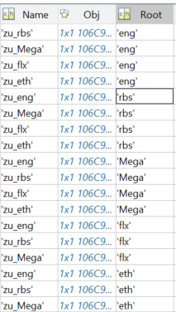 srcModPotBlk interCpuModPotBlks.von | 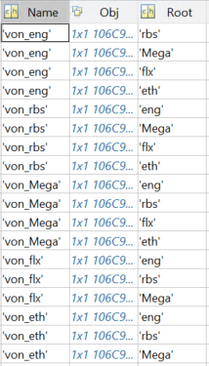 desModPotBlk interCpuModPotBlks.zu
configBusProject(ApplicationPath) | obj.runPythonScript( 'CFD_Automation\BusManager\configure_BM_CFD.py', nameApplicationFile ) | CFDAutomation.configure_bm_cfd() -> self.create_bm_config() hil = self._cfd_config.get("hil") "PST_SYS_EE25" for (name, variant), (revision, core, bu_type) in self._bm_baseunits.items(): bu_type=="BM" bu:CAN/LIN_IPB/IPF_# wv_subpath == "EE25" read_ocrpath_in_cafx() return hw_path,wv_path,ocr_path wv_path: work\BaseUnitsShadow\Git\BU\CAN_IPx\revision\EESystem25\CAN_IPx_#_EESystem25_xxKwxx_BusManager.cafx work\BaseUnit\CAN_IPx_#\EESystem25\CAN_IPx_#_EESystem25_xxKwxx_BusManager.cafx hw_path: work\CFD_Projekte\CFD_WorkingView\BM_HW_Configurations\PST_SYS_EE25_CAN_IPx_#.cafx ocr_paths: root = ET.parse(wv_path) nodes = root.findall('.//Entity[@type="ComMatrixCommunicationMatrix"]') com_mats: work\Dat_Com\CAN\DBC\EESystem25_xxKWxx\CAN_FD_IPx_#\BusDescription_EESystem25_xxKWxx_.arxml for ocr_path in ocr_paths: com_mats self.bus_manager.Configure('AddCommunicationMatrix', [ocr_path]) self.__import_bus_workingviews(name, wv_paths) self.workingviews.Add(path, name)"CAN_IPx_#" for cafx in cafxs: wv_paths:wv_path,hw_path self.current_workingview.Import(cafx, mode) Mode = 0: Add / 1: Merge/ 2: Replace CAN_IPx_#_Config->BusManager, CAN_IPx_#->HW if 'A_FlexRay' in name and 'EESystem25' in variant: self.__connect_flex_fp() flx_board = self.__get_device(self.hardware_topology, 'FlexRay Board') flx_bus = flx_board[0] DS6311 FlexrayBoard(Slot18) FlexRay2 channel1-4 for fid in (1,2,3,4): ctr = self.current_workingview.Item(f'FR CTR{fid}') 'FR CTR#' self.algorithms.AssignChannelSet(ctr, flx_bus, True) 'Hardware Assignment 'FlexRay Function <-> FlexRay Board
CreatePortconfig( fullfile(ApplicationPath, [CFD.Model.Name, '.portconfig']) ) | obj.runPythonObjectMethod('create_portconfig');
ActCan.setFunBlkMask( searchMask.CAN.FunBlk ) ActCan.setModBlkMask( searchMask.CAN.MdlBlk ) | % Defintions for function block mask and model port block mask maskFunBlkName = '((?<=D_)|(^(AE|AP)))[\w\|]*((?=(_CAN|_CAN_FD)$)|(_CAN_FD_config)$)|(?<=D_CAN_(FD_)?)[\w\|]*' 用于匹配特定模式的字符串，主要围绕 D_、AE、AP 等前缀以及 _CAN、_CAN_FD、_CAN_FD_config 等后缀 maskModBlkName = '\w*(?=(_CAN|_CAN_FD)$)|(?<=^CAN_(FD_)?)\w*' _CAN/_CAN_FD 前面的单词部分 CAN_/CAN_FD_ 后面的单词部分
ActLin.setFunBlkMask( searchMask.LIN.FunBlk ) ActLin.setModBlkMask( searchMask.LIN.MdlBlk ) | maskFunBlkName = '((?<=D_)[\w\|]*(?=_LIN$)|(?<=D_M_LIN_)[\w\|]*$|(?<=D_)(H_LIN_\w(\||$))*|(?<=D_)K_LIN([\d_])*(\||$)*)' maskModBlkName = '(^\w*(?=_LIN$)|(?<=M_LIN_)\w*$|^H_LIN_[\w]*$|^K_LIN_[\w]*$)'
ActFlexRay.setFunBlkMask( searchMask.FlexRay.FunBlk ) ActFlexRay.setModBlkMask( searchMask.FlexRay.MdlBlk ) | maskFunBlkName = '(?<=D_)[\w\|]*(?=_FlexRay$)' maskModBlkName = '\w*(?=_FlexRay$)'
autoConnectBus( myProject.is_busmanager ) | obj.ActCan.setModBlkPorts( obj ) ActCan.CfdFunctionBlock_Com indexMdlBlks = regexpi( {ActCfdApi.ActMdlPotBlks.Name}, strjoin( obj.funblkType,'|' ) , 'once') 'CAN|Bus Configuration' searchMdlBlks = ActCfdApi.ActMdlPotBlks( ~cellfun(@isempty, indexMdlBlks) ) obj.CfdModBlkPorts = ActCfdApi.findModPortBlkPropertie(searchMdlBlks, 'Description', ''RTI CAN MultiMessage Blockset'' ) for actMdlPotBlk = searchMdlBlks(:)' cfdMdlPotBlks = struct('Name',{},'Obj',{},'Root',{},'Block',{}) cfdMdlPotBlks = checkPorts( cfdMdlPotBlks , actMdlPotBlk.Obj , actMdlPotBlk.Root, actMdlPotBlk.Name ) for port1Name = obj.getContains( CfdObj ) port1Name: 'In'->'Simulated Ecus'->'CAN_IPB_4'->'IPB_BNR'-'Tx'...'xxx Enable' ObjProperties = CfdObj.Item( port1Name{1} ).Properties if strcmp( ObjProperties.Item( countProperties ).Name , 'Desccription' ): if contains( ObjProperties.Item( countProperties ).Value , 'RTI CAN MultiMessage Blockset' ) cfdMdlPotBlks(end+1) if strcmpi( CfdObj.Item( port1Name{1} ).Roles.Item(0) , 'ModelPortGroup' ): cfdMdlPotBlks = checkPorts( cfdMdlPotBlks , CfdObj.Item( port1Name{1} ) , rootName, BlockName ) -------------------------------------------以上均为搜集RTICANMM，CfdModBlkPorts返回为空------------------------------------------- obj.ActCan.autoConnect( ) funkblkNames = obj.ActCan.getContains 8+14=22 CAN+Bus Configuration for countFunBlkType = 1 : numel( obj.funblkType ): CAN,Bus Configuration CfdFunBlkType = obj.FunctionLib.Item( obj.funblkType{ countFunBlkType } ) CfdFunBlkType.Item(0:8) 'CAN':CAN_IPB_1,2,4,CAN_FD_IPB_12,13,14,16 CAN_FD_IPF_44 CfdFunBlkType.Item(0:14) 'Bus Configuration':CAN_IPB_1_config...IPF_LIN_1_config... For 22: CfdFunBlk( countBlocks ) | 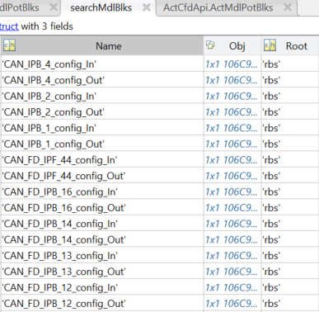 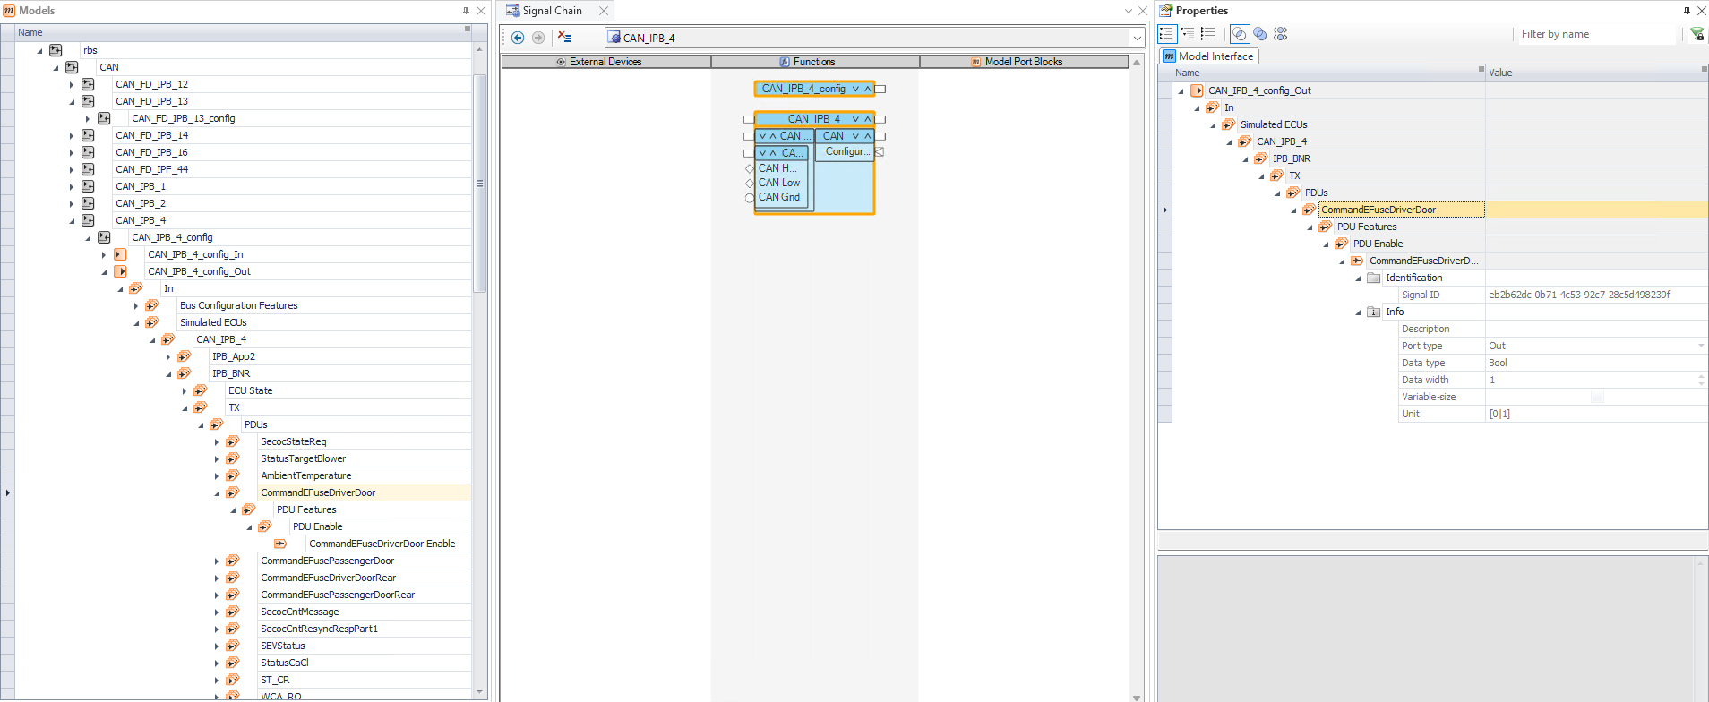 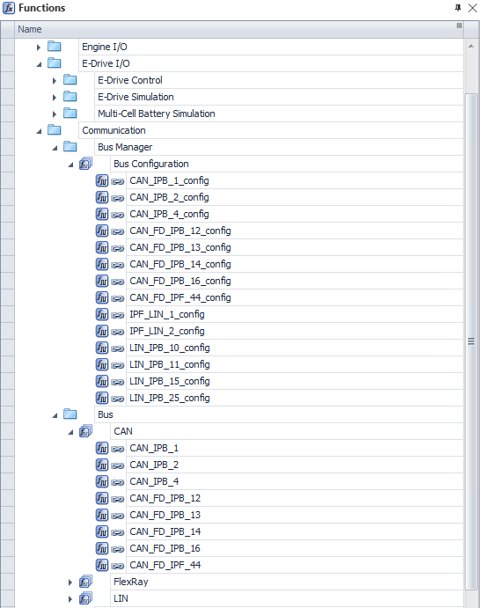 searchMdlBlks |  | ModelPort(只有ModelPort有如下Properties) 'CfdObj.Item(unint32(0)).Name: 'xxx_Enable' ObjProperties = CfdObj.Item( port1Name{1} ).Properties ObjProperties.Item( uint32(0:7) ).Name: 0:Name 1:SignalID 2.Description 3.PortType 4.DataType 5.DataWidth 6.HasVariableNumberOfElements 7.Unit CfdObj.Item( port1Name{1} ).Roles.Item(0:3) 0:ModelPort 1:Port 2:SignalChainElement 3:DataPort ModelPortGroup(所有上级Group都有) CfdObj.Item( port1Name{1} ).Roles.Item(0:8) 0:ModelPortGroup 1:PortGroup 2:SignalChainElement 3:ReferencableExternal 4:ReferencableElement 5:Element 6:ProviderGeneralElement 7:ProviderElement 8:XPathNode
setProcessingUnit1( ) | obj.ActAppl = appl.Activate obj.ATMRelation = obj.ActAppl.Relations.Item('ApplicationConfiguration') ExecApp = obj.ATMRelation.GetTopNodes().Item(int32(0)) ExecApp.CreateChild(ExecApp.DataObjectTypes.Item(uint32(0)),'ProcessingUnitApplication') ProcUnitApp = obj.ATMRelation.GetElements(ExecApp).Item(int32(0)) For 1:5 applProcName = obj.modelNames{ 1:5 } eng,rbs,Mega,flx,eth AppProc = ProcUnitApp.CreateChild(ProcUnitApp.DataObjectTypes.Item(uint32(0)),applProcName) Task 'eng''rbs'... CfdModel = obj.ModelTopology.Item( applProcName ) obj.ATMRelation.AddElements( AppProc, {CfdModel},{} ) Model <-> Task == Assign Model cfdType = obj.ATMRelation.GetCreatableTypes(AppProc).Item(uint32(0)) 'Task' cfdTask = obj.ATMRelation.CreateDataObject(cfdType, AppProc) cfdTask.Name = 'Periodic Task 1' timerEvent = cfdTask.CreateChild(cfdTask.DataObjectType.Item(uint32(0)),'Timer Event [Periodic Task 1]') runnableFunction = obj.ATMRelation.GetElements(CfdModel).Item('Runnable Function 1 [Periodic Task 1]') obj.ATMRelation.AddElements( cfdTask, { runnableFunction },{ } ) timerEvent.Properties.Item('Period').Value = runnableFunction.Properties.Item('Period').Value | dSpace document: # get the executable application ExeApp = Relation.GetTopNodes().Item(0) 'ipm_hil' # get processing unit application ProcUnitApp = Relation.GetElements(ExeApp).Item(0) Multiple Models -> Processing Resource Assgignment(Scalexio)->'ProcessingUnitApplication' # create the application process AppProc = ProcUnitApp.CreateChild(ProcUnitApp.DataObjectTypes.Item(0)) Task -> 'eng'
setSimulinkTasks1( defineSimTask ) | obj.ATMRelation = obj.ActAppl.Relations.Item('ApplicationConfiguration') ExecApp = obj.ATMRelation.GetTopNodes().Item(int32(0)) ProcUnitApp = obj.ATMRelation.GetElements( ExecApp ).Item(int32(0)) for 1:5 ApplProc = ProcUnitApp.Item( applProcName{1} ) 'eng''rbs''Mega''eth''flx' CfdModel = obj.ModelTopology.Item( applProcName{1} ) modelElements = obj.ATMRelation.GetElements( CfdModel ) 'Runnable Function 1 [Periodic Task 1]' for taskDefintion = defineTask(:)' Name RTTEnable nOverruns Prio DAQRaster RunFunction CfdTask = ApplProc.Item( taskDefintion.Name ) ''Periodic Task 1'' sampleTime = CfdTask.Item( taskDefintion.RunFunction ).Properties.Item('Period').Value 0.001s taskDefintion.RunFunction 'Runnable Function 1 [Periodic Task 1]' DAQRaster_Name = [ taskDefintion.DAQRaster ' [' num2str( sampleTime , '%10.3e s' ) ']' ] 'Runnable Function 1 [Periodic Task 1]' CfdTask.Properties.Item('IsRealTimeTestingEnabled').Value = taskDefintion.RTTEnabled' 0 CfdTask.Properties.Item('NumberOfAcceptedOverruns').Value = taskDefintion.nOverruns -1 CfdTask.Properties.Item('Priority').Value = taskDefintion.Prio 58 | ApplProc 207*1 {'UserDefined Elements' } {'eng' } {'COM_ETH_WAKE' } {'DV3_HVS_PWM' } {'KL15N_Status' } {'KL15WUP_Status' } {'KL15_Status' } {'KL30B_Status' } {'KL30C_Status' } {'KL30F_Status' } {'KL30_Status' } {'KL50_Status' } {'KL87_Status' } {'Pedal_UWF1_VCC' } {'Pedal_UWF2_VCC' } {'VBATT' } {'AGB_Sensor_Sig' } {'BFTH_BNT' } {'BFT_BNT' } {'Crash_N' } {'Crash_P' } {'FATH_BNT' } {'FAT_BNT' } {'FES_BNT_K1' } {'FES_BNT_K2' } {'FES_BNT_K3' } {'FES_BNT_K4' } {'INT_12V_Switched' } {'INT_KL30_Switched' } {'IN_HALL1_BNT' } {'IN_HALL3_BNT' |  | 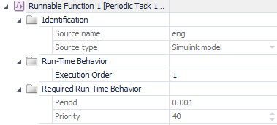 | PeriodicTask: Runnable Function Event | 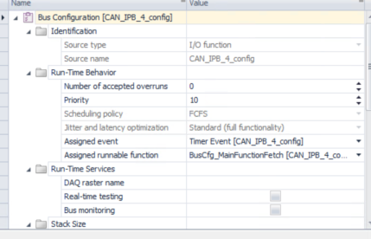 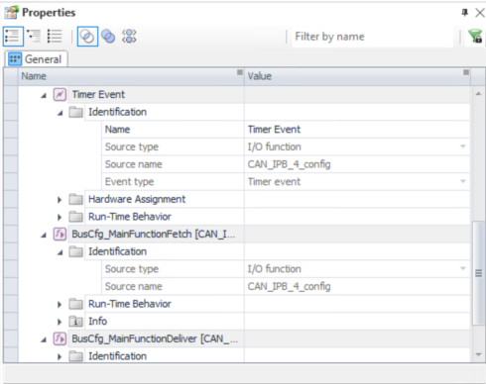
connectBusManagerPorts(ApplicationPath) | obj.runPythonObjectMethod('BusManagerLinker'); | self.link() for _bm_baseunits.items(): self.busconfig_names 'CAN_IPB_1_config' for topology in self.model_topology: if self.add_model_topology(topology) > 2: break if not topology.Roles.Contains('ModelInterfaceGroup'): return2 modelport if topology.Name in self.current_topology_searchnames: self.current_workingview.Add(topology) workingview add model 'CAN_IPB_1_config' for next_topology in topology: 子项 status = self.add_model_topology(next_topology) 历遍topology self._connect_busmanager_blocks() function_block = self.find_port_block() CAN_IPB_1_config modelport_block_in = self.find_port_block('_In') CAN_IPB_1_config_In modelport_block_out = self.find_port_block('_Out') CAN_IPB_1_config_Out conn_in = 返回connect的count值 self.algorithms.ConnectObjectsAutomatically(function_block,modelport_block_in) conn_out = 返回connect的count值 self.algorithms.ConnectObjectsAutomatically(function_block,modelport_block_out) self.check_block_connections(function_block, True) self.check_block_connections(modelport_block_in) self.check_block_connections(modelport_block_out) for child in block: function最外层的block self.check_block_connections(child, is_functionblock, path) 历遍子项 if block.Item(0).GetCount(): 无子项的最终port for child in block: self.check_block_connections(child, is_functionblock, path) if child.ConnectedObjects.Count == 0 无连接判断 if child.IsOfRole('EventPort'): self.missing_connections.append(f'{path}{child.Name}') elif child.Proper | 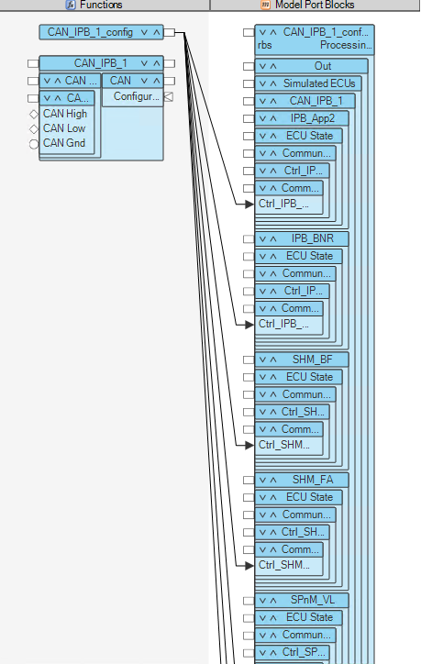 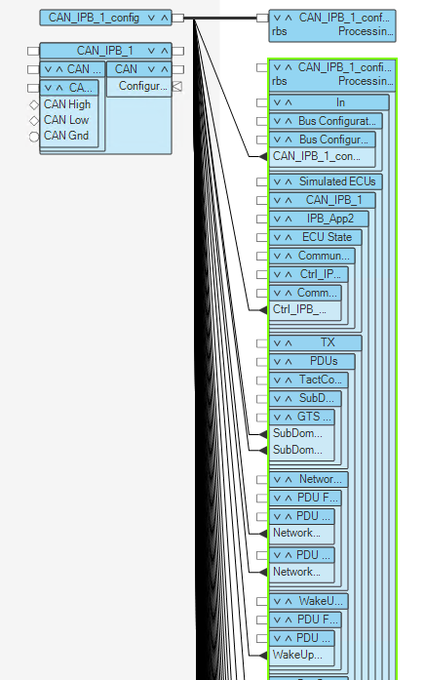 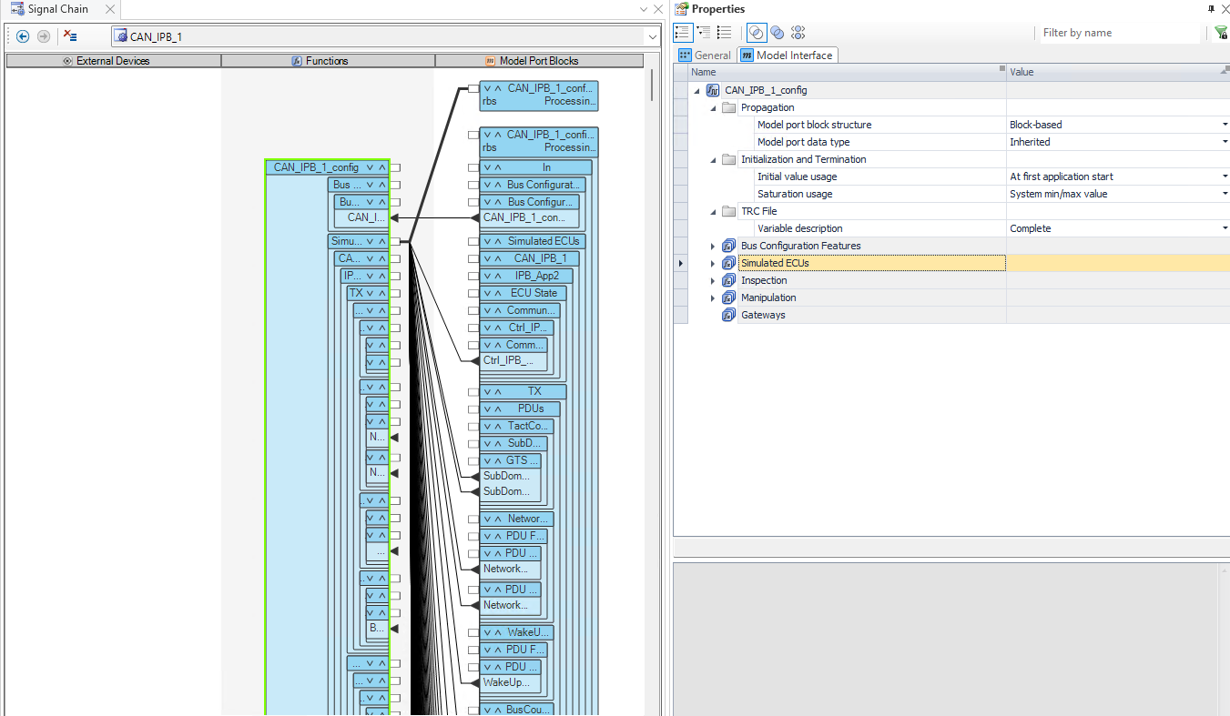 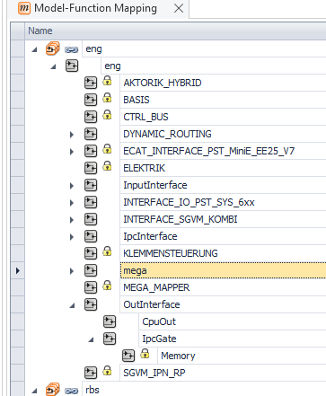 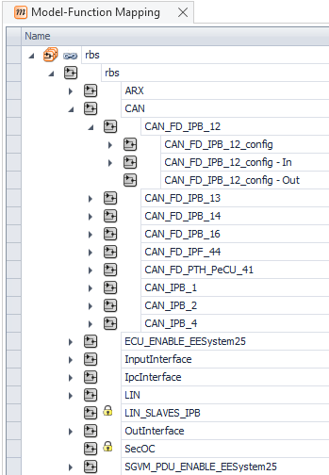 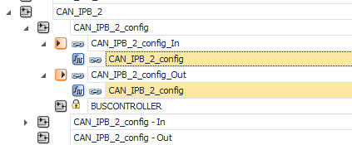
 |  |  | 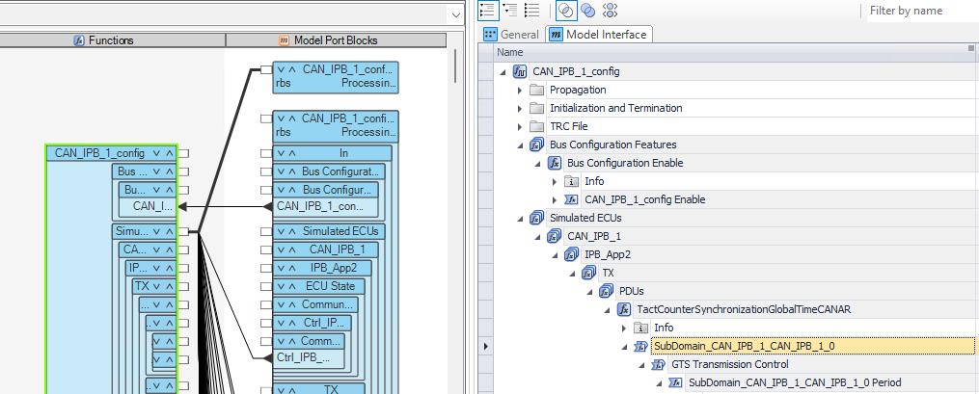 function_block function最外层的block block: 'Bus Configuration Features' 'Simulated ECUs' 'Inspection' 'Manipulation' 'Gateways' 'Bus Access Request [CAN_IPB_1_config\\Simulated ECUs\\CAN_IPB_1\\CAN_IPB_1]' 'Bus Access Request [CAN_IPB_1_config\\Inspection\\CAN_IPB_1\\CAN_IPB_1]' 'Bus Access Request [CAN_IPB_1_config\\Manipulation\\CAN_IPB_1\\CAN_IPB_1]' 'BusCfg_MainFunctionFetch' 'BusCfg_MainFunctionFetch' 无子项的最终port child: 'CAN_IPB_1_config Enable' 'SubDomain_CAN_IPB_1_CAN_IPB_1_0 Period' | 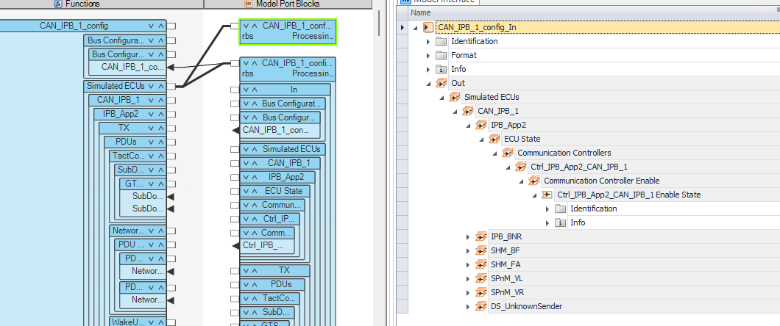 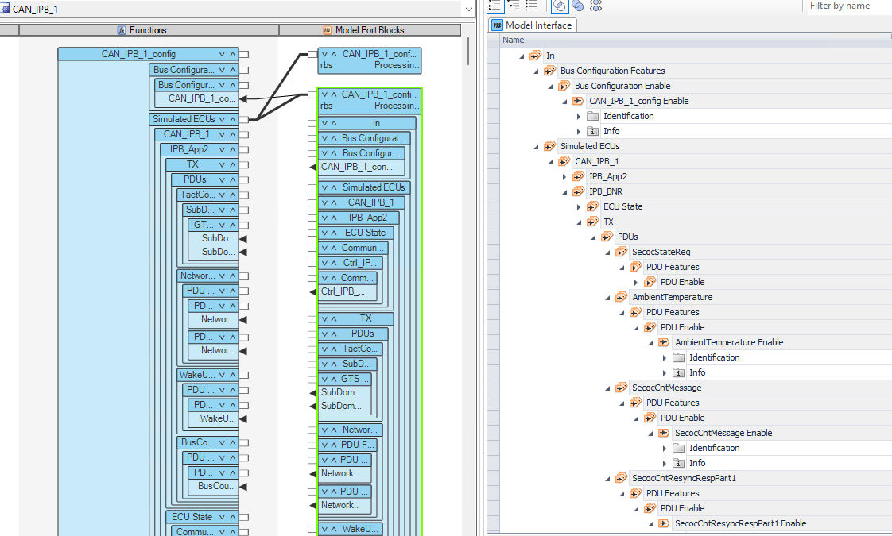 modelport_block_in modelport_block_out |  | SubDomain_CAN_IPB_2_CAN_IPB_2_0 GTS Time Base Data Roles: FunctionPortGroup PortGroup SignalChainElement CodeUnitNetworkProvider BaseProperties2 Classification ProviderGeneralElement ProviderElement Element SubDomain_CAN_IPB_2_CAN_IPB_2_0 Time Roles: FunctionPortScalar FunctionPort Port SignalChainElement CodeUnitNetworkProvider BaseProperties2 Classification ProviderGeneralElement ProviderElement Element ReferencableExternal ReferencableElement | 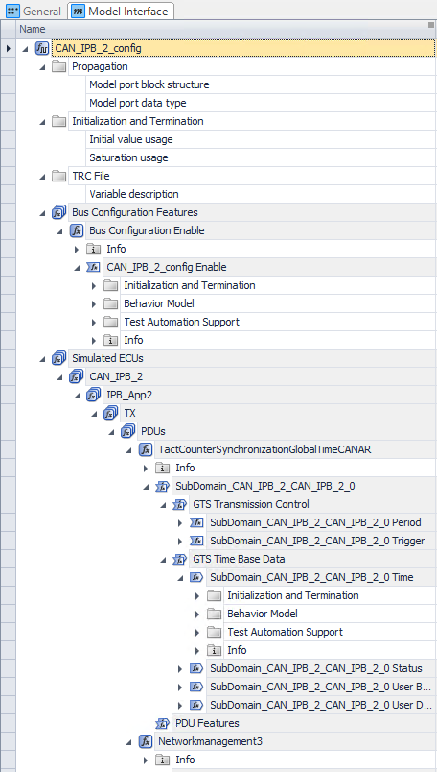 | TactCounterSynchronizationGlobalTimeCANAR Roles GenericFunction Function EventProvider PortGroup SignalChainElement CodeUnitNetworkProvider BaseProperties2 Classification ProviderGeneralElement ProviderElement Element XPathNode ReferencableExternal ReferencableElement
setTaskOverruns( CFD.Data.nOverruns ) | ExecApp = obj.ATMRelation.GetTopNodes().Item(int32(0)) ProcUnitApp = obj.ATMRelation.GetElements( ExecApp ).Item(int32(0)) obj.applProcNames = obj.getContains( ProcUnitApp ) for applProcName = obj.applProcNames(:)' ApplProc = ProcUnitApp.Item( applProcName{1} )'eng''rbs''Mega''flx''eth' ApplProcTasks = obj.getContains( ApplProc ) ApplProcTasks 50*1 for i_task = 1:numel(ApplProcTasks) if ~CfdTask.IsOfRole('Task') continue; CfdTask = ApplProc.Item( i_task - 1 ) task rbs overruns = nTaskOverruns -1 if ( CfdTask.Properties.Item('NumberOfAcceptedOverruns').Value ~= overruns ) CfdTask.Properties.Item('NumberOfAcceptedOverruns').Value = overruns | ApplProcTasks 50*1 {'UserDefined Elements' } {'eng' } {'COM_ETH_WAKE' } {'DV3_HVS_PWM' } {'KL15N_Status' } {'KL15WUP_Status' } {'KL15_Status' } {'KL30B_Status' } {'KL30C_Status' } {'KL30F_Status' } {'KL30_Status' } {'KL50_Status' } {'KL87_Status' } {'Pedal_UWF1_VCC' } {'Pedal_UWF2_VCC' } {'VBATT' } {'AGB_Sensor_Sig' } {'BFTH_BNT' } {'BFT_BNT' } {'Crash_N' } {'Crash_P' } {'FATH_BNT' } {'FAT_BNT' } {'FES_BNT_K1' } {'FES_BNT_K2' } {'FES_BNT_K3' } {'FES_BNT_K4' } {'INT_12V_Switched' } {'INT_KL30_Switched' } {'IN_HALL1_BNT' } {'IN_HALL3_BNT' } {'MHK_BNT' } {'MSA_EV_BNT' } {'PN_BNT' } {'Pedal_AFW1_SIG' } {'Pedal_AFW2_SIG' } {'SIG_AN_AC_PRESSURE' } {'SIG_AN_AC_TEMP_EVAP' } {'SIG_AN_PF_TEMP_EXT' } {'T_SENS_HVS_13_NTC' } {'T_SENS_HVS_6_B_NTC' } {'T_SENS_HVS_6_NTC' } {'T_SENS_HVS_6_PTC' } {'Warnblinker_BNT' } {'ZV_BNT_K1' } {'ZV_BNT_K2' } {'ZV_BNT_K3' } {'ECat_Slave_Interface_EE25_V7'} {'Ethernet Switch (1)' } {'Periodic Task 1' } | 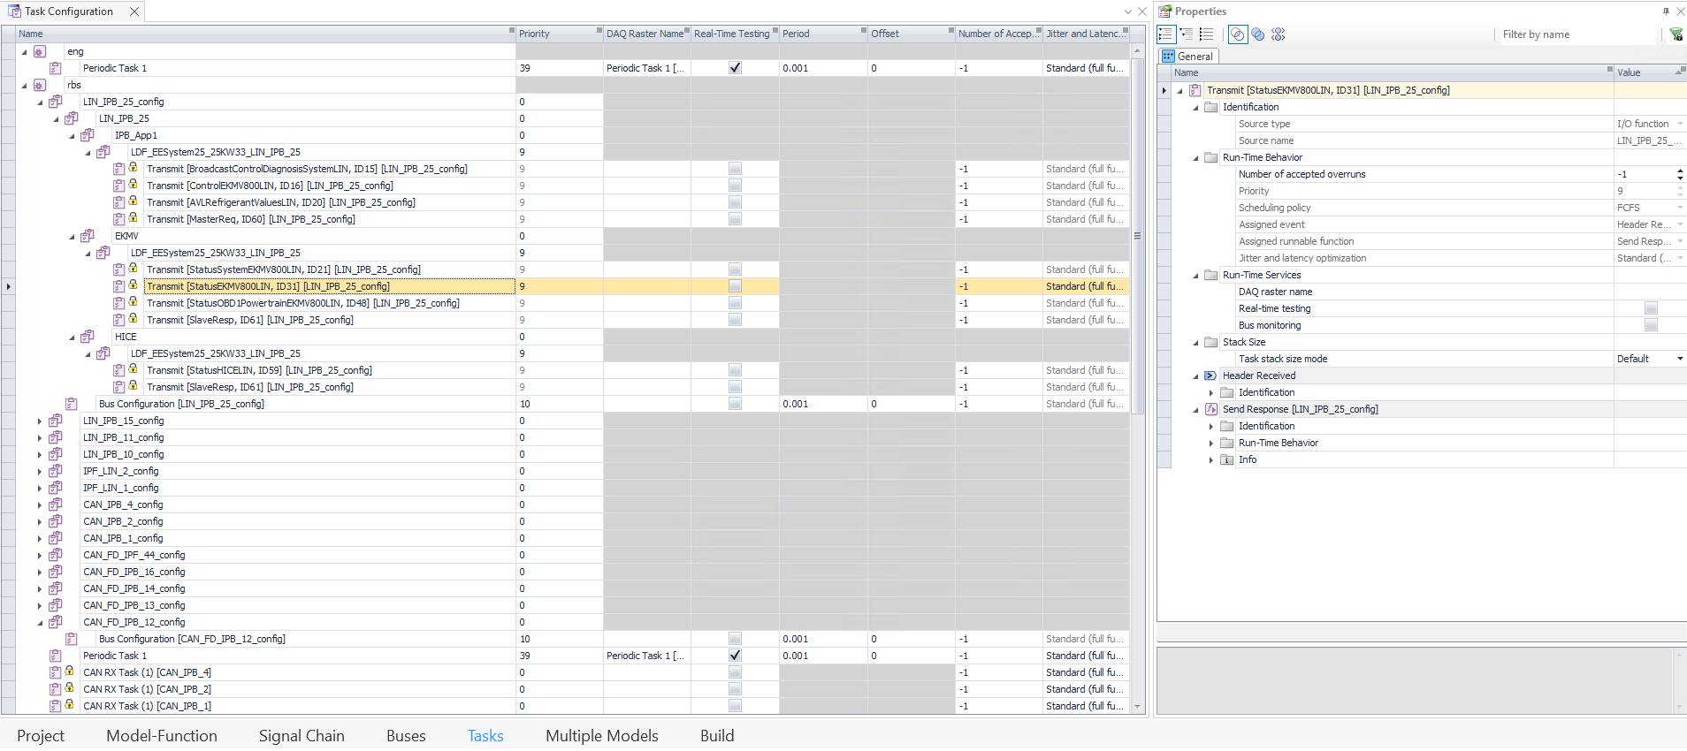 Task rbs Task 'rbs/Periodic Task 1' to Value -1 Task 'rbs/LIN_IPB_25_config/Bus Configuration' to Value -1 Task 'rbs/LIN_IPB_25_config/Transmit [BroadcastControlDiagnosisSystemLIN, ID15]' to Value -1 Task 'rbs/LIN_IPB_25_config/Transmit [ControlEKMV800LIN, ID16]' to Value -1 Task 'rbs/LIN_IPB_25_config/Transmit [AVLRefrigerantValuesLIN, ID20]' to Value -1 Task 'rbs/LIN_IPB_25_config/Transmit [MasterReq, ID60]' to Value -1 Task 'rbs/LIN_IPB_25_config/Transmit [StatusSystemEKMV800LIN, ID21]' to Value -1 Task 'rbs/LIN_IPB_25_config/Transmit [StatusEKMV800LIN, ID31]' to Value -1 Task 'rbs/LIN_IPB_25_config/Transmit [StatusOBD1PowertrainEKMV800LIN, ID48]' to Value -1 Task 'rbs/LIN_IPB_25_config/Transmit [SlaveResp, ID61]' to Value -1 Task 'rbs/LIN_IPB_25_config/Transmit [StatusHICELIN, ID59]' to Value -1 TaskOverrun of Task 'rbs/LIN_IPB_25_config/Transmit [SlaveResp, ID61]' to Value -1 |  |  | 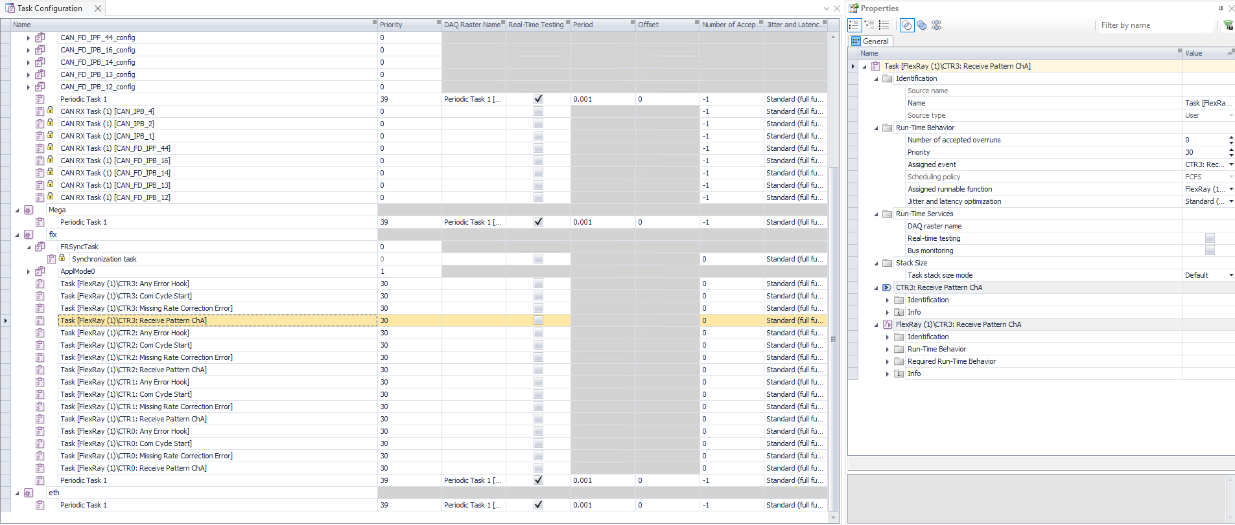
configBuildConfigurationSet( myProject.is_busmanager, CFD.Model.FMU, CFD.Data.TargetArchitecture, CFD.Data.compile_debug ) | obj.runPythonObjectMethod('configureBuildConfigurationSet', ... is_busmanager, cpus, fmu_import, TargetArchitecture, compile_debug ) | self.configure() self.default_build_configuration_set = self.build_configuration_sets.Item('Default Build Configuration Set') @property build_configuration_sets -> self.build_configuration_relation.GetElements(self.build_configuration_item) @property build_configuration_relation -> self.__build_conf_relation = self.active_application.Relations.Item('BuildConfiguration') @property build_configuration_item -> self.build_configuration_relation.GetTopNodes() 'ipm_hil' self.default_bus_custom_code_set = self.get_bus_custom_code_set(self.default_build_configuration_set) BuildConfigurationSet ->'Default Build Configuration Set for item in self.property_data_objects_relation.GetElements(BuildConfigurationSet): if item.Name == 'Bus Custom Code Set': return item @property property_data_objects_relation -> self.active_application.Relations.Item('PropertyDataObjects') self.__get_bus_processors() for processor in self.processing_unit_application: 'eng''rbs''Mega''flx''eth' @property processing_unit_application -> self.__proc_unit_appl -> exec_app = obj.ActAppl.Relations.Item('ApplicationConfiguration') exec_app = self.atm_relation.GetTopNodes().Item(0) 'ipm_hil' self.__proc_unit_appl = self.atm_relation.GetElements(exec_app).Item(0) for subsys in self.model_topology[ 'eng''rbs''Mega''flx''eth']: bu_names = [x.Name for x in subsys] SGVM_IPN_RP,OuterInterface,Mega_Mapper...... for bu in subsys: topos{'rbs':[CAN,LIN,SecOC], 'eth:[Ethernet,SecOC]', flx:[FlexRay,SecOC]} |  | 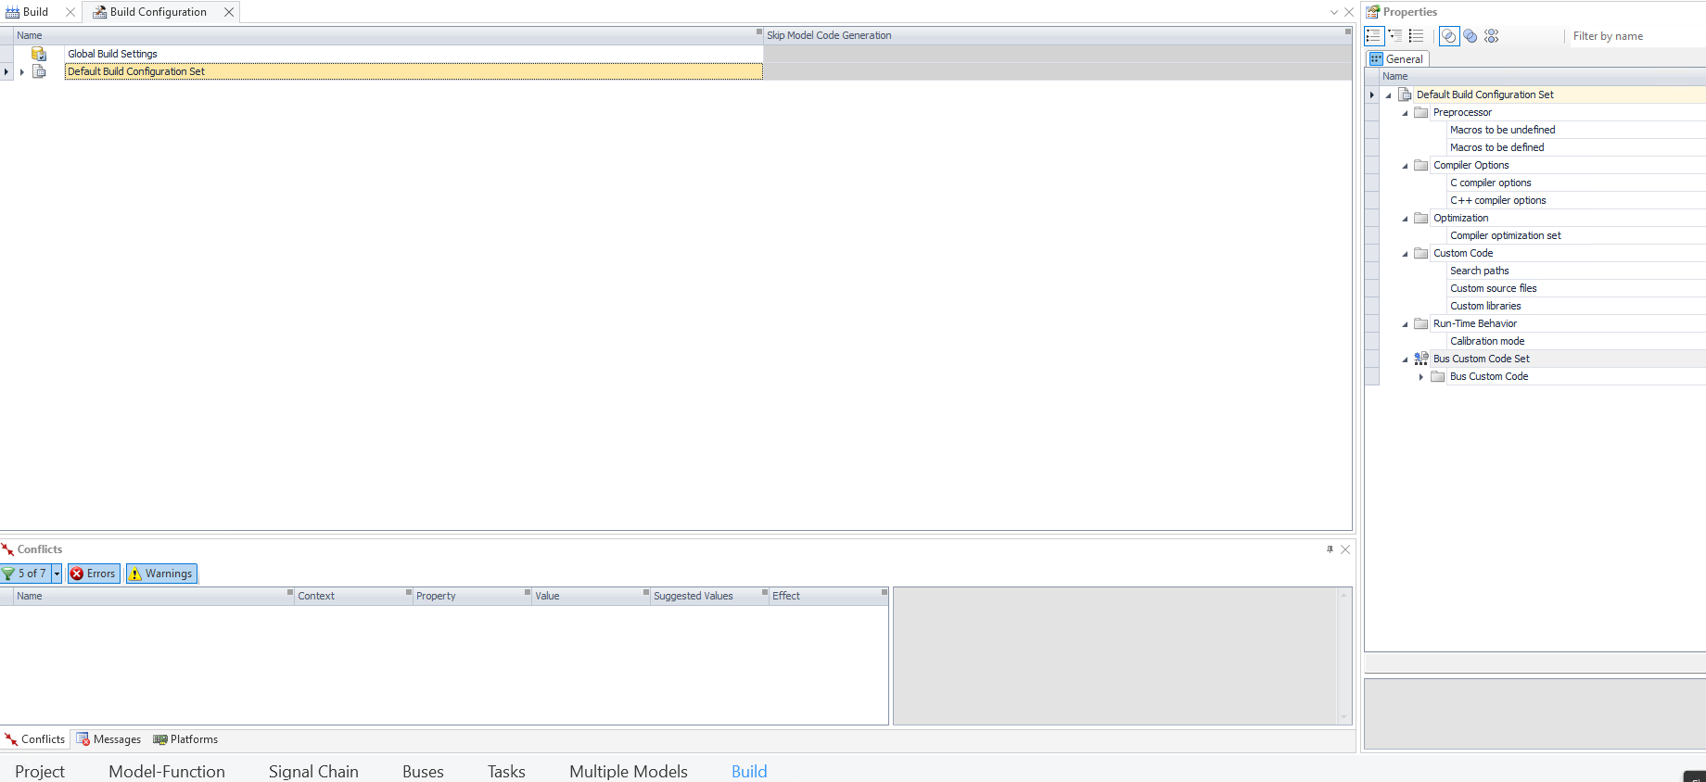
 |  | BuildConfiguration for processor in self.processing_unit_application: 'eng''rbs''Mega''flx''eth' self.create_build_configuration_set(processor_name) item = self.build_configuration_item 'ipm_hil' relation = self.build_configuration_relation 'BuildConfiguration' CreatableTypes = relation.GetCreatableTypes(item) 'ApplicationProcessOptions' self.current_build_configuration_set = relation.CreateDataObject(CreatableTypes[0], item) 'Build Configuration Set (1)' for prop in self.current_property_names: @property current_property_names -> [x.Name for x in self.current_build_configuration_set.Properties] ['Name', 'CompilerDefines', 'CCompilerOptions', 'CompilerOptimizationSet', 'SearchPaths', 'CalibrationMode', 'CompilerUndefines', 'CppCompilerOptions', 'UserDefinedOptimizationOptions', 'CustomSourceFiles', 'CustomLibraries'] if prop == "Name": self.set_property("Name", processor.upper() + "_ConfigurationSet") Build Configuration Set (1)'-> 'ENG_ConfigurationSet' self.current_bus_custom_code_set = self.get_bus_custom_code_set(self.current_build_configuration_set) 'Bus Custom Code Set' for item in self.property_data_objects_relation.GetElements(self.current_build_configuration_set) @property property_data_objects_relation = self.active_application.Relations.Item('PropertyDataObjects') item.Name == 'Bus Custom Code Set': return item |  | D:/BMW_GIT/IPM_HIL_Pxx/work/CFD_Projekte/CFD_Automation_Data/CFD_BuildConfiguration.xml BuildConfiguration(CFDConnector): self.parse_configfile() -> self.import_config_file() -> self.params <PathList Name="CustomCodeSourceFiles"> <item Value="#WORKDIR#\Dat_Com\LIN\CRC\CustomCode\BusManagerLinCrc.c"/> <item Value="#WORKDIR#\Dat_Com\LIN\CRC\CustomCode\CfgCrcMapping.c"/> <item Value="#WORKDIR#\Dat_Com\LIN\CRC\CustomCode\crc\calculate_crc_lin.c"/> <item Value="#WORKDIR#\Dat_Com\LIN\CRC\CustomCode\BusManagerLinCrc_EES25.c"/> <item Value="#WORKDIR#\Dat_Com\LIN\CRC\CustomCode\CfgCrcMapping_EES25.c"/> <item Value="#WORKDIR#\Dat_Com\LIN\CRC\CustomCode\crc\calculate_crc_lin_ees25.c"/> <item Value="#WORKDIR#\Dat_Com\CAN\CRC\CustomCode\BusManagerCanCrc.c"/> <item Value="#WORKDIR#\Dat_Com\CAN\CRC\CustomCode\src\CfgCanCrcMapping.c"/> <item Value="#WORKDIR#\Dat_Com\CAN\CRC\CustomCode\src\calculate_crc_h2cv_can.c"/> <item Value="#WORKDIR#\Dat_Com\CAN\CRC\CustomCode\BusManagerCrcE2E_P02.c"/> <item Value="#WORKDIR#\Dat_Com\CAN\CRC\CustomCode\src\calculate_crc_e2e_p02.c"/> </PathList> <PathList Name="CustomCodeIncludeFilesAndDirectories"> <item Value="#WORKDIR#\Dat_Com\LIN\CRC\CustomCode\crc\calculate_crc_lin.h"/> <item Value="#WORKDIR#\Dat_Com\LIN\CRC\CustomCode\crc\crc_lin.h"/> <item Value="#WORKDIR#\Dat_Com\LIN\CRC\CustomCode\include\CfgCrcMappingList.h"/> <item Value="#WORKDIR#\Dat_Com\LIN\CRC\CustomCode\include\CfgCrcMapping.h"/> <item Value="#WORKDIR#\Dat_Com\LIN\CRC\CustomCode\include\CfgCrcMappingList_EES25.h"/> <item Value="#WORKDIR#\Dat_Com\LIN\CRC\CustomCode\include\CfgCrcMapping_EES25.h"/> <item Value="#WORKDIR#\Dat_Com\CAN\CRC\CustomCode\include\calculate_crc_h2cv_can.h"/> <item Value="#WORKDIR#\Dat_Com\CAN\CRC\CustomCode\include\CfgCanCrcMappingList.h"/> <item Value="#WORKDIR#\Dat_Com\CAN\CRC\CustomCode\include\CfgCanCrcMapping.h"/> <item Value="#WORKDIR#\Dat_Com\
 |  | 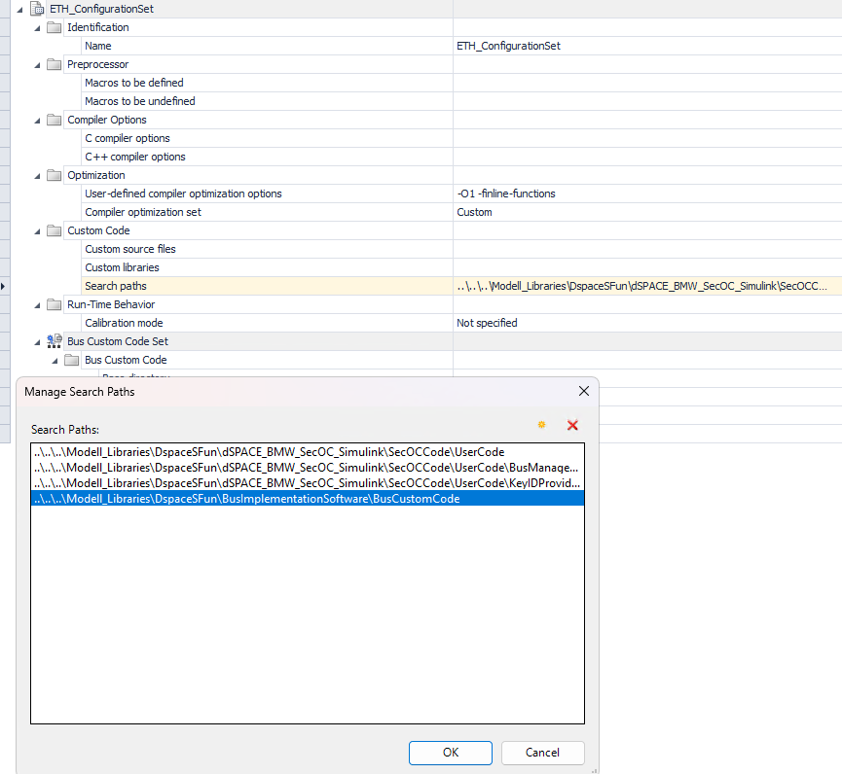 self.__update_build_configuration_set(): Optimization self.set_property("CompilerOptimizationSet", self.compiler_optimization_set) 2:custom self.copy_property(self.default_build_configuration_set, "UserDefinedOptimizationOptions") self.append_options("UserDefinedOptimizationOptions", self.compiler_optimization_custom_opts) -O1 -finline-functions self.__update_bus_custom_code_set(processor_name) Custom Code secoc_searchpath = self.params.get("SecOCSearchPaths") self.append_path_property("CustomSourceFiles", self.work_dir, "SecOCCustomCodeSourceFiles") if self.is_busmanager and processor_name in self.cpus["SecOC"]: rbs,flx,eth self.append_path_property("SearchPaths", self.work_dir, "SecOCSearchPaths") secoc_path = Path(secoc_searchpath[0]) '...\\SecOCCode\\UserCode\\BusManagerIF\\' if processor_name in self.cpus["Ethernet"]: self.append_path_property("SearchPaths", self.work_dir, "SecOCSearchPathEthernet") self.current_item = self.current_bus_custom_code_set 'Bus Custom Code Set' self.bus_work_dir = self.get_work_dir(secoc_path) ''..\\..\\..\\..\\..\\..\\'' Bus Custom Code Set for bus_cluster, cpus in self.Custom_CRC_flags.items(): if processor_name not in cpus: Custom_CRC_Libraries bus_cluster:LIN_IPB_15 cpus:rbs self.append_path_property("BusCustomCodeBaseDirectory", self.work_dir, secoc_path) ..\..\..\Modell_Libraries\DspaceSFun\dSPACE_BMW_SecOC_Simulink\SecOCCode\UserCode\BusManagerIF self.append_path_property("BusCustomCodeSourceFiles", self.bus_work_dir, "CustomCodeSourceFiles") self.append_path_property("BusCustomCodeIncludeFilesAndDirectories", self.bus_work_dir, "CustomCodeIncludeFilesAndDirectories")
 |  | Default Build Configuration Set self.current_item = self.default_build_configuration_set for prop in self.current_property_names: @property current_property_names-> return [x.Name for x in self.current_item.Properties] ['Name', 'BusCustomCodeBaseDirectory', 'BusCustomCodeSourceFiles', 'BusCustomCodeIncludeFilesAndDirectories', 'BusCustomCodeNonBuildFiles'] if prop == "Name": continue self.clear_property(prop)
 |  | CORE_ConfigurationSet <-> Processor for processor in self.processing_unit_application: target_configset = f"{processor_name}_ConfigurationSet" 'ENG_ConfigurationSet' for bcfgset in self.build_configuration_sets: 'Global Build Settings'......'ETH_ConfigurationSet' @property build_configuration_sets -> self.build_configuration_relation.GetElements(self.build_configuration_item) 'ipm_hil' @property build_configuration_relation -> self.active_application.Relations.Item('BuildConfiguration') if str(bcfgset.Name).startswith(target_configset): self.build_configuration_relation.SetElements(bcfgset, [processor]) 'ENG_ConfigurationSet' Global Build Settings self.current_item = self.build_configuration_sets.Item('Global Build Settings') for prop in self.current_property_names: @property current_property_names ->[x.Name for x in self.current_item.Properties] ['Name', 'TargetArchitecture', 'InsertModelNameTrcFileGroup', 'TimeScaledPeriod', 'EnableTaskProfiling', 'ConflictTreatmentInBuildProcess', 'TimeScaleFactor', 'ProfilingRampUpTime', 'DownloadAfterBuild', 'UnloadLoadedApplication', 'LoadToFlashMemory', 'StartRealTimeApplication'] if prop in self.params: "StartRealTimeApplication", "StartAfterDownload", "UnloadLoadedApplication", "DownloadAfterBuild" self.set_property(prop, self.params.get(prop, False)) self.set_property('TargetArchitecture', '64-bit') |  | 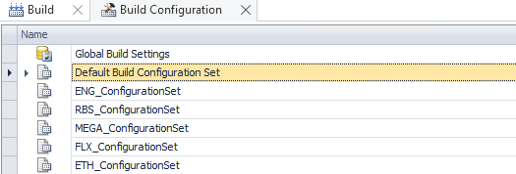 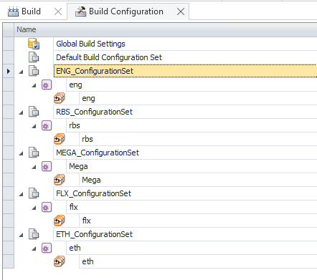 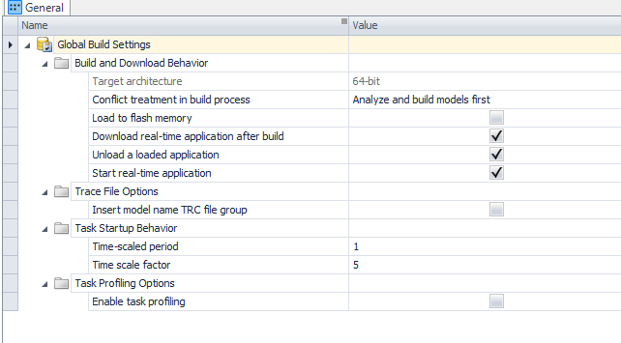
check_conflicts( CFD.Data.myHomePath, myProject.Application ) | for c = reshape(conflCategories,1,[]) Name:Abort build FieldName:Abort_build FileName"Abort_build.csv xmlTemporaryFile = D:\BMW_GIT\IPM_HIL_Pxx\work\Anwendung\PTH_B2_TEE12_BBG21_IPF_C01_IPB_C0_SP2025_NA5BEV_25KW33_ECAT_PST_SYS_SX\Conflicts\Abort_build.xml conflict = {File: D:\BMW_GIT\IPM_HIL_Pxx\work\Anwendung\PTH_B2_TEE12_BBG21_IPF_C01_IPB_C0_SP2025_NA5BEV_25KW33_ECAT_PST_SYS_SX\Conflicts\Abort_build.csv nConlficts: Conflicts:} obj.ActAppl.Algorithms.ExportConflictsToXML( xmlTemporaryFile, {''}, c.Name ) Abort_build.xml [ nConflicts, conflicts ] = parseConflicts( xmlTemporaryFile, conflict.File, ';', '-escape') nConflicts == 10 conflicts: table | 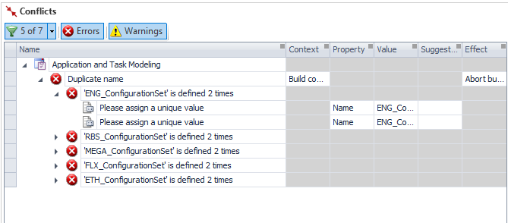 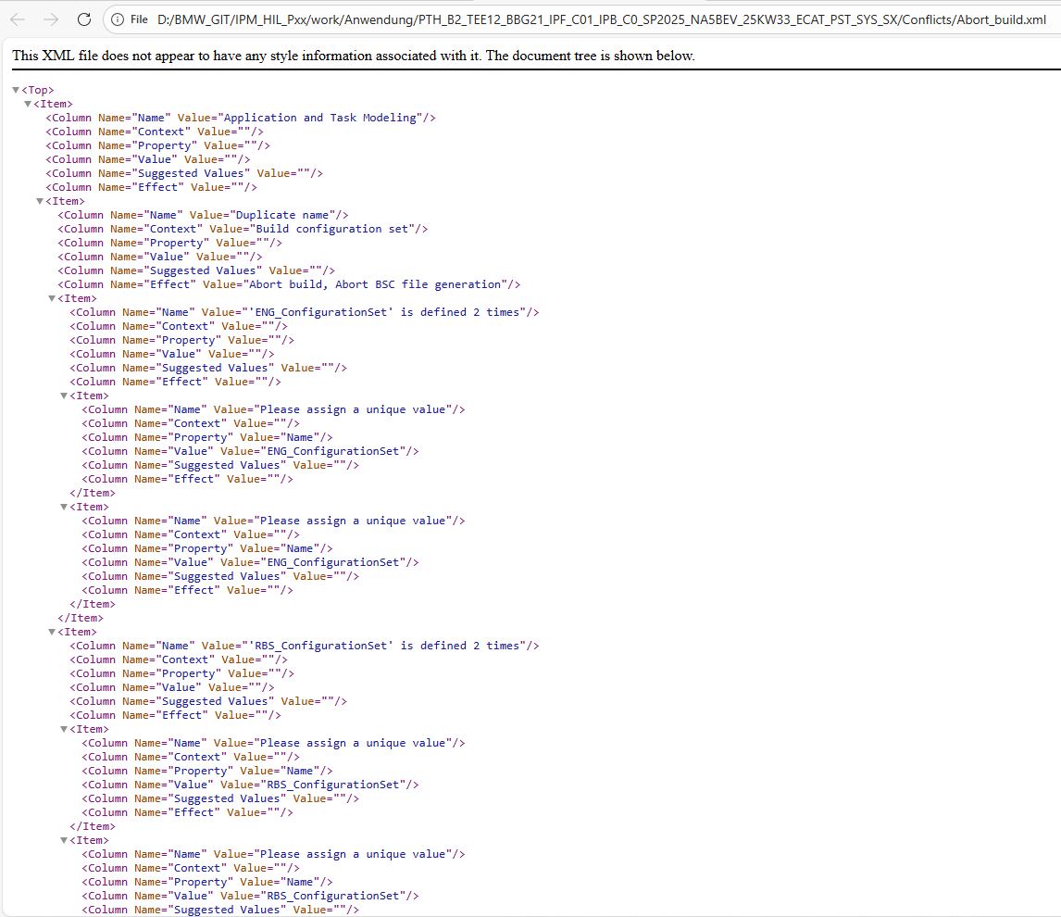 |  | Parent_1 Parent_2 Name Property Value Possible_Values ___________________________________ ____________________ ________________________________________________ __________________________________ __________ ___________________________ {'"Application and Task Modeling"'} {'"Duplicate name"'} {'"'ENG_ConfigurationSet' is defined 2 times"' } {'"Please assign a unique value"'} {'"Name"'} {'"ENG_ConfigurationSet"' } {'"Application and Task Modeling"'} {'"Duplicate name"'} {'"'ENG_ConfigurationSet' is defined 2 times"' } {'"Please assign a unique value"'} {'"Name"'} {'"ENG_ConfigurationSet"' } {'"Application and Task Modeling"'} {'"Duplicate name"'} {'"'RBS_ConfigurationSet' is defined 2 times"' } {'"Please assign a unique value"'} {'"Name"'} {'"RBS_ConfigurationSet"' } {'"Application and Task Modeling"'} {'"Duplicate name"'} {'"'RBS_ConfigurationSet' is defined 2 times"' } {'"Please assign a unique value"'} {'"Name"'} {'"RBS_ConfigurationSet"' } {'"Application and Task Modeling"'} {'"Duplicate name"'} {'"'MEGA_ConfigurationSet' is defined 2 times"'} {'"Please assign a unique value"'} {'"Name"'} {'"MEGA_ConfigurationSet"'} {'"Application and Task Modeling"'} {'"Duplicate name"'} {'"'MEGA_ConfigurationSet' is defined 2 times"'} {'"Please assign a unique value"'} {'"Name"'} {'"MEGA_ConfigurationSet"'} {'"Application and Task Modeling"'} {'"Duplicate name"'} {'"'FLX_ConfigurationSet' is defined 2 times"' } {'"Please assign a unique value"'} {'"Name"'} {'"FLX_ConfigurationSet"' } {'"Application and Task Modeling"'} {'"Duplicate name"'} {'"'FLX_ConfigurationSet' is defined 2 times"' } {'"Please assign a unique value"'} {'"Name"'} {'"FLX_ConfigurationSet"'
BuildModel( flagCfdBuildLog, LogFileMsg ) | msgContainer = dsmips_configurationdesk('StartBuild')

