UserCode_Csm_InitKey
TransmitKeys(SimStruct *S) _____________________________________________________________ InputUInt32PtrsType inEncryptKeyIdsPtr = \ (InputUInt32PtrsType)ssGetInputPortSignalPtrs(S, I_ENCRYPT_KEY_IDS_PORT_ID); InputUInt8PtrsType inEncryptKeyStringsPtr = \ (InputUInt8PtrsType)ssGetInputPortSignalPtrs(S, I_ENCRYPT_KEY_STRINGS_PORT_ID); InitKeysStruct() for (iChar = 0; iChar < MAX_KEY_STRING_LENGTH; iChar++) encryptKeyString[iChar] = (char)(*inEncryptKeyStringsPtr[iRow + iChar * NUMBER_KEYS]); encryptKeyId = (int)(*inEncryptKeyIdsPtr[iRow]); SetKey(encryptKeyId, encryptKeyString); | #define I_CONFIRM_KEY_TRANSMISSION_PORT_ID 0 #define I_ENCRYPT_KEY_IDS_PORT_ID 1 #define I_ENCRYPT_KEY_STRINGS_PORT_ID 2 #define I_GLOBAL_ENABLE_RX_MAC_VERIFICATION_PORT_ID 3 #define I_DEBUG_SKIP_ON_PDU_FEATURE_EXEC_PORT_ID 4 #define I_DEBUG_ALWAYS_RETURN_RX_VERIFCATION_SUCCESS_PORT_ID 5 #define I_BIT_COUNTING_POLICY_MONTONE_ID 6 #define I_DATA_KEY_ID_PAIRS_DATA_ID 7 #define I_DATA_KEY_ID_PAIRS_KEY_ID 8 uint32 keyId; char keyAsString[MAX_KEY_STRING_LENGTH]; unsigned int keyIsSet; } KeyProperties; | 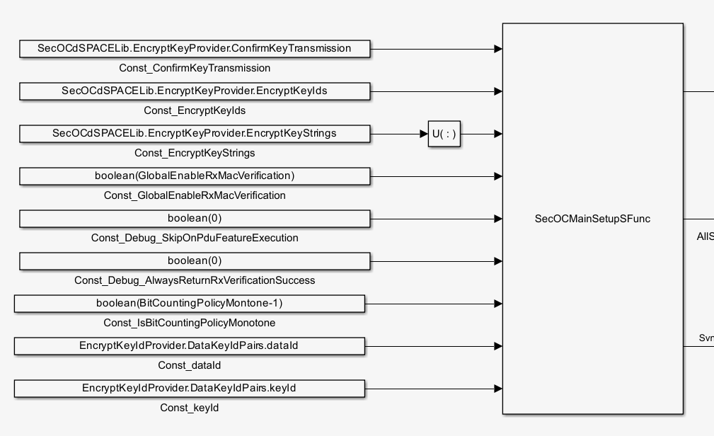 | <key keyID="1">3152FC49CF515C187782D7EEB100B18E</key> <key keyID="2">0BB884DAC7B84EA4C284D768AFDCC4C7</key> <key keyID="3">00A270BD3B2D09BF9B9BA52F895095EE</key> <key keyID="4">D873C3B33DC642AB960AE01AE655EC22</key> <key keyID="5">0009CD997E611B966AD38F95A4C8531C</key> <key keyID="6">07CA047246FB3ABD47A4F9B4E08A5477</key> <key keyID="7">0ED52DF8ED85EE359B8F1FD821311490</key> <key keyID="8">06705EFA516B6611E0AE5B7D4ABD47EF</key> <key keyID="9">9885FD8FDD0E395CDE53F197B00B66E3</key> <key keyID="10">97A77606B8F0C00C6853406380EE46C8</key> <key keyID="11">7F47471EA2A59FE4530A382653FFB3EE</key> <key keyID="12">DCD1781EA2DA4E29B6D9CF2A4C036D0A</key> <key keyID="13">1467C1427143D4726555C7F9C4109AAF</key> <key keyID="14">577DC1EF4F30C7FDB9BC5403DA3DA53D</key> <key keyID="15">5DF432E866B06DB0F625D2936D94EFB3</key> <key keyID="16">0A6B8EF42A8F33FFF9A96652E8C22F09</key> <key keyID="17">00E56DEFECFDF2B078B24874730A4D2C</key> <key keyID="18">F5D76E02717C5A6963BA4EDA69365120</key> <key keyID="19">8E74E32F27FACC867A7130C2E6E7BC11</key> <key keyID="20">4104802C5CFC447F108D76506E564C8B</key> <key keyID="21">0FFCE2DA74458B08388E4B87AA69F7C3</key> <key keyID="22">AFDC889956D9B753B76D8B217A58F8F6</key> <key keyID="23">6ACC18128BB0C7D8D21A1F2249CDCA66</key> <key keyID="24">759826FC3D22DD3BA69965C0CF4355C8</key> <key keyID="25">098A3B7A43545CB6BBEBAC2A65A64BD2</key> <key keyID="26">00D8FC4F55CAFFB139D8C56FF3BC2B56</key> <key keyID="144">82FEA86D2302352868FD21BD6C48DC1D</key> <key keyID="28">0915A7E7A494375509060745751CD2F1</key> <key keyID="29">22884D4A468A71F1A04D90618381F3F6</key> <key keyID="30">CE6AB6CFCAACAE652B323B15D1B58E38</key> <key keyID="31">006343EB0C8FBFCEEBC5D81528502D22</key> <key keyID="32">599CCF8DEBD836C7B96DC86D31243F53</key> <key keyID="33">4E27775CED1460F5218B1548CDDCC400</key> <key keyID="34">0E1E5355FF078EE94A72FA1D97061CBD</key> <key keyID="35">04FCBB76251789096832C9E6A3F5C29F</key> <key keyID="36">018EDFB66FBF87CDC8B6DED78076B06A
CsmInitKeysForAllSecOCMsgs _____________________________________________________________ for (unsigned int i = 0; i < filteredSecOCMsgs->itemCount; i++) { pduFeatData = (UserCode_FeatureData *)GetById(filteredSecOCMsgs, i); UserCode_Csm_InitKey(pduFeatData); } _________________________________ uint32 keyId = pduProps->SecuredIPdu_KeyId char *keyAsString = GetKeyAsString(keyId) UserCode_ConvertHexInStringToInt(keyAsString, &keyPtr, &keyLength)) DsBusCustomCodeSecOCPduFeature_setKeyPtr(pduFeatureHandle, keyPtr)); DsBusCustomCodeSecOCPduFeature_setKeyLength(pduFeatureHandle, keyLength)); UserCode_Csm_KeyElementSet(pduFeatData->CsmJobHandle, keyId, keyPtr, keyLength)); _________________________________ Ds_CMAC_Init(keyPtr, CsmJobHandle->CTX_Handle); | keyValue keyLength pduFeatureHandle.SecOCPduFeature.KeyPtr = KeyPtr pduFeatureHandle.SecOCPduFeature.KeyPtr = KeyLength CsmJobHandle.Crypto_Job->jobPrimitiveInfo->cryIfKeyId = keyId

