xvv
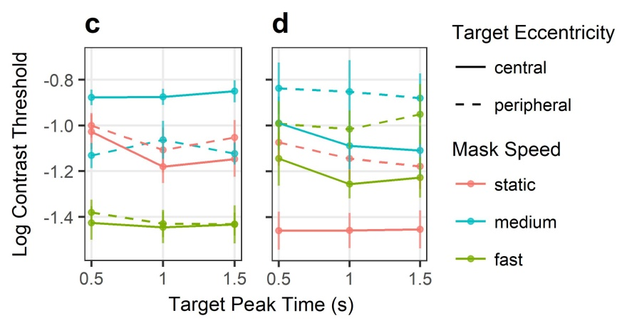
 | estm | se | df | tVal | pVal | star
(Intercept) | -1.042 | 0.059 | 14.884 | -17.569 | 0 | ***
dom | 0.033 | 0.049 | 6.988 | 0.673 | 0.523
stairStart | 0.021 | 0.009 | 266.087 | 2.385 | 0.018 | *
sess | 0 | 0.015 | 265.435 | 0.001 | 0.999
maskTypeslow | 0.178 | 0.049 | 266.087 | 3.641 | 0.000 | ***
maskTypefast | -0.373 | 0.049 | 266.087 | -7.652 | 0.000 | ***
targTpeak_c | -0.119 | 0.053 | 266.087 | -2.232 | 0.026 | *
targEcc_c | 0.002 | 0.049 | 266.942 | 0.044 | 0.965
maskTypeslow:targTpeak_c | 0.146 | 0.076 | 266.087 | 1.93 | 0.055 | .
maskTypefast:targTpeak_c | 0.112 | 0.076 | 266.087 | 1.489 | 0.138
maskTypeslow:targEcc_c | -0.261 | 0.069 | 266.087 | -3.78 | 0.000 | ***
maskTypefast:targEcc_c | 0.012 | 0.069 | 266.087 | 0.175 | 0.861
targTpeak_c:targEcc_c | 0.066 | 0.076 | 266.087 | 0.875 | 0.382
maskTypeslow:targTpeak_c:targEcc_c | -0.084 | 0.107 | 266.087 | -0.789 | 0.431
maskTypefast:targTpeak_c:targEcc_c | -0.111 | 0.107 | 266.087 | -1.038 | 0.300

maskV
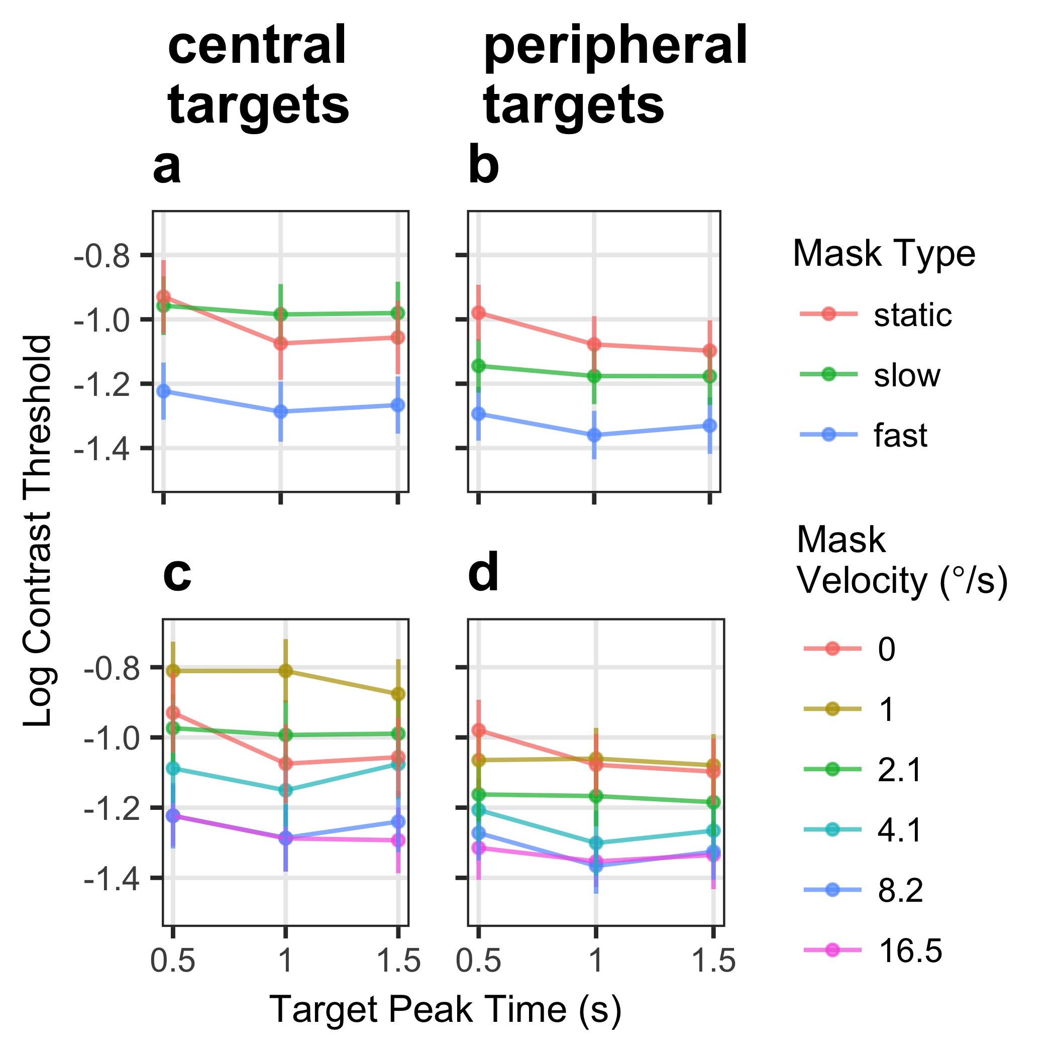
 | estm | se | df | tVal | pVal | star
(Intercept) | -0.853 | 0.153 | 18.935 | -5.574 | 0 | ***
dom | -0.106 | 0.174 | 17.076 | -0.612 | 0.548
stairStart | 0.023 | 0.007 | 544.073 | 3.277 | 0.001 | ***
sess | -0.005 | 0.016 | 546.486 | -0.326 | 0.744
maskTypeslow | 0.157 | 0.039 | 544.073 | 4.026 | 0 | ***
maskTypefast | -0.276 | 0.039 | 544.073 | -7.059 | 0 | ***
targTpeak_c | -0.127 | 0.043 | 544.073 | -2.956 | 0.003 | **
targEcc_c | -0.028 | 0.04 | 544.651 | -0.704 | 0.482
maskTypeslow:targTpeak_c | 0.061 | 0.061 | 544.073 | 1.006 | 0.315
maskTypefast:targTpeak_c | 0.056 | 0.061 | 544.073 | 0.933 | 0.351
maskTypeslow:targEcc_c | -0.226 | 0.055 | 544.073 | -4.082 | 0 | ***
maskTypefast:targEcc_c | -0.056 | 0.055 | 544.073 | -1.009 | 0.313
targTpeak_c:targEcc_c | 0.008 | 0.061 | 544.073 | 0.139 | 0.89
maskTypeslow:targTpeak_c:targEcc_c | 0.043 | 0.086 | 544.073 | 0.496 | 0.62
maskTypefast:targTpeak_c:targEcc_c | 0.041 | 0.086 | 544.073 | 0.484 | 0.628

