K17
original calculation
 |  | <-----Stake Reading-------> |  |  |  | <-----------Snow or New Firn Depth-------------> |  |  |  |  | Summer Surf. | <-----Old Firn and Ice Losses------> |  |  | <-----------NFirn, SIce or Snow Amounts----------------> |  |  |  | Seasonal | Annual
Stake | Date | Tape | Survey |  | Strata | Pit | Probe | Average | s.d. | n | Obsvd. | Density | Stake | Ice | Depth | Density | Estimated | "Snow" | Balance | Balance
Name |  | b' | b* | b** |  | d | d | d |  |  | b'ss | r | b'(i) | ba(i) | d | r | or | bn(f) | bw or bs | bn
 | m/d/y | m | m | m |  | m | m | m | m |  | m | kg/L | m(w) | m(w) | m | kg/L | Measured | m(w) | m(w) | m(w)
91-K17 | 1991-08-29 | 5.67 |  |  | NFirn |  |  |  |  |  | 4.20 | 0.60 | 2.52 | 0.00 | 1.47 | 0.55 | Estimated | 0.77 | -0.46 | 0.77
91-K17 | 1992-05-23 | 8.06 | 8.06 | 8.06 | Snow |  | 2.31 | 2.31 | 0.03 | 1 | 5.75 | 0.60 | 3.45 | 0.00 | 2.39 | 0.48 | Estimated | 1.15 | 1.15
91-K17 | 1992-08-26 | 4.91 | 4.90 | 4.89 | OFirn |  |  |  |  | 1 | 4.77 | 0.60 | 2.86 | -0.59 | 0.00 |  |  | 0.00 | -1.74 | -0.59

new calculation
 |  | <-----Stake Reading-------> |  |  |  | <-----------Snow or New Firn Depth-------------> |  |  |  |  |  |  | Ablation |  |  | Accumulation |  |  | Balances
Stake | Date | Total | Above Surface | Below Surface | Strata | At Stake |  | Average |  |  | Previous summer surface | Density | Stake Length Change |  | Depth | Density | Estimated or Measured |  | bs | bw | ba | Winter Ablation | Summer Accumulation | Comments
Name |  |  |  |  |  |  |  |  |  |  |  |  | (fall to fall) |  | d | r
 | m/d/y | m | m | m |  | m |  | m |  |  | m | g/cm^3 | m |  | m | kg/L |  |  | m w.e. | m w.e. | m w.e. | m w.e. | m w.e.
91-K17 | 1991-08-29 |  |  | 5.67 | new firn |  |  |  |  |  | 4.20 |  |  |  | 1.47 | 0.5 |  |  |  |  |  |  | 0.0025
91-K17 | 1992-05-23 | 9 | 0.94 | 8.06 | Snow | 2.31 |  |  |  |  | 5.75 |  |  |  | 2.31 | 0.4 |  |  |  | 0.92 |  | NA
91-K17 | 1992-08-26 |  |  | 4.91 | old firn |  |  |  |  |  | 5.67 |  | -0.76 |  | -0.76 | 0.6 |  |  | -1.38 |  | -0.46
 | 1992-08-26 |  |  |  | new snow | 0.06 |  |  |  |  |  |  |  |  |  | 0.25 |  |  |  |  |  |  | 0.02

Old calculation:
bw - snow depth of 2.39 m, estimated density (from depth) of 0.48.
ba - change along whole stake, at assumed density of 0.6. See column N. For the observed summer surface of 4.77, it is unclear where that number came from. The cell contains "=4.83-0.06", which implies there may have been 6 cm of fresh snow on the surface (which would be subtracted out). But, where did the 4.83 come from? The stake reading was 4,91, and their attempt at lean calculation gave them 4.89. So from whence 4.83 (and then 4.77)? A mystery.
bs - residual
New calculation:
bw: depth of 2.31, assumed density of 0.4
ba: Change from fall 1991 to fall 1992 of -0.76 m surface. Density of old firn of 0.6 assumed.
bs: residual
winter ablation: could not calculate; winter probing did not reach true ice (likely hit ice lens).
summer accumulation: not reported; however some suggestion there may be 0.06 m new snow on glacier, based on #s entered into observed summer surface cell "=4.83-0.06",.

SUMMARY: |  | Time-systems |  | Time 1 |  | Time 2 |  | Time 3
 |  | stratigraphic | Measurement Interval: | 08/29/1991 |  | 05/23/1992 | : | 1992-08-26
 | Winter Balance = | 0.92
 | Summer Balance = | -1.38
 | Annual Balance = | -0.46
 | previous summer accumulation= | 0.00
 | Winter Ablation= | NA
 | Summer Accumulation= | 0.02

K29
original calculation |  |  | this is taken from Larry Mayo's 2001 "Manual for monitoring glaciers at Denali National Park'
 |  | <-----Stake Reading-------> |  |  |  | <-----------Snow or New Firn Depth-------------> |  |  |  |  | Summer Surf. | <-----Old Firn and Ice Losses------> |  |  | <-----------NFirn, SIce or Snow Amounts----------------> |  |  |  | Seasonal | Annual
Stake | Date | Tape | Survey |  | Strata | Pit | Probe | Average | s.d. | n | Obsvd. | Density | Stake | Ice | Depth | Density | Estimated | "Snow" | Balance | Balance
Name |  | b' | b* | b** |  | d | d | d |  |  | b'ss | r | b'(i) | ba(i) | d | r | or | bn(f) | bw or bs | bn
 | m/d/y | m | m | m |  | m | m | m | m |  | m | kg/L | m(w) | m(w) | m | kg/L | Measured | m(w) | m(w) | m(w)
92-K29 | 1992-05-23 | 5.88 |  |  | Snow |  | 2.07 |  |  |  | 3.81 |  |  |  |  | 0.47 | Estimate |  | 0.97
92-K29 | 1992-08-26 |  |  |  |  |  |  |  |  |  |  |  |  |  |  |  |  |  | -1.22

new calculation
 |  | <-----Stake Reading-------> |  |  |  | <-----------Snow or New Firn Depth-------------> |  |  |  |  |  |  | Ablation |  |  | Accumulation |  |  | Balances
Stake | Date | Total | Above Surface | Below Surface | Strata | At Stake |  | Average |  |  | Previous summer surface | Density | Stake Length Change |  | Depth | Density | Estimated or Measured |  | bs | bw | ba | Winter Ablation | Summer Accumulation | Comments
Name |  |  |  |  |  |  |  |  |  |  |  |  | (fall to fall) |  | d | r
 | m/d/y | m | m | m |  | m |  | m |  |  | m | g/cm^3 | m |  | m | kg/L |  |  | m w.e. | m w.e. | m w.e. | m w.e. | m w.e.
92-K29 | 1992-05-23 | 6 | 0.12 | 5.88 | Snow | not available |  | 2.07 |  |  | 3.81 |  |  |  |  | 0.4 | Estimate |  |  | 0.83 |  |  |  | field notes for spring visit, but none for fall
92-K29 | 1992-08-26 |  |  | 2.46 | Ice |  |  |  |  |  | 3.81 | 0.9 | -1.35 |  |  |  |  |  | -2.05 |  | -1.22
92-K29 | 1992-08-26 |  |  | 2.58 | Slush | 0.12 |  | 0.15 |  |  |  |  |  |  | 0.15 | 0.7 | Estimate |  |  |  |  |  | 0.11

Old calculation:
-uses 0.47 for winter snow density (estimate; no explanation, though field notes indicate they checked density at Gulkana)
Otherwise, identical.
This is created from L. Mayo field notes (for spring visit), and from 2001 report (for fall visit; no field notes).
SUMMARY: |  | Time-systems |  | Time 1 |  | Time 2 |  | Time 3
 |  | stratigraphic | Measurement Interval: | fall 1991 |  | 05/23/1992 | : | 1992-08-26
 | Winter Balance = | 0.83
 | Summer Balance = | -2.05
 | Annual Balance = | -1.22
 | previous summer accumulation= | NA
 | Winter Ablation= | NA
 | Summer Accumulation= | NA

Probe91-K17_1992.05.23
Glacier: | Kahiltna |  |  |  |  | Total Core Depth(m): | NA
Location: | K17 |  |  |  |  | Depth of Previous Year's Summer Surface (m): | 2.31
Date: | 1992-05-23 |  |  |  |  | Average Snow Depth (m): | 2.31
Notebook: | Mayo 1992b- Kahiltna glacier field notes.pdf |  |  |  |  | Bulk Density (g/cm^3): | #DIV/0!
Sampler Type | NA

 |  |  |  |  |  | Additional Snow Depth Measurements |  | Hobo Temperature Sensors Recovered |  |  | Density Usability Assessment

Depth of Snow Sampled | Recovered Core Length | Sample Weight | Cutter Weight | Density | Comments | Type of measurement | Snow Depth | Logger Number | Action | Time | Density Coverage
in | in | in w.e. | in w.e. | g/cm^3 |  |  | (cm) |  |  | AK local time | fraction
NO density measurements |  |  |  |  |  | Probe to plywood at stake | 231 | NA |  |  | NA

Sum total of non- survey related information from Mayo 1992 field notes.

GPS
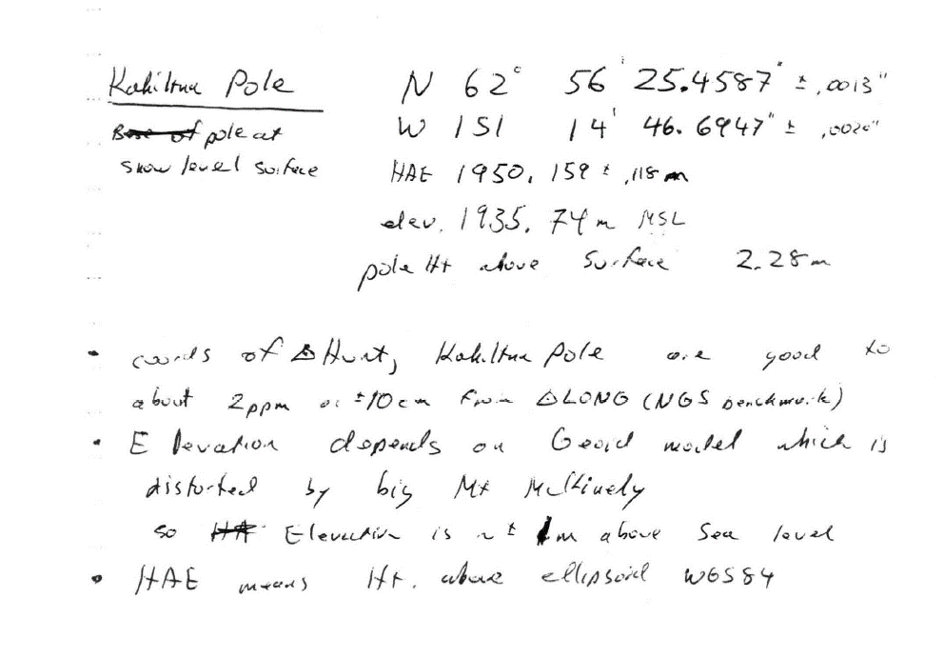

Coordinates for K-17 stake, in 1992 (spring or fall visit is unclear). From "Mayo 1992b- Kahiltna glacier results.pdf"

