K17
original calculation
 |  | <-----Stake Reading-------> |  |  |  | <-----------Snow or New Firn Depth-------------> |  |  |  |  | Summer Surf. | <-----Old Firn and Ice Losses------> |  |  | <-----------NFirn, SIce or Snow Amounts----------------> |  |  |  | Seasonal | Annual
Stake | Date | Tape | Survey |  | Strata | Pit | Probe | Average | s.d. | n | Obsvd. | Density | Stake | Ice | Depth | Density | Estimated | "Snow" | Balance | Balance
Name |  | b' | b* | b** |  | d | d | d |  |  | b'ss | r | b'(i) | ba(i) | d | r | or | bn(f) | bw or bs | bn
 | m/d/y | m | m | m |  | m | m | m | m |  | m | kg/L | m(w) | m(w) | m | kg/L | Measured | m(w) | m(w) | m(w)
95-K17 | 1995-08-28 | 6.35 | 6.34 | 6.33 | OFirn |  |  |  |  |  | 6.33 | 0.60 | 3.80 | -0.41 | 0.00 |  |  | 0.00
95-K17 | 1996-05-29 | 8.61 | 8.57 | 8.57 | Snow |  |  |  |  |  | 6.33 | 0.60 | 3.80 | 0.00 | 2.24 | 0.47 | Estimated | 1.05 | 1.05
96-K17 | 1996-05-29 | 7.50 | 7.51 | 7.49 | Snow |  | 1.90 | 1.90 | 0.05 | 2 | 5.59 | 0.60 | 3.35 | 0.00 | 1.90 | 0.46 | Estimated | 0.87
95-K17 | 1996-08-27 | 7.44 | 7.43 | 7.42 | NFirn |  |  |  |  |  | 6.33 | 0.60 | 3.80 | 0.00 | 1.09 | 0.56 | Estimated | 0.58 | -0.52 | 0.53
96-K17 | 1996-08-27 | 6.73 | 6.71 | 6.69 | NFirn |  |  |  |  |  | 5.59 | 0.60 | 3.35 | 0.00 | 0.58 | 0.56 | Estimated | 0.31

new calculation
 |  | <-----Stake Reading-------> |  |  |  | <-----------Snow or New Firn Depth-------------> |  |  |  |  |  |  | Ablation |  |  | Accumulation |  |  | Balances
Stake | Date | Total | Above Surface | Below Surface | Strata | At Stake |  | Average |  |  | Previous summer surface | Density | Stake Length Change |  | Depth | Density | Estimated or Measured |  | bs | bw | ba | Winter Ablation | Summer Accumulation | Comments
Name |  |  |  |  |  |  |  |  |  |  |  |  | (fall to fall) |  | d | r
 | m/d/y | m | m | m |  | m |  | m |  |  | m | g/cm^3 | m |  | m | kg/L |  |  | m w.e. | m w.e. | m w.e. | m w.e. | m w.e.
95-K17 | 1995-08-28 |  |  | 6.35 | old firn |  |  |  |  |  |  | 0.6 | -0.69 |  |  |  |  |  |  |  |  |  | 0.13
95-K17 | 1996-05-29 |  |  | 8.61 | snow |  |  |  |  |  | 6.35 |  |  |  | 2.26 | 0.4 |  |  |  | 0.90 |  | NA (no probed snow depth) |  | snow depth only from stake measurement
95-K17 | 1996-08-27 |  |  | 7.44 | new firn |  |  |  |  |  |  |  |  |  | 1.09 | 0.5 | Estimated |  | -0.36 |  | 0.55

96-K17 | 1996-05-29 |  |  | 7.5 | snow | 1.9 |  |  |  |  | 5.6 |  |  |  | 1.90 | 0.4 |  |  |  | 0.76
96-K17 | 1996-08-27 |  |  | 6.73 | new firn | NA |  |  |  |  |  |  | 1.13 |  | 1.13 | 0.5 |  |  | -0.19 |  | 0.57
96-K17 | 1996-08-27 |  |  |  | new snow | 0.52 |  |  |  |  |  |  |  |  | 0.52 | 0.25 |  |  |  |  |  |  | 0.13

95-K17
Old calculation:
bw - depth of 2.24, density estimated at 0.46. Depth impacted by bend-adjustment calculations (? unclear), and density esimated with unknown formula via depth.
ba - sum of witner and summer
bs - calculated change from winter visit to summer, using a single buk density of 0.56 for the total snow depth lost. Not sure why 0.56 density assumption m ade for full depth of winter snowpack. Also, the 7% capilary retention assumption was used in this calculation; out of the norm for any prior calculations. Does not match other calculations.
New calculation:
bw - product of snow depth (measured on stake; 2.26) and assumed bulk density in spring of 0.4.
ba - Not able to get at winter ablation, using summer surface as observed fall 1995, and observed in fall 1996; depth of 1.09m new firn.
bs - residual
96-K17
Old calculation:
bw - depth of 1.90, density estimated at 0.46. Depth impacted by bend-adjustment calculations (? unclear), and density esimated with unknown formula via depth. HOWEVER< there is also a note that this balance is NOT USED. It does not say why NOT...
ba - sum of witner and summer
bs - calculated change from winter visit to summer, using a single buk density of 0.56 for the total snow depth lost. Not sure why 0.56 density assumption m ade for full depth of winter snowpack. Also, the 7% capilary retention assumption was used in this calculation; out of the norm for any prior calculations.
New calculation:
bw - product of snow depth (1.90) and assumed bulk density of 0.4
ba -
bs -
summer accumulation: formula subtracts 0.52m from measurements in row 9 in original calculation; assuming this means snow depth. There is a comment that there are 56 cm of snow. This is a discrepancy of 4 cm... choosing to go with # in formula, and assume that this is a data entry error.
SUMMARY: |  | Time-systems |  | Time 1 |  | Time 2 |  | Time 3
 |  | stratigraphic | Measurement Interval: | 08/28/1995 |  | 05/29/1996 | : | 1996-08-27
 | Winter Balance = | 0.83 | NA
 | Summer Balance = | -0.28
 | Annual Balance = | 0.56
 | previous summer accumulation= | 0.13
 | Winter Ablation= | NA (no probed snow depth)
 | Summer Accumulation= | 0.13

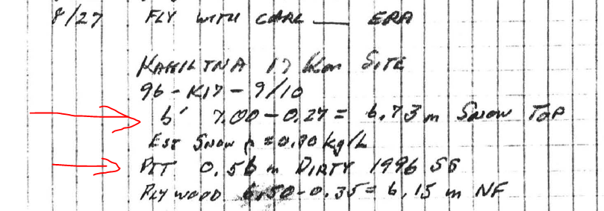
From "Mayo1996.pdf" field notes
I am not able to interpret these in association with the data in the table above... so ignoring.

