K17
original calculation
 |  | <-----Stake Reading-------> |  |  |  | <-----------Snow or New Firn Depth-------------> |  |  |  |  | Summer Surf. | <-----Old Firn and Ice Losses------> |  |  | <-----------NFirn, SIce or Snow Amounts----------------> |  |  |  | Seasonal | Annual
Stake | Date | Tape | Survey |  | Strata | Pit | Probe | Average | s.d. | n | Obsvd. | Density | Stake | Ice | Depth | Density | Estimated | "Snow" | Balance | Balance
Name |  | b' | b* | b** |  | d | d | d |  |  | b'ss | r | b'(i) | ba(i) | d | r | or | bn(f) | bw or bs | bn
 | m/d/y | m | m | m |  | m | m | m | m |  | m | kg/L | m(w) | m(w) | m | kg/L | Measured | m(w) | m(w) | m(w)
96-K17 | 1997-09-02 | 6.04 | 6.04 | 6.04 | NFirn |  |  |  |  |  | 5.59 | 0.60 | 3.35 | -0.35 | 0.00 |  |  | 0.00
96-K17 | 1998-06-18 | 7.96 | 8.00 | 7.96 | Snow |  | 2.52 | 2.52 | 0.05 | 10 | 5.74 | 0.60 | 3.44 | 0.00 | 2.22 | 0.48 | Estimated | 1.07 | 1.07
98-K17 | 1998-06-18 | 7.79 | 8.04 | 7.91 | Snow |  |  |  |  |  | 5.69 | 0.60 | 3.41 | 0.00 | 2.22 | 0.48 | Estimated | 1.07
98-K17 | 1998-08-28 | 7.89 | 7.89 | 7.79 | Nfirn |  |  |  |  |  | 6.15 | 0.60 | 3.69 | 0.00 | 1.64 | 0.50 | Estimated | 0.77 | -0.30 | 0.77

new calculation
 |  | <-----Stake Reading-------> |  |  |  | <-----------Snow or New Firn Depth-------------> |  |  |  |  |  |  | Ablation |  |  | Accumulation |  |  | Balances
Stake | Date | Total | Above Surface | Below Surface | Strata | At Stake |  | Average |  |  | Previous summer surface | Density | Stake Length Change |  | Depth | Density | Estimated or Measured |  | bs | bw | ba | Winter Ablation | Summer Accumulation | Comments
Name |  |  |  |  |  |  |  |  |  |  |  |  | (fall to fall) |  | d | r
 | m/d/y | m | m | m |  | m |  | m |  |  | m | g/cm^3 | m |  | m | kg/L |  |  | m w.e. | m w.e. | m w.e. | m w.e. | m w.e.
96-K17 | 1997-09-02 |  |  | 6.04 | old firn |  |  |  |  |  |  | 0.6 | -0.19 |  |  |  |  |  |  |  |  |  | 0 | summer accumulation is uncertain; likely no snow on glacier during fall visit, but somewhat uncertain
96-K17 | 1998-06-18 | 9 | 1.04 | 7.96 | snow |  |  | 2.52 |  |  | 5.44 | 0.6 | -0.60 |  | 2.52 | 0.4 |  |  |  | 1.01 |  | -0.36
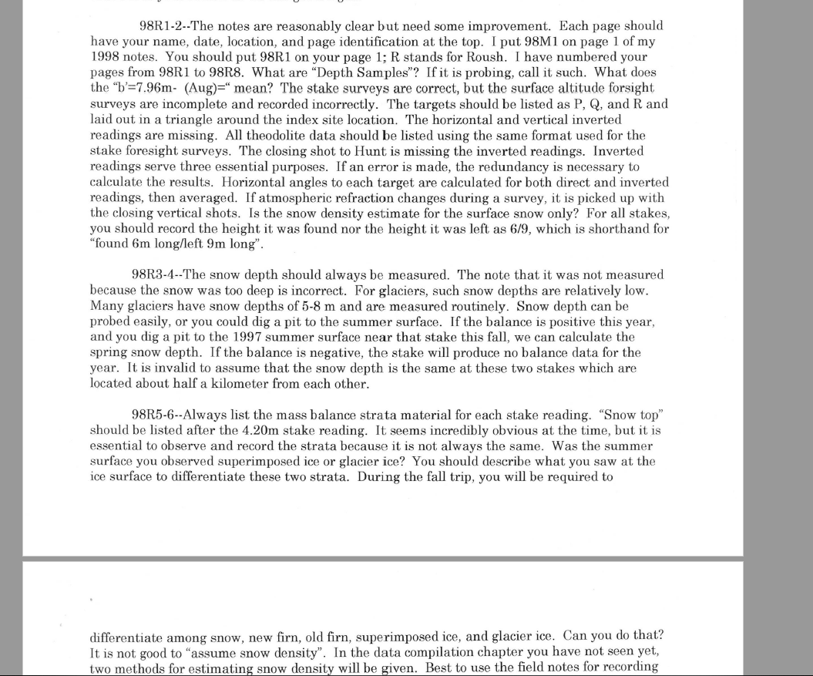
Spring Visit Data Quality: (no field notes found for fall visit)
Many critical notes from Larry Mayo about Jamie Rousch's spring field visit.J. Rousch's field notes are no longer available (can't find anywhere in NPS archive). Most notable (related to mass balance vs. surveying). Screenshot below is from Mayo 1998b - June surveys.pdf
98-K17 | 1998-06-18 | 9 | 1.01 | 7.99 | snow |  |  |  |  |  | 6.15 |  |  |  |  |  |  |  |  | 1.01 |  |  |  | snow depth "too deep to measure", using depth from probes at 96-K17. Using data here from L. Mayo interpretation of J. Rousche field data (in 06_98.xls file)
98-K17 | 1998-08-28 | 9 | 1.11 | 7.35 | new firn? |  |  |  |  |  | 6.15 |  |  |  | 1.20 | 0.5 |  |  | -0.41 |  | 0.60
98-K17 | 1998-08-28 |  |  |  | new snow | 0.54 |  |  |  |  |  |  |  |  | 0.54 | 0.25 |  |  |  |  |  |  | 0.14

96-K17
Old calculation:
bw - snow depth of 2.22 (they use this instead of 2.52 as measured with probe, based on the difference between probed snow depth and the "corrected" stake reading ... very convoluted reasoning there)
ba - calculated in cell S9 FOR STAKE 98-K17!!!; product of new firn depth and assumed density as seen in fall 1998 visit, but with the 7% liquid water capilary retention assumption.
bs - difference between winter balance and new firn balance.
New calculation:
bw - product of probed snow depth and assumed bulk density for spring snowpack
ba - product of fall snow and assumed new firn density. Depth of snow in fall calculated from fall stake reading, and "previous summer surface" taken a-priori from the table above. There is no indication of where this came from, but it appears to be the best available information. Using summer surface 1997 via probed depth at 96-K17 stake gives a POSITIVE summer balance; likely in error.
bs - residual
summer accumulation: likely 0; no snow note on glacier surface in fall visit
winter ablation: calculated at 96-K17 stake only (this is location of probed snow depth; note that snow at 98-K18 was too deep to probe)
SUMMARY: |  | Time-systems |  | Time 1 |  | Time 2 |  | Time 3
 |  | stratigraphic | Measurement Interval: | 09/02/1997 |  | 06/18/1998 | : | 1998-08-28
 | Winter Balance = | 1.01 | 0.65
98-K17
Old calculation:
bw: identical to that at 96-K17
ba - calculated in cell S9 FOR STAKE 98-K17!!!; product of new firn depth and assumed density as seen in fall 1998 visit, but with the 7% liquid water capilary retention assumption.
bs - difference between winter balance and new firn balance.
New calculation:
bw - from 96-K17
ba - product of fall snow and assumed new firn density. Depth of snow in fall calculated from fall stake reading, and "previous summer surface" taken a-priori from the table above. There is no indication of where this came from, but it appears to be the best available information. Using summer surface 1997 via probed depth at 96-K17 stake gives a POSITIVE summer balance; likely in error.
bs - residual
summer accumulation: likely 0; no snow note on glacier surface in fall visit
winter ablation: calculated at 96-K17 stake only (this is location of probed snow depth; note that snow at 98-K18 was too deep to probe)
 | Summer Balance = | -0.41
 | Annual Balance = | 0.60
 | previous summer accumulation= | 0.00
 | Winter Ablation= | -0.36
 | Summer Accumulation= | 0.14

INCREASED UNCERTAINTY in 1998:
summer balance
annual balance
(see notes on balance calculation)

New calculation - notes
Spring field visit 1998:
Emily is using Larry Mayo's 1998 excel spreadsheet calculation of mass balance to guide interpretation of what the best spring mass balance measurements would be; this is K17_Index_1998_June.xls. The way it is phrased seems like this an edit/ interpretation of original raw field data provided by J. Rousch.

