K17
original calculation
 |  | <-----Stake Reading-------> |  |  |  | <-----------Snow or New Firn Depth-------------> |  |  |  |  | Summer Surf. | <-----Old Firn and Ice Losses------> |  |  | <-----------NFirn, SIce or Snow Amounts----------------> |  |  |  | Seasonal | Annual
Stake | Date | Tape | Survey |  | Strata | Pit | Probe | Average | s.d. | n | Obsvd. | Density | Stake | Ice | Depth | Density | Estimated | "Snow" | Balance | Balance
Name |  | b' | b* | b** |  | d | d | d |  |  | b'ss | r | b'(i) | ba(i) | d | r | or | bn(f) | bw or bs | bn
 | m/d/y | m | m | m |  | m | m | m | m |  | m | kg/L | m(w) | m(w) | m | kg/L | Measured | m(w) | m(w) | m(w)
98-K17 | 2000-08-01 | 9.18 |  |  |  |  |  |  |  |  | 9.18 | 0.60 |  |  | 2.93 | 0.60 | Estimated | 0.97 |  | 0.97
98-K17 | 2001-06-06 | 11.36 | 11.34 | 11.29 | Snow |  |  | 2.11 | 0.03 |  | 9.18 | 0.60 | 5.51 | 1.76 | 2.11 | 0.63 | Measured | 1.32 | 1.32
98-K17 | 2001-09-07 | WHY EMPTY :( | 9.18 | 9.17 | NFirn | 0.00 | 0.00 | 0.00 |  |  | 9.18 | 0.60 | 5.51 | 0.00 | 0.00 |  |  | 0.00 | -1.32 | 0.00

new calculation
 |  | <-----Stake Reading-------> |  |  |  | <-----------Snow or New Firn Depth-------------> |  |  |  |  |  |  | Ablation |  |  | Accumulation |  |  | Balances
Stake | Date | Total | Above Surface | Below Surface | Strata | At Stake |  | Average |  |  | Previous summer surface | Density | Stake Length Change |  | Depth | Density | Estimated or Measured |  | bs | bw | ba | Winter Ablation | Summer Accumulation | Comments
Name |  |  |  |  |  |  |  |  |  |  |  |  | (fall to fall) |  | d | r
 | m/d/y | m | m | m |  | m |  | m |  |  | m | g/cm^3 | m |  | m | kg/L |  |  | m w.e. | m w.e. | m w.e. | m w.e. | m w.e.
98-K17 | fall 2000 |  |  | 9.25 | new firn |  |  |  |  |  | 9.25 |  |  |  | 0 | 0.5 | Estimate |  | NA |  | 0 |  | NA
98-K17 | 2001-06-06 |  |  | 11.36 | snow |  |  | 2.11 |  |  | 9.25 |  |  |  | 2.11 | 0.4 | Estimate |  |  | 0.84
98-K17 | 2001-09-12 | 12.00 | 2.00 | 10.00 | new firn | not measured |  |  |  |  | 9.25 |  |  |  | 0.75 | 0.5 |  |  | -0.47 |  | 0.38
98-K17 | 2001-09-12 |  |  |  | new snow |  |  |  |  |  |  |  |  |  | 1.45 | 0.36 | Measured |  |  |  |  |  | 0.53

98-K17
Old calculation:
bw - product of snow depth of 2.11, and "measured" density of 0.63. There are no field notes for this density measurement, and it seems very high. Hmmm...
ba - Fall 2001 visit has no field notes. They note the fall surface being the exact same (9.18) as was probed in Spring 2000. While this certainly could be true, it seems suspiciously coincidental. There is no other information to go on [no field notes, other locations with stake balance calculation, however, so we take it to be correct.
bs - residual (aka negative of winter accumulation in order to get to 0 ba - zero. It seems they had problems entering the data and figuring out how to do the calculations for the 2001 balance year.
New calculation:
calculation from E. baker interpretation of "field notes" minimal data entry text file for database for only fall visit 2001 (none in files for spring visit).
bw - product of reported depth (but no field notes) of 2.11, and assumed bulk density for spring snowpack of 0.4
ba - Depth of 1.45, as determined from stake measurements and field "notes" data entry file for fall 2001 visit. Stake measurements were initially taken to the SNOW surface; had to remove the fall accumulation in order to get a stratigraphic ba.
bs - residual
summer accumulation: notes on snow depth and MEASURED density of 0.36, as taken with a federal sampler and recorded in the field notes.
winter ablation: NA; no fall 2000 field visit, and no good notes from spring 2001 field visit
Interpretation if one were to take the data in the "database" table copied above (old calculation) as better than the randon "field notes" text file; this is what I was thinking BEFORE I found it:
No measurements of new firn were taken in fall 2001. Though the surface was noted as "Nfirn", it appears the fall 2001 surface noted is EXACTLY the same height as was noted for 2000 fall surface. The annual balance and summer balance for 2001 should recieve extra scrutiny; while technically possible, this seems very unlikely.
No field notes for 2001 - they went all-in on the excel "database" during this period.
However, did locate one "database" input file, see field visit sheet in this Excel workbook. Unfortunately, not able to locate for spring 2001 visit.
SUMMARY: |  | Time-systems |  | Time 1 |  | Time 2 |  | Time 3
 |  | stratigraphic | Measurement Interval: | fall 2000 |  | 06/06/2001 | : | 2001-09-12
 | Winter Balance = | 0.84 | NA
 | Summer Balance = | -0.47
 | Annual Balance = | 0.38
 | previous summer accumulation= | NA
 | Winter Ablation= | NA
 | Summer Accumulation= | 0.53

FedSampCore98-K17_2001.09.12
Glacier: | Kahiltna |  |  |  |  | Total Core Depth(m): | 1.12 | * for the federal sampler, this is simply the depth of the deepest density measurement
Location: | K17 |  |  |  |  | Depth of Previous Year's Summer Surface (m):
Date: | 2001-09-12 |  |  |  |  | Average Snow Depth (m): | 1.45
Notebook: | Only field data copied below |  |  |  |  | Bulk Density (g/cm^3): | 0.36
Sampler Type | Federal Sampler

 |  |  |  |  |  | Additional Snow Depth Measurements |  |  | Hobo Temperature Sensors Recovered |  |  | Density Usability Assessment

Depth of Snow Sampled | Recovered Core Length | Sample Weight | Cutter Weight | Density | Comments | Type of measurement | Snow Depth |  | Logger Number | Action | Time | Density Coverage
in | in | in w.e. | in w.e. | g/cm^3 |  |  | (cm) |  |  |  | AK local time | fraction
44.00 | 44.00 | 28.00 | 12.00 | 0.36 |  | pit | 150 |  | none |  |  | 0.77
44.00 | 44.00 | 28.00 | 12.00 | 0.36 |  | probe | 140
44.00 | 44.00 | 28.00 | 12.00 | 0.36

Measurements here are for summer accumulation, not new firn! THIS IS ALL FOR SUMMER ACCUMULATION!!
This is not for the new firn which is the balance for 2001.
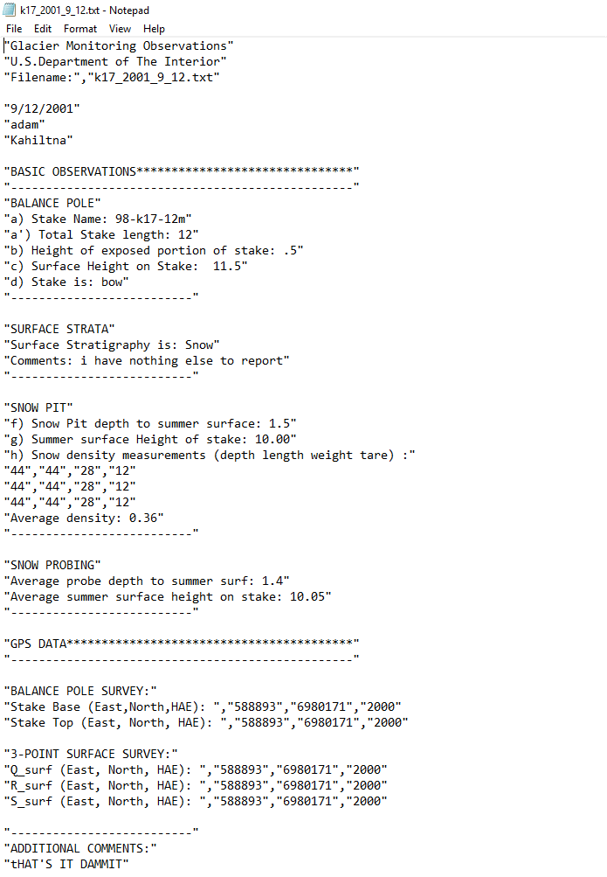
Field Data (this is all we have to go off of)

