K17
original calculation
 |  | <-----Stake Reading-------> |  |  |  | <-----------Snow or New Firn Depth-------------> |  |  |  |  | Summer Surf. | <-----Old Firn and Ice Losses------> |  |  | <-----------NFirn, SIce or Snow Amounts----------------> |  |  |  | Seasonal | Annual
Stake | Date | Tape | Survey |  | Strata | Pit | Probe | Average | s.d. | n | Obsvd. | Density | Stake | Ice | Depth | Density | Estimated | "Snow" | Balance | Balance
Name |  | b' | b* | b** |  | d | d | d |  |  | b'ss | r | b'(i) | ba(i) | d | r | or | bn(f) | bw or bs | bn
 | m/d/y | m | m | m |  | m | m | m | m |  | m | kg/L | m(w) | m(w) | m | kg/L | Measured | m(w) | m(w) | m(w)
98-K17 | 2001-09-07 |  | 9.18 | 9.17 | NFirn | 0.00 | 0.00 | 0.00 |  |  | 9.18 | 0.60 | 5.51 | 0.00 | 0.00 |  |  | 0.00 | -1.32 | 0.00
98-K17 | 2002-05-17 | 11.52 | 11.51 | 11.49 | Snow | 2.26 |  |  | 0.03 |  | 9.23 | 0.60 | 5.54 | 0.03 | 2.26 | 0.37 | Measured | 0.84 | 0.84
98-K17 | 2002-09-10 | 9.43 | 9.46 | 9.46 | Sice |  |  |  |  |  | 9.23 |  |  | 0.00 | 0.23 | 0.90 | Estimated | 0.21 | -0.63 | 0.21

new calculation
 |  | <-----Stake Reading-------> |  |  |  | <-----------Snow or New Firn Depth-------------> |  |  |  |  |  |  | Ablation |  |  | Accumulation |  |  | Balances
Stake | Date | Total | Above Surface | Below Surface | Strata | At Stake |  | Average |  |  | Previous summer surface | Density | Stake Length Change |  | Depth | Density | Estimated or Measured |  | bs | bw | ba | Winter Ablation | Summer Accumulation | Comments
Name |  |  |  |  |  |  |  |  |  |  |  |  | (fall to fall) |  | d | r
 | m/d/y | m | m | m |  | m |  | m |  |  | m | g/cm^3 | m |  | m | kg/L |  |  | m w.e. | m w.e. | m w.e. | m w.e. | m w.e.
98-K17 | 2001-09-12 | 12.00 | 2.00 | 10.00 | new firn | not measured |  |  |  |  | 9.25 |  |  |  | 0.75 | 0.5
98-K17 | 2001-09-12 |  |  |  | snow |  |  |  |  |  |  |  |  |  | 1.45 | 0.36 | Measured |  |  |  |  |  | 0.53
98-K17 | 2002-05-17 | 12 | 0.48 | 11.52 | snow |  |  | 1.52 |  |  | 10.00 |  |  |  | 1.52 | 0.4 |  |  |  | 0.61 |  | NA
98-K17 | 2002-09-10 | 12 | 2.57 | 9.43 | old firn |  |  |  |  |  |  | 0.6 | -0.57 |  |  |  |  |  | -0.95 |  | -0.34 |  | NA

98-K17
Old calculation:
bw - product of snow depth (2.26) and density (0.37). There is no documentation of this measured density, so it's difficult to know how to trust it (fraction of the snowpack depth covered, etc). HOWEVER, the snow depth appears to be faulty; they probed to the summer surface 2000 not 2001. In fall 2001, there over a meter of new snow on the glacier
ba - They used 9.23 as the previous summer surface, but in fact that was including fall new snow (summer accumulation). The proper number should have been 10, according to the (sparse) available raw data. So, they calculate a positive mass balance. The folks doing the calculations this year seem perhaps unfamiliary with mass balance(?) and write: "There seems to be some superimposed ice on this day since the stake reading is above the last summer surface." They mis-interpret new firn as superimposed ice, and thus use a density of 0.9 vs. a reasonable density for new firn.
bs - residual
New calculation:
bw - product of snow depth (1.52) and density (0.4). Snow depth is determined from ablation stake measurements, as probing of snow depth in spring reached the Fall 2000 surface, not Fall 2001 as intended.
ba - Using stake readings for SUMMER SURFACE 2001 (not their previously reported #s of top-of-snow on fall visit), there is a negative balance for 2002.
bs - residual
summer accumulation: no information
winter ablation: bad probing; no information
SUMMARY: |  | Time-systems |  | Time 1 |  | Time 2 |  | Time 3
 |  | stratigraphic | Measurement Interval: | 09/12/2001 |  | 05/17/2002 | : | 2002-09-10
 | Winter Balance = | 0.61 | NA (no winter accumulation)
 | Summer Balance = | -0.95
 | Annual Balance = | -0.34
 | previous summer accumulation= | 0.53
 | Winter Ablation= | NA
 | Summer Accumulation= | NA

FieldData
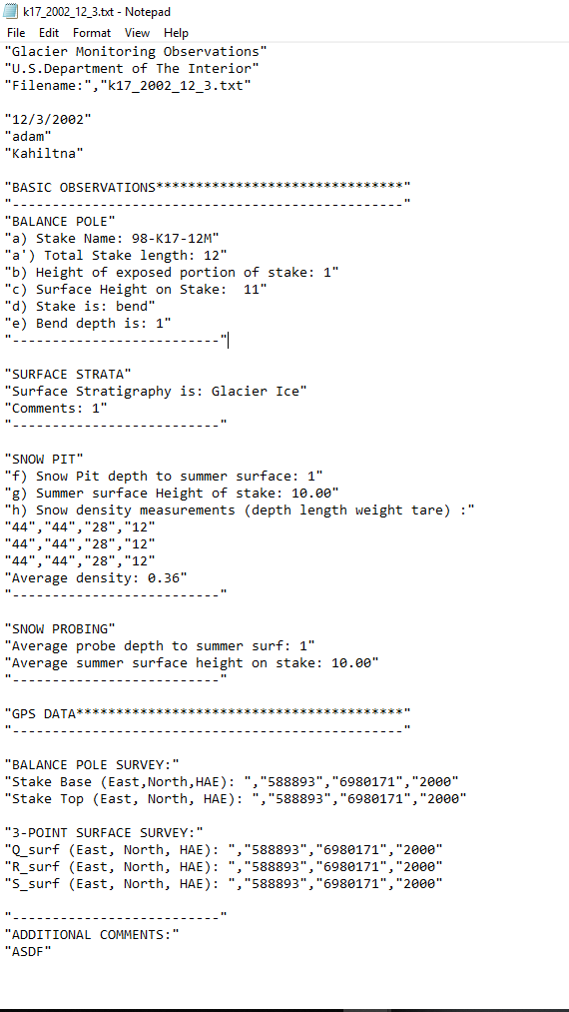

This doesn't make a whole lot of sense - 12/3/2002? Why?
This is allegedly fall (?) data for 2002 at K17; diffcult to determine if this is true. Perhaps the December date indicates when it was entered into their system; still, does not appear to match measurements in database very well, and is not super comprehensible, so ignoring but leaving here in association with the 2002 mass balance calculations.

