K17
original calculation
 |  | <-----Stake Reading-------> |  |  |  | <-----------Snow or New Firn Depth-------------> |  |  |  |  | Summer Surf. | <-----Old Firn and Ice Losses------> |  |  | <-----------NFirn, SIce or Snow Amounts----------------> |  |  |  | Seasonal | Annual
Stake | Date | Tape | Survey |  | Strata | Pit | Probe | Average | s.d. | n | Obsvd. | Density | Stake | Ice | Depth | Density | Estimated | "Snow" | Balance | Balance
Name |  | b' | b* | b** |  | d | d | d |  |  | b'ss | r | b'(i) | ba(i) | d | r | or | bn(f) | bw or bs | bn
 | m/d/y | m | m | m |  | m | m | m | m |  | m | kg/L | m(w) | m(w) | m | kg/L | Measured | m(w) | m(w) | m(w)
03-K17-6M | 2005-09-02 | 4.60 |  |  | Ice | 0.30 |  |  |  |  | 4.60 | 0.60 | 2.76 | -0.10 | 0.00 |  |  | 0.00 | -1.30 | -0.10
03-K17-9M | 2006-05-22 | 7.08 |  |  | Snow | 2.40 |  |  |  | 1 | 4.68 | 0.60 | 2.81 | 0.05 | 2.40 | 0.38 | Measured | 0.90 | 0.90
03-K17-9M | 2006-08-21 | 4.60 |  |  | Ice | 1.50 | 1.38 | 1.39 | 0.07 | 7 | 4.60 | 0.60 | 2.76 | -0.05 | 0.00 |  |  | 0.00 | -0.95 | -0.05

new calculation
 |  | <-----Stake Reading-------> |  |  |  | <-----------Snow or New Firn Depth-------------> |  |  |  |  |  |  | Ablation |  |  | Accumulation |  |  | Balances
Stake | Date | Total | Above Surface | Below Surface | Strata | At Stake |  | Average |  |  | Previous summer surface | Density | Stake Length Change |  | Depth | Density | Estimated or Measured | Density Coverage | bs | bw | ba | Winter Ablation | Summer Accumulation | Comments
Name |  |  |  |  |  |  |  |  |  |  |  |  | (fall to fall) |  | d | r
 | m/d/y | m | m | m |  | m |  | m |  |  | m | g/cm^3 | m |  | m | kg/L |  | fraction | m w.e. | m w.e. | m w.e. | m w.e. | m w.e.
03-K17 | 2005-09-02 | 6.0 | 1.40 | 4.60 | Ice
03-K17 | 2005-09-02 | 6.0 | 1.10 | 4.90 | New Snow | 0.3 |  | 0.3 |  |  |  | 0.3 |  |  |  |  |  |  |  |  |  |  | 0.09 | 0.3 m new snow on ice
03-K17 | 2006-05-22 | 9.0 | 1.98 | 7.02 | Snow | 2.40 |  | 2.40 |  |  | 4.62 |  |  |  | 2.40 | 0.38 | Measured | 0.38 |  | 0.91 |  | 0
03-K17 | 2006-08-21 | 9.0 | 2.90 | 6.10 | New Firn | 1.50 |  | 1.38 |  |  | 4.60 |  |  |  | 1.38 | 0.5 | Estimated |  | -0.22 |  | 0.69
03-K17 | 2006-08-21 | 9.0 | 3.00 | 6.00 | New Snow |  |  | 0.10 |  |  |  | 0.3 |  |  | 0.10 | 0.25 | Estimated |  |  |  |  |  | 0.03

DIFFERENCE:
-prior calculation mis-identified new firn as fall snow! It's clear that the 4.60 horizon is fall 2015 surface (from fall 2005 measurement, and spring 2006 probe). See sketch from field notes on the fall field sheet in this Excel notebook. Their sketch shows them probing down to 3.7 m (on stake measurement system). This is lower than the 2005 summer surface (4.60), 2004 ss (4.55), 2003 ss (5.72), which is the earliest year of data from this stake. So... not reliable! Rather, there is new firn on the previous summer surface.
Old calculation: mass balance
8/21/2006 - unclear where the stake reading came from (9-4.4). Doesn't make any sense from the field data sheet... I think the 4.4 must have been back-calculated.
bw: depth of 2.40, measured density of 0.38.
ba: calculated in column O (which is the product of of L and M). Difference in stake height from 4.68 to 4.60. This is kind of strange, as the summer surface height in 2005 was observed at 4.60. No reason to trust probed depth over the observed, especially when probed shows potential stake punch / over-probing of depth.
bs: residual
New calculation: mass balance
bw: snow depth of 2.40, measured density of 0.38
ba: snow depth is 1.38, which field notes had incorrectly interpreted as "new snow". This is actually the new firn. If one interpreted the 1.5/1.38 as new snow, and then the remaining probed depth (2.4 - 1.5) measurement would get to the 2005 summer surface. This is clearly a case where the depth of the new firn was simply over-probed.
SUMMARY: |  | Time-systems |  | Time 1 |  | Time 2 |  | Time 3
 |  | stratigraphic | Measurement Interval: | 08/21/2006 | : | 08/21/2006 | : | 05/22/2006
 | Winter Balance = | 0.91 | 0.88
 | Summer Balance = | -0.22
 | Annual Balance = | 0.69
 | previous summer accumulation= | 0.03
 | Winter Ablation= | 0.00
 | Summer Accumulation= | 0.03

FedSampCores03-K17_2006.05.22
Glacier: | Kahiltna |  |  |  |  | Total Core Depth (m): | 0.91 | * for the federal sampler, this is simply the depth of the deepest density measurement
Location: | K17 |  |  |  |  | Depth of Previous Year's Summer Surface (m): | 2.40
Date: | 2006.05.22 |  |  |  |  | Average Snow Depth (m): | 2.40
Notebook: | 2006_05_22_Kah_Field_Datasheet.pdf |  |  |  |  | Column Average Density (g/cm^3): | 0.38
Sampler Type | Federal Sampler

 |  |  |  |  |  | Additional Snow Depth Measurements |  |  | Hobo Temperature Sensors Recovered |  |  | Density Usability Assessment

Depth of Snow Sampled | Recovered Core Length | Sample Weight | Cutter Weight | Density | Comments | Type of measurement | Snow Depth |  | Logger Number | Action | Time | Density Coverage
in | in | in w.e. | in w.e. | g/cm^3 |  |  | (cm) |  |  |  | AK local time | fraction
23.000 | 21.000 | 23 | 13.50 | 0.41 |  | Pit | 240 |  | 590493 | On | 12:00:00 | 0.38
36.000 | 9.500 | 22 | 14.00 | 0.22 |  |  |  |  | 590490 | Off | 12:30:00
18.000 | 11.000 | 23 | 14.00 | 0.50

Other information:
In SURVEY_UTM database:
Field densities match those in databse; bulk density is calculated as the average of 3 measured densitites; 0.41,0.22,0.5. Density measurements NOT stacked (3 separate).
No probed snow depths

Probe03-K17_2006.08.21
Glacier: | Kahiltna |  |  |  |  |  | Total snowpit depth (m): | No pit or core
Location: | K17 |  |  |  |  |  | Depth of previous years' summer surface (m): | 1.50 | *depth of 2005 summer surface below 2006 surface (ignoring summer accumulation)
Date: | 2006-08-21 |  |  |  |  |  | Average snow Depth (m): | 1.38
Notebook: | 2006_08_21_Kah_Field_Datasheet.pdf |  |  |  |  |  | Column average density (g/cm^3): | Not measured
Sampler Type | No density

 |  |  |  |  |  |  | Additional Snow Depth Measurements |  |  | Hobo Temperature Sensors Recovered |  |  | Density Usability Assessment

Depth of Snow Sampled | Recovered Core Length | Sample Weight | Cutter Weight | Density | Comments |  | Type of measurement | Snow Depth |  | Logger Number | Action | Time | Density Coverage
in | in | in w.e. | in w.e. | g/cm^3 |  |  |  | (cm) |  |  |  | AK local time | fraction
no density measurements |  |  |  |  |  |  | Probe | 150 |  | 590482 | On | NA | No density
 |  |  |  |  |  |  | Probe | 135 |  | 590490 | Off | NA
 |  |  |  |  |  |  | Probe | 140
 |  |  |  |  |  |  | Probe | 135
Other information:
 |  |  |  |  |  |  | Probe | 130
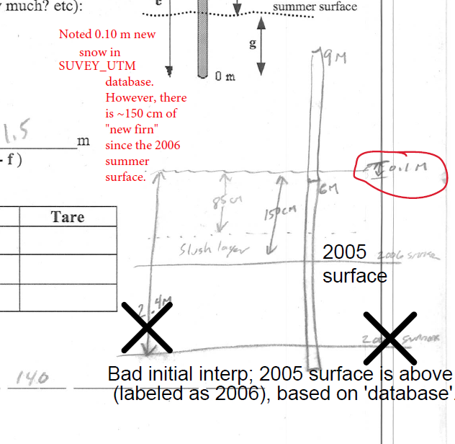
 |  |  |  |  |  |  | Probe | 140

 |  |  |  |  |  | 6.1

