K17
original calculation
 |  | <-----Stake Reading-------> |  |  |  | <-----------Snow or New Firn Depth-------------> |  |  |  |  | Summer Surf. | <-----Old Firn and Ice Losses------> |  |  | <-----------NFirn, SIce or Snow Amounts----------------> |  |  |  | Seasonal | Annual
Stake | Date | Tape | Survey |  | Strata | Pit | Probe | Average | s.d. | n | Obsvd. | Density | Stake | Ice | Depth | Density | Estimated | "Snow" | Balance | Balance
Name |  | b' | b* | b** |  | d | d | d |  |  | b'ss | r | b'(i) | ba(i) | d | r | or | bn(f) | bw or bs | bn
 | m/d/y | m | m | m |  | m | m | m | m |  | m | kg/L | m(w) | m(w) | m | kg/L | Measured | m(w) | m(w) | m(w)

07-K17-9M | 2008-09-01 | 6.93 |  |  | Nfirn |  | 1.02 |  | 0.31 | 10 | 6.93 | 0.60 | 4.16 |  | 0.44 | 0.47 | Measured | 0.21
07-K17-9M | 2009-05-24 | 8.85 |  |  | Snow | 2.10 | 2.25 | 2.23 | 0.14 | 6 | 6.625 | 0.60 | 3.97 | -0.18 | 2.23 | 0.45 | Measured | 1.00 | 1.00
07-K17-9M | 2009-09-03 | 6.15 |  |  | Old firn | 0.35 | 0.32 | 0.32 | 0.05 | 7 | 5.83 | 0.80 | 4.66 | 0.69 | 0.32 | 0.47 | Measured | 0.15 | -0.50 | 0.50

new calculation
 |  | <-----Stake Reading-------> |  |  |  | <-----------Snow or New Firn Depth-------------> |  |  |  |  |  |  | Ablation |  |  | Accumulation |  |  | Balances
Stake | Date | Total | Above Surface | Below Surface | Strata | At Stake |  | Average |  |  | Previous summer surface | Density | Stake Length Change |  | Depth | Density | Estimated or Measured | Density Coverage | bs | bw | ba | Winter Ablation | Summer Accumulation | Comments
Name |  |  |  |  |  |  |  |  |  |  |  |  | (fall to fall) |  | d | r
 | m/d/y | m | m | m |  | m |  | m |  |  | m | g/cm^3 | m w.e. |  | m | kg/L |  | fraction | m w.e. | m w.e. | m w.e. | m w.e. | m w.e.
07-K17 | 2008-09-01 | 9.00 | 2.07 | 6.93 | new firn | 1.05 |  | 1.05 |  |  | 5.88 |  |  |  |  | 0.47 | Measured | 0.63 |  |  |  |  | 0
07-K17 | 2009-05-24 | 9.00 | 0.15 | 8.85 | snow | 2.10 |  | 2.29 |  |  | 6.56 |  |  |  | 2.29 | 0.45 | Measured | 0.59 |  | 1.04 |  | -0.18
07-K17 | 2009-09-03 | 9.00 | 3.20 | 5.80 | old firn |  |  |  |  |  | 6.56 | 0.6 | -0.76 |  |  |  |  |  | -1.49 |  | -0.45 |  | 0.00 | dark ash layer on summer surface; very coarse summer surface
07-K17 | 2009-09-03 | 9.00 | 2.85 |  | new snow | 0.35 |  | 0.32 |  |  |  |  |  |  | 0.32 | 0.47 | Measured | 0.80 |  |  |  |  | 0.15

Old calculation: mass balance
Ablation was using variable 0.6 or 0.8 bulk density for full to-bottom-of-ablation-stake calculation of SWE. Use of this variable bulk density impacts the differncing between them - as much as a measurement of surface change.
Additionally, they switch between an assumption of 0.6 to 0.8 for this full-stake-length dentisy in fall 2009, with no explanation. This is a strange assumption, and adds to uncertainty. Indeed - if they had continued to use a density of 0.8 for fall 2009, then the annual balance would be -0.66 instead of reported positive 0.5. This is huge!!
New calculation: mass balance
bw: calculated from measured density and average snow depth on spring visit
ba: calculated from ice surface height change between Fall 2009 and PROBING on 5/2009. This gets the stratigraphic balance (capturing ablation at the stake AFTER the fall 2008 visit). Fall 2008 visit had firn on the surface, and a height on the stake of 6.93. More of that melted before accumulation started, summer surface 2008 probed in spring 09 at 6.56. By fall, surface had melted down to 5.80. That melted firn from 2008, 2007, and 2006 (was 6.10); there is still some firn from 2005 (height on stake was 4.60), given some densification as well to add to uncertainty. HOWEVER, clearly melting through old firn.
bs: calculated as the residual
SUMMARY: |  | Time-systems |  | Time 1 |  | Time 2 |  | Time 3
 |  | stratigraphic | Measurement Interval: | 09/01/2008 | : | 05/24/2009 | : | 2009-09-03
 | Winter Balance = | 1.04 | 0.86
 | Summer Balance = | -1.49
 | Annual Balance = | -0.45
 | previous summer accumulation= | 0.00
 | Winter Ablation= | -0.18
 | Summer Accumulation= | 0.15

FedSampCores07-K17_2008.09.01
Glacier: | Kahiltna |  |  |  |  | Total Core Depth(m): | 0.64 | * for the federal sampler, this is simply the depth of the deepest density measurement
Location: | K17 |  |  |  |  | Depth of Previous Year's Summer Surface (m): | 1.05
Date: | 2008.09.01 |  |  |  |  | Average Snow Depth (m): | 1.05
Notebook: | 2008_09_01_Kah_Field_Datasheet.pdf |  |  |  |  | Bulk Density (g/cm^3): | 0.47
Sampler Type | Federal Sampler

 |  |  |  |  |  | Additional Snow Depth Measurements |  |  | Hobo Temperature Sensors Recovered |  |  | Density Usability Assessment

Depth of Snow Sampled | Recovered Core Length | Sample Weight | Cutter Weight | Density | Comments | Type of measurement | Snow Depth |  | Logger Number | Action | Time | Density Coverage
in | in | in w.e. | in w.e. | g/cm^3 |  |  | (cm) |  |  |  | AK local time | fraction
25.000 | 20.000 | 26 | 14.00 | 0.48 |  | Probe | 105 |  | 569594 | Off | 12:00pm | 0.60
24.000 | 19.500 | 25 | 14.00 | 0.46 |  | Probe | 115 |  | NA
 |  |  |  |  |  | Probe | 110
 |  |  |  |  |  | Probe | 75
 |  |  |  |  |  | Probe | 70
 |  |  |  |  |  | Probe | 65
 |  |  |  |  |  | Probe | 145
 |  |  |  |  |  | Probe | 155
Other info:
 |  |  |  |  |  | Probe | 90
 |  |  |  |  |  | Probe | 85

FedSampCores07-K17_2009.05.24
Glacier: | Kahiltna |  |  |  |  | Total Core Depth(m): | 1.35 | * for the federal sampler, this is simply the depth of the deepest density measurement
Location: | K17 |  |  |  |  | Depth of Previous Year's Summer Surface (m): | 2.10
Date: | 2009.05.24 |  |  |  |  | Average Snow Depth (m): | 2.29
Notebook: | 2009_05_24_Kah_Field_Datasheet.pdf |  |  |  |  | Column Average Density (g/cm^3): | 0.45
Sampler Type | Federal Sampler

 |  |  |  |  |  | Additional Snow Depth Measurements |  |  | Hobo Temperature Sensors Recovered |  |  | Density Usability Assessment

Depth of Snow Sampled | Recovered Core Length | Sample Weight | Cutter Weight | Density | Comments | Type of measurement | Snow Depth |  | Logger Number | Action | Time | Density Coverage
in | in | in w.e. | in w.e. | g/cm^3 |  |  | (cm) |  |  |  | AK local time | fraction
48.000 | 47.000 | 35 | 14.00 | 0.44 | Ash layer at 1 cm; surface is corn snow | Pit | 210 |  | No Hobos |  |  | 0.59
33.000 | 30.000 | 30 | 14.00 | 0.48 |  | Probe | 235
53.000 | 50.000 | 37 | 14.00 | 0.43 |  | Probe | 215
Other information:
In SURVEY_UTM database:
Densitites match those in database -0.44,0.48,0.43
Average Snow Depth: database omits two measurements of > 250 cm. These should be included to capture the average depth, even though they are not actual measurements. They help capture the high end of the range (longer than the available probe). Thus, depth in the databse is 2.25 and average depth here is 2.29 m.
 |  |  |  |  |  | Probe | 250 | *omitted from old calculaitons of depth
 |  |  |  |  |  | Probe | 230
 |  |  |  |  |  | Probe | 240
 |  |  |  |  |  | Probe | 250 | *omitted from old calculaitons of depth
 |  |  |  |  |  | Probe | 205

FedSampCores07-K17_2009.09.03
Glacier: | Kahiltna |  |  |  |  | Total Core Depth(m): | 0.25 | * for the federal sampler, this is simply the depth of the deepest density measurement
Location: | K17 |  |  |  |  | Depth of Previous Year's Summer Surface (m): | 0.35
Date: | 2009.09.03 |  |  |  |  | Average Snow Depth (m): | 0.32
Notebook: | 2009_09_03_Kah_Field_Datasheet.pdf |  |  |  |  | Column Average Density (g/cm^3): | 0.47
Sampler Type | Federal Sampler

 |  |  |  |  |  | Additional Snow Depth Measurements |  |  | Hobo Temperature Sensors Recovered |  |  | Density Usability Assessment

Depth of Snow Sampled | Recovered Core Length | Sample Weight | Cutter Weight | Density | Comments | Type of measurement | Snow Depth |  | Logger Number | Action | Time | Density Coverage
in | in | in w.e. | in w.e. | g/cm^3 |  |  | (cm) |  |  |  | AK local time | fraction
9.000 | 8.000 | 16 | 12.00 | 0.44 | dark ash layer on summer surface;coarse | Pit (?) | 35 |  | No Hobos |  |  | 0.80
10.000 | 9.000 | 16 | 12.00 | 0.40 |  | Probe | 30
9.000 | 8.000 | 17 | 12.00 | 0.56 |  | Probe | 30
 |  |  |  |  |  | Probe | 30
 |  |  |  |  |  | Probe | 35
 |  |  |  |  |  | Probe | 40
 |  |  |  |  |  | Probe | 25
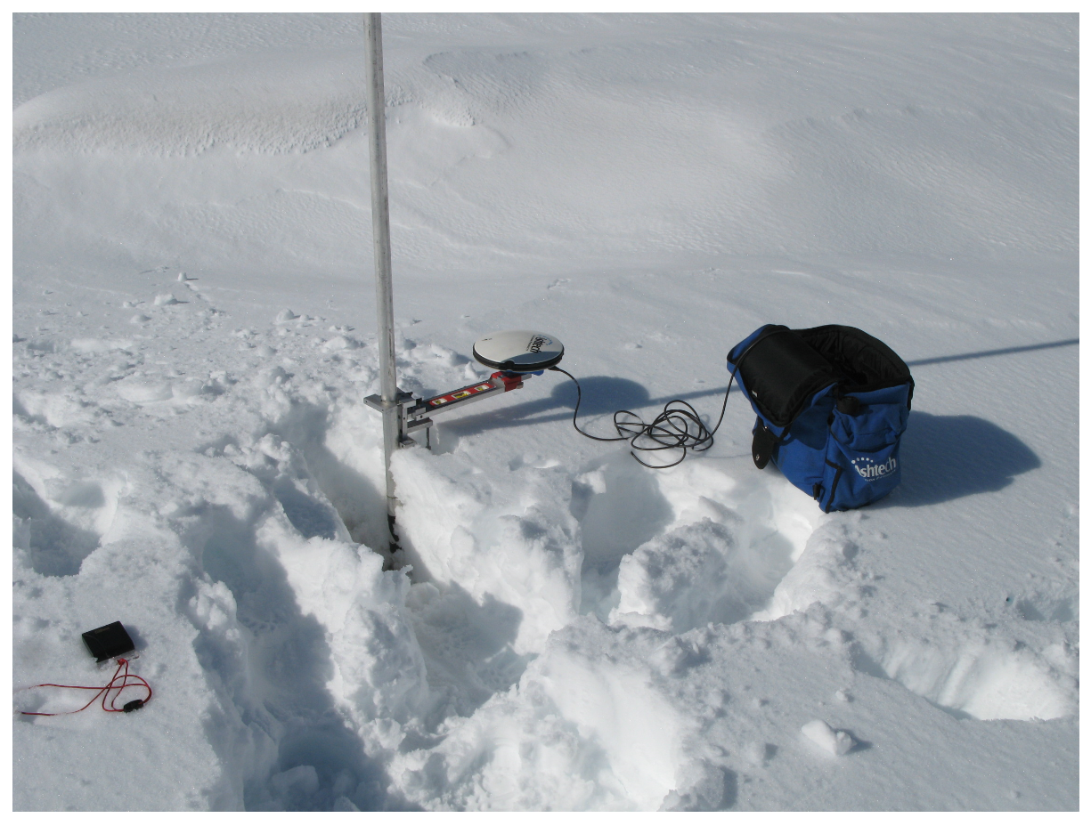
Photo from fall 2009 makes it appear that the snow measured was summer accumulation vs. new firn. Notes were unclear, especially when interpreted with stake measurements. This photo appears to have ~30-40 cm new snow on surface.
 |  |  |  |  |  |  | this is summer accumulation snow (not new firn)

Other information:
In SURVEY_UTM database:
0.44,0.4,0.56
NO NOTES about if there is any new snow on the glacier during this fall visit (summer accumulation). However, "snow" is circled on the field data sheet. Treating as if there is no new snow, and this simply refers to snow that survived the summer season.

