Sheet 1
IGUELABA Community
 | Collector ID |  | Collector Name
 | 2 |  | Godswill
 | Farm ID | Status | Name | Sex | Farm Status | Phone | X | Y | Area (Ha) | Crop Information | Farmer Picture | Farm Picture

 | 0201-07-05-2024 | Self | Happy Obasuyi | Male | Farm1 | 07059053726 | 5.9595981 | 5.8615317 | 1.28 | Cassava-100%-A; | 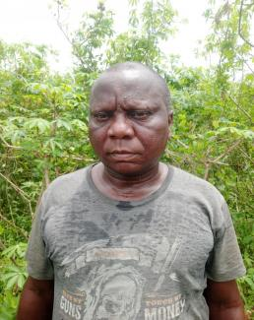 | 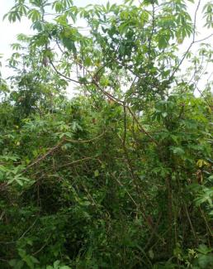
 |  |  |  |  |  |  | 5.9599345 | 5.8620055
 |  |  |  |  |  |  | 5.9603092 | 5.8627376
 |  |  |  |  |  |  | 5.9602386 | 5.8628394
 |  |  |  |  |  |  | 5.9601736 | 5.862894
 |  |  |  |  |  |  | 5.9598479 | 5.8628388
 |  |  |  |  |  |  | 5.9595433 | 5.8628214
 |  |  |  |  |  |  | 5.9593381 | 5.8627376
 |  |  |  |  |  |  | 5.9592041 | 5.8626908
 |  |  |  |  |  |  | 5.9591966 | 5.8624732
 |  |  |  |  |  |  | 5.9590071 | 5.8621241
 |  |  |  |  |  |  | 5.9591944 | 5.8618523
 |  |  |  |  |  |  | 5.9595132 | 5.8615363
 |  |  |  |  |  |  | 5.9595981 | 5.8615317
 | 0202-07-05-2024 | Care Of | Mama Kenneth Godspower | Female | Farm1 | 07059053726 | 5.9601695 | 5.8628997 | 0.47 | Cassava-100%-A; | 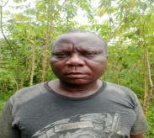 | 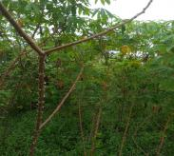
 |  |  |  |  |  |  | 5.9602026 | 5.8632415
 |  |  |  |  |  |  | 5.9592885 | 5.8632546
 |  |  |  |  |  |  | 5.9592919 | 5.8627685
 |  |  |  |  |  |  | 5.9600342 | 5.8628594
 |  |  |  |  |  |  | 5.9601695 | 5.8628997
 | 0203-07-05-2024 | Self | Eunice Imasewontu _ | Female | Farm1 | 08134632261 | 5.9601804 | 5.863321 | 0.40 | Plantain-11S-A; Cassava-100%-A; | 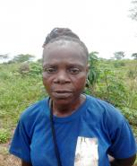 | 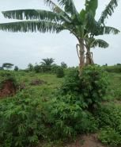
 |  |  |  |  |  |  | 5.9601225 | 5.8635911
 |  |  |  |  |  |  | 5.9600426 | 5.8636709
 |  |  |  |  |  |  | 5.9593038 | 5.8636107
 |  |  |  |  |  |  | 5.9593103 | 5.8632416
 |  |  |  |  |  |  | 5.9599234 | 5.8632453
 |  |  |  |  |  |  | 5.9601804 | 5.863321
 | 0204-07-05-2024 | Self | Eric Aigbogun | Male | Farm1 | 08056127886 | 5.9593289 | 5.8636084 | 0.56 | Cassava-100%-A; | 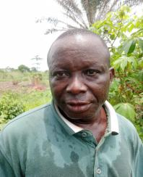 | 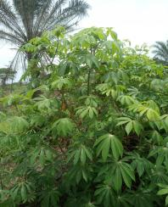
 |  |  |  |  |  |  | 5.95926 | 5.8627588
 |  |  |  |  |  |  | 5.959194 | 5.8626616
 |  |  |  |  |  |  | 5.9591065 | 5.8625178
 |  |  |  |  |  |  | 5.9588491 | 5.8628458
 |  |  |  |  |  |  | 5.958773 | 5.8629302
 |  |  |  |  |  |  | 5.9588728 | 5.8631107
 |  |  |  |  |  |  | 5.9589575 | 5.8637176
 |  |  |  |  |  |  | 5.9590784 | 5.8638792
 |  |  |  |  |  |  | 5.9593289 | 5.8636084
 | 0205-07-05-2024 | Self | Christopher Osakpamwan | Male | Farm1 | 09052677027 | 5.959253 | 5.8636588 | 0.40 | Cassava-100%-A; | 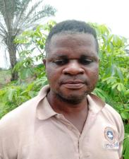 | 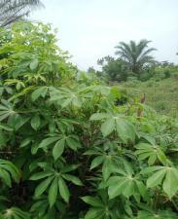
 |  |  |  |  |  |  | 5.9591167 | 5.8638656
 |  |  |  |  |  |  | 5.9596168 | 5.8639706
 |  |  |  |  |  |  | 5.9601101 | 5.8640194
 |  |  |  |  |  |  | 5.9601524 | 5.863765
 |  |  |  |  |  |  | 5.9598614 | 5.8636104
 |  |  |  |  |  |  | 5.959487 | 5.8635858
 |  |  |  |  |  |  | 5.9593129 | 5.8635606
 |  |  |  |  |  |  | 5.959253 | 5.8636588
 | 0206-07-05-2024 | Self | Eno Festus _ | Female | Farm1 | 09153537145 | 5.9597117 | 5.8650202 | 0.40 | Cassava-100%-A;
 |  |  |  |  |  |  | 5.9599906 | 5.8649228
 |  |  |  |  |  |  | 5.9601849 | 5.8641328
 |  |  |  |  |  |  | 5.9598068 | 5.8638847
 |  |  |  |  |  |  | 5.9597117 | 5.8650202
 | 0207-07-05-2024 | Care Of | Frank Osamwinda | Male | Farm1 | 07049314454 | 5.9601893 | 5.8639853 | 0.35 | Cassava-100%-A; | 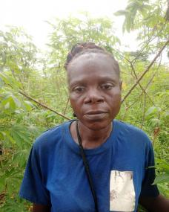 | 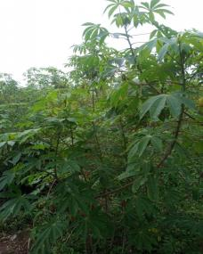
 |  |  |  |  |  |  | 5.9601781 | 5.8641157
 |  |  |  |  |  |  | 5.9604714 | 5.864187
 |  |  |  |  |  |  | 5.960465 | 5.8639967
 |  |  |  |  |  |  | 5.9605731 | 5.8639849
 |  |  |  |  |  |  | 5.960492 | 5.8637748
 |  |  |  |  |  |  | 5.9603632 | 5.8634705
 |  |  |  |  |  |  | 5.9603837 | 5.8632056
 |  |  |  |  |  |  | 5.9601675 | 5.8632843
 |  |  |  |  |  |  | 5.9601095 | 5.8635582
 |  |  |  |  |  |  | 5.9600547 | 5.8637269
 |  |  |  |  |  |  | 5.9601893 | 5.8639853
 | 0208-07-05-2024 | Self | Saturday Nowamagbe | Male | Farm1 | 08059543456 | 5.9603214 | 5.8626657 | 0.88 | Cassava-100%-A; |  | 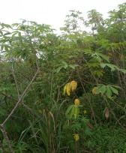
 |  |  |  |  |  |  | 5.9610319 | 5.8625961
 |  |  |  |  |  |  | 5.9609394 | 5.8620428
 |  |  |  |  |  |  | 5.9607686 | 5.8616789
 |  |  |  |  |  |  | 5.9606697 | 5.8616499
 |  |  |  |  |  |  | 5.9600982 | 5.8618441
 |  |  |  |  |  |  | 5.9601087 | 5.8622138
 |  |  |  |  |  |  | 5.9603214 | 5.8626657
 | 0209-07-05-2024 | Self | Eric Aigbogun | Male | Farm2 | 08056127886 | 5.9602779 | 5.8613166 | 0.53 | Plantain-16S-A; Cassava-100%-A; | 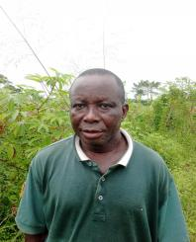 | 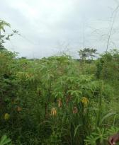
 |  |  |  |  |  |  | 5.9604336 | 5.8613324
 |  |  |  |  |  |  | 5.960624 | 5.8613183
 |  |  |  |  |  |  | 5.9607678 | 5.8608388
 |  |  |  |  |  |  | 5.9603296 | 5.8607594
 |  |  |  |  |  |  | 5.9598648 | 5.8611036
 |  |  |  |  |  |  | 5.9597428 | 5.8612783
 |  |  |  |  |  |  | 5.9595503 | 5.8614597
 |  |  |  |  |  |  | 5.9599895 | 5.8613596
 |  |  |  |  |  |  | 5.9602779 | 5.8613166
 | 0210-07-05-2024 | Self | Amaechi Utuagha | Male | Farm1 | 07032707793 | 5.960626 | 5.8615149 | 1.99 | Cassava-50%-A; Plantain-30%-A; Yam-20%-A; | 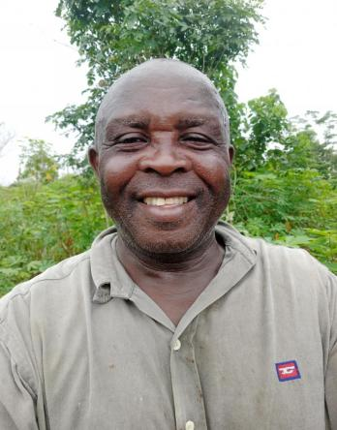 | 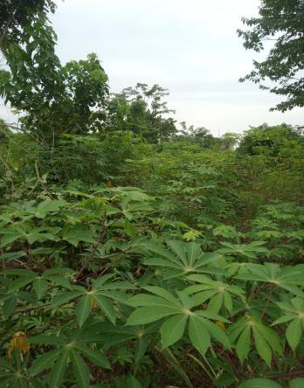
 |  |  |  |  |  |  | 5.9607552 | 5.8617826
 |  |  |  |  |  |  | 5.9609985 | 5.8621637
 |  |  |  |  |  |  | 5.961042 | 5.8625766
 |  |  |  |  |  |  | 5.9611421 | 5.8628799
 |  |  |  |  |  |  | 5.9614495 | 5.8628199
 |  |  |  |  |  |  | 5.9616259 | 5.862719
 |  |  |  |  |  |  | 5.9618385 | 5.8626915
 |  |  |  |  |  |  | 5.9614886 | 5.8624428
 |  |  |  |  |  |  | 5.961429 | 5.8620633
 |  |  |  |  |  |  | 5.9613558 | 5.861789
 |  |  |  |  |  |  | 5.9613521 | 5.8616332
 |  |  |  |  |  |  | 5.9616357 | 5.861628
 |  |  |  |  |  |  | 5.9620307 | 5.861545
 |  |  |  |  |  |  | 5.9620818 | 5.8610367
 |  |  |  |  |  |  | 5.9614211 | 5.860901
 |  |  |  |  |  |  | 5.9609747 | 5.8608628
 |  |  |  |  |  |  | 5.9607622 | 5.8608486
 |  |  |  |  |  |  | 5.9606835 | 5.8611486
 |  |  |  |  |  |  | 5.960626 | 5.8615149
 | 0211-07-05-2024 | Care Of | Calabar woman - | Female | Farm1 | - | 5.960602 | 5.8615689 | 1.04 | Cassava-100%-A; Cassava-100%-A; | 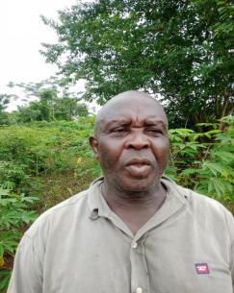 | 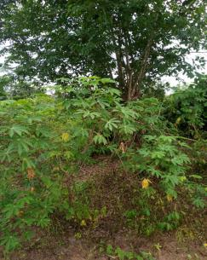
 |  |  |  |  |  |  | 5.9607176 | 5.8617006
 |  |  |  |  |  |  | 5.9609574 | 5.8621458
 |  |  |  |  |  |  | 5.9610086 | 5.8625657
 |  |  |  |  |  |  | 5.9603365 | 5.8626514
 |  |  |  |  |  |  | 5.9600299 | 5.8621388
 |  |  |  |  |  |  | 5.9600383 | 5.8620132
 |  |  |  |  |  |  | 5.9600761 | 5.8617362
 |  |  |  |  |  |  | 5.9601831 | 5.8615301
 |  |  |  |  |  |  | 5.9602447 | 5.8613487
 |  |  |  |  |  |  | 5.9603811 | 5.8614328
 |  |  |  |  |  |  | 5.9605219 | 5.8615138
 |  |  |  |  |  |  | 5.960602 | 5.8615689
 | 0212-07-05-2024 | Self | Chukwuyem Ogbeje | Male | Farm1 | 08054036497 | 5.9611512 | 5.8628937 | 1.58 | Cassava-100%-A; | 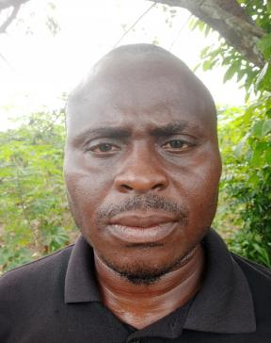 | 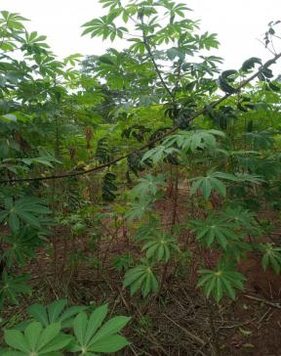
 |  |  |  |  |  |  | 5.9614309 | 5.863372
 |  |  |  |  |  |  | 5.9614517 | 5.8634017
 |  |  |  |  |  |  | 5.9625204 | 5.8633708
 |  |  |  |  |  |  | 5.9621972 | 5.8631231
 |  |  |  |  |  |  | 5.9620997 | 5.8628888
 |  |  |  |  |  |  | 5.9620212 | 5.8627171
 |  |  |  |  |  |  | 5.9619099 | 5.8625381
 |  |  |  |  |  |  | 5.9621904 | 5.8624736
 |  |  |  |  |  |  | 5.9622629 | 5.8623829
 |  |  |  |  |  |  | 5.9620601 | 5.8617489
 |  |  |  |  |  |  | 5.9620016 | 5.8615435
 |  |  |  |  |  |  | 5.9613445 | 5.8616504
 |  |  |  |  |  |  | 5.9616637 | 5.8627401
 |  |  |  |  |  |  | 5.9611355 | 5.8629083
 |  |  |  |  |  |  | 5.9611512 | 5.8628937
 | 0201-08-05-2024 | Self | Enuemeibe Chinedu Emmanuel | Male | Farm1 | 07060565105 | 5.9628133 | 5.8611 | 0.74 | Cassava-100%-A; | 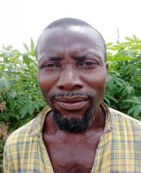 | 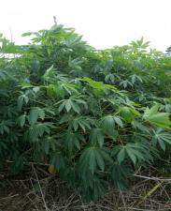
 |  |  |  |  |  |  | 5.9629198 | 5.8619712
 |  |  |  |  |  |  | 5.9632186 | 5.86275
 |  |  |  |  |  |  | 5.9635749 | 5.8626126
 |  |  |  |  |  |  | 5.9634445 | 5.8622814
 |  |  |  |  |  |  | 5.9634008 | 5.8619683
 |  |  |  |  |  |  | 5.9631305 | 5.8614208
 |  |  |  |  |  |  | 5.9632756 | 5.8612871
 |  |  |  |  |  |  | 5.9628133 | 5.8611
 | 0202-08-05-2024 | Self | Katherine Papaguy | Female | Farm1 | - | 5.9631262 | 5.861435 | 0.43 | Cassava-100%-A; | 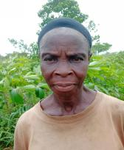 | 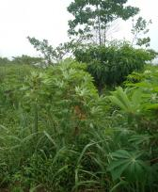
 |  |  |  |  |  |  | 5.9632067 | 5.8613499
 |  |  |  |  |  |  | 5.9632976 | 5.8613143
 |  |  |  |  |  |  | 5.963865 | 5.8614967
 |  |  |  |  |  |  | 5.963472 | 5.8620125
 |  |  |  |  |  |  | 5.9631154 | 5.8618631
 |  |  |  |  |  |  | 5.9630371 | 5.8617633
 |  |  |  |  |  |  | 5.9631262 | 5.861435
 | 0203-08-05-2024 | Self | Festus Ikponmwen | Male | Farm1 | 09030947252 | 5.963409 | 5.8620233 | 0.25 | Cassava-100%-B;
 |  |  |  |  |  |  | 5.9636169 | 5.861843
 |  |  |  |  |  |  | 5.9643024 | 5.861708
 |  |  |  |  |  |  | 5.9634728 | 5.8623406
 |  |  |  |  |  |  | 5.963409 | 5.8620233
 | 0204-08-05-2024 | Care Of | Queen Mama victory | Female | Farm1 | - | 5.9634766 | 5.8623541 | 0.52 | Cassava-100%-A;
 |  |  |  |  |  |  | 5.9636248 | 5.8626175
 |  |  |  |  |  |  | 5.9645837 | 5.8620595
 |  |  |  |  |  |  | 5.9646506 | 5.8618975
 |  |  |  |  |  |  | 5.9643319 | 5.8617238
 |  |  |  |  |  |  | 5.9634766 | 5.8623541
 | 0205-08-05-2024 | Self | French Thomas | Male | Farm1 | -09054551302 | 5.9638306 | 5.8624917 | 0.48 | Cassava-100%-B;
 |  |  |  |  |  |  | 5.9643299 | 5.8632459
 |  |  |  |  |  |  | 5.964713 | 5.8631239
 |  |  |  |  |  |  | 5.9642349 | 5.8622968
 |  |  |  |  |  |  | 5.9638306 | 5.8624917
 | 0206-08-05-2024 | Self | Katherine Papaguy | Female | Farm2 | - | 5.9643179 | 5.8632194 | 0.24 | Cassava-100%-A;
 |  |  |  |  |  |  | 5.9641287 | 5.8633325
 |  |  |  |  |  |  | 5.9636466 | 5.8626194
 |  |  |  |  |  |  | 5.9638139 | 5.8624792
 |  |  |  |  |  |  | 5.9643179 | 5.8632194
 | 0207-08-05-2024 | Self | Monday Odia | Male | Farm1 | 09157538112 | 5.96366 | 5.8626103 | 0.35 | Cassava-100%-A;
 |  |  |  |  |  |  | 5.9641412 | 5.8633432
 |  |  |  |  |  |  | 5.9637766 | 5.8634945
 |  |  |  |  |  |  | 5.9634103 | 5.8627064
 |  |  |  |  |  |  | 5.96366 | 5.8626103
 | 0208-08-05-2024 | Self | Matthew Godstime | Male | Farm1 | 08054144377 | 5.9634063 | 5.8627244 | 0.37 | Cassava-100%-B;
 |  |  |  |  |  |  | 5.9630286 | 5.8628058
 |  |  |  |  |  |  | 5.9634666 | 5.8634335
 |  |  |  |  |  |  | 5.9636349 | 5.8634705
 |  |  |  |  |  |  | 5.9638741 | 5.8633501
 |  |  |  |  |  |  | 5.9634063 | 5.8627244
 | 0209-08-05-2024 | Self | Ekure Obakpo | Female | Farm1 | 08117323144 | 5.9509381 | 5.8630302 | 1.96 | Cassava-100%-A; | 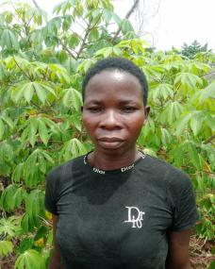 | 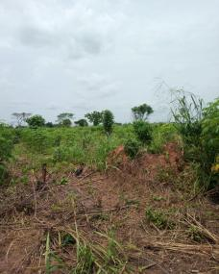
 |  |  |  |  |  |  | 5.9512023 | 5.8629999
 |  |  |  |  |  |  | 5.951364 | 5.8638927
 |  |  |  |  |  |  | 5.952394 | 5.8637036
 |  |  |  |  |  |  | 5.9524651 | 5.8643961
 |  |  |  |  |  |  | 5.9523929 | 5.8645537
 |  |  |  |  |  |  | 5.9517495 | 5.8644646
 |  |  |  |  |  |  | 5.9509177 | 5.8641168
 |  |  |  |  |  |  | 5.9505553 | 5.8640628
 |  |  |  |  |  |  | 5.950496 | 5.8633458
 |  |  |  |  |  |  | 5.9504775 | 5.8630901
 |  |  |  |  |  |  | 5.9509381 | 5.8630302
 | 0210-08-05-2024 | Self | Sergent Agbajor | Male | Farm1 | 07058408157 | 5.9509141 | 5.8630201 | 0.87 | Cassava-90%-A; Maize-10%-A; Plantain-10S-B; | 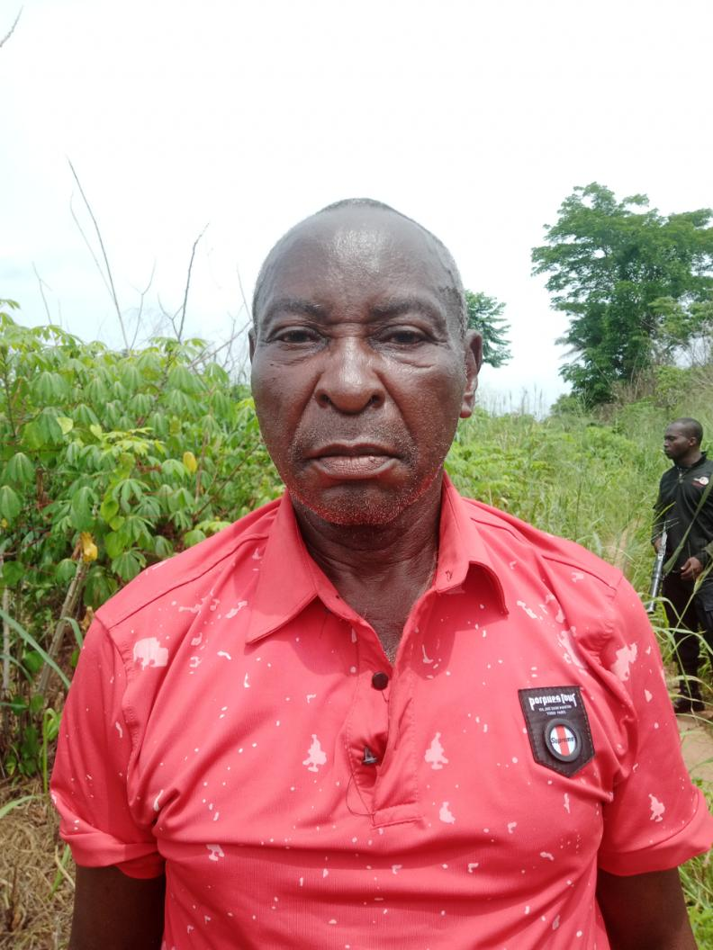 | 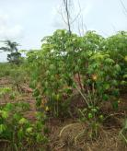
 |  |  |  |  |  |  | 5.9514552 | 5.8629807
 |  |  |  |  |  |  | 5.9520018 | 5.8627977
 |  |  |  |  |  |  | 5.951366 | 5.8617995
 |  |  |  |  |  |  | 5.9511143 | 5.862239
 |  |  |  |  |  |  | 5.9509141 | 5.8630201
 | 0211-08-05-2024 | Self | Patience Osaremen | Female | Farm1 | - | 5.951163 | 5.8629993 | 1.28 | Cassava-100%-B; | 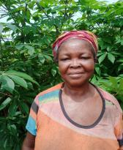 | 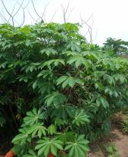
 |  |  |  |  |  |  | 5.9513536 | 5.863887
 |  |  |  |  |  |  | 5.9519379 | 5.8637878
 |  |  |  |  |  |  | 5.9526212 | 5.8635459
 |  |  |  |  |  |  | 5.9526174 | 5.86354
 |  |  |  |  |  |  | 5.9523214 | 5.8632577
 |  |  |  |  |  |  | 5.952189 | 5.8627473
 |  |  |  |  |  |  | 5.951163 | 5.8629993
 | 0212-08-05-2024 | Self | Sunday Olayi | Male | Farm1 | 08168247254 | 5.9501081 | 5.8630425 | 1.88 | Cassava-100%-A; |  | 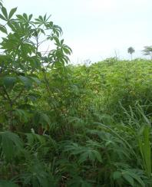
 |  |  |  |  |  |  | 5.949837 | 5.8631685
 |  |  |  |  |  |  | 5.9489836 | 5.863306
 |  |  |  |  |  |  | 5.9491225 | 5.8645441
 |  |  |  |  |  |  | 5.9499182 | 5.8645439
 |  |  |  |  |  |  | 5.9500198 | 5.8643125
 |  |  |  |  |  |  | 5.95054 | 5.8640749
 |  |  |  |  |  |  | 5.9502089 | 5.8637734
 |  |  |  |  |  |  | 5.9501171 | 5.8635575
 |  |  |  |  |  |  | 5.9501081 | 5.8630425
 | 0213-08-05-2024 | Self | Clement Akobi | Male | Farm1 | 07057886660 | 5.9488533 | 5.8645033 | 1.04 | Cassava-100%-A;
 |  |  |  |  |  |  | 5.948795 | 5.8650567
 |  |  |  |  |  |  | 5.9486376 | 5.8658213
 |  |  |  |  |  |  | 5.9480156 | 5.865681
 |  |  |  |  |  |  | 5.9481949 | 5.8644894
 |  |  |  |  |  |  | 5.9488533 | 5.864503
 | 0214-08-05-2024 | Care Of | Ogar Emmanuel | Male | Farm1 | 08071872436 | 5.9489582 | 5.8633227 | 0.77 | Cassava-100%-A;
 |  |  |  |  |  |  | 5.94911 | 5.863971
 |  |  |  |  |  |  | 5.9481421 | 5.8641139
 |  |  |  |  |  |  | 5.9480522 | 5.8634556
 |  |  |  |  |  |  | 5.9489582 | 5.8633227
 | 0215-08-05-2024 | Self | Joseph Ogar | Male | Farm1 | 09054356170 | 5.948146 | 5.8640999 | 0.52 | Cassava-100%-D;
 |  |  |  |  |  |  | 5.9490959 | 5.8640179
 |  |  |  |  |  |  | 5.949139 | 5.8645335
 |  |  |  |  |  |  | 5.9482109 | 5.8644772
 |  |  |  |  |  |  | 5.948146 | 5.8640999
 | 0201-14-05-2024 | Self | Peter Iorkegh | Male | Farm1 | 09153102122 | 5.9481117 | 5.8641559 | 2.12 | Cassava-100%-A;
 |  |  |  |  |  |  | 5.9473831 | 5.8642879
 |  |  |  |  |  |  | 5.9468484 | 5.8643688
 |  |  |  |  |  |  | 5.946914 | 5.8655815
 |  |  |  |  |  |  | 5.9471649 | 5.8659524
 |  |  |  |  |  |  | 5.948016 | 5.8654953
 |  |  |  |  |  |  | 5.9481117 | 5.8641559
 | 0202-14-05-2024 | Care Of | Pastor Ojarere | Male | Farm1 | - | 5.9479919 | 5.8656534 | 1.05 | Cassava-100%-A; | 
 |  |  |  |  |  |  | 5.9489322 | 5.8658541
 |  |  |  |  |  |  | 5.9487888 | 5.8668395
 |  |  |  |  |  |  | 5.9481383 | 5.8668533
 |  |  |  |  |  |  | 5.9481335 | 5.8665267
 |  |  |  |  |  |  | 5.9479919 | 5.8656534 |  |  |  | 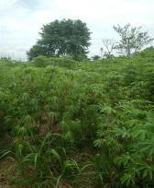
 | 0203-14-05-2024 | Self | Magreth Atete | Female | Farm1 | - | 5.9480352 | 5.8661483 | 0.46 | Cassava-100%-A;
 |  |  |  |  |  |  | 5.9472351 | 5.8661426
 |  |  |  |  |  |  | 5.9471952 | 5.866714
 |  |  |  |  |  |  | 5.9476391 | 5.8665997
 |  |  |  |  |  |  | 5.9480362 | 5.8664718
 |  |  |  |  |  |  | 5.9480352 | 5.8661483
 | 0204-14-05-2024 | Self | Clement Akobi | Male | Farm1 | 07057886660 | 5.9481009 | 5.8673888 | 1.09 | Cassava-100%-A; |  | 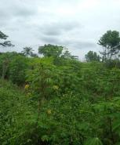
 |  |  |  |  |  |  | 5.9488182 | 5.8675653
 |  |  |  |  |  |  | 5.9488579 | 5.8676733
 |  |  |  |  |  |  | 5.9483535 | 5.8688179
 |  |  |  |  |  |  | 5.94826 | 5.8691217
 |  |  |  |  |  |  | 5.9479365 | 5.8685854
 |  |  |  |  |  |  | 5.9481009 | 5.8673888
 | 0201-15-05-2024 | Self | Queen German | Female | Farm1 | - | 5.9556901 | 5.8647035 | 1.76 | Cassava-50%-B; Yam-20%-B; Maize-30%-B; Plantain-19S-B; | 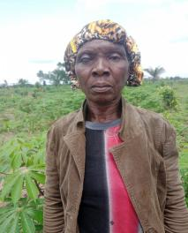 | 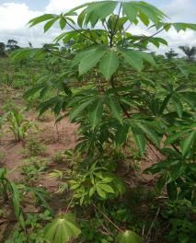
 |  |  |  |  |  |  | 5.9556251 | 5.8641171
 |  |  |  |  |  |  | 5.9560316 | 5.8633743
 |  |  |  |  |  |  | 5.9559647 | 5.863128
 |  |  |  |  |  |  | 5.9561805 | 5.8630534
 |  |  |  |  |  |  | 5.9560861 | 5.8622147
 |  |  |  |  |  |  | 5.9566533 | 5.8621517
 |  |  |  |  |  |  | 5.9567805 | 5.8635277
 |  |  |  |  |  |  | 5.9563568 | 5.8638498
 |  |  |  |  |  |  | 5.956337 | 5.8640309
 |  |  |  |  |  |  | 5.9556901 | 5.8647035
 | 0202-15-05-2024 | Self | Samuel Yamusa | Male | Farm1 | 09127682485 | 5.9556241 | 5.8645725 | 1.10 | Cassava-50%-B; Maize-50%-B; Yam-13S-C; | 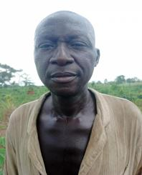 | 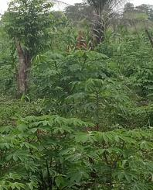
 |  |  |  |  |  |  | 5.9552359 | 5.8646684
 |  |  |  |  |  |  | 5.9549189 | 5.8644174
 |  |  |  |  |  |  | 5.9551149 | 5.8642592
 |  |  |  |  |  |  | 5.9554157 | 5.8641642
 |  |  |  |  |  |  | 5.955257 | 5.863842
 |  |  |  |  |  |  | 5.9551552 | 5.8633186
 |  |  |  |  |  |  | 5.9559417 | 5.8631042
 |  |  |  |  |  |  | 5.9559844 | 5.8634287
 |  |  |  |  |  |  | 5.9556241 | 5.8645725
 | 0203-15-05-2024 | Self | Patience Ivwovwo | Female | Farm1 | 09157230329; 09126597040 | 5.9556855 | 5.8631494 | 0.59 | Cassava-100%-A;
 |  |  |  |  |  |  | 5.9554998 | 5.8622224
 |  |  |  |  |  |  | 5.9560006 | 5.8621277
 |  |  |  |  |  |  | 5.9561973 | 5.8630017
 |  |  |  |  |  |  | 5.9556855 | 5.8631494
 | 0204-15-05-2024 | Self | Phillip Eriamentoe | Male | Farm1 | 09153584663 | 5.9566963 | 5.8624111 | 0.63 | Cassava-100%-A; | 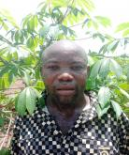 | 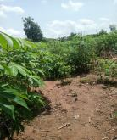
 |  |  |  |  |  |  | 5.9566752 | 5.8622504
 |  |  |  |  |  |  | 5.9572429 | 5.8622786
 |  |  |  |  |  |  | 5.9574062 | 5.8631523
 |  |  |  |  |  |  | 5.9572299 | 5.8632529
 |  |  |  |  |  |  | 5.9570796 | 5.8630996
 |  |  |  |  |  |  | 5.9568363 | 5.863166
 |  |  |  |  |  |  | 5.9566963 | 5.8624111
 | 0205-15-05-2024 | Care Of | Papa Jeffery | Male | Farm1 | - | 5.9566479 | 5.8622526 | 0.17 | Cassava-100%-A;
 |  |  |  |  |  |  | 5.9566528 | 5.8621
 |  |  |  |  |  |  | 5.9572228 | 5.8619047
 |  |  |  |  |  |  | 5.9572141 | 5.8622332
 |  |  |  |  |  |  | 5.9566479 | 5.8622526
 | 0206-15-05-2024 | Self | Charity Obarakpo | Female | Farm1 | 08064934328 | 5.9572265 | 5.8618048 | 0.29 | Cassava-100%-A; | 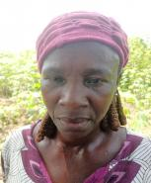 | 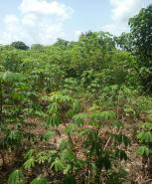
 |  |  |  |  |  |  | 5.9576857 | 5.8629843
 |  |  |  |  |  |  | 5.9574552 | 5.8631119
 |  |  |  |  |  |  | 5.9573318 | 5.8627911
 |  |  |  |  |  |  | 5.957253 | 5.8624573
 |  |  |  |  |  |  | 5.9572188 | 5.8621566
 |  |  |  |  |  |  | 5.9572265 | 5.8618048
 | 0207-15-05-2024 | Self | Rejoice Samuel | Female | Farm1 | 09115288291 | 5.9576017 | 5.8619867 | 0.39 | Cassava-100%-A; | 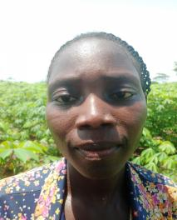 | 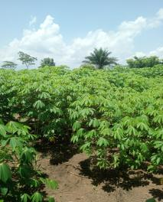
 |  |  |  |  |  |  | 5.9575576 | 5.8620553
 |  |  |  |  |  |  | 5.9576712 | 5.8628362
 |  |  |  |  |  |  | 5.9576969 | 5.8629462
 |  |  |  |  |  |  | 5.9579901 | 5.8627964
 |  |  |  |  |  |  | 5.9582153 | 5.8625443
 |  |  |  |  |  |  | 5.9579651 | 5.8626217
 |  |  |  |  |  |  | 5.9578747 | 5.8621875
 |  |  |  |  |  |  | 5.9578565 | 5.8620136
 |  |  |  |  |  |  | 5.9578196 | 5.8618309
 |  |  |  |  |  |  | 5.9576017 | 5.8619867
 | 0208-15-05-2024 | Self | Queen German | Female | Farm2 | - | 5.9555073 | 5.8621802 | 0.53 | Plantain-10S-A; Cassava-100%-A;
 |  |  |  |  |  |  | 5.9551165 | 5.8622735
 |  |  |  |  |  |  | 5.9552582 | 5.8632904
 |  |  |  |  |  |  | 5.9556823 | 5.8631821
 |  |  |  |  |  |  | 5.9555073 | 5.8621802
 | 0209-15-05-2024 | Self | Sunday Olayi | Male | Farm1 | 08124141729 | 5.9547873 | 5.8625196 | 0.83 | Cassava-100%-A;
 |  |  |  |  |  |  | 5.9548781 | 5.8634074
 |  |  |  |  |  |  | 5.9544305 | 5.8634422
 |  |  |  |  |  |  | 5.9541195 | 5.8633839
 |  |  |  |  |  |  | 5.9540189 | 5.8625497
 |  |  |  |  |  |  | 5.9547873 | 5.8625196
 | 0210-15-05-2024 | Self | Uyiosa Prince | Female | Farm1 | 08113605966 | 5.9512754 | 5.8661137 | 1.21 | Cassava-70%-B; Maize-30%-B; | 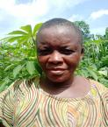 | 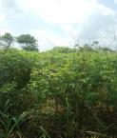
 |  |  |  |  |  |  | 5.9512364 | 5.8658432
 |  |  |  |  |  |  | 5.949369 | 5.8658777
 |  |  |  |  |  |  | 5.9492644 | 5.8665878
 |  |  |  |  |  |  | 5.9501671 | 5.8666901
 |  |  |  |  |  |  | 5.9502932 | 5.86612
 |  |  |  |  |  |  | 5.9512754 | 5.8661137
 | 0211-15-05-2024 | Self | Eunice Imasemwontu | Female | Farm1 | 08134632261 | 5.9512729 | 5.8661232 | 0.33 | Maize-30%-B; Cassava-70%-B; | 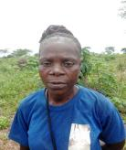 | 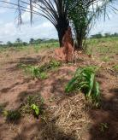
 |  |  |  |  |  |  | 5.9509183 | 5.8661188
 |  |  |  |  |  |  | 5.9509442 | 5.8668736
 |  |  |  |  |  |  | 5.9511804 | 5.866919
 |  |  |  |  |  |  | 5.9513086 | 5.8666365
 |  |  |  |  |  |  | 5.9512729 | 5.8661232
 | 0212-15-05-2024 | Self | Stephen Ozemwongie | Male | Farm1 | 08072741872 | 5.9509557 | 5.8661315 | 0.28 | Cassava-20%-B; Maize-80%-B; | 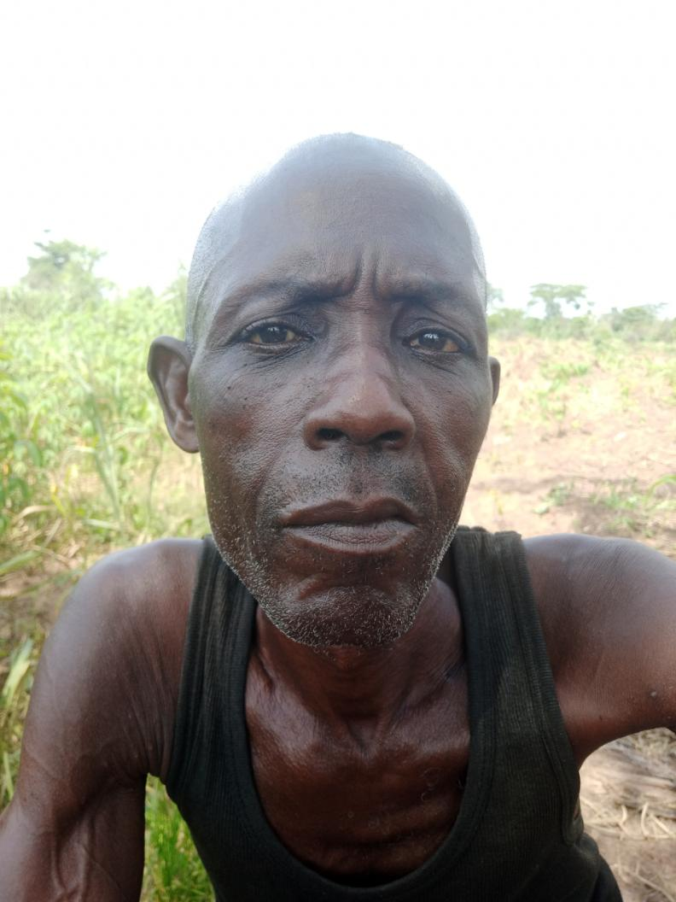 | 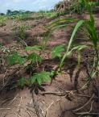
 |  |  |  |  |  |  | 5.9505844 | 5.8661853
 |  |  |  |  |  |  | 5.9506419 | 5.8666596
 |  |  |  |  |  |  | 5.9506904 | 5.8668686
 |  |  |  |  |  |  | 5.9509417 | 5.866894
 |  |  |  |  |  |  | 5.9509557 | 5.8661315

