Sheet4
 | Coal | Crude oil | Oil products | Natural gas | Nuclear | Hidro | Wind, solar,etc | Biofuels and waste | Electricity | Heat | Total |  |  | Učešće u proizv
Production | 3520 |  |  |  |  | 485 | 2 | 734 |  |  | 4741 |  | Ugalj | 0.25754060325
Imports | 938 | 949 | 1093 | 185 |  |  |  |  | 265 |  | 3430 |  | OIE | 0.74245939675
Exports | -324 |  | -218 |  |  |  |  | -168 | -588 |  | -1298 |  | Uvoz veći od izvoza ponajviše radi naftnih derivata uglja i sirovd nafte. Izvoz biogoriva i el.
International marine bunkers |  |  |  |  |  |  |  |  |  |  | 0 |  | Rezerve sirove nafte i uglja
International aviation bunkers |  |  | -10 |  |  |  |  |  |  |  | -10 |  | Međunarodni avionski saobraćaj
Stock changes | -23 | -79 | -6 |  |  |  |  |  |  |  | -108 |  | Rezerve
TES | 4111 | 870 | 859 | 185 | 0 | 485 | 2 | 566 | -323 | 0 | 6755 |  | Za indikator, TES I PER KAPITA
Transfers |  |  |  |  |  |  |  |  |  |  |  |  | Izvoznik uglja,derivata biohotibs i energije
Statistical differences | -1 |  | -2 |  |  |  |  |  |  | -3 |  |  | Mala statistička razlika - konverzija jedinica, velika - podaci trebaju biti provjereni
Electricity plants | -3197 |  | -14 | -7 |  | -485 | -2 |  | 1509 |  | -2196
CHP plants | -81 |  |  |  |  |  |  |  | 18 | 36 | -27 |  | Udio goriva u elektranama
Heat plants | -52 |  | -15 | -42 |  |  |  | -17 |  | 99 | -27 |  | Ugalj | 86.28879892
Gas works |  |  |  |  |  |  |  |  |  |  | 0 |  | Naftni derivati | 0.37786774629
Oil refineries |  | -870 | 830 |  |  |  |  |  |  |  | -40 |  | Natural gas | 0.18893387314
Coal transformation | -249 |  |  |  |  |  |  |  |  |  | -249 |  | Hidro | 13.090418354
Liquefication plants |  |  |  |  |  |  |  |  |  |  | 0 |  | Wind/solar | 0.053981106613
Other transformation |  |  |  |  |  |  |  | -51 |  |  | -51
Energy industry own use | -150 |  | -138 |  |  |  |  |  | -134 | -1 | -423 |  | Prosječna Efikasnost konverzije u elektranama
Losses | -3 |  |  | -1 |  |  |  |  | -117 | -9 | -130 |  | 40.728744939
Total final consumption | 378 | 0 | 1520 | 135 | 0 | 0 | 0 | 498 | 953 | 122 | 3606 |  | El. Efikasnost CHP |  | Term.efikasnost CHP |  | Ukupna efikasnost
Industry | 197 |  | 112 | 76 |  |  |  | 17 | 351 | 1 | 754 |  | 22.222222222 |  | 44.444444444 |  | 66.666666667
Transport |  |  | 1185 |  |  |  |  |  | 6 |  | 1191
Residential | 74 |  | 84 | 35 |  |  |  | 445 | 407 | 95 | 1140 |  | Prosječna efikasnost toplana
Commercial and public services | 109 |  | 51 | 25 |  |  |  | 36 | 184 | 30 | 435 |  | 78.571428571
Agriculture/forestry |  |  | 12 |  |  |  |  |  | 6 |  | 18
Fishing |  |  |  |  |  |  |  |  |  |  | 0 |  | Industrija korištenje |  |  | Domaćinstva korištenje
Non-specified |  |  |  |  |  |  |  |  |  |  | 0 |  | Ugalj | 26.127320955 |  | Ugalj | 6.4912280702
Non-energy use |  |  | 75 |  |  |  |  |  |  |  | 75 |  | Naftni derivati | 14.854111406 |  | Naftni derivati | 7.3684210526
 | 380 | 0 | 1519 | 136 | 0 | 0 | 0 | 498 | 954 | 126 | 3613 |  | Prirodni gas | 10.079575597 |  | Prirodni gas | 3.0701754386
 |  |  |  |  |  |  |  |  |  |  |  |  | Biogoriva | 2.2546419098 |  | Biogoriva | 39.035087719
 |  |  |  |  |  |  |  |  |  |  |  |  | el. | 46.551724138 |  | el. | 35.701754386
 |  |  |  |  | Non energy use: |  | 2.0798668885 |  |  | own use |  |  | toplota | 0.13262599469 |  | toplota | 8.3333333333
 |  |  |  |  |  |  |  |  | Ugalj | 0.35460992908
 |  |  |  |  |  |  |  |  | Naftni derivati | 0.32624113475 |  |  | Saobraćaj korištenje
 |  | hidro | 31.7616241 | Ele iz oie | 31.892599869 | uglavnom |  |  | el. | 0.31678486998 |  |  | Ugalj | 0 |  | Uslužne djelatnosti
 |  |  |  | El fossil | 1040 | kto |  |  | toplota | 0.0023640661939 |  |  | Naftni derivati | 99.496221662 |  | Ugalj | 25.057471264
 |  |  |  |  | u procentima | 68.107400131 |  |  |  |  |  |  | Prirodni gas | 0 |  | Naftni derivati | 11.724137931
 |  |  |  |  |  |  |  |  |  |  |  |  | Biogoriva | 0 |  | Prirodni gas | 5.7471264368
 |  |  |  |  |  |  |  |  |  |  |  |  | el. | 0.50377833753 |  | Biogoriva | 8.275862069
 |  |  |  |  |  |  |  |  |  |  |  |  | toplota | 0 |  | el. | 42.298850575
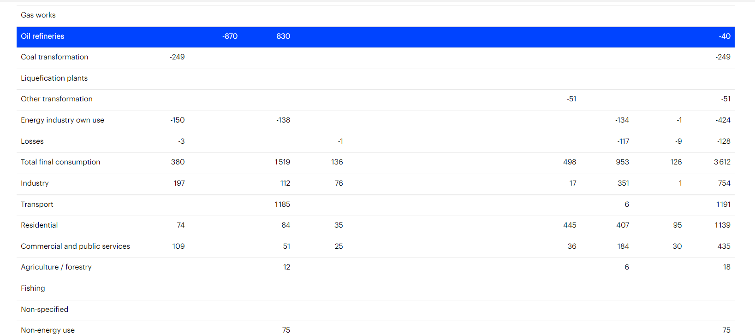
 |  |  |  |  |  |  |  |  |  |  |  |  |  |  |  | toplota | 6.8965517241

 |  |  |  |  |  |  |  |  |  |  |  |  | Gubici el
 |  |  |  |  |  |  |  |  |  |  |  |  | -7.6620825147 | %
 |  |  |  |  |  |  |  |  |  |  |  |  | Gubici toplote
 |  |  |  |  |  |  |  |  |  |  |  |  | -6.6666666667

 |  |  |  |  |  |  |  |  |  |  |  | TPES per capita | 88.546062072 | GJ/CAPITA
 |  |  |  |  |  |  |  |  |  |  |  | TPEES per gdp | 14.758558195 | GJ/$
 |  |  |  |  |  |  |  |  |  |  |  | Electricity consumpt/capita | 3.1387400001 | MWH/capita

