Sheet1
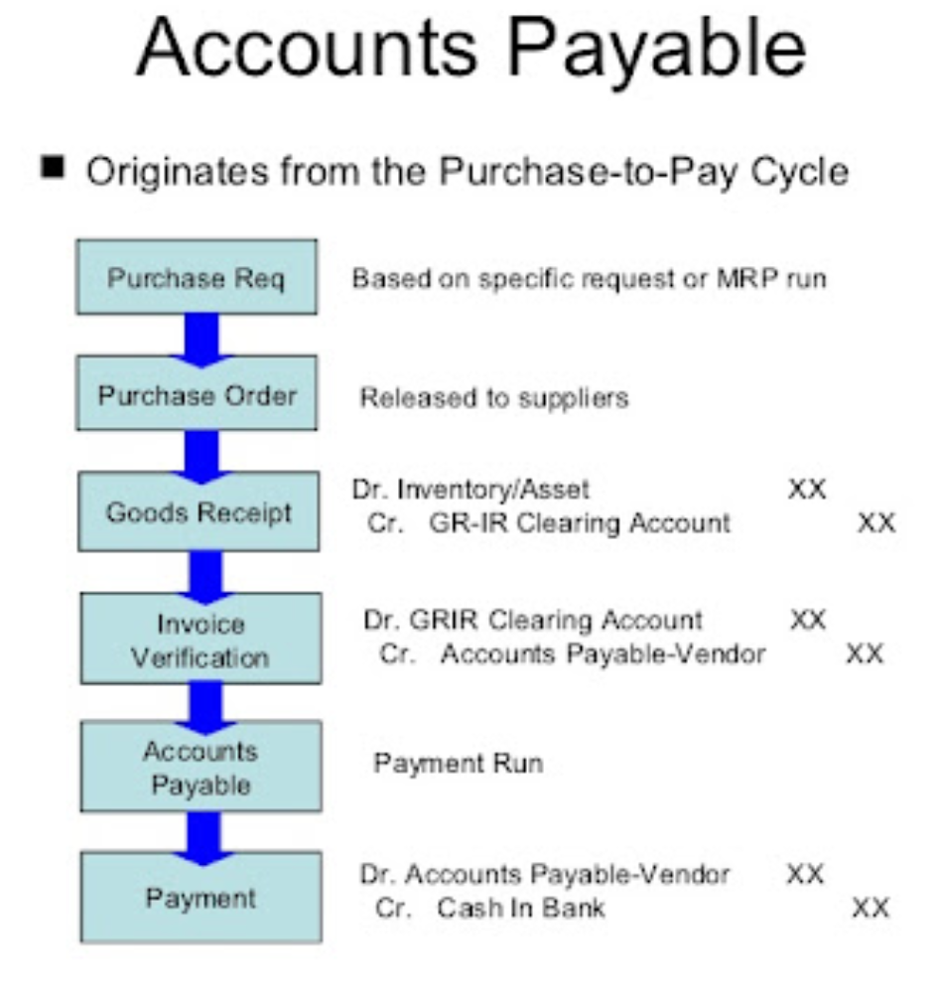
1000

 | Goods receipt | Debit | Inventory | 1000
 |  | Credit | GR/IR | -1000

 | Pr Inv receipt | Debit | Inventory | 1000
 |  | Credit | GR/IR | -1000

 | Release Inv | Debit | GR/IR | 1000
 |  | Credit | Vendor Payable | -1000

 | Payment | Debit | Vendor Payable | 1000
 |  | Credit | Cash/Bank Current | -1000

