Sheet1
Spire.XLS for Java Spire.XLS for Java is a professional Java Excel API that enables developers to create, manage, manipulate, convert and print Excel worksheets without using Microsoft Office or Microsoft Excel.

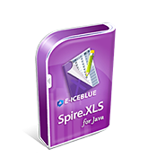

Monday
Tuesday
Wednesday
Thursday
Friday
Saturday
Sunday

