Sheet1

Spire.XLS for Java is a professional Java Excel API that enables developers to create, manage, manipulate, convert and print Excel worksheets without using Microsoft Office or Microsoft Excel.

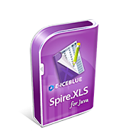
triangle
This is a TextBox. Spire.XLS supports to work with TextBox.

