Sheet1
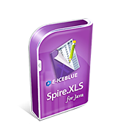
Spire.XLS for Java
Professional Excel Java API
Standalone Java Excel Development Master

