Optimization Solution
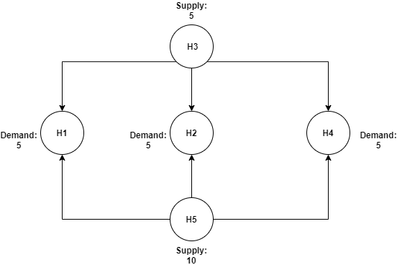
 | H(ij) | X coord | Y coord |  |  |  |  | Distance
 | H1 | 36 | 20 |  |  |  | H31 | 38.275318418
 | H2 | 23 | 30 |  |  |  | H32 | 26
 | H3 | 23 | 56 |  |  |  | H34 | 43.011626335
 | H4 | 10 | 15 |  |  |  | H51 | 34.438350715
 | H5 | 5 | 5 |  |  |  | H52 | 30.805843601
 |  |  |  |  |  |  | H54 | 11.180339887

 | H31 | H32 | H34 | H51 | H52 | H54
Number of respirators from i to j | 0 | 5 | 0 | 5 | 0 | 5

 | Y31 | Y32 | Y34 | Y51 | Y52 | Y54
Transport or not | 0 | 1 | 0 | 1 | 0 | 1

Cost of Yij | 200000 | 200000 | 200000 | 200000 | 200000 | 200000 | Total
Cost of H(ij) | 3827531.8418 | 2600000 | 4301162.6335 | 3443835.0715 | 3080584.3601 | 1118033.9887 | LBP 36,409,345.30 | Equal Right Hand Side
Node H1 | 1 |  |  | 1 |  |  | 5 | 5
Node H2 |  | 1 |  |  | 1 |  | 5 | 5
Node H3 | -1 | -1 | -1 |  |  |  | -5 | -5 | Total Cost in LBP
Node H4 |  |  | 1 |  |  | 1 | 5 | 5 | LBP 36,409,345.30
Node H5 |  |  |  | -1 | -1 | -1 | -10 | -10

 |  |  |  |  |  |  | Total | <= Right Hand Side
Node H1 | 1 |  |  |  |  |  | 0 | 0
Node H2 |  | 1 |  |  |  |  | 5 | 100000
Node H3 | 1 |  |  |  |  |  | 0 | 0
Node H4 |  |  | 1 |  |  |  | 0 | 0
Node H5 |  |  |  | 1 |  |  | 5 | 100000
Node H1 |  |  |  | 1 |  |  | 5 | 100000
Node H2 |  |  |  |  | 1 |  | 0 | 0
Node H3 |  | 1 |  |  |  |  | 5 | 100000
Node H4 |  |  |  |  |  | 1 | 5 | 100000
Node H5 |  |  |  |  | 1 |  | 0 | 0
Node H3 |  |  | 1 |  |  |  | 0 | 0
Node H5 |  |  |  |  |  | 1 | 5 | 100000

