Sheet1
Benchmarking

Competitor | Access? | Time and Sales | level 2 | quote board
smart quant | videos on website | "time, tick, volume and range bars" but can't seem to see true time and sales (only captured historical data shown on charts) | no | yes
QuantHouse | no | ````
Apama | no | no
Cyborg | videos on youtube | no | yes
CQG | user manual | yes: lists time in one column, then row of prices at that time, chronologically left to right. Bids vs. offers are indicated by 'a' or 'b' next to the price. You can click on buttons to hide or display other information next to the sales prices, such as volume, sales condition, cumulative volumen, and filtering by trades or or bids, asks or trades. (http://www.cqg.com/Docs/CQG_Basics_UG.pdf)
strategy runner | video | no
trader's studio | video | no
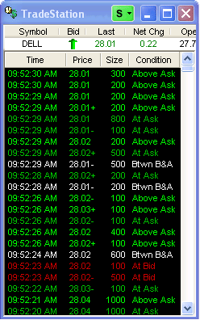
Neo Ticker | screen shots | yes: time, type, price, blue and pink colour code, grid lines, vertical scroll; http://www.tickquest.com/NeoTicker/mbtrading.html |  | yes
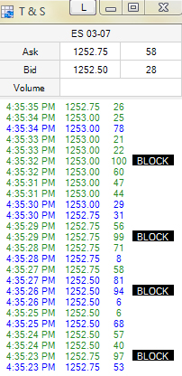
wealth lab | manual | no
right edge | demo | no
aegisoft | no | ````
metatrader | no | ````
realtick | tour | yes: time and sales is built into a larger widget called 'market maker'. Shows only time and volume. Can be colour coded for buy and sell (black w/ red and green in picture). | yes | yes | order entry for single trades
trade station | screen shots | yes: time, price, size, condition, colour coded, black background, summary at the top, vertical scroll (http://www.tradestation.com/strategy_testing/cust_desktop_features.shtm) note: condition column seems redundant if colour coding works | market depth window
ninja trader | screen shots | yes: white background, minimalist,
rithmic | no | ````
trade project | http://www.tradeproject.de/Video-Tours.38.0.html?&no_cache=1&L=1 (german?) | option for time and sales appears on a menu in the 'Market Order FDAXEng' video, but they don’t show it
real fast trader | screen shots | yes: red and blue for bid/offer; white text; time, price, size, type, mmid; vertical scroll
esignal | yes | yes: sets separate colours for background and foreground (like highlight); makes movement a bit less visible but easier on the eyes; filters aren't visible --> don't know what you filtered for; right click gives menu, doesn't automatically go to options list
bloomberg | yes: ask dan
meta stock | demo videos | doesn't show time and sales
orc | some screen shots | don't see it
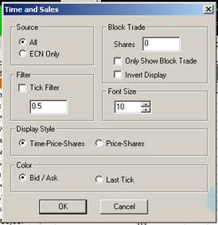
lens and partner AG | screen shots (in german) | bar graph along the bottom of charts; red and green colour coded, x-axis = time, y-axis= volume; price on the upper part of chart
worden | no | ````
sogo elite | video demos: http://elite.sogoinvest.com/# | time, price, shares; upticks in green, downticks in red; right click on window to access preferences; preference window copied and pasted

