Plan1
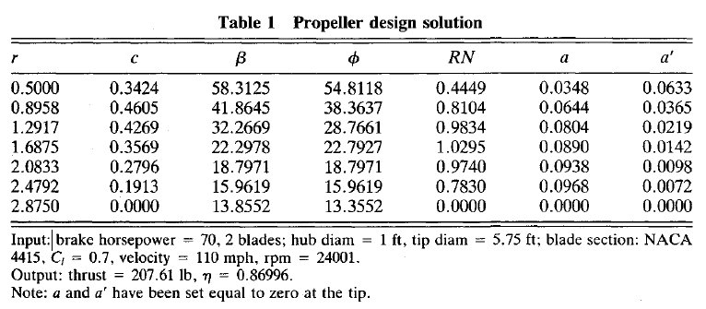
r | c | beta |  | B | 2
0.5 | 0.3424 | 58.3125 |  | hub_diameter | 1 | ft
0.8958 | 0.4605 | 41.8645 |  | D | 5.75 | ft
1.2917 | 0.4269 | 32.2669 |  | airfoil | NACA4415
1.6875 | 0.3569 | 22.2978 |  | Vax | 110 | mph
2.0833 | 0.2796 | 18.7971 |  | rpm | 2400
2.4792 | 0.1913 | 15.9619
2.875 | 0 | 13.8552

r | c | beta | r/R | B | 2
0.1524 | 0.10436352 | 58.3125 | 0.17391304348 | hub_diameter | 0.3048 | m
0.27303984 | 0.1403604 | 41.8645 | 0.3115826087 | D | 1.7526 | m
0.39371016 | 0.13011912 | 32.2669 | 0.44928695652 | airfoil | NACA4415
0.51435 | 0.10878312 | 22.2978 | 0.58695652174 | Vax | 49.1744 | m/s
0.63498984 | 0.08522208 | 18.7971 | 0.72462608696 | rpm | 2400
0.75566016 | 0.05830824 | 15.9619 | 0.86233043478
0.8763 | 0 | 13.8552 | 1

