Plan1
r | c | beta |  | B | 2 |  | Posição |  |  | Literatura |  |  | Calculado
0.5 | 0.3424 | 58.3125 |  | hub_diameter | 1 | ft | r [ft] | r[m] | r/R | phi | a | a' | phi | a | a'
0.8958 | 0.4605 | 41.8645 |  | D | 5.75 | ft | 0.5 | 0.1524 | 0.17391304348 | 54.8116 | 0.0348 | 0.0633 | 54.80853948 | 0.033308715812 | 0.064473938227
1.2917 | 0.4269 | 32.2669 |  | airfoil | NACA4415 |  | 0.8958 | 0.27303984 | 0.3115826087 | 38.3638 | 0.0644 | 0.0365 | 38.360455451 | 0.062814354297 | 0.037764421578
1.6875 | 0.3569 | 22.2978 |  | Vax | 110 | mph | 1.2917 | 0.39371016 | 0.44928695652 | 28.7661 | 0.0804 | 0.0219 | 28.76399261 | 0.079087049136 | 0.023060091835
2.0833 | 0.2796 | 18.7971 |  | rpm | 2400 |  | 1.6875 | 0.51435 | 0.58695652174 | 22.7927 | 0.089 | 0.0142 | 22.790971624 | 0.087806558911 | 0.015170977973
2.4792 | 0.1913 | 15.9619 |  | thurst | 207.61 | lb | 2.0833 | 0.63498984 | 0.72462608696 | 18.7971 | 0.0938 | 0.0098 | 18.795894539 | 0.092813050518 | 0.010653905887
2.875 | 0 | 13.8552 |  |  |  |  | 2.4792 | 0.75566016 | 0.86233043478 | 15.9619 | 0.0968 | 0.0072 | 15.961020857 | 0.095892800801 | 0.0078751580272
 |  |  |  |  |  |  | 2.875 | 0.8763 | 1 | 12.5682 | 0 | 0 | 12.586452795 | 0 | 0

r | c | beta | r/R | B | 2
0.1524 | 0.10436352 | 58.3125 | 0.17391304348 | hub_diameter | 0.3048 | m
0.27303984 | 0.1403604 | 41.8645 | 0.3115826087 | D | 1.7526 | m
0.39371016 | 0.13011912 | 32.2669 | 0.44928695652 | airfoil | NACA4415
0.51435 | 0.10878312 | 22.2978 | 0.58695652174 | Vax | 49.1744 | m/s
0.63498984 | 0.08522208 | 18.7971 | 0.72462608696 | rpm | 2400
0.75566016 | 0.05830824 | 15.9619 | 0.86233043478 | thurst | 923.4949542 | N
0.8763 | 0 | 13.8552 | 1 | eta | 0.86996
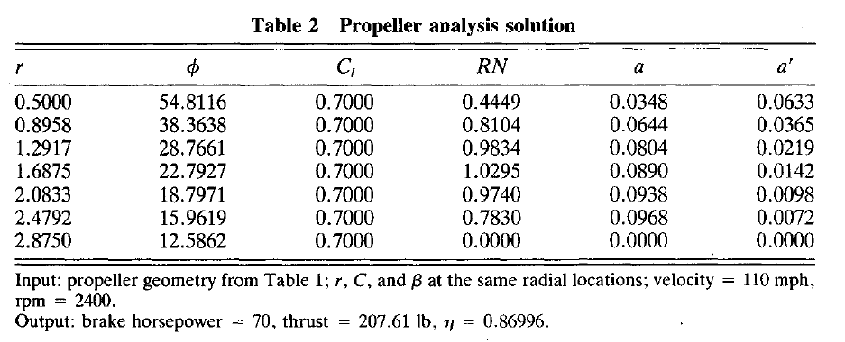

Cl linearirado |  |  | Cd linearizado
0 | 0.33472803347 |  | 0 | 0.016736401674
4.2328042328 | 0.74058577406 |  | 4.0211640212 | 0.029288702929
8.253968254 | 1.1087866109 |  | 8.3597883598 | 0.037656903766
10.476190476 | 1.2510460251 |  | 10.158730159 | 0.041841004184

