CGB_Summary
 |  | Region |  |  |  | Years |  |  |  |  |  |  |  |  |  |  |  |  |  |  | Methods |  |  |  |  | Species
N | Study # | VAC | CHP | JAX | GoM | 07 | 08 | 09 | 10 | 11 | 12 | 13 | 14 | 15 | 16 | 17 | 18 | 19 | 20 | OERC? | VS | PAM | IT | RS | CR | CBW | sfPW | SW | BW | FW | SeiW | HW | NARW | Oth | Notes
^ | 1 | x |  |  |  |  |  |  |  |  |  |  |  |  |  | X | X | X | X | R | x |  | X | x | x | x | x |  |  |  |  |  |  | x
i | 2 | x |  |  |  |  |  |  |  |  |  | X | X | X | X | X |  |  |  | O | x |  | X | x | x | x | x |  |  |  |  |  |  | x
i | 3 | x |  |  |  |  |  |  |  |  |  |  |  | X | X | X | X | X | X | O | x |  | X | x | x |  |  |  |  | x |  | x | x | x
i | 4 | x |  |  |  |  |  |  |  |  |  |  |  |  |  |  |  | X | X | R |  |  | X |  |  |  |  |  |  |  |  | x
i | 5 | x |  |  |  |  |  |  |  |  |  |  |  |  | X | X | X | X |  | O | X |  | x | x | x | x | x | x |  | x | x |  |  | x
i | 6 | x |  |  |  |  |  |  |  |  |  |  |  |  |  | X | X | X | X | O |  |  | X |  |  |  |  |  |  |  |  |  |  | x
i | 7 | x | x | x |  |  |  |  |  |  |  |  | X | X | X | X | X | X |  | O |  |  | X |  |  |  |  |  |  |  |  |  | x
i | 8 | x |  |  |  |  |  |  |  |  | X | X | X | X | X |  |  |  |  | R |  | X |  |  |  |  |  |  |  |  |  |  |  | x
i | 9 |  | x |  |  |  |  |  |  |  |  | X | X | X | X |  |  |  |  | O |  | X |  |  |  |  |  |  |  | x | x | x | x | x
i | 10 |  | x | x |  |  |  |  |  |  |  |  | X | X | X |  |  |  |  | R |  | X |  |  |  | x | x | x |  | x |  |  | x
i | 11A |  |  | x |  |  |  | X | X | X | X | X | X | X | X | X |  |  |  | O | X |  |  |  |  | x |  | x |  | x |  |  | x | x | Aerial
 | 11B |  | x |  |  | X | X | X | X | X |  |  |  |  |  |  |  |  |  | O | X |  |  |  |  | x |  | x |  | x |  |  | x | x | Aerial; Onslow Bay (inshore only?)
 | 11C | x |  |  |  |  |  |  |  | X | X | X | X | X | X | X |  |  |  | O | X |  |  |  |  | x |  | x |  | x |  |  | x | x | Aerial
i | 11D | x |  |  |  |  |  |  |  |  |  |  |  | X | X | X | X | X |  | O | X |  |  |  |  | x |  | x |  | x |  |  | x | x | Aerial
i | 12A |  |  | x |  |  |  | X | X | X | X | X | X | X |  |  |  |  |  | O | X |  | x | x | x | x | x | x |  |  |  |  |  | x | Vessel
i | 12B | x |  |  |  |  |  | X |  | X | X | X | X | X |  |  |  |  |  | O | X |  | x | x | x | x | x | x |  |  |  |  |  | x | Vessel
i | 12C |  | x |  |  | X | X | X | X | X | X | X | X | X |  |  |  |  |  | O | X |  | x | x | x | x | x | x |  |  |  |  |  | x | Vessel
i | 12D |  | x* |  |  |  |  |  | X | X | X | X |  |  |  |  |  |  |  | O | X |  | x | x | x | x | x | x |  |  |  |  |  | x | Vessel; *Camp Lejune (inshore only?)
i | 13A |  |  | x |  |  |  | X | X | X | X | X | X | X | X | X | X | X | X | O |  | X |  |  |  | x |  |  | x | x | x |  | x | x
i | 13B |  | x* |  |  | X | X | X | X | X | X | X |  |  |  |  |  |  |  | O |  | X |  |  |  | x |  |  | x | x | x |  | x | x | *Onslow Bay (inshore only?)
i | 13C | x |  |  |  |  |  |  |  |  | X | X | X | X | X | X | X | X | X | O |  | X |  |  |  | x |  |  | x | x | x |  | x | x
i | 13D | x |  |  |  |  |  |  |  |  |  |  | X | X | X | X | X | X | X | O |  | X |  |  |  | x |  |  | x | x | x |  | x | x
i | 14 | x |  |  |  |  |  |  |  |  | X | X | X | X |  |  |  |  |  | O | X | x |  |  |  |  |  |  |  |  |  | x |  | x | coastal CPODs
S | 15 |  |  |  | x |  |  |  |  |  |  |  |  | X | X | X |  |  |  | O |  | X |  |  |  |  |  |  |  | x | x | x | x

 | Note: | Species and methods are just summarised across all effort - there are likely differences once exploring each site/period survey - this can be explored further in main effort.

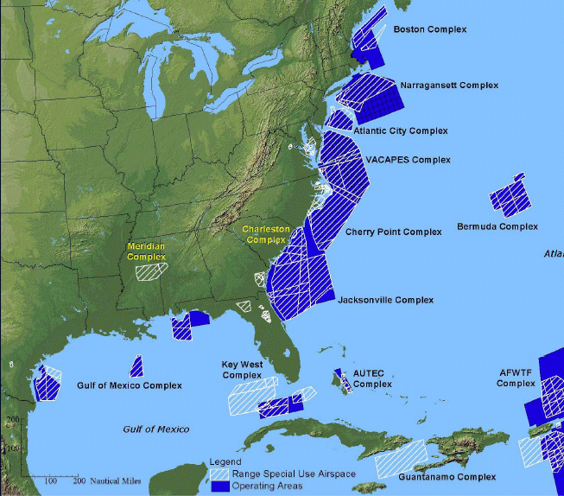
 | Source: https://www.globalsecurity.org/military/facility/range-navy.htm |  |  |  |  |  |  |  |  |  |  |  |  |  |  |  |  |  |  | Occurrence (O), Exposure (E), Response (R), Consequences ( C)
 |  |  |  |  |  |  |  |  |  |  |  |  |  |  |  |  |  |  |  | VACAPES |  |  |  |  |  |  |  |  |  |  |  |  |  | Aerial line transect surveys conducted off Jacksonville, North Carolina, and Virginia mainly JAX – Jan 2009 through November 2017 Onslow Bay – July 2007 through April 2011 Hatteras – May 2011 through August 2017 VACAPES (Norfolk Canyon region) – March 2015 through August 2019 - HDR took over these after 2017 VACAPES (VAQ on-shelf) – January 2016 through June 2017
 |  |  |  |  |  |  |  |  |  |  |  |  |  |  |  |  |  |  |  | Cape Hatteras
 |  |  |  |  |  |  |  |  |  |  |  |  |  |  |  |  |  |  |  | Cherry Point
 |  |  |  |  |  |  |  |  |  |  |  |  |  |  |  |  |  |  |  | Jacksonville
 |  |  |  |  |  |  |  |  |  |  |  |  |  |  |  |  |  |  |  | Gulf of Maine
 |  |  |  |  |  |  |  |  |  |  |  |  |  |  |  |  |  |  |  | Individual tracking (e.g. tagging or focal follows(
 |  |  |  |  |  |  |  |  |  |  |  |  |  |  |  |  |  |  |  | Visual surveys
 |  |  |  |  |  |  |  |  |  |  |  |  |  |  |  |  |  |  |  | PAM
 |  |  |  |  |  |  |  |  |  |  |  |  |  |  |  |  |  |  |  | Remote sampling (e.g. biopsies_)
 |  |  |  |  |  |  |  |  |  |  |  |  |  |  |  |  |  |  |  | Capture-recapture (e.g. Photo-ID) |  |  |  |  |  |  |  |  |  |  |  |  |  |  | Atlantic:​ | Pacific:​
 |  |  |  |  |  |  |  |  |  |  |  |  |  |  |  |  |  |  |  | All codes are latin name first letter (Ziphius cavirostris = Zc) |  |  |  |  |  |  |  |  |  |  |  |  |  |  | Cuvier’s beaked whale​ | Cuvier’s beaked whale​
 |  |  |  |  |  |  |  |  |  |  |  |  |  |  |  |  |  |  |  | (dontocetes and mysticetes appear grouped roughly) |  |  |  |  |  |  |  |  |  |  |  |  |  |  | SF pilot whale​ | Mesoplodon spp.​
 |  |  |  |  |  |  |  |  |  |  |  |  |  |  |  |  |  |  |  |  |  |  |  |  |  |  |  |  |  |  |  |  |  |  | Sperm whale​ | Humpback whale​
 |  |  |  |  |  |  |  |  |  |  |  |  |  |  |  |  |  |  |  |  |  |  |  |  |  |  |  |  |  |  |  |  |  |  | ​ | Blackfish species​
 |  |  |  |  |  |  |  |  |  |  |  |  |  |  |  |  |  |  |  |  |  |  |  |  |  |  |  |  |  |  |  |  |  |  | Humpback whale​ | SF pilot whale​
 |  |  |  |  |  |  |  |  |  |  |  |  |  |  |  |  |  |  |  |  |  |  |  |  |  |  |  |  |  |  |  |  |  |  | Fin whale​ | Pseudorca​
 |  |  |  |  |  |  |  |  |  |  |  |  |  |  |  |  |  |  |  |  |  |  |  |  |  |  |  |  |  |  |  |  |  |  | NA Right whale | PMRF PAM​
 |  |  |  |  |  |  |  |  |  |  |  |  |  |  |  |  |  |  |  |  |  |  |  |  |  |  |  |  |  |  |  |  |  |  |  | Minke, Bryde’s whale

