Facilities List
TIER
TIER 1 |  | CONTENTS |  |  |  |  |  |  |  |  | TIER 2 | CONTENTS CUSTOMIZED FOR EACH TIER 1 |  |  |  |  | 内容字段需留出自定义编辑内容的信息框，并包含二级字段内容
行政区 | Administrative Region |  |  |  |  |  |  |  |  |  | 是否内部 | 是 | 否
楼盘名称 | Estate Name |  |  |  |  |  |  |  |  |  | 面积
停车位 | Parking | Above Ground | Underground | Others |  |  |  |  |  |  | 配套信息
园林景观 | Greenery Scenes |  |  |  |  |  |  |  |  |  | 与小区距离
基础设施 | Basic Facilities |  |  |  |  |  |  |  |  |  | 配套等级 | 优 | 良 | 一般 | 差 | 很差
环境 | Environment | Natural | Human |  |  |  |  |  |  |  | 备注
交通 | Transportation | Subway / Train | Public Bus
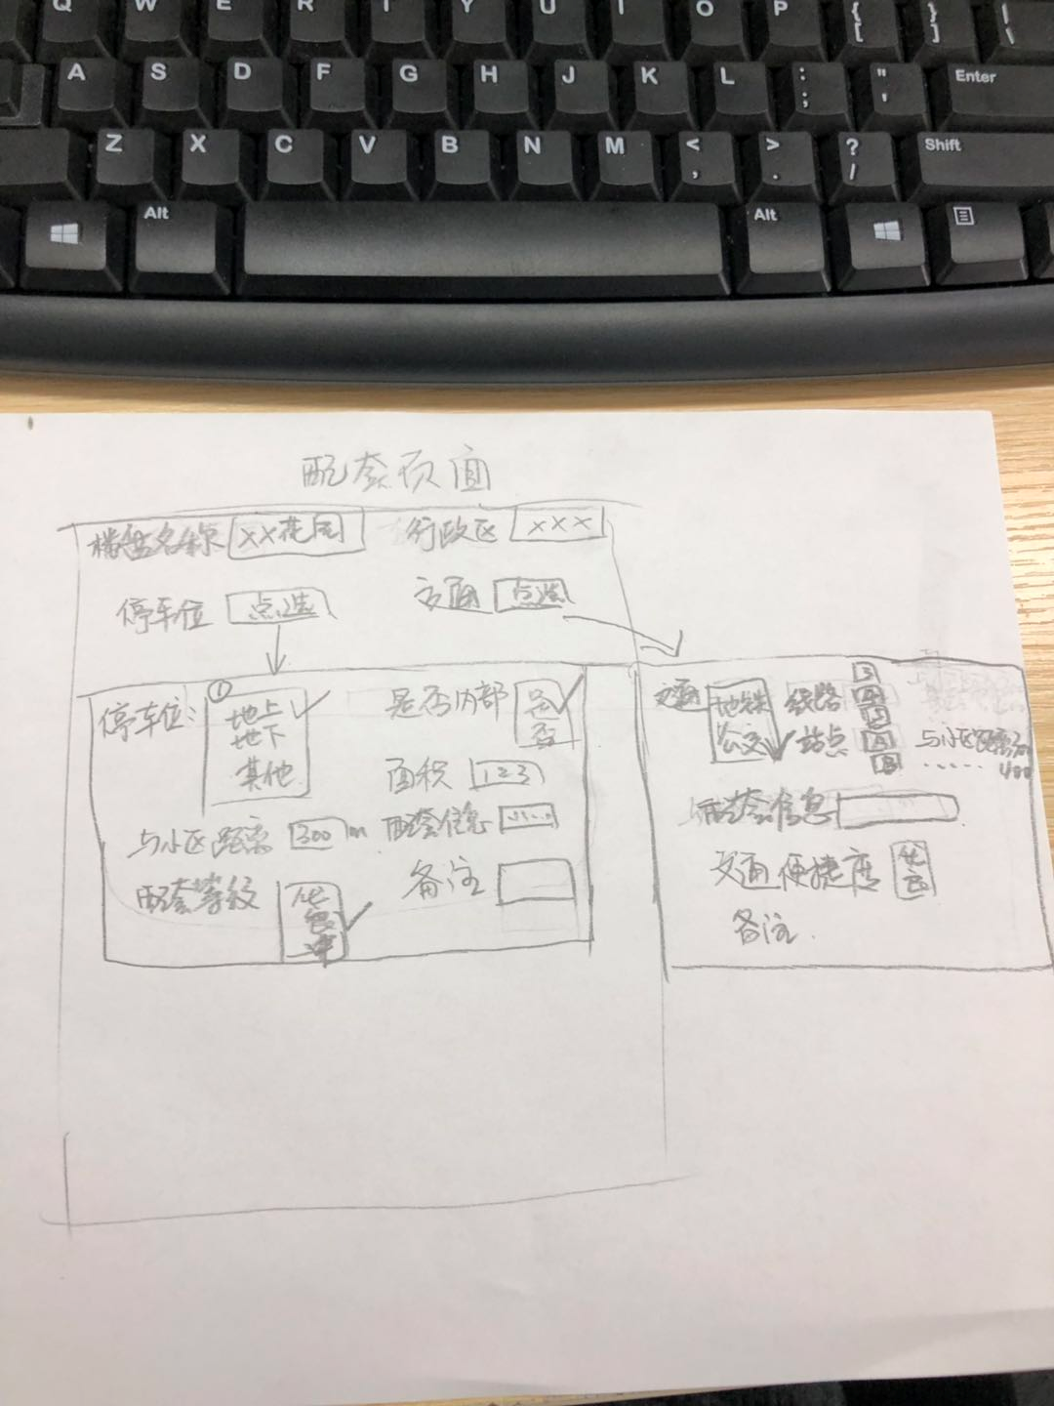
教育 | Education | Nursery / Kindergarten | Primary | Middle School | High School | Occupation Senior High | Specialized Secondary Schools | Technical School | Senior High | Others
商业 | Commercial | Shopping Center | Department Store | Markets | Wet Markets | Supermarket | Drug Stores | Others
医疗 | Medical | 3A Hospital | 2A Hospital | Community Hospital | Others | None
文娱 | Entertainment | Club | Cinema | Theatre | KTV | Resort | 俱乐部
公园 | Parks | City Grade | Area Grade | Community Grade
银行 | Banks | Branch | ATM
增值因素 | Value-Adding Factors
厌恶设施 | Undesirable Factors
污染状况 | Pollution
其他配套 | Others

