📸 UCSC AlphaMissense+REVEL
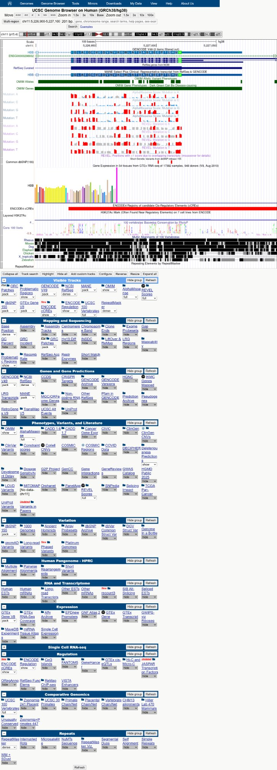
UCSC Genome Browser – HBB chr11:5,226,900-5,227,100 | AlphaMissense & REVEL Tracks
Red bars = Pathogenic | Blue bars = Benign | Grey = Uncertain. Top 4 rows: AlphaMissense scores for Mutation A/C/G/T. Bottom 4 rows: REVEL scores for Mutation A/C/G/T. Position chr11:5,227,002 (HBB c.20A>T p.Glu6Val) shows maximum red signal.

📸 AlphaMissense Zoomed
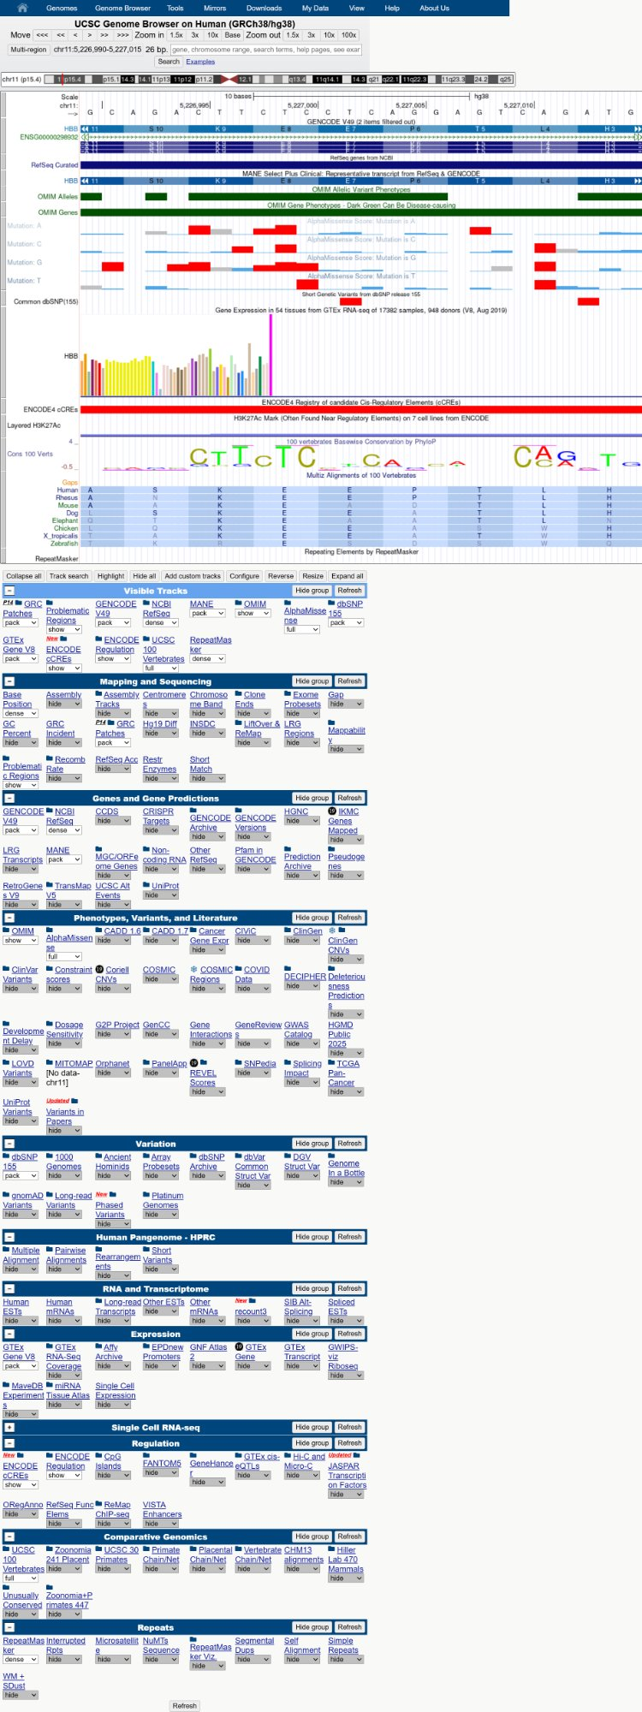
UCSC Genome Browser – AlphaMissense Score Detail | HBB Gene Region
AlphaMissense scores for all 4 possible nucleotide mutations across HBB exon 1. Score 0.9941 at c.20A>T position (p.Glu6Val) – classified LIKELY PATHOGENIC.

📸 OMIM CF #219700
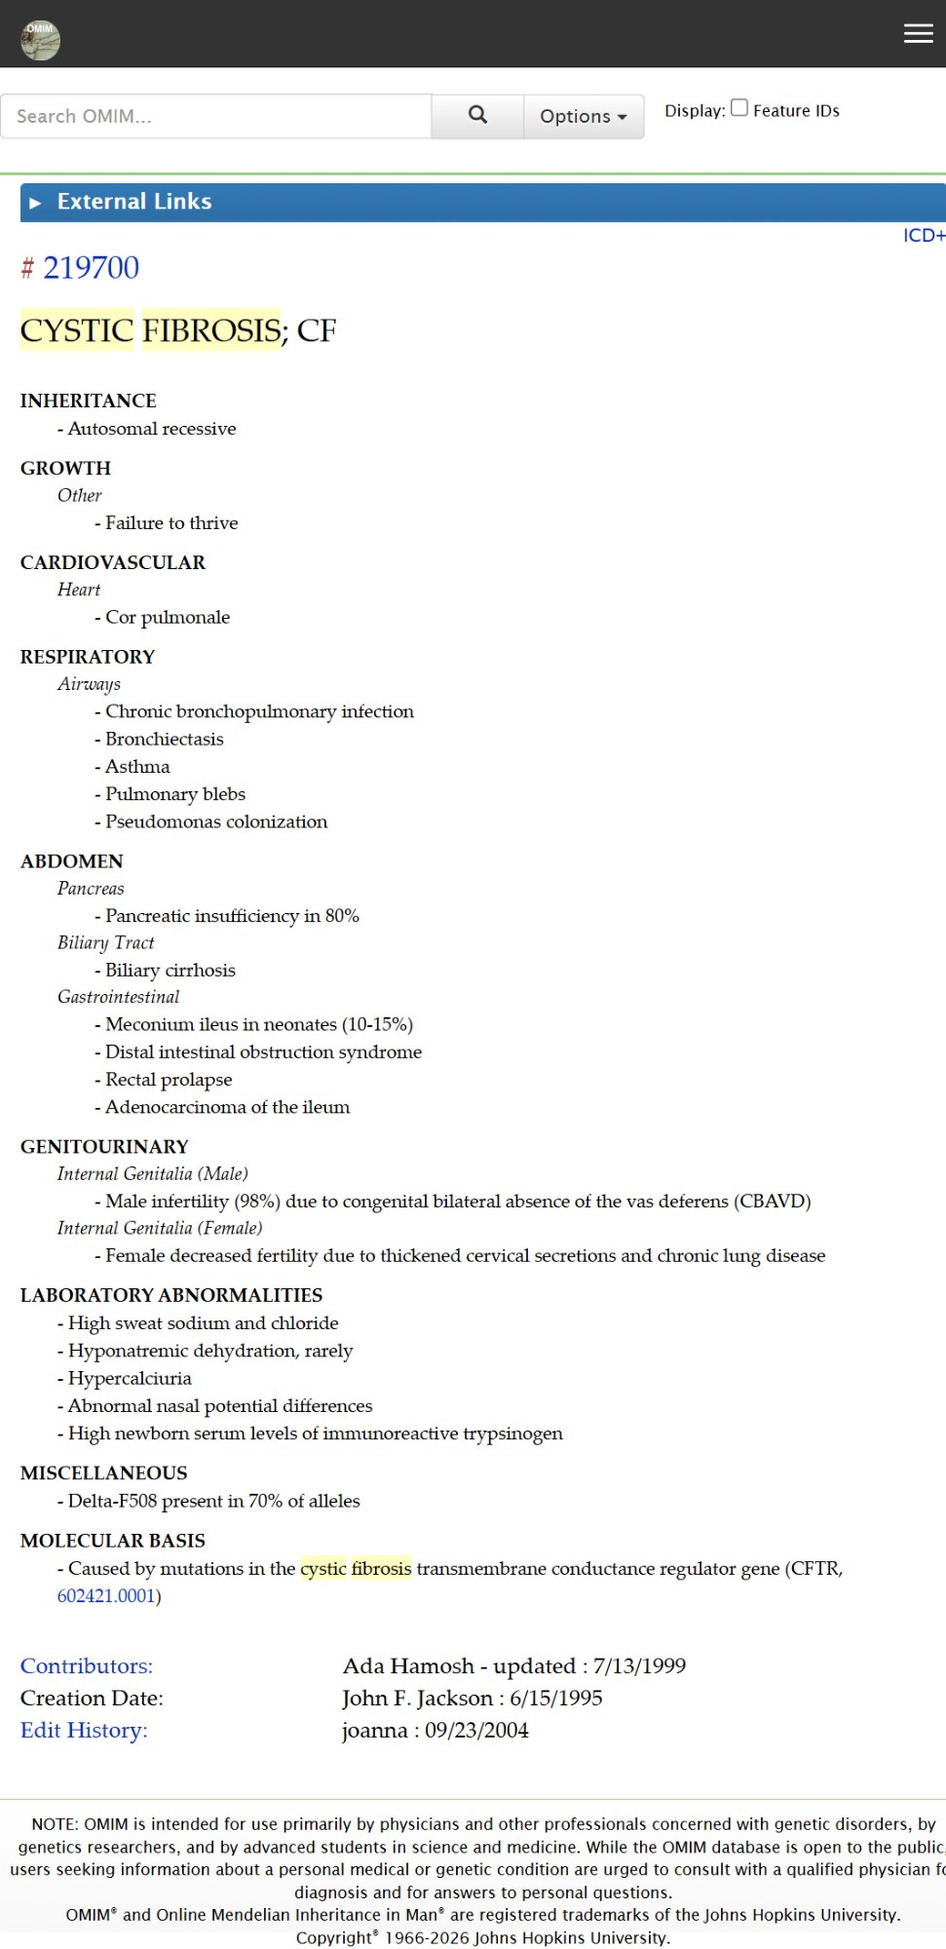
OMIM #219700 – Cystic Fibrosis Clinical Synopsis
OMIM Clinical Synopsis for Cystic Fibrosis (MIM #219700). Gene: CFTR (MIM #602421). Inheritance: Autosomal Recessive. Key features: respiratory, pancreatic insufficiency, elevated sweat chloride, male infertility.

📸 OMIM SCD #603903
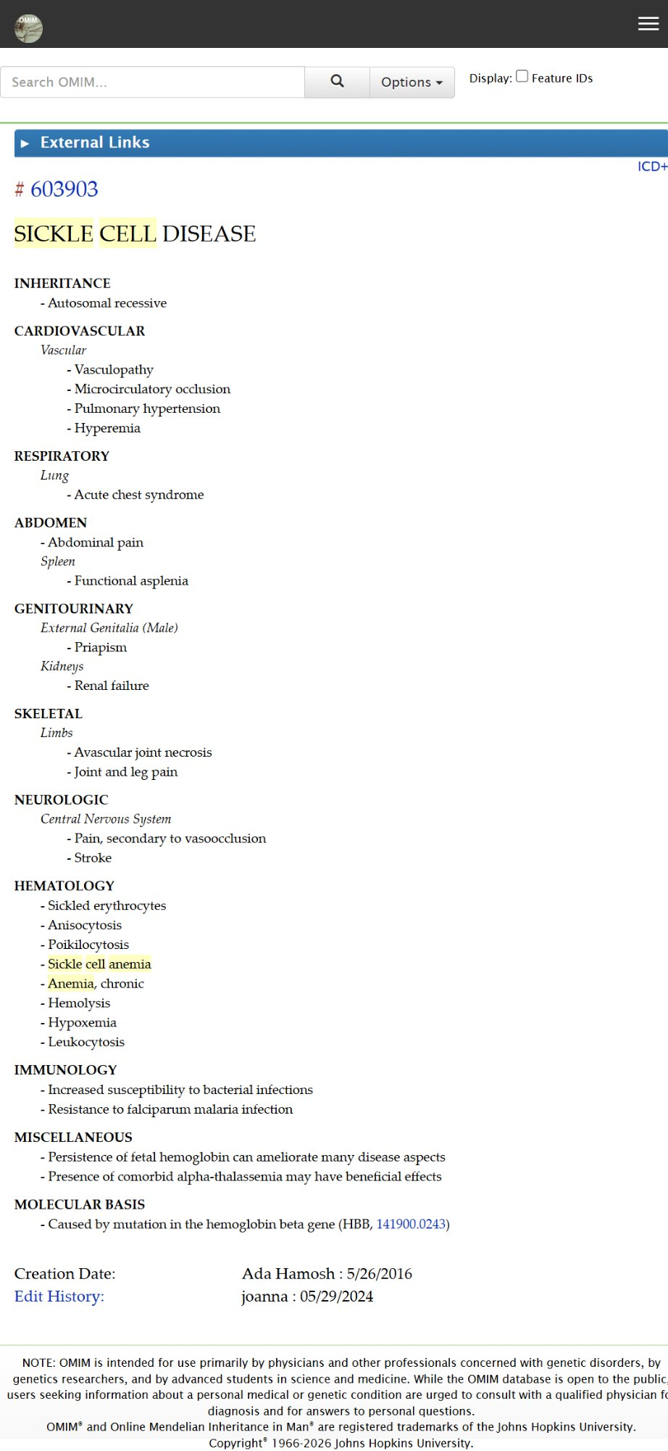
OMIM #603903 – Sickle Cell Disease Clinical Synopsis
OMIM Clinical Synopsis for Sickle Cell Disease (MIM #603903). Gene: HBB (MIM #141900). Inheritance: Autosomal Recessive. Key features: vaso-occlusion, haemolytic anaemia, acute chest syndrome, stroke.

📸 OMIM HD #143100
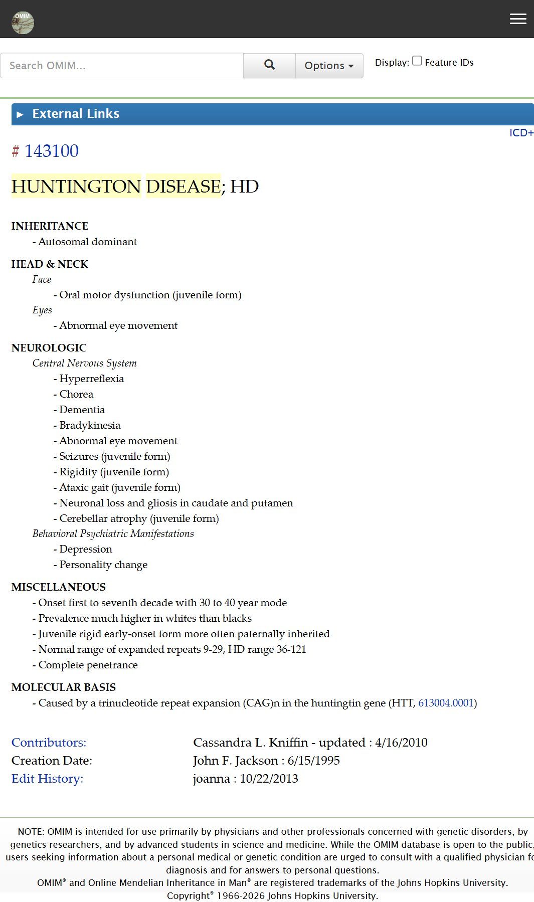
OMIM #143100 – Huntington Disease Clinical Synopsis
OMIM Clinical Synopsis for Huntington Disease (MIM #143100). Gene: HTT (MIM #613004). Inheritance: Autosomal Dominant. Key features: chorea, dementia, psychiatric manifestations, CAG repeat expansion.

