link info
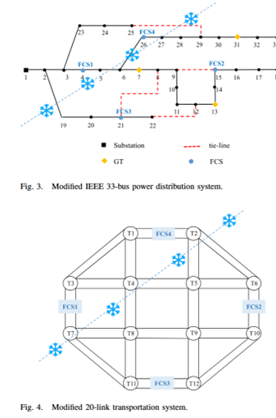
 | link-i | link-j | capacity | free-flow travel time | distance
1 | 1 | 3 | 144 | 6.0
2 | 1 | 2 | 160 | 10.0
3 | 2 | 6 | 136 | 6.5
4 | 1 | 4 | 78 | 5.0
5 | 2 | 5 | 63 | 5.5
6 | 3 | 4 | 68 | 6.0
7 | 4 | 5 | 108 | 12.0
8 | 5 | 6 | 65 | 6.5
9 | 3 | 7 | 152 | 10.2
10 | 4 | 8 | 112 | 11.5
11 | 5 | 9 | 110 | 12.5
12 | 6 | 10 | 160 | 10.5
13 | 7 | 8 | 71 | 5.8
14 | 8 | 9 | 105 | 11.0
15 | 9 | 10 | 73 | 5.9
16 | 7 | 11 | 140 | 6.3
17 | 8 | 11 | 76 | 5.7
18 | 9 | 12 | 72 | 5.8
19 | 12 | 10 | 148 | 6.1
20 | 11 | 12 | 160 | 9.8
21 | 3 | 1 | 144 | 6.0
22 | 2 | 1 | 160 | 10.0
23 | 6 | 2 | 136 | 6.5
24 | 4 | 1 | 78 | 5.0
25 | 5 | 2 | 63 | 5.5
26 | 4 | 3 | 68 | 6.0
27 | 5 | 4 | 108 | 12.0
28 | 6 | 5 | 65 | 6.5
29 | 7 | 3 | 152 | 10.2
30 | 8 | 4 | 112 | 11.5
31 | 9 | 5 | 110 | 12.5
32 | 10 | 6 | 160 | 10.5
33 | 8 | 7 | 71 | 5.8
34 | 9 | 8 | 105 | 11.0
35 | 10 | 9 | 73 | 5.9
36 | 11 | 7 | 140 | 6.3
37 | 11 | 8 | 76 | 5.7
38 | 12 | 9 | 72 | 5.8
39 | 10 | 12 | 148 | 6.1
40 | 12 | 11 | 160 | 9.8

time_demand
Hour | demand
1 | 0.52
2 | 0.53
3 | 0.55
4 | 0.66
5 | 0.98
6 | 1.59
7 | 2.28
8 | 2.60
9 | 2.28
10 | 1.59
11 | 0.98
12 | 0.67
13 | 0.57
14 | 0.60
15 | 0.76
16 | 1.08
17 | 1.57
18 | 2.05
19 | 2.25
20 | 2.05
21 | 1.57
22 | 1.08
23 | 0.75
24 | 0.60

