coiling time
9AM | 12PM | 4PM
8 | 15 | 15
11 |  | 19
15 | 17 | 20
11 | 17 | 20
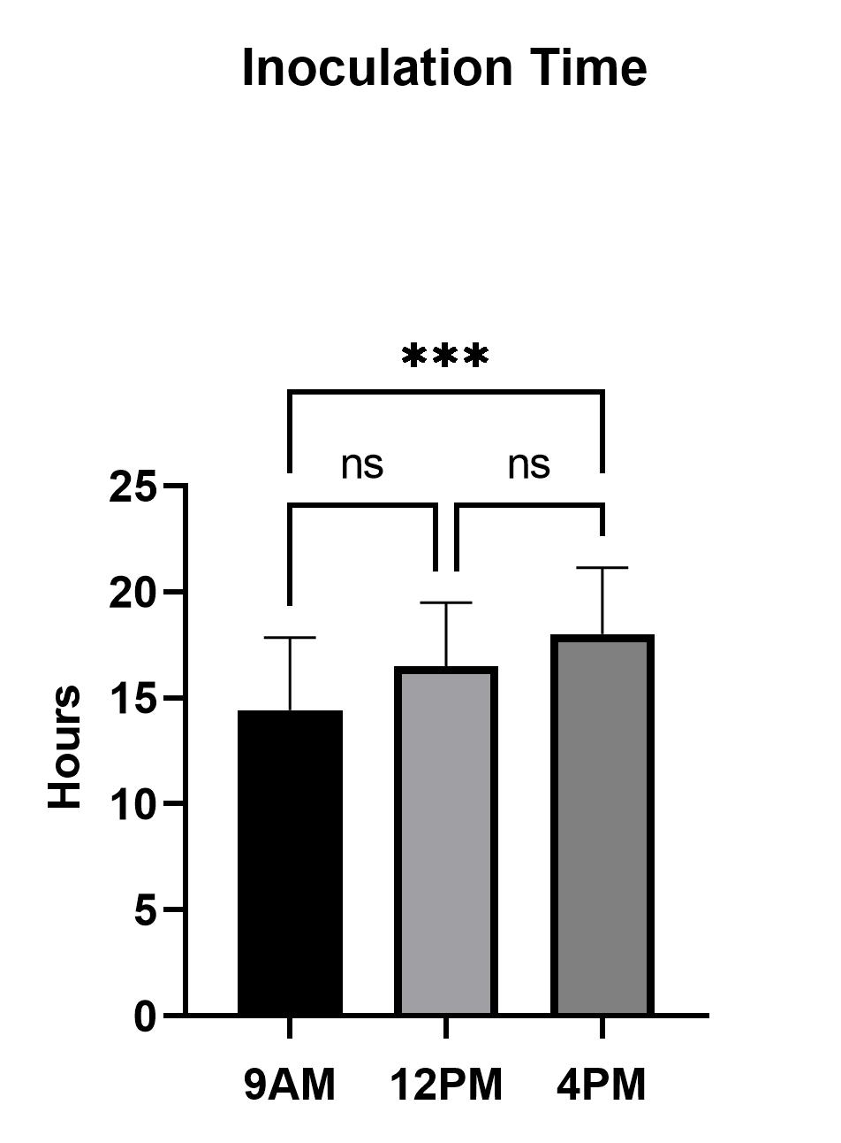
15 | 13 | 18
18
21 | 14 | 23
17 | 19 | 17
15 | 14 | 21
15 | 18 | 16
12 |  | 14
20 | 23 | 12
12 | 18 | 16
15 | 18 | 18
16 | 14 | 14
13 | 18
9 | 16 | 20
15 | 15 | 18
9 | 11 | 15
15 | 16 | 18
17 | 12 | 24
13 | 20 | 14
15 | 17 | 17
11 |  | 19
16 | 15 | 21
14 | 14
16 | 18 | 14
18 | 15 | 22
9
22 | 18 | 17
16 |  | 18
10 | 16
18 | 13
13 | 20 | 24
15 | 24 | 18

% coiling
9AM | 12PM | 4PM
100 | 80 | 80
100 | 80 | 80
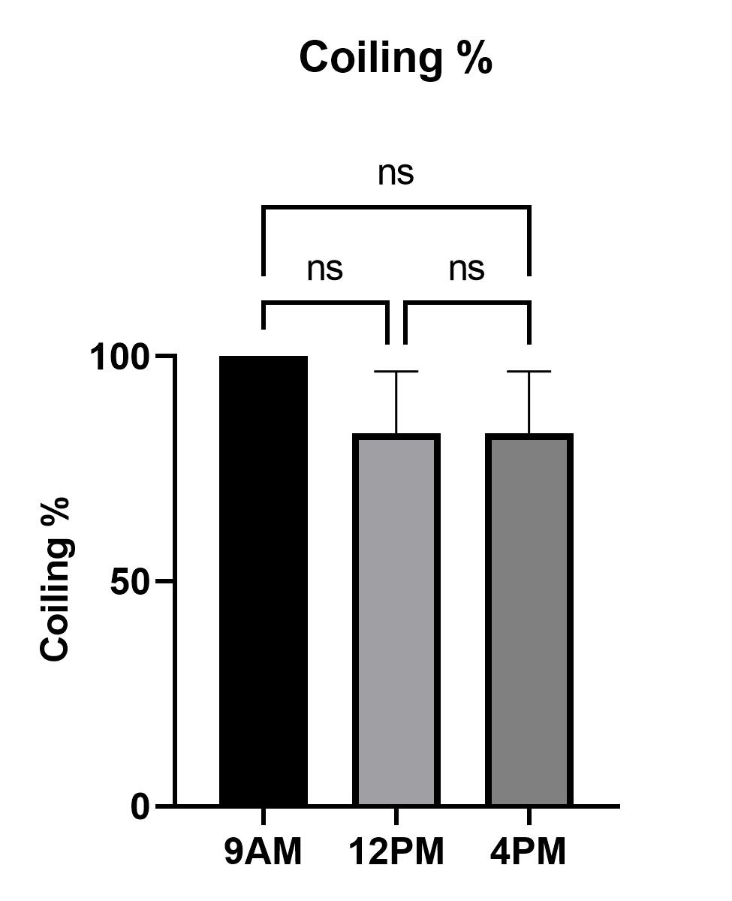
100 | 60 | 100
100 | 80 | 80
100 | 100 | 60
100 | 80 | 80
100 | 100 | 100

initiate coiling
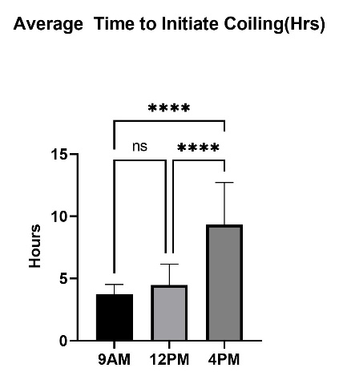
9AM | 12PM | 4PM
3 | 1 | 7
3 | 6 | 10
4 | 3 | 8
3 | 5 | 11
5 | 6 | 8
4
4 | 5 | 10
3 | 4 | 7
5 | 3 | 13
4 | 2 | 9
4 |  | 4
4 | 7 | 6
3 | 5 | 9
3 | 5 | 6
3 | 3 | 8
3 | 4 | 12
3 | 4 | 12
4 | 3 | 13
4 | 5 | 3
4 | 6 | 9
5 | 4 | 9
4 | 3 | 9
3 | 4 | 9
4 |  | 13
5 | 4 | 15
5 | 6
3 | 9 | 5
4 | 3 | 10
3 | 5
2 | 4 | 10
4 | 4 | 11
4 | 4
5 | 4
4 | 8 | 19
3 |  | 5

original data
Date | Replication | Inoculation Time | # of Coiled Stems(out of 5) | Time to Complete Coiling(Hrs): | 1 | 2 | 3 | 4 | 5 | Average Inoculation Time(Hrs) | Average # of Coiled Stems
2022-06-08 | 9am Rep 1 | 9:10am | 5 |  | 8 | 17 | 16 | 13 | 9 | 12.6 | 4.2
2022-06-13 | 9am Rep 2 | 9:48am | 5 |  | 11 | 15 | 13 | 15 | 22 | 15.2
2022-06-29 | 9am Rep 3 | 9:40am | 5 |  | 15 | 15 | 9 | 11 | 16 | 13.2
2022-07-20 | 9am Rep 4 | 9:41am | 5 |  | 11 | 12 | 15 | 16 | 10 | 12.8
2022-08-01 | 9am Rep 5 | 9:27am | 5 |  | 15 | 20 | 9 | 14 | 18 | 15.2 |  |  | Mean and SD
2022-08-11 | 9am Rep 6 | 9:31am | 5 |  | 18 | 12 | 15 | 16 | 13 | 14.8
2022-08-15 | 9am Rep 7 | 9:38pm | 5 |  | 21 | 15 | 17 | 18 | 15 | 17.2
2022-06-14 | 12pm Rep 1 | 12:19pm | 4 |  | 15 | 19 | 14 | 20 | N/A | 17
2022-06-22 | 12pm Rep 2 | 12:50pm | 4 |  | N/A | 14 | 18 | 17 | 18 | 16.75
2022-07-11 | 12pm Rep 3 | 12:27pm | 3 |  | 17 | 18 | 16 | N/A | N/A | 17
2022-07-13 | 12pm Rep 4 | 12:51pm | 4 |  | 17 | N/A | 15 | 15 | 16 | 15.75
2022-07-18 | 12pm Rep 5 | 12:51pm | 5 |  | 13 | 23 | 11 | 14 | 13 | 14.8
2022-07-28 | 12pm Rep 6 | 12:34pm | 4 |  | N/A | 18 | 16 | 18 | 20 | 18
2022-08-04 | 12pm Rep 7 | 12:32pm | 5 |  | 14 | 18 | 12 | 15 | 24 | 16.6
2022-06-09 | 4pm Rep 1 | 4:24pm | 4 |  | 15 | 17 | 14 | 14 | N/A | 15
2022-06-28 | 4pm Rep 2 | 4:50pm | 4 |  | 19 | 21 | N/A | 17 | 17 | 18.5
2022-07-06 | 4pm Rep 3 | 4:35pm | 5 |  | 20 | 16 | 20 | 19 | 18 | 18.6
2022-07-21 | 4pm Rep 4 | 4:28pm | 4 |  | 20 | 14 | 18 | 21 | N/A | 18.25
2022-08-02 | 4pm Rep 5 | 4:28pm | 3 |  | 18 | 12 | 15 | N/A | N/A | 15
2022-08-09 | 4pm Rep 6 | 4:38pm | 4 |  | N/A | 16 | 18 | 14 | 24 | 18
2022-08-17 | 4pm Rep 7 | 4:21pm | 5 |  | 23 | 18 | 24 | 22 | 18 | 21
 |  |  |  |  |  |  |  |  |  | #DIV/0!
 |  |  |  |  |  |  |  |  |  | #DIV/0!
 |  |  |  |  |  |  |  |  |  | #DIV/0!

Figure.2
 |  | Mean | SEM | p-value
 | 9am | 14.4 | 0.6271
 | 12pm | 16.6 | 0.3858 | 0.0135 with 9am
 | 4pm | 17.8 | 0.806 | 0.0067 with 9am, 0.2016 with 12pm

*error bars= sem value

Date | Replication | Inoculation Time | # of Coiled Stems(out of 5) | Start Time of Coiling(Hrs): | 1 | 2 | 3 | 4 | 5 | Average Time to Initiate Coiling(Hrs)
2022-06-08 | 9am Rep 1 | 9:10am | 5 |  | 3 | 3 | 3 | 4 | 3 | 3.2
2022-06-13 | 9am Rep 2 | 9:48am | 5 |  | 3 | 5 | 3 | 3 | 2 | 3.2
2022-06-29 | 9am Rep 3 | 9:40am | 5 |  | 4 | 4 | 3 | 4 | 4 | 3.8
2022-07-20 | 9am Rep 4 | 9:41am | 5 |  | 3 | 4 | 4 | 5 | 4 | 4
2022-08-01 | 9am Rep 5 | 9:27am | 5 |  | 5 | 4 | 4 | 5 | 5 | 4.6
2022-08-11 | 9am Rep 6 | 9:31am | 5 |  | 4 | 3 | 4 | 3 | 4 | 3.6
2022-08-15 | 9am Rep 7 | 9:38pm | 5 |  | 4 | 3 | 5 | 4 | 3 | 3.8
2022-06-14 | 12pm Rep 1 | 12:19pm | 4 |  | 1 | 4 | 3 | 3 | 5 | 3.2
2022-06-22 | 12pm Rep 2 | 12:50pm | 4 |  | 6 | 3 | 4 | 4 | 4 | 4.2
2022-07-11 | 12pm Rep 3 | 12:27pm | 3 |  | 3 | 2 | 4 | N/A | 4 | 3.25
2022-07-13 | 12pm Rep 4 | 12:51pm | 4 |  | 5 | N/A | 3 | 4 | 4 | 4
2022-07-18 | 12pm Rep 5 | 12:51pm | 5 |  | 6 | 7 | 5 | 6 | 4 | 5.6
2022-07-28 | 12pm Rep 6 | 12:34pm | 4 |  | 19* | 5 | 6 | 9 | 8 | 7
2022-08-04 | 12pm Rep 7 | 12:32pm | 5 |  | 5 | 5 | 4 | 3 | 16* | 4.25
2022-06-09 | 4pm Rep 1 | 4:24pm | 4 |  | 7 | 7 | 8 | 9 | N/A | 7.75
2022-06-28 | 4pm Rep 2 | 4:56pm | 4 |  | 10 | 13 | 12 | 9 | 10 | 10.8
2022-07-06 | 4pm Rep 3 | 4:35pm | 5 |  | 8 | 9 | 12 | 13 | 11 | 10.6 |  | Mean and SD
2022-07-21 | 4pm Rep 4 | 4:28pm | 4 |  | 11 | 4 | 13 | 15 | N/A | 10.75
2022-08-02 | 4pm Rep 5 | 4:28pm | 3 |  | 8 | 6 | 3 | N/A | N/A | 5.6666666667
2022-08-09 | 4pm Rep 6 | 4:38pm | 4 |  | N/A | 9 | 9 | 5 | 19 | 10.5
2022-08-17 | 4pm Rep 7 | 4:21pm | 5 |  | 10 | 6 | 9 | 10 | 5 | 8

Average Time to Initiate Coiling
 |  | Avg Time to Initiate Coiling
 | 9am | 3.7428571429
 | 12pm | 4.5
 | 4pm | 9.1523809524

 | Inoculation percentage
 | 9am | 100
 | 12pm | 82.857142857
 | 4pm | 82.857142857

Inoculation Percentage

