Sheet1
Ntwk Congestion Causes: end systems send too much data too fast for ntwk/routers to handle Costs/Consequences: (1) long delays from queuing in router buffers, (2) dropped packets, (3) slow ACKs cause unnecessary retransmission, (4) eventual congestion collapse | 2 Approaches to Handle Ntwk Congestion (1) Host inference: A source host attempts to infer congestion in the network core based on observables (e.g. round trip time, dropped packets) (2) Network core assistance: The network core senses when congestion is an issue & sends messages. Routers provide feedback to senders or use ICMP. |  | Forwarding Table in a datagram ntwk’s router matches ranges of addresses to output ports, rather than matching each address to its own output port.

TCP Segment Structure
 |  |  |  |  |  |  |  |  |  |  | Output Port Contention |  | Head-Of_Line Blocking
 |  |  | 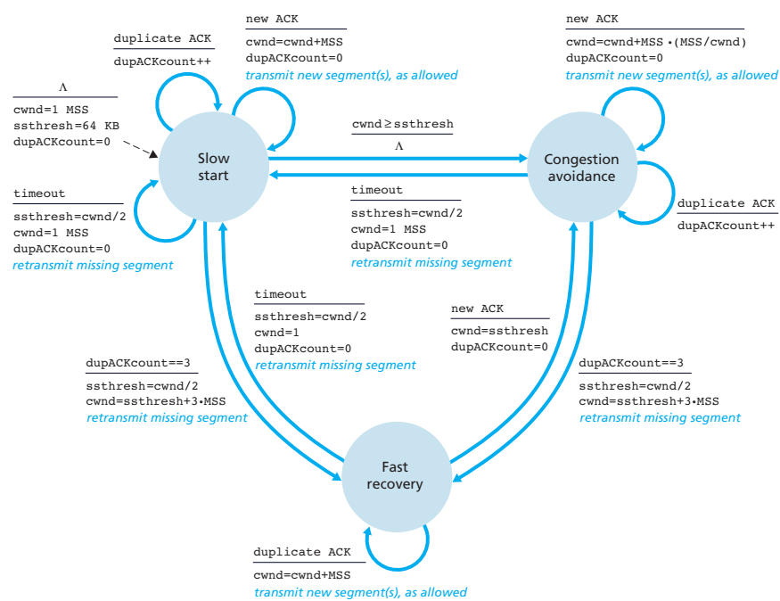 HostA has established a TCP connection with HostB in a remote network. HostA is sending packets to HostB. Assume we have configured TCP, somehow, to ACK every segment (no ACKing every other segment). Assume that the timeout is the same for all packets. HostB’s “window size” is 20000 bytes. HostB has already received and acknowledged everything sent by HostA’s application up to and including byte #2,838. HostA now sends segments of the same application data stream in order: P: 436 bytes Q: 498 bytes R: 466 bytes Suppose segments P, Q, and R arrive at Host B in order. What is the acknowledgment number on the segment sent in response to segment R? 2839 + 436 + 498 + 466 = 4239 |  |  |  |  |  |  |  | Queuing required (at each output port) if datagrams arrive from fabric faster than the link’s transmission rate

 | First hop router = first router a datagram is passed to from the source host on the path to the destination host. |  |  |  |  |  |  |  |  |  | IP Datagram Header

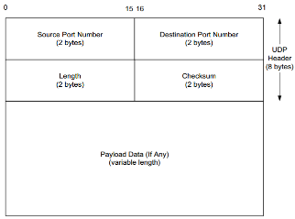
 | Virtual-Circuit Network = connection-oriented network layer implies a virtual-circuit network. TCP. Benefits = (1) guaranteed bandwidth, (2) timing jitter, (3) ideal for for streaming a/v. |  |  |  |  |  |  |  |  | Datagram overhead 20 bytes of TCP/UDP 20 bytes of IP = 40 bytes for every packet
Delay vs. Utilization D = D0 / (1 - U) D = effective delay, U = ntwk utilization, D0 = Delay when ntwk has no traffic Example: Suppose that “no-traffic delay” D0 is 2 ms, and the network is used at 65% of capacity. D = 2ms/(1-0.65) = 5.7ms

UDP Segment Structure
UDP Header = 8 bytes
 | Datagram Network = connectionless network layer implies a datagram network. UDP. Benefits = (1) less overhead, (2) stateless
 |  |  |  |  |  |  |  |  |  | IP Header Min = 20B
 |  |  |  |  |  |  |  |  |  | IP Header Max = 60B
 |  |  |  |  |  |  |  |  |  | Max Payload = 65495B
 | EstimatedRTT = exponential weighted moving average based on recent and past sampled round trip time values. DevRTT = factor which increases when the most recent sampled round trip time is different from the most recent estimated round trip time |  |  |  |  |  |  |  |  | Max Datagram = 65535B
Congestion Control Goals (1) Optimize utilization (2) Handle causes of network congestion (3) Detect congestion Avoid congestion (4) React to congestion |  |  |  |  |  |  |  |  |  |  |  |  | 3 Types of Multiple Access Protocol 1) Channel Partitioning - divide channel into smaller pieces (TDM/FDM) - exclusive channel use 2) Random Access - allow collisions - recover from collisions - difficult to guarantee #2 3) Taking turns - nodes with more to send can take longer turns - supervisor required, does not satisfy criterion #3
 |  |  |  | Assume a TCP sender is continuously sending 1,144-byte segment. If a TCP receiver advertises a window size of 8,895 bytes, and with a link transmission rate 40 Mbps an end-to-end propagation delay of 14.4 ms, what is the utilization? Assume no errors, no processing or queueing delay, and ACKs transmit instantly. Also assume the sender will not transmit a non-full segment. Give answer in percentages, rounded to one decimal place, without units. segments = 8895 / 1144 = 7.7753496503496503496503496503497 = 7 segments L = 1144 bytes = 1144 * 8 = 9152 bits R = 40 Mbps = 40000 bpms t_prop = 14.4 ms t_trans = L/R = 9152 / 40000 = 0.2288 ms RTT = t_prop * 2 = 14.4 * 2 = 28.8 ms delay per packet = RTT + t_trans = 28.8 + 0.2288 = 29.0288 ms utilization = segments * t_trans / delay per packet = 7 * 0.2288 / 29.0288 = 0.05517279391500854323981700931489 * 100 = 5.5%
 |  |  |  |  |  |  | When using an RSA algorithm to construct private and public keys for a public key encryption system, choose prime numbers p and q, and then calculate n = pq, z = (p-1)(q-1). Then choose e and d to create the public key and the private key . Suppose that p = 5, and q = 11. Which of the following values will work for d and e? Check all that apply |  | IPv6 Addressing 1) 128-bit addresses 2) routers use longest matching prefix 3) IPv6 represents addresses in colon hexadecimal (colon hex), with /bits to specify netmask example: 69DC:8864:FFFF:FFFF:0:1280:8C0A:FFFF /64 4) Zero-compression - series of zeroes indicated by two colons - example: FF0C:0:0:0:0:0:0:B1 → FF0C::B1 - An IPv6 address with 96 leading zeros is interpreted as an IPv4 address

 |  |  | HostB has already received and acknowledged everything sent by HostA’s application up to and including byte #1,255. HostA now sends segments of the same application data stream in order: P: 324 bytes, Q: 300 bytes, R: 201 bytes Suppose the segments arrive at Host B in the order Q, P, and R. What is the acknowledgment number on the segment sent in response to segment R? 1256 + 300 + 324 + 201 = 2081

EstimatedRTT_n = (1-α)*EstimatedRTT_n-1 + α*SampleRTT_new DevRTT_n = (1-β)*DevRTT_n-1 + β*|SampleRTTnew - EstimatedRTT_n-1| (Typically β = 0.25, α = 0.125) TimeoutInterval = EstimatedRTT + 4*DevRTT |  |  |  |  | A datagram with the destination IP address 158.30.143.30 would be routed to Port 3 .

 |  |  |  |  | Using the version of Dijkstra's Algorithm discussed in the lectures (see below), and the network configuration in the graph (see below), to calculate the shortest path from node H to node B. What is the 3rd node to be eliminated from the set S = {A,B,C,D,E,F,G}? D What is the full shortest path from node H to node B? (e.g. for a path from H to D you would type "H-D" without the quotes) H-G-E-A-C-B What is the cost of the shortest path from node H to node B? 8 Fill in the complete routing table for node H, as it would be calculated by Dijkstra's algorithm and stored inside router H. Node Dst Rx Px A4 4 G E B7 8 G C C6 7 G A D2 3 D H E3 3 G G F5 4 G G G1 1 G H H0 * * * H-G-E-A-C-B 1+2+1+3+1 = 8
 |  |  |  |  |  |  | e = 29, d = 63 / e = 7, d = 63 / e = 5, d = 29 n = pq = 5*11 = 55 z = (p-1)(q-1) = 4*10 = 40 e < n , e has no common factors with z=40 (ed-1) % z = 0 --> (7 * 63 - 1) mod 40 = 0 ed % z = 1
MSS (Maximum Segment Size) Upper limit on amount of data that can be sent in the largest link-layer frame on the sending host (usually 1460 bytes) | TCP Fairness If n TCP sessions share the same bottleneck link of bandwidth R, each should have average rate of R/n (1) TCP is fair to each connection, (2) Not necessarily fair to each host

 |  |  | A host starts a TCP transmission with an EstimatedRTT of 38.3ms (from the “handshake”). The host then sends 3 packets and records the RTT for each: SampleRTT1 = 28.9 ms SampleRTT2 = 16.2 ms SampleRTT3 = 32.6 ms (NOTE: SampleRTT1 is the “oldest”; SampleRTT3 is the most recent.) Using an exponential weighted moving average with a weight of 0.4 given to the most recent sample, what is the EstimatedRTT for packet #4? Give answer in miliseconds, rounded to one decimal place, without units, so for an answer of 0.01146 seconds, you would enter "11.5" without the quotes. EstimatedRTT = 38.3 ms SampleRTT1 = 28.9 ms SampleRTT2 = 16.2 ms SampleRTT3 = 32.6 ms EstimatedRTT = (1-a) * EstimatedRTT_(n-1) + a * SampleRTT1 EstimatedRTT_1 = (1-0.4) * 38.3 + 0.4 * 28.9 = 34.54 EstimatedRTT_2 = (1-0.4) * 34.54 + 0.4 * 16.2 = 27.204 EstimatedRTT_3 = (1-0.4) * 27.204 + 0.4 * 32.6 = 29.3624

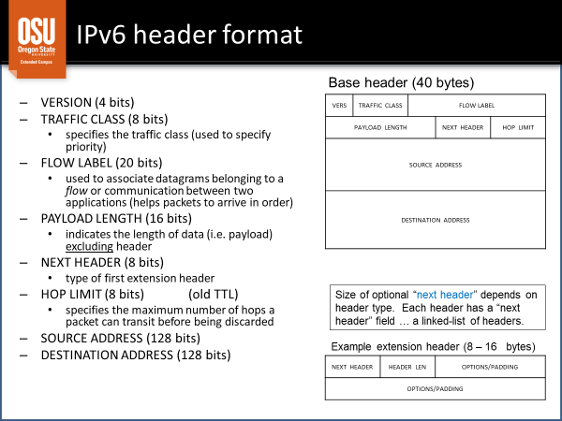
AIMD = additive-increase, multiplicative - decrease |  |  |  |  |  |  |  |  |  |  |  |  |  | Random Access Protocol 1) transmit at full link speed 2) two or more nodes transmitting simultaneously causes collision 3) Ex. = CSMA (Carrier Sense Multiple Access)

TCP Slow Start (1) When connection begins, CongWin= 1MSS (2) increase rate expo-nentially until first loss event, (3) initial rate is slow but increases exponentially fast (4) After 3 DUP's, CongWin/=2. (5) After Timeout event, CongWin=1MSS | TCP connection setup 1) SYN: Client sends segment to Server with SYN=1, ACK=0, SEQNO=Client#. 2) SYN ACK: Server sends segment to Client with SYN=1, ACK=1, seqno=Server#, and ACK=(1st segment’s seqno + 1). 3) ACK: Client host sends segment to Server with ACK=1, SYN=0, and ACKNO=(prev segment’s seqno + 1). Note that this segment may contain actual application data in the payload

Compare UDP and TCP (1) UDP provides: (1a) connectionless service, (1b) end-to-end best-effort (unreliable) delivery (2) TCP provides (2a) connection-oriented service, (2b) end-to-end reliable byte stream delivery (3) Both use: (3a) IP (network layer) for delivery to destination, (3b) send to / receive from multiple applications, (3c) de-multiplex to destination application protocol ports (4) Header: (4a) UDP has 8-byte header, (4b) TCP has 20-byte header min |  |  |  | Put the following steps in the correct order for new host "Jetpack" joining a network with a DHCP-enabled server "Rhino". 1) Jetpack sends Jetpack to "DHCP Discover" to IP Broadcast Address 2) Rhino sends "DHCP Offer" to IP Broadcast Address 3) Jetpack sends DHCP Request to IP Broadcast Address 4) Rhino sends DHCP Acknowledgement to IP Broadcast Address
 | TCP Connection Takedown 1) FIN: Client sends to Server FIN=1, ACK=0, seqno=Client# 2) FIN ACK: Server sends to Client ACK=1, FIN=0, ACKNO = NextServerSeqNo. 3) FIN: Server sends to Client FIN=1, ACK=0, SEQNO = NextServerSeqNo 4) FIN ACK: Client sends to Server ACK=1, FIN=0, ACK = ClientPrevSeqNo

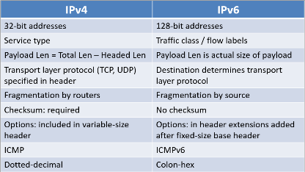
 |  |  |  |  | 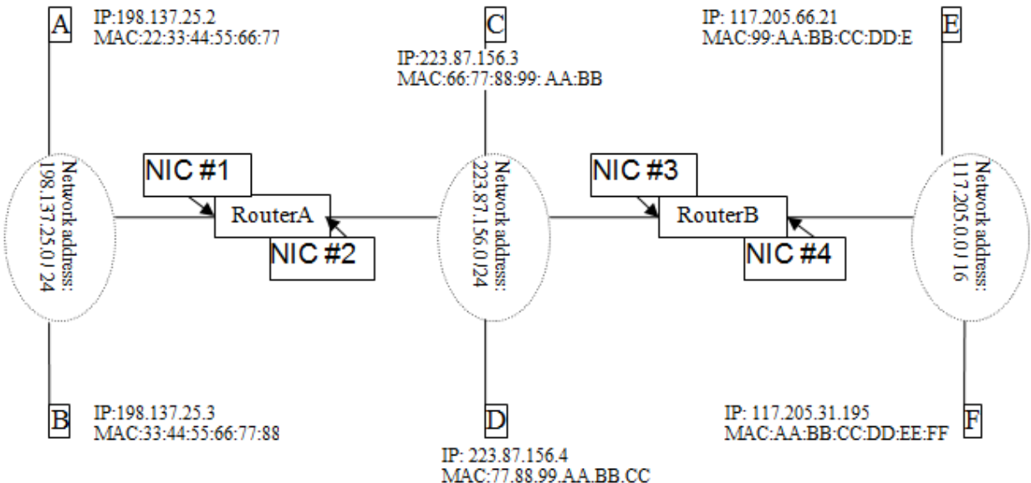 Select words/phrases from the dropdown menus to define the process of sending a message from host A to host D in the diagram below. Each phrase may be used zero or more times 1. A finds that D belongs to a different subnet by checking [ D's IP address ] 2. A looks up [ RouterA's NIC#1 IP address ] in its routing table. 3. A uses ARP to get [RouterA's NIC#1 MAC address] . 4. A creates frame with [RouterA's NIC#1 MAC address] as destination. Frame contains IP datagram with [D's IP address] as destination. 5. A’s NIC sends frame and RouterA’s NIC receives it. 6. RouterA removes IP datagram from frame, learns that its destination is [D's IP address] . 7. RouterA uses ARP to get [D's MAC address] . 8. RouterA creates frame with [D's MAC address] as destination. Frame contains IP datagram with [D's IP address] as destination. 9. RouterA’s NIC sends frame and D’s NIC receives it |  | ARP = Address Resolution Protocol ARP table: maps IP, MAC address for some LAN nodes
 | TCP Fairness Calculation Given a 1 Gbps link with TCP applications A, B, and C. Application A has 3 TCP connections to a remote web server; application B has 1 TCP connection to a mail server; application C has 4 connections to a remote web server. According to TCP “fairness” …during times when all connections are transmitting, how much bandwidth should each application have? 3+1+4=8 TCP connections 1Gbps=1000 Mbps total 1000 Mbps/8conn = 125 Mbps/conn A gets 3/8 = 375 Mbps B gets 1/8 = 125 Mbps C gets 4/8 = 500 Mbps
 |  |  | Given a 5 Gbps link with TCP applications A, B, and C. Application A has 48 TCP connections to a remote web server Application B has 3 TCP connection to a mail server Application C has 3 TCP connections to a remote web server. According to TCP "fairness", during times when all connections are transmitting, how much bandwidth should Application C have? (Give answer in Mbps, rounded to one decimal place, without units. So for an answer of 1234,567,890 bps you would enter "1234.6" without the quotes.) R = 5 Gbps = 5 * 1000 = 5000 Mbps n = 48+3+3 = 54 connections R/n = 5000 / 54 = 92.592592592592592592592592592593 Mbps = 92.6 Mbps/connection APP_C_BW = 3 connections * 92.6 = 277.8 Mbps
 |  |  |  | For the IPv4 CIDR address 153.10.22.56 /22, what is the… - Netmask / Ntwk Address / Host Mask / Broadcast Address / Number of Possible Hosts / Host Number 153.10.22.56 /22 10011001 00001010 000101/10 00111000 (host address) (153.10.22.56) 11111111 11111111 111111/00 00000000 (netmask) (255.255.252.0) 00000000 00000000 000000/11 11111111 (host mask) (0.0.3.255) 10011001 00001010 00010110 00111000 (host address) (153.10.22.56) 00000000 00000000 00000011 11111111 (host mask) (0.0.3.255) [OR] 10011001 00001010 00010111 11111111 (broadcast addr) (153.10.23.255) 10011001 00001010 00010110 00111000 (host address) (153.10.22.56) 00000000 00000000 00000011 11111111 (host mask) (0.0.3.255) [AND] 00000000 00000000 00000010 00111000 (host number) (568) 10011001 00001010 00010110 00111000 (host address) (153.10.22.56) 10011001 00001010 00010100 00000000 (network addr) (153.10.20.0) 32-22=10, 2^10-2 = 1022 (total host addresses on network)

Network Congestion Causes: 1) Reliable Data Transfer schemes 2) High utilization 3) Dropped TCP packets 4) Parallel TCP connections 5) Typical internet usage

 |  |  |  |  |  |  |  |  | CSMA/CD - 1) carrier sensing, deferral as in CSMA / 2) collisions detected within short time / 3) colliding transmissions aborted, reducing channel wastage / 4) used in wired LANs |  |  | Collision detection: - easy in wired LANs - difficult in wireless LANs received signal strength > local transmission strength

DHCP: Dynamic Host Configuration Protocol: 1) application layer protocol, DHCP client-server 2) dynamically “lease” IP address from a server when joining the network 3) IP address can be reused by other hosts if released 4) IP lease can be renewed while still connected
 |  |  |  |  |  |  | In a network graph… • Nodes represent routers & hosts • Edges represent direct connections between routers • Weights represent costs • A shortest path from node A to node G is the set of edges to traverse from A to G with the smallest sum of weights • links are communication channels that connect adjacent nodes along communication path (wired/wireless link layer) | For an machine using 2-dimensional even parity for error detection/correction, and the following received bytes, where is the error? If there is no error, select "No Error" for both boxes. Bits are numbered left-toright and top-down, indexed 1 => 7 then Parity. Byte 2, Bit 4 |  |  | CSMA/CA - Wireless uses collision avoidance (CA) instead of collision detection (CD) 1) Transmitting computer sends very short "reservation" message to receiver 2) Destination responds with short message reserving slot for sender

 | Imagine a mythical set of protocols with the following details. Maximum Link-Layer data frame: 1,117 bytes Network-Layer header size: 11 bytes Transport-Layer header size: 7 bytes What is the size, in bytes, of the MSS? (Give answer without units) Maximum Segment Size. This is the maximum amount of transport-layer data which can be sent, such that it will fit within one link-layer data frame. This ranges from the 500s for a dial-up modem to around 1460 for cable internet. 1117 - 11 - 7 = 1099 bytes

 |  |  | Given a effective delay of 32ms when network usage is 77%, what is the effective delay when network usage = 13% ? (Give answer is miliseconds, rounded to one decimal place, without units. So for an answer of 0.10423 seconds you would enter "104.2" without the quotes). D0 = 32 * (1-0.77) = 7.36 EffDelay = 7.36 / (1-0.13) = 8.459770114942528735632183908046 ms = 8.5 ms |  |  |  |  |  |  |  | Taking-Turns Protocol 1) Polling (serial transmision on linear master-slave nttwk) 2) Token Passing (round robin msg'ing) (control token passed from one node to next sequentially)

What can cause queueing at a router's input ports? 1) Slow outbound link transmission rate. 2) Output port contention 3) Head of Line blocking

 |  |  |  |  |  |  |  |  |  |  | Bus Topology - 1) Each computer has connector to shared cable (medium) / 2) Uses CSMA/CD MA protocol
 |  |  |  |  |  |  | transport layer: logical communication between processes relies on, enhances, network layer services the transport-layer unit is called a segment network layer: logical communication between hosts relies on, enhances, link layer services the network-layer unit is called a datagram data-link layer: logical communication between adjacent nodes relies on, enhances, network layer services the link-layer unit is called a frame

What can cause packet queueing at a router's output port? 1) Slow outbound link transmission rate 2) Multiple data flows requiring the same outbound link | Select the appropriate new CongWin sizes for the following TCP Reno congestion scenario. Assume ssthresh is initially set to 8 MSS: 1. Connection Established with new server host. CongWin = 1 MSS 2. ACK(s) received from first segment set. CongWin = 2 MSS 3. ACK(s) received from next segment set. CongWin = 4 MSS 4. ACK(s) received from next segment set. CongWin = 8 MSS 5. ACK(s) received from next segment set. CongWin = 9 MSS 6. ACK(s) received from next segment set. CongWin = 10 MSS 7. Timeout occurs. CongWin = 1 MSS , ssthresh = 5 MSS 8. ACK(s) received from next segment set. CongWin = 2 MSS |  |  |  | Link Layer Responsibilities = 1) provide hardware addresses used in frame headers, 2) encapsulate datagram into frame, 3) get access to shared medium

 |  |  |  |  |  |  |  | Ring Topology - Computers connected in a closed loop . Data passed to each node using token ring MA protocol
 |  |  | Select the appropriate new CongWin sizes for the following TCP Reno congestion scenario. Assume ssthresh is initially set to 8 MSS: 1. Connection Established with new server host. CongWin = 1 MSS 2. ACK(s) received from first segment set. CongWin = 2 MSS 3. ACK(s) received from next segment set. CongWin = 4 MSS 4. ACK(s) received from next segment set. CongWin = 8 MSS 5. ACK(s) received from next segment set. CongWin = 9 MSS 6. ACK(s) received from next segment set. CongWin = 10 MSS 7. Triple Duplicate ACK occurs. CongWin = 8 MSS, ssthresh = 5 MSS 8. ACK(s) received from next segment set. CongWin = 9 MSS | Suppose that a 1600-byte datagram (identification #20) must transit a network which has a 740-byte MTU. Assume the minimum IP and TCP header sizes, i.e., the IP header is 20 bytes and the TCP header is 20 bytes. How many fragments are created? 3 fragments ceil((1600-20)/(740-20)) = ceil(2.1944444444444444444444444444444) = 3 How many bytes of application data are carried in the first fragment? 700 bytes 740 - 20 bytes IP header - 20 bytes original IP header = 700 bytes How many bytes of application data are carried in the second fragment? 720 bytes 740 - 20 bytes IP header = 720 How many bytes of application data are carried in the last fragment? 140 bytes 1600 - 700 - 720 - 20 bytes IP header - 20 bytes original IP header = 140 What is the identification number of the second fragment? # 20 What is the fragment offset in the last fragment? frag1 offset = (740 - 20)/8 * 0 = 0 frag2 offset = (740 - 20)/8 * 1 = 90 frag3 offset = (740 - 20)/8 * 2 = 180 |  | 4) control flow between adjacent sending and receiving nodes / 5) detect/correct errors (bit-level at receiver)

 |  |  |  |  |  | ICMP allows information to be carried between what types of devices? 1) Router to Router / 2) Router to Source Host / 3) Source Host to Destination Host / 4) Destination Host to Source Host
Dijkstra's Shortest Path 1) Shortest path is the path with lowest total weight (sum of weights of all edges in the path) . 2) Shortest path is not necessarily fewest edges or fewest hops

 |  |  |  |  |  |  | A private network uses a NAPT device at public IP address 128.100.116.1. The computers in the network use addresses of the form 10.0.0.x/22. Suppose that computer inside the NATed network sends a request with Src address: 10.0.0.4:932 Dst address: 108.155.105.30:22 The next available port number on the NAPT device is 12000. PART 1: What source and destination information do the request packet headers contain when the request is sent out by the sending host? Src = 10.0.0.4:932 / Dst = 108.155.105.30:22 PART 2: What source and destination information do the request packet headers contain when the request is sent out by the NAT box? Src = 128.100.116.1:12000 / Dst=108.155.105.30:22 PART 3: What source and destination information do the response packet headers contain when the response is received by the NAT box? Src= 108.155.105.30:22 / Dst= 128.100.116.1:12000 PART 4: What source and destination information do the response packet headers contain when the response is received by the original sending host? Src=108.155.105.30:22 / Dst=10.0.0.4:932
 |  |  |  |  |  |  |  | Star Topology All computers attach to a central router/switch/server/hub
 |  |  |  |  |  | NAT forms a virtual private connection between a computer in a private network and a remote host (internet site)

 |  |  |  |  |  | traceroute uses UDP with TTL field set and sends to a very unlikely port
Once the routing algorithm is complete, what is stored in the routing table? A series of IP prefixes, each matched to a single next-hop router.
 |  |  |  |  |  | Example ICMP Type 3 Msg

 | This would cause a delay in transferring the HOL datagram to its output port. Packet loss can occur here as well, if the input buffer overflows.

 |  |  | What organization manages IP network addresses globally? ICANN (Internet Corporation for Assigned Names and Numbers) |  |  | ICMP = Internet Control Message Protocol (provides error-reporting mechanisms)

IP Protocol Stack/OSI model: 7) Application (supporting network applications; FTP, SMTP, HTTP) 6) Presentation (applications interpret meaning of data; encryption, compression) 5) Session (synchronization, checkpointing, recovery of data exchange) 4) Transport (process-process data transfer; TCP, UDP) |  | 3) Network (routing datagrams from src to dst; IP, routing protocols) 2) Link (data transfer between neighboring network elements; PPP, Ethernet) 1) Physical (carries signals over medium; cable, wireless) |  |  |  | Fragment Loss 1) Sets timer with first fragment If timer expires before all fragments arrive / 2) one or more fragments assumed lost Destination drops entire original datagram / 3) Source is assumed to retransmit entire original datagram
 |  |  | Each Router from Src to Dst: 1) Un-encapsulates incoming datagra 2) Processes datag - determ next hop 3) Re-encapsulates datag in outgoing fr

 |  |  |  |  |  |  |  | Link-Layer Ethernet Frame
 |  |  |  |  |  |  |  | 8 bytes | dst/src=6 bytes TYPE

 |  |  |  |  |  | MTU = Maximum Transmission Unit

