Sheet1
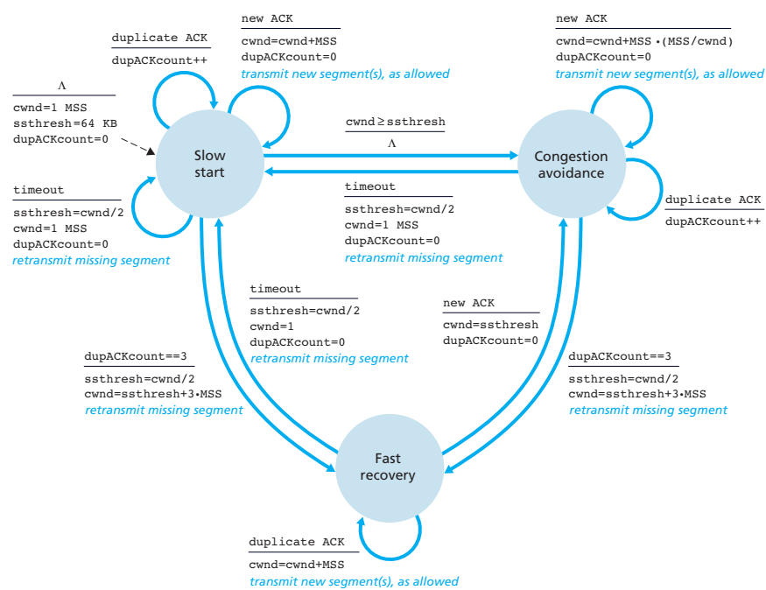
Why is networking so complex? 1) Variety of hardware, 2) Variety of software, 3) Variety of protocols/standards, 4) Terminology can be confusing, 5) Wireless / mobility issues add complexity | Suppose there are 69 packets entering a queue at the same time. Each packet is of size 7 MiB. The link transmission rate is 1.7 Gbps. What is the queueing delay of packet number 3 (in ms). / N = 69 L = 7 MiB = 58720256 bits R = 1.7 Gbps = 1700000000 bps 2L/R = 2 * 58720256 / 1700000000 = 0.0691 s = 69.1 ms avg_queuing_delay = L(N-1)/(2R) = 58720256 (69-1) / (2*1700000000) = 3992977408 / 3400000000 = 1.17440512 s = 1174.40512 ms (this is extra) |  |  | A client in a network with a proxy server requests a 7 MiB file from an internet server, fakeservername.com. The network’s proxy server has a 2.11 Mbps connection to fakeservername.com. The average response time between the network’s proxy server and the internet origin server (including RTT) is 1.5 seconds for a small “header-only” HTTP request/response. The file requested by the client is currently in the proxy server cache, but the proxy server relays the client’s request to the internet server with “if-modified since”. Assume that transmissions between the proxy and the origin servers are stream (not packets) at full bandwidth, with negligible propagation delay. How much time is saved if the file has not been modified (in ms)? L = 7 MiB = 7 * 1024 * 1024 * 8 = 58720256 bits R = 2.11 Mbps = 2110000 bps | t = 1.5 s L/R = 58720256 / 2110000 = 27.8295 s |  |  | What is reliable data transfer?: The ability to guarantee that a transmitted message was received, and it was received as it was sent.
 |  |  |  |  |  |  | Two-Generals Problem: Positions of the armies. Armies A1 and A2 need to communicate but their messengers may be captured by army B. 1) Cannot guarantee that message will be received 2) Cannot guarantee that received message has no errors

Network: system for connecting computers using a single transmission technology
Internet: set of networks connected by routers that are configured to communicate among a variety of network transmission tech. / network of networks.
 |  |  |  |  |  |  | What about RDT is indicated by the two-generals problem? If there is any aspect of the communications channel, it is impossible to guarantee 100% reliable data transfer.
RFC (Request for Comments): Group started repo for researcher comments | What is the total utilization of a circuit-switched network, accommodating 10 users with equal bandwidth, with the following users: • Four users are utilizing 100% their bandwidth. • Two users are utilizing 60% of their bandwidth. • Four users are inactive 4 * (1.00) * 0.10 + 2 * (0.60) * 0.10 + 4 * (0.00) * 0.10 = 0.52 = 52%
Internet Engineering Task Force (IETF): produces docs for internet standards |  |  |  |  |  |  | What are some aspects of reliable data transfer? Error Detection, Receipt Acknowledgement, Timing, Fairness, Message Sequencing, Usage Fairness,

protocols define: 1) format & order of messages sent & received among network entities. 2) actions taken on message transmission & receipt. |  |  |  |  |  |  | What is the maximum number of bytes that can be carried in the “application data” section of a UDP segment? 65,527 bytes. The “length” field of the UDP header is 16-bits, so the largest value it can hold is 65,535. The header is 8 bytes, which leaves 65,527 bytes for the “applicationdata”. It would not be practical to send a segment of this size through the internet.

TCP Service: 1) TCP - Transmission Control Protocol, connection-oriented service. 2) handshake: prepare for transfer. Set up “state” in two communicating hosts. 4) reliable, in-order, byte-stream data transfer. 5) flow control: sender won’t overwhelm receiver. 6) congestion control: senders slow down sending rate when network is congested | How long does it take to send a 8 MiB file from Host A to Host B over a circuit-switched network, assuming: Total link transmission rate = 47.1 Gbps. Network is FDM, with 7 permitted users, each with an equal bandwidth share. A link connection requires a setup time of 54.8 ms. L = 8 MiB = 8 * 1024 * 1024 * 8 = 67108864 bits R = 47.1 Gbps = 4.71 * 10^10 = 47100000000 bps R/user = 47100000000/7 users = 6728571428.57 bps/user linksetup = 54.8 d_trans = L/R = 67108864 / 6728571428.57 = 9.9737 ms total_send_time = d_trans + link_setup = 9.97 + 54.8 = 64.77 ms |  |  | A client’s browser sends an HTTP request to a website. The website responds with a handshake and sets up a TCP connection. The connection setup takes 2 sec, including the RTT. The browser then sends the request for the website’s index file. The index file references 4 additional images, which are to be requested/downloaded by the client’s browser. How many requests (including the initial request) must be sent by the browser… 1. With non-persistent HTTP? (2n+2) = 2*4+2=10 requests 2. With persistent HTTP? (n+2)=4+2=6 requests
 |  |  |  |  |  |  | Reliable Data Transfer Steps: 1) Error detection (compute checksum for both client-server) 2) Acknowledgement 3) Sequencing 4) Timing (flow/congestion control) 5) Retransmission 6) Fairness

UDP service: 1) UDP – User Data Protocol. connectionless service. 2) light-weight, fast. 3) no handshake. 4) unreliable (best effort) data transfer. 5) no flow control. 6) no congestion control Applications that use TCP: o HTTP (Web) / o FTP (file transfer) / o Telnet / o SMTP (email) Applications that use UDP: o streaming media / o Teleconferencing / o DNS (Domain Name Service) / o VOIP Internet telephony

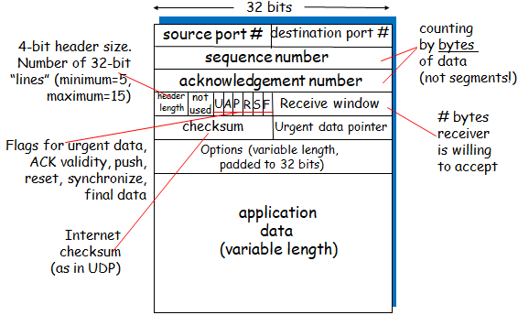
 | Suppose there are 3 routers in sequence between Host A and Host B, all of which use store-and-forward routing. What is the total end-to-end delay for a packet originating from Host A with destination Host B, under the following conditions. Each of the link transmission rates are 8.4 Mbps. The total distance from Host A to Host B along its path of transmisison is 160 km. The speed of propagation through the transmission medium is is 2.7 x 10 m/s. The packet size is 3 KiB. / A--1--2--3--B R = 8.4 Mbps = 8400000 L = 3 KiB = 3072 B = 24576 bits d = 160 km = 160000 m s = 2.7 x 10^8 m/s = 270000000 m/s d_trans = L/R = 24576 bits/8400000 bps = 0.0029257 s = 2.9257 ms d_prop = d/s = 160000 m / 270000000 m/s = 0.000592592 s = 0.592593 ms nodal delay = (3+1 transmissions) * 2.9257 + 0.592593 = 12.2954497 = 12.3 ms |  |  | 00-conn_init 00-conn_accept 01-req conn 02-req index 03-req conn 04-request img1 05-req conn 06-request img2 07-req conn 08-request img3 09-req conn 10-request img4 | 00-conn_init 00-conn_ack 01-req conn 02-req index 03-req img1 04-req img2 05-req img3 06-req img4 |  | Compute the sum with carry-wraparound (sometimes called the one's complement sum) of the following two numbers. Give answer in 8-bit binary, zero-padded to 8 bits if necessary, with no spaces (e.g. 00101000). Please note this is different than the checksum calculation. 10000011 10000000 =100000011 = 00000100 (8-bit sum)

circuit switching: dedicated circuit per call: telephone net / packet-switching: data sent through net in discrete “chunks” (packets) on shared media FDM=frequency division multiplex TDM=time division multiplexing |  |  |  |  | How much longer does non-persistent HTTP take than persistent HTTP? (10-6)req * 2sec/req = 8 sec |  | Assume a TCP sender is continuously sending 1,250-byte segment. If a TCP receiver advertises a window size of 7,251 bytes, and with a link transmission rate 45 Mbps an end-to-end propagation delay of 39.3 ms, what is the utilization? Assume no errors, no processing or queueing delay, and ACKs transmit instantly. Also assume the sender will not transmit a non-full segment. Give answer in percent (1 dec) NumSegments = 7251 / 1250 = 5.8008 segments = 5 segments L = 1250 bytes = 1250 * 8 = 10000 bits R = 45 Mbps = 45000000 bps = 45000 bpms (bits per ms) t_prop = 39.3 ms t_trans = L/R = 10000 bits / 45000 bpms = 0.2222 ms RTT = t_prop * 2 = 39.3 * 2 = 78.6 ms delay per packet = RTT + t_trans = 78.6 + 0.2222 = 78.8222 ms utilization = (segments * t_trans)/(delay per packet) = 5 * 0.2222 / 78.8222 = 0.0141 * 100 = 1.4096 % = 1.4 %
up to 40 bytes)

TCP Segment Structure
TDM divides BW into blocks of time, during which only 1 user is permitted to transmit / FDM divides BW by frequency, each host gets same BW (continuously) / routing: determines source-destination route taken by packets. / forwarding: move packets from router’s input to router output
 |  |  |  | Email Example: 1) Alice uses her user agent to compose message and send to bob@someschool.edu 2) Alice’s user agent sends message to her mail server; message placed in message queue 3) Client side of SMTP opens TCP connection with Bob’s mail server 4) SMTP client sends Alice’s message over the TCP connection 5) Bob’s mail server places the message in Bob’s mailbox 6) Bob uses his user agent to read message

Statistical Multiplexing: allows info from a number of channels to be combined for transmission over a single channel.
End-To-End Delay / Nodal Delay: Total time from initiating “send” (from source) to completed “receive” (at destination) Four sources of packet delay o nodal processing (process packet headers, check bit errors; determine output link) / o queueing delay (time waiting at output link for transmission) / o Transmission delay (L/R) (time outputting info the transmission medium) / o Propagation delay (d/s) (time traveling over physical medium)
 |  |  |  |  |  |  |  | TCP Retransmission Scenarios: 1) segment processing error, 2) segment loss in transmission, 3) ACK lost in transmission, 4) ACK delayed
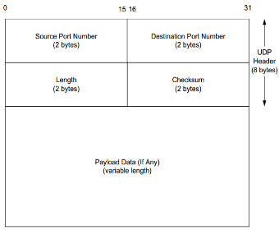
 | For the following question, proper hexadecimal format is (0xYYYY) where Y will range in (0-9) or (A-F). Only proper formats will be accepted. Suppose that we send a DNS request with ID #12162. | What is the little-endian represent (hex)? 0x822F | What is the big-endian represent (hex)? 0x2F82 | Which represent is required for network communication? |  |  | POP3 1) uses “download and delete” mode. 2) Bob cannot re-read e-mail if he changes client 3) “Download-and-keep”: copies of messages on different clients 4) POP3 is stateless across sessions | IMAP 1) Keep all messages in one place: the server 2) Allows user to organize messages in folders 3) IMAP keeps user state across sessions
 |  |  |  |  |  |  | What are some tradeoffs for the implementation of RDT in TCP 1) Additional overhead. 2) Possible delays due to waiting for acknowledgements. 3) More packets on the network (because of ACKs) – leading to congestion issues
UDP Segment Structure
UDP Header = 8 bytes
d_nodal = d_proc + d_queue + d_trans + d_prop |  | (Enter "1" or "2" w/o quotes) 2
What are three important functions of a packet-switched network? 1) Packet Construction, 2) Transmission, 3) Interpretation | [VOIP] Given the attached image, and: - Host A converts analog to digital at a = 38 Kbps | - Link transmission rate R = 1.4 Mbps | - Host A groups data into packets of length L = 79 bytes | - Distance to travel d = 843.2 km | - Propagation speed s = 2.5 x 10 m/s | - Host A sends each packet to Host B as soon as it gathers a whole packet. | - Host B converts back from digital to analog as soon as it receives a whole packet. | How much time elapses from when the first bit starts to be created until the conversion back to analog begins? analog-digital = 38 Kbps = 38000 bps R = 1.4 Mbps = 1400000 bps L = 79 B = 632 bits d = 843.2 km = 843200 m s = 2.5 * 10^8 = 250000000 m/s store-and-forward d_convert = L/R = 632 / 38000 = 16.6316 ms d_trans = L/R = 632 / 1400000 = 0.4514 ms d_prop = d/s = 843200 / 250000000 = 3.3728 ms d_nodal = d_convert + d_trans + d_prop = 16.6316 + 0.4514 + 3.3728 = 20.4558 ms = 20.46 ms |  |  |  |  |  | With a stop-and-wait implementation, how long would it take to send five 1500-byte packets, subject to the following conditions: • R = 20Mbps | • ACK packet L = 20 byte | • Network end-to-end time (after initial transmission) = 20 ms Initial Transmit = L/R = (1500 * 8) bits / 20,000,000 bps = 0.0006 s = 0.6 ms Initial Transmit Propagation delay = 20 ms ACK transmit = (20 header bytes * 8) bytes / 20,000,000 bps = 0.008 ms ACK Propagation delay = 20ms First packet total = 0.6 + 20 + 0.008 + 20 = 40.608ms (Just the first packet) Send 5 total packets = 40.608ms * 5 = 203.04ms What is the utilization? Time spent transmitting = numPackets * (INITtrans + ACKtrans) = 5 * (0.6 + 0.008) = 3.04ms Total time until finished = 203.04ms (from above) utilization = total_t_trans / total_t_nodal = 3.04ms / 203.04ms = 1.5 %
 |  |  |  | Given a transmission medium with propagation rate of 2.5x10 m/sec. Multiple computers share this link using packet switching. - Assume that queuing is necessary only for transmission. - Assume that there is no other traffic on the medium, no switches between the link and the destination. - At least 20 packets arrive in the queue at time t = 0. Each packet's size is 1000 bytes. - The distance to the destination is 1500 km. Answer the following questions for each of the given transmission rates (in ms).

avg_queuing_delay for packet N = (N-1)L/R avg_queuing_delay (for N packets) = L(N-1)/2R
IP Protocol Stack/OSI model: 7) Application (supporting network applications; FTP, SMTP, HTTP) 6) Presentation (applications interpret meaning of data; encryption, compression) 5) Session (synchronization, checkpointing, recovery of data exchange) 4) Transport (process-process data transfer; TCP, UDP) 3) Network (routing datagrams from src to dst; IP, routing protocols) 2) Link (data transfer between neighboring network elements; PPP, Ethernet) 1) Physical (carries signals over medium; cable, wireless)

 |  |  |  | What is the transmission delay for each packet? |  |  | HostA is sending fixed-size packets to remote HostB on a 100 Mbps link. Each packet’s length is 1200 bytes. The propagation delay is 1 ms.; the processing/queuing delays are negligible. Given a sliding window of 12,000 bytes, and assuming no pipeline errors, what is HostA’s utilization? t_trans = L/R = (1200 x 8 bits) / 108 bps = 0.000096 sec = 0.096 ms/packet t_trans for 10 packets = 0.096 * 10 = 0.96 ms RTT = 1 * 2 = 2 ms. (i.e., propagation delay x 2) Total time before we can send packet # 11 = 2.096 ms. Utilization (Percentage of time actually transmitting) = 0.96 / 2.096 = 45.8%
 |  |  |  | What is the propagation delay for each bit?
 |  |  |  | What is the queueing delay for the 4th packet?
 |  |  |  | What is the end-to-end delay for the 5th packet?
 |  |  |  | What is the avg queueing delay for the first 10 packets?
 |  |  |  | p = 20 packets L = 1000 bytes * 8 = 8000 bits R1 = 10 Mbps = 10000000 bps R2 = 100 Mbps = 100000000 bps d = 1500 km = 1500000 m/s s = 2.5x10^8 m/s = 250000000 m/s 10 Mbps: T_trans = L/R = 0.0008 s = 0.8 ms T_prop = d/s = 0.006 s = 6 ms T_queue4 = (N-1)L/R = 3 * L / R = 3 * 8000 / 10000000 = 0.0024 s = 2.4 ms T_e2e5 = L/R + d/s + (5-1)L/R = 8000 / 10000000 + 1500000 / 250000000 + 4 * 8000 / 10000000 = 0.0008 + 0.006 + 0.0032 = 0.01 s = 10 ms T_avg10 = L(N-1) / (2R) = 8000 * (10-1) / (2 * 10000000) = 0.0036 s = 3.6 ms 100 Mbps: T_trans = L/R = 0.00008 s = 0.08 ms T_prop = d/s = 0.006 s = 6 ms T_queue4 = (N-1)L/R = 3 * L / R = 3 * 8000 / 100000000 = 0.00024 s = 0.24 ms T_e2e5 = L/R + d/s + (5-1)L/R = 8000 / 100000000 + 1500000 / 250000000 + 4 * 8000 / 100000000 = 0.00008 + 0.006 + 0.00032 = 0.0064 s = 6.4 ms T_avg10 = L(N-1) / (2R) = 8000 * (10-1) / (2 * 100000000) = 0.00036 s = 0.36 ms
Application Layer Responsibilities: 1) Determine destination IP address 2) Support network applications 3) Decide which data which will transit the internet
 | Given a link with a maximum transmission rate of 82.6 Mbps. Only two computers, X and Y, wish to transmit starting at time t = 0 seconds. Computer X sends fileX (17 MiB) and computer Y sends fileY (184 KiB), both starting at time t = 0. - Statistical multiplexing is used, with details as follows: Packet Payload Size = 1000 Bytes / Packet Header Size = 24 Bytes (overhead) - Ignore Processing and Queueing delays Assume partial packets (packets consisting of less than 1000 Bytes of data) are padded so that they are the same size as full packets. At what time (t = ?) would FileX finish transmitting? Lx = 17 MiB = 17 * 1024 * 1024 * 8 = 142606336 bits Ly = 184 KiB = 184 * 1024 * 8 = 1507328 bits R = 82.6 Mbps = 82600000 bps NumPacketsX = 142606336 / 8000 = 17825.792 = 17826 NumPacketsY = 1507328 / 8000 = 188.416 = 189 NumPacketsWhenYFinishes = 189 * 2 = 378 TotalNumPackets = 17826 + 189 = 17826 + 189 = 18015 numPacketsWhenFileYFinishes = 189 * 2 = 378 Total Packet Size = Payload + Header = 1024 B = 8192 bits/packet Tx = TotalPacketSize * TotalNumPackets / R = (8192 * (17826 + 189)) / 82600000 bps = 1.79 s Ty = TotalPacketSize * numPacketsWhenFileYFinishes / R = (8192 * (189 * 2)) / 82600000 bps = 0.03749 s = 37.5 ms
 |  |  |  |  |  |  | What are the minimum and maximum sizes (in bytes) of a TCP header? 20 bytes min(five 4-byte rows). 60 bytes max ("header length" field of TCP header is 4-bits, largest value it can hold is 15. Number of 4-byte “lines” in the header (4 * 15 = 60).

Types of security threats: 1) malware, spyware / 2) denial of service / 3) packet sniffing / 4) address spoofing
 |  |  |  |  |  |  | For TCP, please select whether the service is implemented, and indicate how it is implemented. Connection-Oriented? Yes, implemented by a 3-way handshake at start of connection. Full Duplex Service? Yes, for example Telnet, which echoes back every character. In-order delivery? Yes, via sequence numbers in TCP header information Pipelining? Yes, though pipeline is limited by congestion and flow control Flow Control? Yes, receiver advertises a window size, and sender limits output accordingly. Congestion Control? Yes, implemented by restricting pipeline size based on receipt of acknowledgements (or lake thereof) Bandwidth Guarantee? No – no bandwidth guarantees. Reliable Delivery(mostly)? Yes – Acknowledgement for delivery of packets Jitter Threshold? No – no jitter threshold

Application Architectures: 1) Client-server (eg. Web surfing), 2) Peer-to-peer (P2P) (eg. Bittorrent), 3) Hybrid of client-server and P2P (eg. chat client)

Application layer protocol defines: 1) Types of messages exchanged, 2) Message syntax, 3) Message semantics, 4) Rules for when and how processes send & respond to msgs

What are some reasons for the layering of network protocols? 1) Protocols can be tested independently of one another, 2) When maintenance is required at one level, changes do not affect other layers, 3) Can update a the inner workings of a protocol, as long as input/output remain the same, 4) The complication of dealing with the intermeshed types of hosts and data is lessened

 |  |  |  |  |  |  | For UDP, please select whether the service is implemented, and indicate how it is implemented. Connection-Oriented? No - Connectionless Full Duplex Service? No – One way service In-order delivery? No – Packets may be delivered out of order Pipelining? No pipeline, BUT it is fire and forget (so you can transmit all you want) Flow Control? No – Sender may overwhelm receiver Congestion Control? No – Ignores possibility of congestion in the internet. Bandwidth Guarantee? No – no bandwidth guarantees. Reliable delivery(mostly)? No – “Fire and Forget” service (“Send it and FORGET IT!”) Jitter Threshold? No – no jitter threshold

 |  |  |  | The transport layer resides on/in the network edge and manages communications from process to process

 |  |  |  | The network layer resides on/in the network edge/core and manages communications from host to host.
TCP services: 1) connection-oriented: setup required between client and server processes, 2) reliable, in-order transport bet/ client-server, 3) flow control: sender won’t overwhelm receiver, 4) congestion control: throttle sender when network overloaded, 5) does not provide: timing, minimum bandwidth guarantees
 | What organization manages the .org TLD? PIR=Public Interest Registry |  |  | For de-multiplexing, how is a TCP socket identified? • Source IP Address, Source Port Number • Destination IP Address, Destination Port Number For de-multiplexing, how is a UDP socket identified? • Destination IP Address, Destination Port Number

 | What is the DNS application-layer protocol used for? DNS resolves aliased, text web addrs to IP addresses. What transport-layer protocol does it make use of? DNS uses UDP.
 |  |  |  |  |  |  | To get the 1’s complement sum of two binary numbers: 1. Add them 2. Wrap any overflow bit around and add it to the LSB (least significant bit) 3. You're done right here if we ask for the 1’s complement sum (summary exercises) 4. To get a checksum to store in your TCP or UDP header, you would take the 1’s complement of your answer in #3. That just means you flip all the bits. 5. Then on the receiving end, you would again calculate the 1’s complement sum and add that to the checksum. The result will be all 1’s if the data is ok (with a tiny possibility for error). 6. Modern CPU's can calculate 1’s complement sums and 1’s complements for 64 bit numbers in one operation. Which is why these checksums are used. 7. Why are you still reading this? You got the answer back at #3! 8. So most of the confusion comes from the definition of the checksum, which technically is the "1’s complement of the 1’s complement sum”. Total word salad! 9. But you don't care about that! The answer was way back at #3 ok? Just do steps 1 and 2.

 |  | HTTP is “stateless” (server maintains no information about past client requests) |  | Setup UDP socket = SOCK_DGRAM Setup TCP socket = SOCK_STREAM |  | socket-bind-listen-accept-recv/send
 |  |  |  | Why use UDP?
 |  | Four Cookie components for Websites: 1) cookie header line of HTTP response message | 2) cookie header line in HTTP request message | 3) cookie file kept on user’s host, managed by user’s browser | 4) back-end database at Web site |  | 1) no connection establishment (which can add delay) 2) simple: no connection state at sender, receiver 3) small header size 4) no congestion control: UDP can blast away as fast as desired

 |  |  |  | The TCP/UDP protocol uses a 16 -bit, 1 's complement of the 1 's complement sum to compute the checksum

 |  |  |  | endpoint = socket = IP:PORT
URL=http://www.oregon.gov/SiteCollectionImages/branding/portal/bigfoot.png |  |  | transport layer: logical communication between process to process network layer: logical communication between host to host
Host Name=.gov | Path Name=/SiteCollectionImages/branding/portal/bigfoot.png
TLD (Top-Level Domain)=.gov |  |  |  |  |  |  |  |  | DevRTT = (1–B) • DevRTT + B•| SampleRTT – EstimatedRTT |, B=0.25

