Display
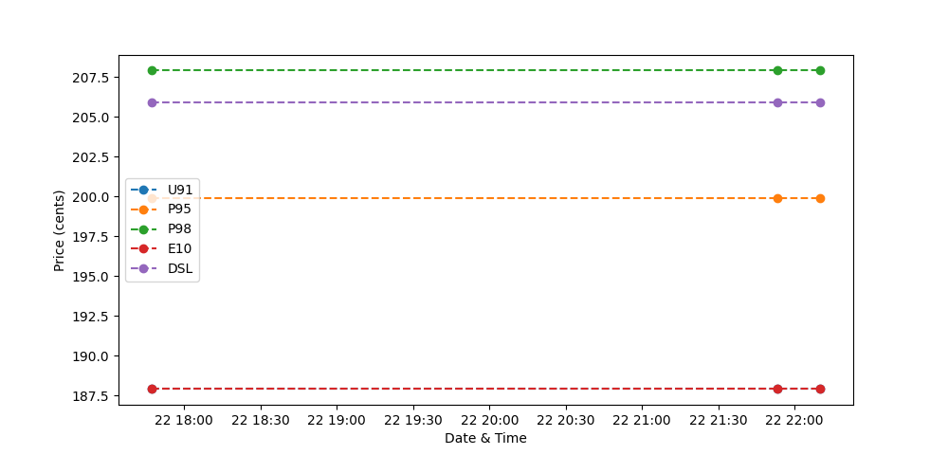
Vehicle Name | Prius |  | Beetle
L/100km | 4.8 |  | 7
Fuel Type | E10 |  | P98
Destination | One way | Return | One way | Return
SBSHS (1.6km) | $0.14 | $0.29 | $0.23 | $0.47
Peregian Digital Hub (9.2km) | $0.83 | $1.66 | $1.34 | $2.68
Provectus Algae (8.8km) | $0.79 | $1.59 | $1.28 | $2.56
Noosa Civic (7.8km) | $0.70 | $1.41 | $1.14 | $2.27
Eumundi (21.8km) | $1.97 | $3.93 | $3.17 | $6.35
Cooroy (23.6km) | $2.13 | $4.26 | $3.43 | $6.87
Maroochydoore (33.2km) | $2.99 | $5.99 | $4.83 | $9.66
Brisbane (136.0km) | $12.27 | $24.53 | $19.79 | $39.58

