그룹핑 이후 노드(index, feature)
 |  | 모델 |  |  | 아래 총 노드개수가 443개인 이유 : singleton node를 지워야 grouping 알고리즘 적용 가능 (asyn_fluid)
 |  | v100_imagenet_vgg16_async_batch32_w1 | init_node | init_edge | rm_singleton_node | rm_singleton_edge | chs_largestSubG_node | chs_largestSubG_edge | grouping_node | grouping_edge | rm_selfloop_node | rm_selfloop_edge
 |  | v100_imagenet_vgg16_async_batch32_w1 | 461 | 606 | 443 | 606 | 443 | 606 | 88 | 263 | 88 | 182
 |  | v100_imagenet_vgg16_async_batch32_w1 | 461 | 606 | 443 | 606 | 443 | 606 | 100 | 295 | 100 | 203

 |  |  | 1. nx 그래프 visualize
 |  |  | 2. tf comp 그래프 visulize
 |  |  | 3. 그룹 노드
 |  |  | 총 100개의 grouped_node
 |  |  | 총 443개 노드(그룹핑 전)
index | tensor_shape | op_coding
0 | 0 | 0.453270559 | ['v/tower_0/gradients/Fill' | 'v/tower_0/gradients/grad_ys_0' | 'v/tower_0/gradients/Shape']
1 | 85852168 | 0.486906246 | ['v/tower_0/gradients/v/tower_0/cg/conv7/conv2d/Conv2D_grad/Conv2DBackpropFilter' | 'v/tower_0/cg/mpool2/MaxPool' | 'v/tower_0/cg/conv6/Reshape' | 'v/tower_0/gradients/AddN_17' | 'v/tower_0/cg/conv6/Relu' | 'v/tower_0/cg/conv6/Reshape/shape' | 'v/tower_0/gradients/v/tower_0/cg/mpool2/MaxPool_grad/MaxPoolGrad' | 'v/tower_0/gradients/v/tower_0/cg/conv7/conv2d/Conv2D_grad/Const_1']
2 | 107577352 | 0.461361786 | ['v/tower_0/gradients/v/tower_0/cg/conv0/Reshape_grad/Shape' | 'v/tower_0/gradients/v/tower_0/cg/conv0/conv2d/Conv2D_grad/Const' | 'v/tower_0/gradients/v/tower_0/cg/conv0/Reshape_grad/Reshape' | 'v/tower_0/gradients/v/tower_0/cg/conv0/conv2d/Conv2D_grad/Conv2DBackpropInput']
3 | 38535172 | 0.253491171 | ['v/tower_0/cg/conv7/BiasAdd' | 'v/tower_0/cg/conv7/conv2d/Conv2D' | 'v/tower_0/cg/conv7/Reshape/shape' | 'v/tower_0/cg/conv7/Relu' | 'v/tower_0/cg/conv7/Reshape']
4 | 34 | 1.551176237 | ['v/tower_0/xentropy/sparse_softmax_cross_entropy_loss/assert_broadcastable/static_scalar_check_success' | 'v/tower_0/xentropy/sparse_softmax_cross_entropy_loss/num_present/broadcast_weights/assert_broadcastable/values/shape' | 'v/tower_0/xentropy/sparse_softmax_cross_entropy_loss/num_present/zeros_like/shape_as_tensor' | 'v/tower_0/xentropy/sparse_softmax_cross_entropy_loss/num_present/broadcast_weights/assert_broadcastable/weights/shape' | 'v/tower_0/xentropy/sparse_softmax_cross_entropy_loss/num_present/broadcast_weights/ones_like' | 'v/tower_0/xentropy/sparse_softmax_cross_entropy_loss/num_present/broadcast_weights/assert_broadcastable/static_scalar_check_success' | 'v/tower_0/xentropy/sparse_softmax_cross_entropy_loss/num_present/broadcast_weights/ones_like/Shape' | 'v/tower_0/xentropy/sparse_softmax_cross_entropy_loss/num_present/broadcast_weights/assert_broadcastable/values/rank' | 'v/tower_0/xentropy/sparse_softmax_cross_entropy_loss/num_present/broadcast_weights/assert_broadcastable/weights/rank' | 'v/tower_0/xentropy/sparse_softmax_cross_entropy_loss/num_present/broadcast_weights/ones_like/Const']
5 | 13139972 | 0.218179059 | ['v/tower_0/gradients/v/tower_0/cg/conv4/conv2d/Conv2D_grad/Const_1' | 'v/tower_0/cg/mpool1/MaxPool' | 'v/tower_0/gradients/v/tower_0/cg/conv4/conv2d/Conv2D_grad/Conv2DBackpropFilter']
6 | 65 | 0.285483263 | ['v/tower_0/gradients/v/tower_0/xentropy/sparse_softmax_cross_entropy_loss/Mul_grad/Sum_1' | 'v/tower_0/gradients/v/tower_0/xentropy/sparse_softmax_cross_entropy_loss/Sum_grad/Tile' | 'v/tower_0/gradients/v/tower_0/xentropy/sparse_softmax_cross_entropy_loss/Sum_grad/Tile/multiples' | 'v/tower_0/gradients/v/tower_0/xentropy/sparse_softmax_cross_entropy_loss/Mul_grad/mul_1']
7 | 51527680 | 0.106857362 | ['v/cg/conv3/conv2d/kernel/read' | 'v/tower_0/cg/conv3/conv2d/Conv2D' | 'v/tower_0/L2Loss_6']
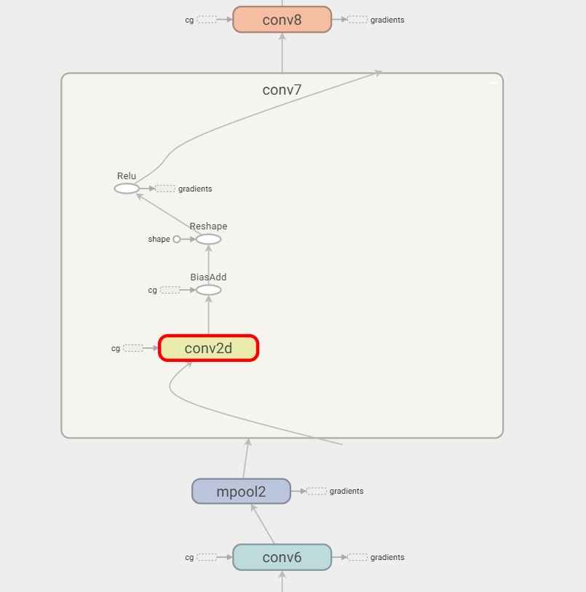
8 | 1536 | 0.074255867 | ['v/tower_0/gradients/AddN_10' | 'v/tower_0/gradients/v/tower_0/L2Loss_21_grad/mul' | 'v/tower_0/gradients/v/tower_0/cg/conv10/BiasAdd_grad/BiasAddGrad']
9 | 12846596 | 0.318118707 | ['v/tower_0/gradients/v/tower_0/L2Loss_19_grad/mul' | 'v/tower_0/gradients/v/tower_0/cg/conv9/Reshape_grad/Reshape' | 'v/tower_0/gradients/v/tower_0/cg/conv9/Reshape_grad/Shape' | 'v/tower_0/gradients/v/tower_0/cg/conv9/BiasAdd_grad/BiasAddGrad' | 'v/tower_0/gradients/AddN_12']
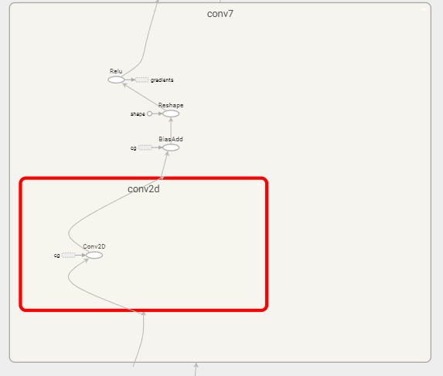
10 | 25985028 | 0.113464333 | ['v/tower_0/cg/conv4/conv2d/Conv2D' | 'v/tower_0/gradients/v/tower_0/cg/conv4/conv2d/Conv2D_grad/ShapeN' | 'v/tower_0/L2Loss_8' | 'v/cg/conv4/conv2d/kernel/read']
11 | 16563520 | 0.426123027 | ['v/tower_0/gradients/v/tower_0/xentropy/sparse_softmax_cross_entropy_loss/xentropy/xentropy_grad/ExpandDims' | 'v/tower_0/gradients/v/tower_0/xentropy/sparse_softmax_cross_entropy_loss/xentropy/xentropy_grad/mul' | 'v/tower_0/gradients/v/tower_0/xentropy/sparse_softmax_cross_entropy_loss/xentropy/xentropy_grad/ExpandDims/dim' | 'v/cg/affine2/weights/read' | 'v/tower_0/gradients/v/tower_0/L2Loss_30_grad/mul' | 'v/tower_0/gradients/v/tower_0/cg/affine2/xw_plus_b/MatMul_grad/MatMul_1' | 'v/tower_0/gradients/v/tower_0/cg/affine2/xw_plus_b/MatMul_grad/MatMul' | 'v/tower_0/gradients/AddN_1']
12 | 3003 | 0.074255867 | ['v/tower_0/gradients/AddN' | 'v/tower_0/gradients/v/tower_0/L2Loss_31_grad/mul' | 'v/tower_0/gradients/v/tower_0/cg/affine2/xw_plus_b_grad/BiasAddGrad']
13 | 1536 | 0.074255867 | ['v/tower_0/gradients/v/tower_0/L2Loss_25_grad/mul' | 'v/tower_0/gradients/AddN_6' | 'v/tower_0/gradients/v/tower_0/cg/conv12/BiasAdd_grad/BiasAddGrad']
14 | 64225800 | 0.489250193 | ['v/tower_0/gradients/v/tower_0/cg/conv4/BiasAdd_grad/BiasAddGrad' | 'v/tower_0/gradients/v/tower_0/cg/conv4/conv2d/Conv2D_grad/Conv2DBackpropInput' | 'v/tower_0/gradients/v/tower_0/cg/conv4/Reshape_grad/Shape' | 'v/tower_0/gradients/AddN_22' | 'v/tower_0/gradients/v/tower_0/cg/conv4/Relu_grad/ReluGrad' | 'v/tower_0/gradients/v/tower_0/cg/conv4/conv2d/Conv2D_grad/Const' | 'v/tower_0/gradients/v/tower_0/cg/conv4/Reshape_grad/Reshape'] |  |  |  |  |  | d
15 | 7077892 | 0.28805064 | ['v/tower_0/gradients/v/tower_0/L2Loss_16_grad/mul' | 'v/tower_0/gradients/AddN_15' | 'v/tower_0/gradients/v/tower_0/cg/conv8/conv2d/Conv2D_grad/Conv2DBackpropFilter' | 'v/tower_0/gradients/v/tower_0/cg/conv8/conv2d/Conv2D_grad/Const_1']
16 | 384 | 0.074255867 | ['v/tower_0/gradients/AddN_26' | 'v/tower_0/gradients/v/tower_0/L2Loss_5_grad/mul' | 'v/tower_0/gradients/v/tower_0/cg/conv2/BiasAdd_grad/BiasAddGrad']
17 | 231358472 | 0.486226133 | ['v/tower_0/cg/mpool0/MaxPool' | 'v/tower_0/cg/conv1/Relu' | 'v/tower_0/cg/conv1/Reshape' | 'v/tower_0/gradients/v/tower_0/cg/conv2/conv2d/Conv2D_grad/Const_1' | 'v/tower_0/cg/conv1/Reshape/shape' | 'v/tower_0/gradients/AddN_27' | 'v/tower_0/gradients/v/tower_0/cg/conv2/conv2d/Conv2D_grad/Conv2DBackpropFilter']
18 | 33 | 0.635198377 | ['v/tower_0/synthetic_labels/min' | 'v/tower_0/synthetic_labels/max' | 'v/tower_0/synthetic_labels/shape' | 'v/tower_0/synthetic_labels']
19 | 0 | 0.019734898 | ['v/tower_0/L2Loss_7']
20 | 4816896 | 0.263514386 | ['v/tower_0/synthetic_images/mul' | 'v/tower_0/synthetic_images/stddev']
21 | 97 | 0.325161689 | ['v/tower_0/gradients/v/tower_0/xentropy/sparse_softmax_cross_entropy_loss/Mul_grad/mul' | 'v/tower_0/gradients/v/tower_0/xentropy/sparse_softmax_cross_entropy_loss/Mul_grad/Shape' | 'v/tower_0/gradients/v/tower_0/xentropy/sparse_softmax_cross_entropy_loss/Mul_grad/BroadcastGradientArgs' | 'v/tower_0/gradients/v/tower_0/xentropy/sparse_softmax_cross_entropy_loss/Mul_grad/Sum' | 'v/tower_0/gradients/v/tower_0/xentropy/sparse_softmax_cross_entropy_loss/Mul_grad/Reshape']
22 | 102760452 | 0.247567013 | ['v/tower_0/cg/conv3/BiasAdd' | 'v/tower_0/cg/conv3/Reshape/shape' | 'v/tower_0/cg/conv3/Reshape']
23 | 0 | 0.011564987 | ['v/tower_0/xentropy/sparse_softmax_cross_entropy_loss/Select' | 'v/tower_0/xentropy/sparse_softmax_cross_entropy_loss/div']
24 | 102907916 | 0.473540895 | ['v/tower_0/gradients/v/tower_0/cg/conv3/conv2d/Conv2D_grad/ShapeN' | 'v/tower_0/gradients/v/tower_0/cg/conv3/conv2d/Conv2D_grad/Const_1' | 'v/tower_0/cg/conv2/Reshape' | 'v/tower_0/gradients/v/tower_0/cg/conv3/conv2d/Conv2D_grad/Conv2DBackpropFilter' | 'v/tower_0/cg/conv2/Reshape/shape' | 'v/tower_0/cg/conv2/Relu']
25 | 51970056 | 0.330611259 | ['v/tower_0/L2Loss_12' | 'v/cg/conv6/conv2d/kernel/read' | 'v/tower_0/gradients/v/tower_0/cg/conv6/conv2d/Conv2D_grad/Conv2DBackpropInput' | 'v/tower_0/gradients/v/tower_0/cg/conv5/Relu_grad/ReluGrad' | 'v/tower_0/gradients/v/tower_0/cg/conv6/conv2d/Conv2D_grad/Const' | 'v/tower_0/gradients/v/tower_0/cg/conv6/conv2d/Conv2D_grad/ShapeN']
26 | 0 | 0.019734898 | ['v/tower_0/L2Loss_19']
27 | 102760452 | 0.223071084 | ['v/tower_0/gradients/v/tower_0/cg/conv3/conv2d/Conv2D_grad/Const' | 'v/tower_0/gradients/v/tower_0/cg/conv3/conv2d/Conv2D_grad/Conv2DBackpropInput' | 'v/tower_0/gradients/v/tower_0/cg/conv2/Relu_grad/ReluGrad']
28 | 768 | 0.074255867 | ['v/tower_0/gradients/AddN_18' | 'v/tower_0/gradients/v/tower_0/cg/conv6/BiasAdd_grad/BiasAddGrad' | 'v/tower_0/gradients/v/tower_0/L2Loss_13_grad/mul']
29 | 326208 | 0.093716755 | ['v/tower_0/cg/affine2/xw_plus_b' | 'v/tower_0/cg/affine2/xw_plus_b/MatMul' | 'v/tower_0/cg/affine1/affine1' | 'v/tower_0/cg/dropout0_1/dropout/Identity']
30 | 1 | 0.463650572 | ['v/tower_0/xentropy/sparse_softmax_cross_entropy_loss/Const_1' | 'v/tower_0/xentropy/sparse_softmax_cross_entropy_loss/Sum_1' | 'v/tower_0/xentropy/sparse_softmax_cross_entropy_loss/Const_2' | 'v/tower_0/xentropy/sparse_softmax_cross_entropy_loss/Sum']
31 | 102907908 | 0.169108104 | ['v/tower_0/L2Loss_4' | 'v/tower_0/cg/conv2/conv2d/Conv2D' | 'v/tower_0/gradients/v/tower_0/L2Loss_4_grad/mul' | 'v/tower_0/gradients/v/tower_0/cg/conv2/conv2d/Conv2D_grad/ShapeN' | 'v/tower_0/cg/conv2/BiasAdd' | 'v/cg/conv2/conv2d/kernel/read']
32 | 0 | 0.223139775 | ['v/tower_0/gradients/v/tower_0/xentropy/xentropy_mean_grad/truediv' | 'v/tower_0/gradients/v/tower_0/xentropy/sparse_softmax_cross_entropy_loss/value_grad/Select' | 'v/tower_0/gradients/v/tower_0/xentropy/xentropy_mean_grad/Const']
33 | 0 | 0.215961076 | ['v/tower_0/L2Loss_20' | 'v/tower_0/L2Loss_25' | 'v/tower_0/L2Loss_17' | 'v/tower_0/L2Loss_2' | 'v/tower_0/L2Loss_24' | 'v/tower_0/L2Loss_15' | 'v/tower_0/L2Loss' | 'v/tower_0/L2Loss_5' | 'v/tower_0/AddN' | 'v/tower_0/L2Loss_11' | 'v/tower_0/L2Loss_30']
34 | 33697792 | 0.101682239 | ['v/tower_0/gradients/v/tower_0/L2Loss_29_grad/mul' | 'v/tower_0/gradients/v/tower_0/cg/affine1/xw_plus_b/MatMul_grad/MatMul_1' | 'v/tower_0/gradients/AddN_3' | 'v/tower_0/gradients/v/tower_0/cg/affine1/affine1_grad/ReluGrad' | 'v/tower_0/gradients/v/tower_0/cg/affine1/xw_plus_b_grad/BiasAddGrad' | 'v/tower_0/gradients/AddN_2']
35 | 51380228 | 0.24386284 | ['v/tower_0/gradients/v/tower_0/cg/conv2/Reshape_grad/Shape' | 'v/tower_0/gradients/v/tower_0/cg/conv2/Reshape_grad/Reshape']
36 | 308281352 | 0.259746122 | ['v/tower_0/cg/conv0/BiasAdd' | 'v/tower_0/gradients/v/tower_0/cg/conv1/conv2d/Conv2D_grad/ShapeN' | 'v/tower_0/cg/conv0/Relu' | 'v/tower_0/cg/conv0/Reshape' | 'v/tower_0/cg/conv0/Reshape/shape']
37 | 0 | 0.019734898 | ['v/tower_0/L2Loss_3']
38 | 0 | 0.019734898 | ['v/tower_0/L2Loss_13']
39 | 393216 | 0.088144617 | ['v/tower_0/cg/dropout0/dropout/Identity' | 'v/tower_0/cg/affine1/xw_plus_b/MatMul' | 'v/tower_0/cg/affine1/xw_plus_b']
40 | 128 | 0.070551694 | ['v/tower_0/gradients/AddN_28' | 'v/tower_0/gradients/v/tower_0/L2Loss_3_grad/mul']
41 | 0 | 0.457156007 | ['v/tower_0/gradients/v/tower_0/xentropy/xentropy_mean_grad/Reshape/shape' | 'v/tower_0/gradients/v/tower_0/xentropy/xentropy_mean_grad/Tile/multiples' | 'v/tower_0/gradients/v/tower_0/xentropy/xentropy_mean_grad/Tile' | 'v/tower_0/gradients/v/tower_0/xentropy/xentropy_mean_grad/Reshape']
42 | 11993096 | 0.472506062 | ['v/tower_0/cg/conv11/Reshape/shape' | 'v/tower_0/gradients/v/tower_0/cg/conv11/Relu_grad/ReluGrad' | 'v/tower_0/cg/conv11/Relu' | 'v/tower_0/gradients/v/tower_0/cg/conv12/conv2d/Conv2D_grad/Conv2DBackpropFilter' | 'v/tower_0/gradients/v/tower_0/cg/conv12/conv2d/Conv2D_grad/Const_1' | 'v/tower_0/cg/conv11/Reshape']
43 | 0 | 0.24386284 | ['v/tower_0/gradients/v/tower_0/xentropy/sparse_softmax_cross_entropy_loss/Mul_grad/Reshape_1' | 'v/tower_0/gradients/v/tower_0/xentropy/sparse_softmax_cross_entropy_loss/Mul_grad/Shape_1']
44 | 154140672 | 0.011824389 | ['v/tower_0/gradients/v/tower_0/cg/mpool1/MaxPool_grad/MaxPoolGrad' | 'v/tower_0/cg/conv3/Relu' | 'v/tower_0/gradients/v/tower_0/cg/conv3/Relu_grad/ReluGrad']
45 | 51380228 | 0.247567013 | ['v/tower_0/cg/conv4/Reshape' | 'v/tower_0/cg/conv4/Reshape/shape' | 'v/tower_0/cg/conv4/BiasAdd']
46 | 6422528 | 0.009628331 | ['v/tower_0/cg/conv12/conv2d/Conv2D' | 'v/tower_0/cg/conv12/BiasAdd']
47 | 2 | 0.701018847 | ['v/tower_0/gradients/v/tower_0/xentropy/sparse_softmax_cross_entropy_loss/Sum_grad/Reshape/shape' | 'v/tower_0/gradients/v/tower_0/xentropy/sparse_softmax_cross_entropy_loss/Sum_1_grad/Reshape' | 'v/tower_0/gradients/v/tower_0/xentropy/sparse_softmax_cross_entropy_loss/Sum_grad/Reshape' | 'v/tower_0/gradients/v/tower_0/xentropy/sparse_softmax_cross_entropy_loss/Sum_1_grad/Tile/multiples' | 'v/tower_0/gradients/v/tower_0/xentropy/sparse_softmax_cross_entropy_loss/Sum_1_grad/Reshape/shape' | 'v/tower_0/gradients/v/tower_0/xentropy/sparse_softmax_cross_entropy_loss/Sum_1_grad/Tile']
48 | 0 | 0.061236775 | ['v/tower_0/gradients/v/tower_0/xentropy/sparse_softmax_cross_entropy_loss/div_grad/Reshape' | 'v/tower_0/gradients/v/tower_0/xentropy/sparse_softmax_cross_entropy_loss/div_grad/RealDiv' | 'v/tower_0/gradients/v/tower_0/xentropy/sparse_softmax_cross_entropy_loss/div_grad/Sum']
49 | 1184000 | 0.25969799 | ['v/tower_0/gradients/v/tower_0/mul_grad/Mul_1' | 'v/tower_0/gradients/v/tower_0/L2Loss_12_grad/mul' | 'v/tower_0/gradients/v/tower_0/L2Loss_10_grad/mul' | 'v/tower_0/gradients/v/tower_0/L2Loss_9_grad/mul' | 'v/tower_0/gradients/v/tower_0/L2Loss_27_grad/mul']
50 | 0 | 0.6681335 | ['v/tower_0/gradients/v/tower_0/xentropy/sparse_softmax_cross_entropy_loss/value_grad/zeros_like/shape_as_tensor' | 'v/tower_0/gradients/v/tower_0/xentropy/sparse_softmax_cross_entropy_loss/value_grad/zeros_like' | 'v/tower_0/gradients/v/tower_0/xentropy/sparse_softmax_cross_entropy_loss/value_grad/Select_1' | 'v/tower_0/xentropy/sparse_softmax_cross_entropy_loss/Greater' | 'v/tower_0/xentropy/sparse_softmax_cross_entropy_loss/Greater/y' | 'v/tower_0/gradients/v/tower_0/xentropy/sparse_softmax_cross_entropy_loss/value_grad/zeros_like/Const']
51 | 33 | 0.496360952 | ['v/tower_0/xentropy/sparse_softmax_cross_entropy_loss/num_present/broadcast_weights' | 'v/tower_0/xentropy/sparse_softmax_cross_entropy_loss/num_present' | 'v/tower_0/xentropy/sparse_softmax_cross_entropy_loss/Equal/y' | 'v/tower_0/xentropy/sparse_softmax_cross_entropy_loss/Equal' | 'v/tower_0/xentropy/sparse_softmax_cross_entropy_loss/num_present/Const']
52 | 14450688 | 0.453079539 | ['v/tower_0/gpu_cached_images' | 'v/tower_0/Mul/y' | 'v/tower_0/Mul' | 'report_uninitialized_variables_1/IsVariableInitialized_35' | 'v/tower_0/gpu_cached_images/read']
53 | 12845572 | 0.247567013 | ['v/tower_0/gradients/v/tower_0/cg/conv7/Reshape_grad/Shape' | 'v/tower_0/gradients/v/tower_0/cg/conv7/BiasAdd_grad/BiasAddGrad' | 'v/tower_0/gradients/v/tower_0/cg/conv7/Reshape_grad/Reshape']
54 | 9633792 | 0.320242205 | ['v/tower_0/synthetic_images' | 'v/tower_0/gpu_cached_images/Assign' | 'init/NoOp_1' | 'v/tower_0/synthetic_images/mean']
55 | 64225284 | 0.259391402 | ['v/tower_0/gradients/v/tower_0/cg/mpool3/MaxPool_grad/MaxPoolGrad' | 'v/tower_0/cg/conv9/Relu' | 'v/tower_0/cg/conv9/Reshape/shape' | 'v/tower_0/cg/conv9/Reshape' | 'v/tower_0/cg/conv9/BiasAdd' | 'v/tower_0/gradients/v/tower_0/cg/conv9/Relu_grad/ReluGrad']
56 | 128450564 | 0.218179059 | ['v/tower_0/gradients/v/tower_0/cg/conv2/conv2d/Conv2D_grad/Const' | 'v/tower_0/gradients/v/tower_0/cg/mpool0/MaxPool_grad/MaxPoolGrad' | 'v/tower_0/gradients/v/tower_0/cg/conv2/conv2d/Conv2D_grad/Conv2DBackpropInput']
57 | 8781832 | 0.376978719 | ['v/tower_0/L2Loss_14' | 'v/tower_0/gradients/v/tower_0/cg/conv7/conv2d/Conv2D_grad/Conv2DBackpropInput' | 'v/tower_0/gradients/v/tower_0/L2Loss_14_grad/mul' | 'v/tower_0/gradients/v/tower_0/cg/conv7/conv2d/Conv2D_grad/Const' | 'v/tower_0/gradients/v/tower_0/cg/conv7/conv2d/Conv2D_grad/ShapeN' | 'v/cg/conv7/conv2d/kernel/read']
58 | 0 | 0.453270559 | ['v/tower_0/xentropy/sparse_softmax_cross_entropy_loss/ones_like' | 'v/tower_0/xentropy/sparse_softmax_cross_entropy_loss/ones_like/Const' | 'v/tower_0/xentropy/sparse_softmax_cross_entropy_loss/ones_like/Shape']
59 | 0 | 0.051939598 | ['v/tower_0/gradients/v/tower_0/mul_grad/Mul']
60 | 38535176 | 0.259746122 | ['v/tower_0/cg/conv8/BiasAdd' | 'v/tower_0/cg/conv8/Relu' | 'v/tower_0/cg/conv8/Reshape' | 'v/tower_0/gradients/v/tower_0/cg/conv9/conv2d/Conv2D_grad/ShapeN' | 'v/tower_0/cg/conv8/Reshape/shape']
61 | 192 | 0.074255867 | ['v/tower_0/gradients/v/tower_0/L2Loss_1_grad/mul' | 'v/tower_0/gradients/v/tower_0/cg/conv0/BiasAdd_grad/BiasAddGrad' | 'v/tower_0/gradients/AddN_30']
62 | 0 | 0.697833092 | ['v/tower_0/xentropy/sparse_softmax_cross_entropy_loss/num_present/Select' | 'v/tower_0/xentropy/sparse_softmax_cross_entropy_loss/num_present/ones_like' | 'v/tower_0/xentropy/sparse_softmax_cross_entropy_loss/num_present/ones_like/Const' | 'v/tower_0/xentropy/sparse_softmax_cross_entropy_loss/num_present/zeros_like/Const' | 'v/tower_0/xentropy/sparse_softmax_cross_entropy_loss/num_present/ones_like/Shape' | 'v/tower_0/xentropy/sparse_softmax_cross_entropy_loss/num_present/zeros_like']
63 | 589824 | 0.070551694 | ['v/tower_0/gradients/v/tower_0/L2Loss_8_grad/mul' | 'v/tower_0/gradients/AddN_23']
64 | 33685504 | 0.15611494 | ['v/tower_0/L2Loss_28' | 'v/cg/affine1/weights/read' | 'v/tower_0/gradients/v/tower_0/cg/affine1/xw_plus_b/MatMul_grad/MatMul' | 'v/tower_0/gradients/v/tower_0/L2Loss_28_grad/mul']
65 | 0 | 0.484796879 | ['v/tower_0/gradients/v/tower_0/xentropy/sparse_softmax_cross_entropy_loss/div_grad/Reshape_1' | 'v/tower_0/gradients/v/tower_0/xentropy/sparse_softmax_cross_entropy_loss/div_grad/Shape' | 'v/tower_0/gradients/v/tower_0/xentropy/sparse_softmax_cross_entropy_loss/div_grad/BroadcastGradientArgs' | 'v/tower_0/gradients/v/tower_0/xentropy/sparse_softmax_cross_entropy_loss/div_grad/Sum_1' | 'v/tower_0/gradients/v/tower_0/xentropy/sparse_softmax_cross_entropy_loss/div_grad/Shape_1']
66 | 411041796 | 0.232699415 | ['v/tower_0/gradients/v/tower_0/cg/conv1/conv2d/Conv2D_grad/Conv2DBackpropInput' | 'v/tower_0/gradients/v/tower_0/cg/conv1/conv2d/Conv2D_grad/Const' | 'v/tower_0/cg/conv1/conv2d/Conv2D' | 'v/tower_0/gradients/v/tower_0/cg/conv0/Relu_grad/ReluGrad' | 'v/tower_0/cg/conv1/BiasAdd']
67 | 3211268 | 0.24386284 | ['v/tower_0/cg/conv12/Reshape' | 'v/tower_0/cg/conv12/Reshape/shape']
68 | 110788610 | 0.254037342 | ['v/tower_0/cg/mpool4/MaxPool' | 'v/tower_0/gradients/v/tower_0/cg/affine0/xw_plus_b/MatMul_grad/MatMul_1' | 'v/tower_0/cg/conv12/Relu' | 'v/tower_0/cg/Reshape' | 'v/tower_0/cg/Reshape/shape' | 'v/tower_0/gradients/v/tower_0/cg/mpool4/MaxPool_grad/MaxPoolGrad']
69 | 205520964 | 0.253139151 | ['v/tower_0/gradients/v/tower_0/cg/conv1/Reshape_grad/Shape' | 'v/tower_0/gradients/v/tower_0/cg/conv1/BiasAdd_grad/BiasAddGrad' | 'v/tower_0/gradients/v/tower_0/cg/conv1/Reshape_grad/Reshape' | 'v/tower_0/gradients/v/tower_0/cg/conv1/Relu_grad/ReluGrad']
70 | 0 | 0.019734898 | ['v/tower_0/L2Loss_21']
71 | 0 | 0.424170856 | ['v/tower_0/xentropy/sparse_softmax_cross_entropy_loss/Const' | 'v/tower_0/xentropy/sparse_softmax_cross_entropy_loss/num_present/Equal' | 'v/tower_0/xentropy/sparse_softmax_cross_entropy_loss/num_present/Equal/y']
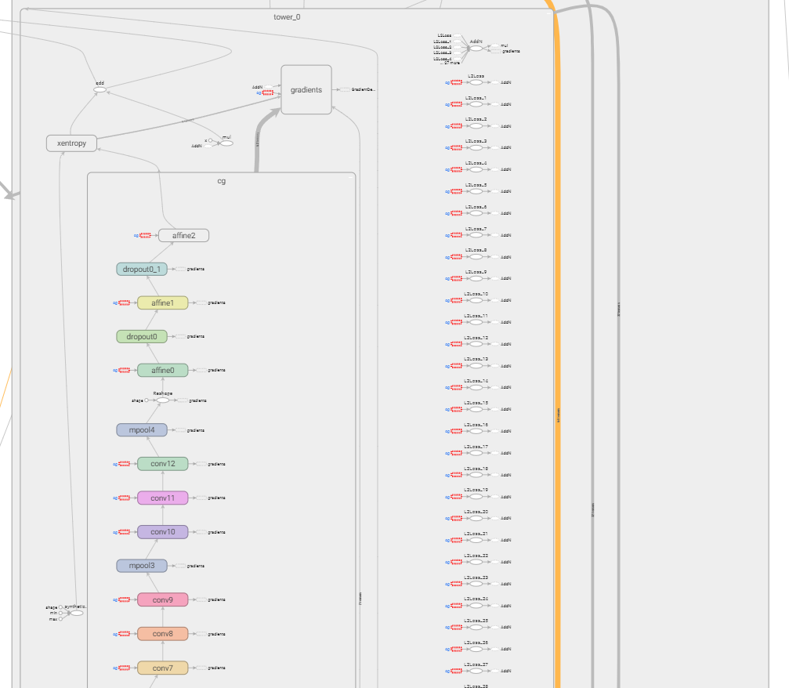
72 | 0 | 0.492883211 | ['v/tower_0/xentropy/xentropy_mean' | 'v/tower_0/mul' | 'v/tower_0/add' | 'v/tower_0/mul/x' | 'v/tower_0/xentropy/Const']
73 | 3456 | 0.070551694 | ['v/tower_0/gradients/v/tower_0/L2Loss_grad/mul' | 'v/tower_0/gradients/AddN_31']
74 | 64128 | 0.068352721 | ['v/tower_0/xentropy/sparse_softmax_cross_entropy_loss/Mul' | 'v/tower_0/gradients/v/tower_0/xentropy/sparse_softmax_cross_entropy_loss/xentropy/xentropy_grad/PreventGradient' | 'v/tower_0/xentropy/sparse_softmax_cross_entropy_loss/xentropy/xentropy' | 'v/tower_0/gradients/zeros_like']
75 | 51381000 | 0.535617653 | ['v/tower_0/gradients/v/tower_0/L2Loss_11_grad/mul' | 'v/tower_0/gradients/v/tower_0/cg/conv5/conv2d/Conv2D_grad/Const' | 'v/tower_0/gradients/AddN_20' | 'v/tower_0/gradients/v/tower_0/cg/conv5/conv2d/Conv2D_grad/Conv2DBackpropInput' | 'v/tower_0/gradients/v/tower_0/cg/conv5/Reshape_grad/Shape' | 'v/tower_0/gradients/v/tower_0/cg/conv5/Reshape_grad/Reshape' | 'v/tower_0/gradients/v/tower_0/cg/conv5/BiasAdd_grad/BiasAddGrad']
76 | 0 | 0.071849865 | ['v/tower_0/gradients/v/tower_0/xentropy/sparse_softmax_cross_entropy_loss/div_grad/mul' | 'v/tower_0/gradients/v/tower_0/xentropy/sparse_softmax_cross_entropy_loss/div_grad/Neg' | 'v/tower_0/gradients/v/tower_0/xentropy/sparse_softmax_cross_entropy_loss/div_grad/RealDiv_1' | 'v/tower_0/gradients/v/tower_0/xentropy/sparse_softmax_cross_entropy_loss/div_grad/RealDiv_2']
77 | 104091648 | 0.125970102 | ['v/tower_0/gradients/v/tower_0/cg/affine0/xw_plus_b_grad/BiasAddGrad' | 'v/tower_0/cg/affine0/affine0' | 'v/tower_0/cg/affine0/xw_plus_b' | 'v/tower_0/L2Loss_26' | 'v/tower_0/gradients/v/tower_0/cg/affine0/xw_plus_b/MatMul_grad/MatMul' | 'v/tower_0/cg/affine0/xw_plus_b/MatMul' | 'v/tower_0/gradients/v/tower_0/cg/affine0/affine0_grad/ReluGrad' | 'v/cg/affine0/weights/read']
78 | 128450564 | 0.262767482 | ['v/tower_0/cg/conv5/Reshape' | 'v/tower_0/cg/conv6/conv2d/Conv2D' | 'v/tower_0/cg/conv5/BiasAdd' | 'v/tower_0/cg/conv6/BiasAdd' | 'v/tower_0/cg/conv5/Reshape/shape' | 'v/tower_0/cg/conv5/Relu']
79 | 0 | 0.456137321 | ['v/tower_0/xentropy/sparse_softmax_cross_entropy_loss/zeros_like/shape_as_tensor' | 'v/tower_0/xentropy/sparse_softmax_cross_entropy_loss/value' | 'v/tower_0/xentropy/sparse_softmax_cross_entropy_loss/zeros_like/Const' | 'v/tower_0/xentropy/sparse_softmax_cross_entropy_loss/zeros_like']
80 | 0 | 0.019734898 | ['v/tower_0/L2Loss_31']
81 | 0 | 0.019734898 | ['v/tower_0/L2Loss_23']
82 | 53149704 | 0.355147513 | ['v/tower_0/gradients/v/tower_0/cg/conv5/conv2d/Conv2D_grad/ShapeN' | 'v/tower_0/L2Loss_10' | 'v/tower_0/gradients/AddN_21' | 'v/tower_0/cg/conv5/conv2d/Conv2D' | 'v/tower_0/gradients/v/tower_0/cg/conv5/conv2d/Conv2D_grad/Const_1' | 'v/tower_0/cg/conv4/Relu' | 'v/cg/conv5/conv2d/kernel/read' | 'v/tower_0/gradients/v/tower_0/cg/conv5/conv2d/Conv2D_grad/Conv2DBackpropFilter']
83 | 28049412 | 0.119036471 | ['v/tower_0/cg/conv8/conv2d/Conv2D' | 'v/cg/conv8/conv2d/kernel/read' | 'v/tower_0/L2Loss_16' | 'v/tower_0/gradients/v/tower_0/cg/conv8/conv2d/Conv2D_grad/ShapeN']
84 | 20774928 | 0.950611979 | ['v/tower_0/gradients/v/tower_0/cg/conv11/conv2d/Conv2D_grad/Conv2DBackpropInput' | 'v/tower_0/gradients/v/tower_0/cg/conv10/Relu_grad/ReluGrad' | 'v/tower_0/cg/conv10/BiasAdd' | 'v/tower_0/cg/conv10/Reshape/shape' | 'v/tower_0/gradients/v/tower_0/cg/conv11/Reshape_grad/Shape' | 'v/tower_0/gradients/v/tower_0/cg/conv11/Reshape_grad/Reshape' | 'v/tower_0/gradients/v/tower_0/cg/conv11/conv2d/Conv2D_grad/Const' | 'v/tower_0/cg/conv10/Reshape' | 'v/tower_0/gradients/AddN_9' | 'v/tower_0/gradients/v/tower_0/cg/conv11/conv2d/Conv2D_grad/Const_1' | 'v/tower_0/gradients/v/tower_0/cg/conv11/conv2d/Conv2D_grad/Conv2DBackpropFilter']
85 | 40894468 | 0.408868038 | ['v/tower_0/L2Loss_1' | 'v/tower_0/cg/conv9/conv2d/Conv2D' | 'v/tower_0/gradients/v/tower_0/cg/conv9/conv2d/Conv2D_grad/Const' | 'v/tower_0/gradients/v/tower_0/cg/conv9/conv2d/Conv2D_grad/Conv2DBackpropInput' | 'v/tower_0/L2Loss_29' | 'v/tower_0/L2Loss_27' | 'v/tower_0/L2Loss_9' | 'v/cg/conv9/conv2d/kernel/read' | 'v/tower_0/gradients/v/tower_0/cg/conv8/Relu_grad/ReluGrad' | 'v/tower_0/L2Loss_18']
86 | 205522432 | 0.144807561 | ['v/tower_0/gradients/AddN_8' | 'v/tower_0/gradients/AddN_5' | 'v/tower_0/gradients/v/tower_0/L2Loss_26_grad/mul' | 'v/tower_0/gradients/v/tower_0/L2Loss_23_grad/mul' | 'v/tower_0/gradients/v/tower_0/cg/conv11/BiasAdd_grad/BiasAddGrad']
87 | 110596 | 0.28805064 | ['v/tower_0/gradients/v/tower_0/cg/conv1/conv2d/Conv2D_grad/Conv2DBackpropFilter' | 'v/tower_0/gradients/v/tower_0/L2Loss_2_grad/mul' | 'v/tower_0/gradients/AddN_29' | 'v/tower_0/gradients/v/tower_0/cg/conv1/conv2d/Conv2D_grad/Const_1']
88 | 25691140 | 0.293622778 | ['v/tower_0/gradients/v/tower_0/cg/conv8/conv2d/Conv2D_grad/Const' | 'v/tower_0/gradients/v/tower_0/cg/conv7/Relu_grad/ReluGrad' | 'v/tower_0/gradients/v/tower_0/L2Loss_15_grad/mul' | 'v/tower_0/gradients/v/tower_0/cg/conv8/conv2d/Conv2D_grad/Conv2DBackpropInput' | 'v/tower_0/gradients/AddN_16']
89 | 51380612 | 0.318118707 | ['v/tower_0/gradients/v/tower_0/cg/conv3/BiasAdd_grad/BiasAddGrad' | 'v/tower_0/gradients/AddN_24' | 'v/tower_0/gradients/v/tower_0/L2Loss_7_grad/mul' | 'v/tower_0/gradients/v/tower_0/cg/conv3/Reshape_grad/Reshape' | 'v/tower_0/gradients/v/tower_0/cg/conv3/Reshape_grad/Shape']
90 | 4816900 | 0.213092335 | ['v/tower_0/synthetic_images/shape' | 'v/tower_0/synthetic_images/TruncatedNormal']
91 | 14352388 | 0.174680242 | ['v/tower_0/cg/conv11/BiasAdd' | 'v/tower_0/gradients/v/tower_0/cg/conv11/conv2d/Conv2D_grad/ShapeN' | 'v/tower_0/gradients/v/tower_0/L2Loss_22_grad/mul' | 'v/cg/conv11/conv2d/kernel/read' | 'v/tower_0/cg/conv11/conv2d/Conv2D' | 'v/tower_0/L2Loss_22' | 'v/tower_0/cg/conv10/Relu']
92 | 22282256 | 0.843821974 | ['v/tower_0/cg/mpool3/MaxPool' | 'v/tower_0/gradients/v/tower_0/cg/conv10/conv2d/Conv2D_grad/Const' | 'v/tower_0/gradients/v/tower_0/cg/conv10/conv2d/Conv2D_grad/Conv2DBackpropFilter' | 'v/tower_0/gradients/v/tower_0/cg/conv10/conv2d/Conv2D_grad/ShapeN' | 'v/tower_0/gradients/v/tower_0/L2Loss_20_grad/mul' | 'v/tower_0/gradients/v/tower_0/cg/conv10/conv2d/Conv2D_grad/Conv2DBackpropInput' | 'v/tower_0/gradients/v/tower_0/cg/conv10/Reshape_grad/Shape' | 'v/tower_0/gradients/v/tower_0/cg/conv10/conv2d/Conv2D_grad/Const_1' | 'v/cg/conv10/conv2d/kernel/read' | 'v/tower_0/gradients/AddN_11' | 'v/tower_0/cg/conv10/conv2d/Conv2D' | 'v/tower_0/gradients/v/tower_0/cg/conv10/Reshape_grad/Reshape']
93 | 52559880 | 0.48554602 | ['v/tower_0/gradients/AddN_19' | 'v/tower_0/gradients/v/tower_0/cg/conv6/Relu_grad/ReluGrad' | 'v/tower_0/gradients/v/tower_0/cg/conv6/conv2d/Conv2D_grad/Const_1' | 'v/tower_0/gradients/v/tower_0/cg/conv6/Reshape_grad/Shape' | 'v/tower_0/gradients/v/tower_0/cg/conv6/conv2d/Conv2D_grad/Conv2DBackpropFilter' | 'v/tower_0/gradients/v/tower_0/cg/conv6/Reshape_grad/Reshape']
94 | 10289160 | 0.375855917 | ['v/tower_0/gradients/v/tower_0/cg/conv12/conv2d/Conv2D_grad/Const' | 'v/cg/conv12/conv2d/kernel/read' | 'v/tower_0/gradients/AddN_7' | 'v/tower_0/gradients/v/tower_0/cg/conv12/conv2d/Conv2D_grad/ShapeN' | 'v/tower_0/gradients/v/tower_0/L2Loss_24_grad/mul' | 'v/tower_0/gradients/v/tower_0/cg/conv12/conv2d/Conv2D_grad/Conv2DBackpropInput']
95 | 7081988 | 0.306662736 | ['v/tower_0/gradients/AddN_4' | 'v/tower_0/gradients/v/tower_0/cg/conv9/conv2d/Conv2D_grad/Conv2DBackpropFilter' | 'v/tower_0/gradients/AddN_13' | 'v/tower_0/gradients/v/tower_0/L2Loss_18_grad/mul' | 'v/tower_0/gradients/v/tower_0/cg/conv9/conv2d/Conv2D_grad/Const_1']
96 | 12846596 | 0.318118707 | ['v/tower_0/gradients/AddN_14' | 'v/tower_0/gradients/v/tower_0/cg/conv8/BiasAdd_grad/BiasAddGrad' | 'v/tower_0/gradients/v/tower_0/L2Loss_17_grad/mul' | 'v/tower_0/gradients/v/tower_0/cg/conv8/Reshape_grad/Shape' | 'v/tower_0/gradients/v/tower_0/cg/conv8/Reshape_grad/Reshape']
97 | 107579080 | 0.458650819 | ['v/tower_0/gradients/v/tower_0/cg/conv0/conv2d/Conv2D_grad/Const_1' | 'v/tower_0/gradients/v/tower_0/cg/conv0/conv2d/Conv2D_grad/Conv2DBackpropFilter' | 'v/tower_0/gradients/v/tower_0/cg/conv0/conv2d/Conv2D_grad/ShapeN' | 'v/tower_0/cg/conv0/conv2d/Conv2D' | 'v/tower_0/Sub/y' | 'v/tower_0/Sub']
98 | 7225352 | 0.493297818 | ['v/tower_0/gradients/v/tower_0/cg/conv12/Reshape_grad/Shape' | 'v/tower_0/gradients/v/tower_0/cg/conv12/Reshape_grad/Reshape' | 'v/tower_0/gradients/v/tower_0/cg/conv12/Relu_grad/ReluGrad' | 'v/tower_0/gradients/v/tower_0/cg/Reshape_grad/Shape' | 'v/tower_0/gradients/v/tower_0/cg/Reshape_grad/Reshape']
99 | 294912 | 0.070551694 | ['v/tower_0/gradients/AddN_25' | 'v/tower_0/gradients/v/tower_0/L2Loss_6_grad/mul']

