그룹핑 이후 노드
모델 |  |  | 아래 총 노드개수가 443개인 이유 : singleton node를 지워야 grouping 알고리즘 적용 가능 (asyn_fluid)
v100_imagenet_vgg16_async_batch32_w1 | init_node | init_edge | rm_singleton_node | rm_singleton_edge | chs_largestSubG_node | chs_largestSubG_edge | grouping_node | grouping_edge | rm_selfloop_node | rm_selfloop_edge
v100_imagenet_vgg16_async_batch32_w1 | 461 | 606 | 443 | 606 | 443 | 606 | 88 | 263 | 88 | 182
v100_imagenet_vgg16_async_batch32_w1 | 461 | 606 | 443 | 606 | 443 | 606 | 100 | 295 | 100 | 203

 | 1. nx 그래프 visualize
 | 2. tf comp 그래프 visulize
 | 3. 그룹 노드
 | 총 100개의 grouped_node
 | 총 443개 노드(그룹핑 전)

 | ['v/tower_0/gradients/Fill' | 'v/tower_0/gradients/grad_ys_0' | 'v/tower_0/gradients/Shape']
 | ['v/tower_0/gradients/v/tower_0/cg/conv7/conv2d/Conv2D_grad/Conv2DBackpropFilter' | 'v/tower_0/cg/mpool2/MaxPool' | 'v/tower_0/cg/conv6/Reshape' | 'v/tower_0/gradients/AddN_17' | 'v/tower_0/cg/conv6/Relu' | 'v/tower_0/cg/conv6/Reshape/shape' | 'v/tower_0/gradients/v/tower_0/cg/mpool2/MaxPool_grad/MaxPoolGrad' | 'v/tower_0/gradients/v/tower_0/cg/conv7/conv2d/Conv2D_grad/Const_1']
 | ['v/tower_0/gradients/v/tower_0/cg/conv0/Reshape_grad/Shape' | 'v/tower_0/gradients/v/tower_0/cg/conv0/conv2d/Conv2D_grad/Const' | 'v/tower_0/gradients/v/tower_0/cg/conv0/Reshape_grad/Reshape' | 'v/tower_0/gradients/v/tower_0/cg/conv0/conv2d/Conv2D_grad/Conv2DBackpropInput']
 | ['v/tower_0/cg/conv7/BiasAdd' | 'v/tower_0/cg/conv7/conv2d/Conv2D' | 'v/tower_0/cg/conv7/Reshape/shape' | 'v/tower_0/cg/conv7/Relu' | 'v/tower_0/cg/conv7/Reshape']
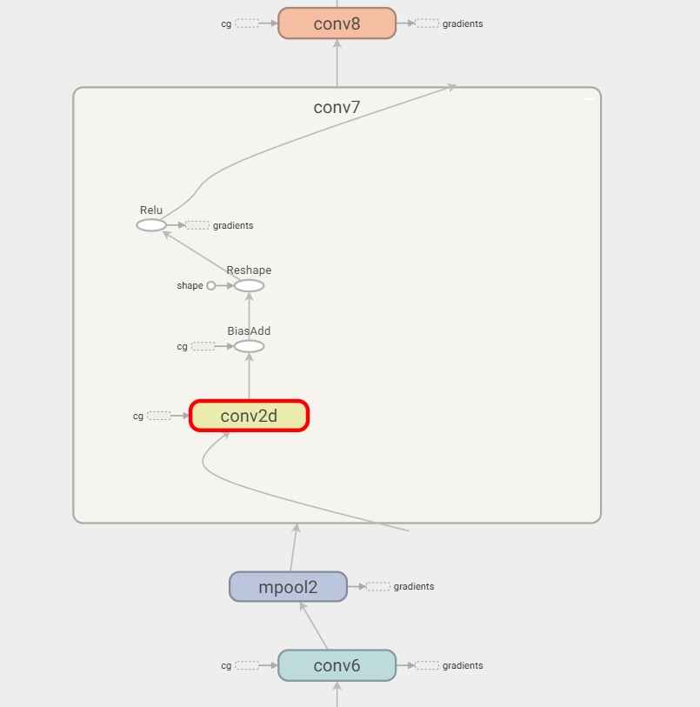
 | ['v/tower_0/xentropy/sparse_softmax_cross_entropy_loss/assert_broadcastable/static_scalar_check_success' | 'v/tower_0/xentropy/sparse_softmax_cross_entropy_loss/num_present/broadcast_weights/assert_broadcastable/values/shape' | 'v/tower_0/xentropy/sparse_softmax_cross_entropy_loss/num_present/zeros_like/shape_as_tensor' | 'v/tower_0/xentropy/sparse_softmax_cross_entropy_loss/num_present/broadcast_weights/assert_broadcastable/weights/shape' | 'v/tower_0/xentropy/sparse_softmax_cross_entropy_loss/num_present/broadcast_weights/ones_like' | 'v/tower_0/xentropy/sparse_softmax_cross_entropy_loss/num_present/broadcast_weights/assert_broadcastable/static_scalar_check_success' | 'v/tower_0/xentropy/sparse_softmax_cross_entropy_loss/num_present/broadcast_weights/ones_like/Shape' | 'v/tower_0/xentropy/sparse_softmax_cross_entropy_loss/num_present/broadcast_weights/assert_broadcastable/values/rank' | 'v/tower_0/xentropy/sparse_softmax_cross_entropy_loss/num_present/broadcast_weights/assert_broadcastable/weights/rank' | 'v/tower_0/xentropy/sparse_softmax_cross_entropy_loss/num_present/broadcast_weights/ones_like/Const']
 | ['v/tower_0/gradients/v/tower_0/cg/conv4/conv2d/Conv2D_grad/Const_1' | 'v/tower_0/cg/mpool1/MaxPool' | 'v/tower_0/gradients/v/tower_0/cg/conv4/conv2d/Conv2D_grad/Conv2DBackpropFilter']
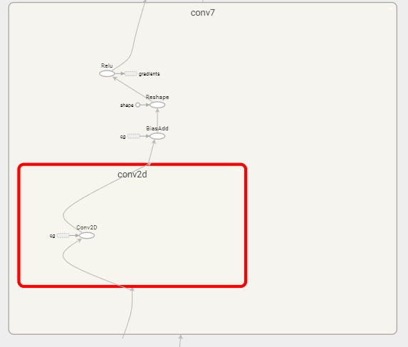
 | ['v/tower_0/gradients/v/tower_0/xentropy/sparse_softmax_cross_entropy_loss/Mul_grad/Sum_1' | 'v/tower_0/gradients/v/tower_0/xentropy/sparse_softmax_cross_entropy_loss/Sum_grad/Tile' | 'v/tower_0/gradients/v/tower_0/xentropy/sparse_softmax_cross_entropy_loss/Sum_grad/Tile/multiples' | 'v/tower_0/gradients/v/tower_0/xentropy/sparse_softmax_cross_entropy_loss/Mul_grad/mul_1']
 | ['v/cg/conv3/conv2d/kernel/read' | 'v/tower_0/cg/conv3/conv2d/Conv2D' | 'v/tower_0/L2Loss_6']
 | ['v/tower_0/gradients/AddN_10' | 'v/tower_0/gradients/v/tower_0/L2Loss_21_grad/mul' | 'v/tower_0/gradients/v/tower_0/cg/conv10/BiasAdd_grad/BiasAddGrad']
 | ['v/tower_0/gradients/v/tower_0/L2Loss_19_grad/mul' | 'v/tower_0/gradients/v/tower_0/cg/conv9/Reshape_grad/Reshape' | 'v/tower_0/gradients/v/tower_0/cg/conv9/Reshape_grad/Shape' | 'v/tower_0/gradients/v/tower_0/cg/conv9/BiasAdd_grad/BiasAddGrad' | 'v/tower_0/gradients/AddN_12']
 | ['v/tower_0/cg/conv4/conv2d/Conv2D' | 'v/tower_0/gradients/v/tower_0/cg/conv4/conv2d/Conv2D_grad/ShapeN' | 'v/tower_0/L2Loss_8' | 'v/cg/conv4/conv2d/kernel/read']
 | ['v/tower_0/gradients/v/tower_0/xentropy/sparse_softmax_cross_entropy_loss/xentropy/xentropy_grad/ExpandDims' | 'v/tower_0/gradients/v/tower_0/xentropy/sparse_softmax_cross_entropy_loss/xentropy/xentropy_grad/mul' | 'v/tower_0/gradients/v/tower_0/xentropy/sparse_softmax_cross_entropy_loss/xentropy/xentropy_grad/ExpandDims/dim' | 'v/cg/affine2/weights/read' | 'v/tower_0/gradients/v/tower_0/L2Loss_30_grad/mul' | 'v/tower_0/gradients/v/tower_0/cg/affine2/xw_plus_b/MatMul_grad/MatMul_1' | 'v/tower_0/gradients/v/tower_0/cg/affine2/xw_plus_b/MatMul_grad/MatMul' | 'v/tower_0/gradients/AddN_1']
 | ['v/tower_0/gradients/AddN' | 'v/tower_0/gradients/v/tower_0/L2Loss_31_grad/mul' | 'v/tower_0/gradients/v/tower_0/cg/affine2/xw_plus_b_grad/BiasAddGrad']
 | ['v/tower_0/gradients/v/tower_0/L2Loss_25_grad/mul' | 'v/tower_0/gradients/AddN_6' | 'v/tower_0/gradients/v/tower_0/cg/conv12/BiasAdd_grad/BiasAddGrad']
 | ['v/tower_0/gradients/v/tower_0/cg/conv4/BiasAdd_grad/BiasAddGrad' | 'v/tower_0/gradients/v/tower_0/cg/conv4/conv2d/Conv2D_grad/Conv2DBackpropInput' | 'v/tower_0/gradients/v/tower_0/cg/conv4/Reshape_grad/Shape' | 'v/tower_0/gradients/AddN_22' | 'v/tower_0/gradients/v/tower_0/cg/conv4/Relu_grad/ReluGrad' | 'v/tower_0/gradients/v/tower_0/cg/conv4/conv2d/Conv2D_grad/Const' | 'v/tower_0/gradients/v/tower_0/cg/conv4/Reshape_grad/Reshape'] |  |  |  |  |  | d
 | ['v/tower_0/gradients/v/tower_0/L2Loss_16_grad/mul' | 'v/tower_0/gradients/AddN_15' | 'v/tower_0/gradients/v/tower_0/cg/conv8/conv2d/Conv2D_grad/Conv2DBackpropFilter' | 'v/tower_0/gradients/v/tower_0/cg/conv8/conv2d/Conv2D_grad/Const_1']
 | ['v/tower_0/gradients/AddN_26' | 'v/tower_0/gradients/v/tower_0/L2Loss_5_grad/mul' | 'v/tower_0/gradients/v/tower_0/cg/conv2/BiasAdd_grad/BiasAddGrad']
 | ['v/tower_0/cg/mpool0/MaxPool' | 'v/tower_0/cg/conv1/Relu' | 'v/tower_0/cg/conv1/Reshape' | 'v/tower_0/gradients/v/tower_0/cg/conv2/conv2d/Conv2D_grad/Const_1' | 'v/tower_0/cg/conv1/Reshape/shape' | 'v/tower_0/gradients/AddN_27' | 'v/tower_0/gradients/v/tower_0/cg/conv2/conv2d/Conv2D_grad/Conv2DBackpropFilter']
 | ['v/tower_0/synthetic_labels/min' | 'v/tower_0/synthetic_labels/max' | 'v/tower_0/synthetic_labels/shape' | 'v/tower_0/synthetic_labels']
 | ['v/tower_0/L2Loss_7']
 | ['v/tower_0/synthetic_images/mul' | 'v/tower_0/synthetic_images/stddev']
 | ['v/tower_0/gradients/v/tower_0/xentropy/sparse_softmax_cross_entropy_loss/Mul_grad/mul' | 'v/tower_0/gradients/v/tower_0/xentropy/sparse_softmax_cross_entropy_loss/Mul_grad/Shape' | 'v/tower_0/gradients/v/tower_0/xentropy/sparse_softmax_cross_entropy_loss/Mul_grad/BroadcastGradientArgs' | 'v/tower_0/gradients/v/tower_0/xentropy/sparse_softmax_cross_entropy_loss/Mul_grad/Sum' | 'v/tower_0/gradients/v/tower_0/xentropy/sparse_softmax_cross_entropy_loss/Mul_grad/Reshape']
 | ['v/tower_0/cg/conv3/BiasAdd' | 'v/tower_0/cg/conv3/Reshape/shape' | 'v/tower_0/cg/conv3/Reshape']
 | ['v/tower_0/xentropy/sparse_softmax_cross_entropy_loss/Select' | 'v/tower_0/xentropy/sparse_softmax_cross_entropy_loss/div']
 | ['v/tower_0/gradients/v/tower_0/cg/conv3/conv2d/Conv2D_grad/ShapeN' | 'v/tower_0/gradients/v/tower_0/cg/conv3/conv2d/Conv2D_grad/Const_1' | 'v/tower_0/cg/conv2/Reshape' | 'v/tower_0/gradients/v/tower_0/cg/conv3/conv2d/Conv2D_grad/Conv2DBackpropFilter' | 'v/tower_0/cg/conv2/Reshape/shape' | 'v/tower_0/cg/conv2/Relu']
 | ['v/tower_0/L2Loss_12' | 'v/cg/conv6/conv2d/kernel/read' | 'v/tower_0/gradients/v/tower_0/cg/conv6/conv2d/Conv2D_grad/Conv2DBackpropInput' | 'v/tower_0/gradients/v/tower_0/cg/conv5/Relu_grad/ReluGrad' | 'v/tower_0/gradients/v/tower_0/cg/conv6/conv2d/Conv2D_grad/Const' | 'v/tower_0/gradients/v/tower_0/cg/conv6/conv2d/Conv2D_grad/ShapeN']
 | ['v/tower_0/L2Loss_19']
 | ['v/tower_0/gradients/v/tower_0/cg/conv3/conv2d/Conv2D_grad/Const' | 'v/tower_0/gradients/v/tower_0/cg/conv3/conv2d/Conv2D_grad/Conv2DBackpropInput' | 'v/tower_0/gradients/v/tower_0/cg/conv2/Relu_grad/ReluGrad']
 | ['v/tower_0/gradients/AddN_18' | 'v/tower_0/gradients/v/tower_0/cg/conv6/BiasAdd_grad/BiasAddGrad' | 'v/tower_0/gradients/v/tower_0/L2Loss_13_grad/mul']
 | ['v/tower_0/cg/affine2/xw_plus_b' | 'v/tower_0/cg/affine2/xw_plus_b/MatMul' | 'v/tower_0/cg/affine1/affine1' | 'v/tower_0/cg/dropout0_1/dropout/Identity']
 | ['v/tower_0/xentropy/sparse_softmax_cross_entropy_loss/Const_1' | 'v/tower_0/xentropy/sparse_softmax_cross_entropy_loss/Sum_1' | 'v/tower_0/xentropy/sparse_softmax_cross_entropy_loss/Const_2' | 'v/tower_0/xentropy/sparse_softmax_cross_entropy_loss/Sum']
 | ['v/tower_0/L2Loss_4' | 'v/tower_0/cg/conv2/conv2d/Conv2D' | 'v/tower_0/gradients/v/tower_0/L2Loss_4_grad/mul' | 'v/tower_0/gradients/v/tower_0/cg/conv2/conv2d/Conv2D_grad/ShapeN' | 'v/tower_0/cg/conv2/BiasAdd' | 'v/cg/conv2/conv2d/kernel/read']
 | ['v/tower_0/gradients/v/tower_0/xentropy/xentropy_mean_grad/truediv' | 'v/tower_0/gradients/v/tower_0/xentropy/sparse_softmax_cross_entropy_loss/value_grad/Select' | 'v/tower_0/gradients/v/tower_0/xentropy/xentropy_mean_grad/Const']
 | ['v/tower_0/L2Loss_20' | 'v/tower_0/L2Loss_25' | 'v/tower_0/L2Loss_17' | 'v/tower_0/L2Loss_2' | 'v/tower_0/L2Loss_24' | 'v/tower_0/L2Loss_15' | 'v/tower_0/L2Loss' | 'v/tower_0/L2Loss_5' | 'v/tower_0/AddN' | 'v/tower_0/L2Loss_11' | 'v/tower_0/L2Loss_30']
 | ['v/tower_0/gradients/v/tower_0/L2Loss_29_grad/mul' | 'v/tower_0/gradients/v/tower_0/cg/affine1/xw_plus_b/MatMul_grad/MatMul_1' | 'v/tower_0/gradients/AddN_3' | 'v/tower_0/gradients/v/tower_0/cg/affine1/affine1_grad/ReluGrad' | 'v/tower_0/gradients/v/tower_0/cg/affine1/xw_plus_b_grad/BiasAddGrad' | 'v/tower_0/gradients/AddN_2']
 | ['v/tower_0/gradients/v/tower_0/cg/conv2/Reshape_grad/Shape' | 'v/tower_0/gradients/v/tower_0/cg/conv2/Reshape_grad/Reshape']
 | ['v/tower_0/cg/conv0/BiasAdd' | 'v/tower_0/gradients/v/tower_0/cg/conv1/conv2d/Conv2D_grad/ShapeN' | 'v/tower_0/cg/conv0/Relu' | 'v/tower_0/cg/conv0/Reshape' | 'v/tower_0/cg/conv0/Reshape/shape']
 | ['v/tower_0/L2Loss_3']
 | ['v/tower_0/L2Loss_13']
 | ['v/tower_0/cg/dropout0/dropout/Identity' | 'v/tower_0/cg/affine1/xw_plus_b/MatMul' | 'v/tower_0/cg/affine1/xw_plus_b']
 | ['v/tower_0/gradients/AddN_28' | 'v/tower_0/gradients/v/tower_0/L2Loss_3_grad/mul']
 | ['v/tower_0/gradients/v/tower_0/xentropy/xentropy_mean_grad/Reshape/shape' | 'v/tower_0/gradients/v/tower_0/xentropy/xentropy_mean_grad/Tile/multiples' | 'v/tower_0/gradients/v/tower_0/xentropy/xentropy_mean_grad/Tile' | 'v/tower_0/gradients/v/tower_0/xentropy/xentropy_mean_grad/Reshape']
 | ['v/tower_0/cg/conv11/Reshape/shape' | 'v/tower_0/gradients/v/tower_0/cg/conv11/Relu_grad/ReluGrad' | 'v/tower_0/cg/conv11/Relu' | 'v/tower_0/gradients/v/tower_0/cg/conv12/conv2d/Conv2D_grad/Conv2DBackpropFilter' | 'v/tower_0/gradients/v/tower_0/cg/conv12/conv2d/Conv2D_grad/Const_1' | 'v/tower_0/cg/conv11/Reshape']
 | ['v/tower_0/gradients/v/tower_0/xentropy/sparse_softmax_cross_entropy_loss/Mul_grad/Reshape_1' | 'v/tower_0/gradients/v/tower_0/xentropy/sparse_softmax_cross_entropy_loss/Mul_grad/Shape_1']
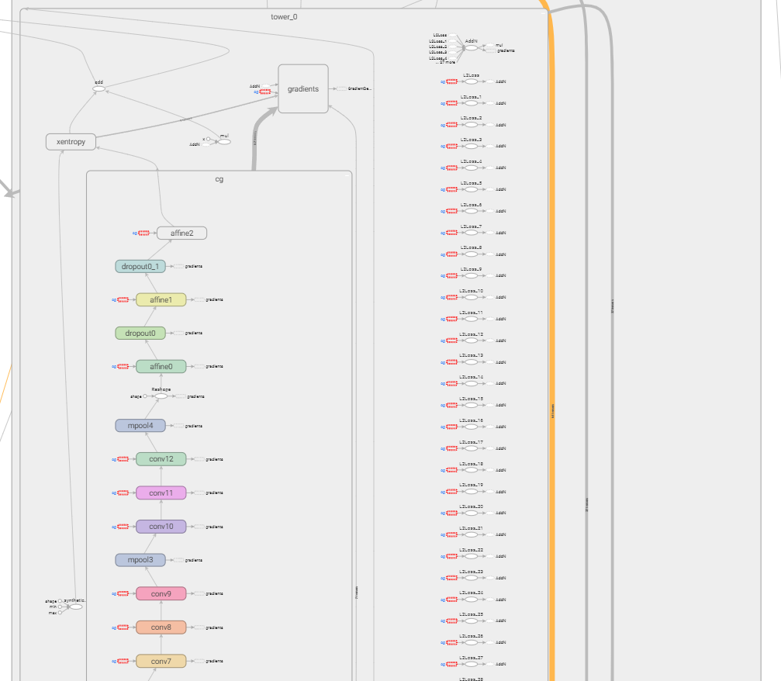
 | ['v/tower_0/gradients/v/tower_0/cg/mpool1/MaxPool_grad/MaxPoolGrad' | 'v/tower_0/cg/conv3/Relu' | 'v/tower_0/gradients/v/tower_0/cg/conv3/Relu_grad/ReluGrad']
 | ['v/tower_0/cg/conv4/Reshape' | 'v/tower_0/cg/conv4/Reshape/shape' | 'v/tower_0/cg/conv4/BiasAdd']
 | ['v/tower_0/cg/conv12/conv2d/Conv2D' | 'v/tower_0/cg/conv12/BiasAdd']
 | ['v/tower_0/gradients/v/tower_0/xentropy/sparse_softmax_cross_entropy_loss/Sum_grad/Reshape/shape' | 'v/tower_0/gradients/v/tower_0/xentropy/sparse_softmax_cross_entropy_loss/Sum_1_grad/Reshape' | 'v/tower_0/gradients/v/tower_0/xentropy/sparse_softmax_cross_entropy_loss/Sum_grad/Reshape' | 'v/tower_0/gradients/v/tower_0/xentropy/sparse_softmax_cross_entropy_loss/Sum_1_grad/Tile/multiples' | 'v/tower_0/gradients/v/tower_0/xentropy/sparse_softmax_cross_entropy_loss/Sum_1_grad/Reshape/shape' | 'v/tower_0/gradients/v/tower_0/xentropy/sparse_softmax_cross_entropy_loss/Sum_1_grad/Tile']
 | ['v/tower_0/gradients/v/tower_0/xentropy/sparse_softmax_cross_entropy_loss/div_grad/Reshape' | 'v/tower_0/gradients/v/tower_0/xentropy/sparse_softmax_cross_entropy_loss/div_grad/RealDiv' | 'v/tower_0/gradients/v/tower_0/xentropy/sparse_softmax_cross_entropy_loss/div_grad/Sum']
 | ['v/tower_0/gradients/v/tower_0/mul_grad/Mul_1' | 'v/tower_0/gradients/v/tower_0/L2Loss_12_grad/mul' | 'v/tower_0/gradients/v/tower_0/L2Loss_10_grad/mul' | 'v/tower_0/gradients/v/tower_0/L2Loss_9_grad/mul' | 'v/tower_0/gradients/v/tower_0/L2Loss_27_grad/mul']
 | ['v/tower_0/gradients/v/tower_0/xentropy/sparse_softmax_cross_entropy_loss/value_grad/zeros_like/shape_as_tensor' | 'v/tower_0/gradients/v/tower_0/xentropy/sparse_softmax_cross_entropy_loss/value_grad/zeros_like' | 'v/tower_0/gradients/v/tower_0/xentropy/sparse_softmax_cross_entropy_loss/value_grad/Select_1' | 'v/tower_0/xentropy/sparse_softmax_cross_entropy_loss/Greater' | 'v/tower_0/xentropy/sparse_softmax_cross_entropy_loss/Greater/y' | 'v/tower_0/gradients/v/tower_0/xentropy/sparse_softmax_cross_entropy_loss/value_grad/zeros_like/Const']
 | ['v/tower_0/xentropy/sparse_softmax_cross_entropy_loss/num_present/broadcast_weights' | 'v/tower_0/xentropy/sparse_softmax_cross_entropy_loss/num_present' | 'v/tower_0/xentropy/sparse_softmax_cross_entropy_loss/Equal/y' | 'v/tower_0/xentropy/sparse_softmax_cross_entropy_loss/Equal' | 'v/tower_0/xentropy/sparse_softmax_cross_entropy_loss/num_present/Const']
 | ['v/tower_0/gpu_cached_images' | 'v/tower_0/Mul/y' | 'v/tower_0/Mul' | 'report_uninitialized_variables_1/IsVariableInitialized_35' | 'v/tower_0/gpu_cached_images/read']
 | ['v/tower_0/gradients/v/tower_0/cg/conv7/Reshape_grad/Shape' | 'v/tower_0/gradients/v/tower_0/cg/conv7/BiasAdd_grad/BiasAddGrad' | 'v/tower_0/gradients/v/tower_0/cg/conv7/Reshape_grad/Reshape']
 | ['v/tower_0/synthetic_images' | 'v/tower_0/gpu_cached_images/Assign' | 'init/NoOp_1' | 'v/tower_0/synthetic_images/mean']
 | ['v/tower_0/gradients/v/tower_0/cg/mpool3/MaxPool_grad/MaxPoolGrad' | 'v/tower_0/cg/conv9/Relu' | 'v/tower_0/cg/conv9/Reshape/shape' | 'v/tower_0/cg/conv9/Reshape' | 'v/tower_0/cg/conv9/BiasAdd' | 'v/tower_0/gradients/v/tower_0/cg/conv9/Relu_grad/ReluGrad']
 | ['v/tower_0/gradients/v/tower_0/cg/conv2/conv2d/Conv2D_grad/Const' | 'v/tower_0/gradients/v/tower_0/cg/mpool0/MaxPool_grad/MaxPoolGrad' | 'v/tower_0/gradients/v/tower_0/cg/conv2/conv2d/Conv2D_grad/Conv2DBackpropInput']
 | ['v/tower_0/L2Loss_14' | 'v/tower_0/gradients/v/tower_0/cg/conv7/conv2d/Conv2D_grad/Conv2DBackpropInput' | 'v/tower_0/gradients/v/tower_0/L2Loss_14_grad/mul' | 'v/tower_0/gradients/v/tower_0/cg/conv7/conv2d/Conv2D_grad/Const' | 'v/tower_0/gradients/v/tower_0/cg/conv7/conv2d/Conv2D_grad/ShapeN' | 'v/cg/conv7/conv2d/kernel/read']
 | ['v/tower_0/xentropy/sparse_softmax_cross_entropy_loss/ones_like' | 'v/tower_0/xentropy/sparse_softmax_cross_entropy_loss/ones_like/Const' | 'v/tower_0/xentropy/sparse_softmax_cross_entropy_loss/ones_like/Shape']
 | ['v/tower_0/gradients/v/tower_0/mul_grad/Mul']
 | ['v/tower_0/cg/conv8/BiasAdd' | 'v/tower_0/cg/conv8/Relu' | 'v/tower_0/cg/conv8/Reshape' | 'v/tower_0/gradients/v/tower_0/cg/conv9/conv2d/Conv2D_grad/ShapeN' | 'v/tower_0/cg/conv8/Reshape/shape']
 | ['v/tower_0/gradients/v/tower_0/L2Loss_1_grad/mul' | 'v/tower_0/gradients/v/tower_0/cg/conv0/BiasAdd_grad/BiasAddGrad' | 'v/tower_0/gradients/AddN_30']
 | ['v/tower_0/xentropy/sparse_softmax_cross_entropy_loss/num_present/Select' | 'v/tower_0/xentropy/sparse_softmax_cross_entropy_loss/num_present/ones_like' | 'v/tower_0/xentropy/sparse_softmax_cross_entropy_loss/num_present/ones_like/Const' | 'v/tower_0/xentropy/sparse_softmax_cross_entropy_loss/num_present/zeros_like/Const' | 'v/tower_0/xentropy/sparse_softmax_cross_entropy_loss/num_present/ones_like/Shape' | 'v/tower_0/xentropy/sparse_softmax_cross_entropy_loss/num_present/zeros_like']
 | ['v/tower_0/gradients/v/tower_0/L2Loss_8_grad/mul' | 'v/tower_0/gradients/AddN_23']
 | ['v/tower_0/L2Loss_28' | 'v/cg/affine1/weights/read' | 'v/tower_0/gradients/v/tower_0/cg/affine1/xw_plus_b/MatMul_grad/MatMul' | 'v/tower_0/gradients/v/tower_0/L2Loss_28_grad/mul']
 | ['v/tower_0/gradients/v/tower_0/xentropy/sparse_softmax_cross_entropy_loss/div_grad/Reshape_1' | 'v/tower_0/gradients/v/tower_0/xentropy/sparse_softmax_cross_entropy_loss/div_grad/Shape' | 'v/tower_0/gradients/v/tower_0/xentropy/sparse_softmax_cross_entropy_loss/div_grad/BroadcastGradientArgs' | 'v/tower_0/gradients/v/tower_0/xentropy/sparse_softmax_cross_entropy_loss/div_grad/Sum_1' | 'v/tower_0/gradients/v/tower_0/xentropy/sparse_softmax_cross_entropy_loss/div_grad/Shape_1']
 | ['v/tower_0/gradients/v/tower_0/cg/conv1/conv2d/Conv2D_grad/Conv2DBackpropInput' | 'v/tower_0/gradients/v/tower_0/cg/conv1/conv2d/Conv2D_grad/Const' | 'v/tower_0/cg/conv1/conv2d/Conv2D' | 'v/tower_0/gradients/v/tower_0/cg/conv0/Relu_grad/ReluGrad' | 'v/tower_0/cg/conv1/BiasAdd']
 | ['v/tower_0/cg/conv12/Reshape' | 'v/tower_0/cg/conv12/Reshape/shape']
 | ['v/tower_0/cg/mpool4/MaxPool' | 'v/tower_0/gradients/v/tower_0/cg/affine0/xw_plus_b/MatMul_grad/MatMul_1' | 'v/tower_0/cg/conv12/Relu' | 'v/tower_0/cg/Reshape' | 'v/tower_0/cg/Reshape/shape' | 'v/tower_0/gradients/v/tower_0/cg/mpool4/MaxPool_grad/MaxPoolGrad']
 | ['v/tower_0/gradients/v/tower_0/cg/conv1/Reshape_grad/Shape' | 'v/tower_0/gradients/v/tower_0/cg/conv1/BiasAdd_grad/BiasAddGrad' | 'v/tower_0/gradients/v/tower_0/cg/conv1/Reshape_grad/Reshape' | 'v/tower_0/gradients/v/tower_0/cg/conv1/Relu_grad/ReluGrad']
 | ['v/tower_0/L2Loss_21']
 | ['v/tower_0/xentropy/sparse_softmax_cross_entropy_loss/Const' | 'v/tower_0/xentropy/sparse_softmax_cross_entropy_loss/num_present/Equal' | 'v/tower_0/xentropy/sparse_softmax_cross_entropy_loss/num_present/Equal/y']
 | ['v/tower_0/xentropy/xentropy_mean' | 'v/tower_0/mul' | 'v/tower_0/add' | 'v/tower_0/mul/x' | 'v/tower_0/xentropy/Const']
 | ['v/tower_0/gradients/v/tower_0/L2Loss_grad/mul' | 'v/tower_0/gradients/AddN_31']
 | ['v/tower_0/xentropy/sparse_softmax_cross_entropy_loss/Mul' | 'v/tower_0/gradients/v/tower_0/xentropy/sparse_softmax_cross_entropy_loss/xentropy/xentropy_grad/PreventGradient' | 'v/tower_0/xentropy/sparse_softmax_cross_entropy_loss/xentropy/xentropy' | 'v/tower_0/gradients/zeros_like']
 | ['v/tower_0/gradients/v/tower_0/L2Loss_11_grad/mul' | 'v/tower_0/gradients/v/tower_0/cg/conv5/conv2d/Conv2D_grad/Const' | 'v/tower_0/gradients/AddN_20' | 'v/tower_0/gradients/v/tower_0/cg/conv5/conv2d/Conv2D_grad/Conv2DBackpropInput' | 'v/tower_0/gradients/v/tower_0/cg/conv5/Reshape_grad/Shape' | 'v/tower_0/gradients/v/tower_0/cg/conv5/Reshape_grad/Reshape' | 'v/tower_0/gradients/v/tower_0/cg/conv5/BiasAdd_grad/BiasAddGrad']
 | ['v/tower_0/gradients/v/tower_0/xentropy/sparse_softmax_cross_entropy_loss/div_grad/mul' | 'v/tower_0/gradients/v/tower_0/xentropy/sparse_softmax_cross_entropy_loss/div_grad/Neg' | 'v/tower_0/gradients/v/tower_0/xentropy/sparse_softmax_cross_entropy_loss/div_grad/RealDiv_1' | 'v/tower_0/gradients/v/tower_0/xentropy/sparse_softmax_cross_entropy_loss/div_grad/RealDiv_2']
 | ['v/tower_0/gradients/v/tower_0/cg/affine0/xw_plus_b_grad/BiasAddGrad' | 'v/tower_0/cg/affine0/affine0' | 'v/tower_0/cg/affine0/xw_plus_b' | 'v/tower_0/L2Loss_26' | 'v/tower_0/gradients/v/tower_0/cg/affine0/xw_plus_b/MatMul_grad/MatMul' | 'v/tower_0/cg/affine0/xw_plus_b/MatMul' | 'v/tower_0/gradients/v/tower_0/cg/affine0/affine0_grad/ReluGrad' | 'v/cg/affine0/weights/read']
 | ['v/tower_0/cg/conv5/Reshape' | 'v/tower_0/cg/conv6/conv2d/Conv2D' | 'v/tower_0/cg/conv5/BiasAdd' | 'v/tower_0/cg/conv6/BiasAdd' | 'v/tower_0/cg/conv5/Reshape/shape' | 'v/tower_0/cg/conv5/Relu']
 | ['v/tower_0/xentropy/sparse_softmax_cross_entropy_loss/zeros_like/shape_as_tensor' | 'v/tower_0/xentropy/sparse_softmax_cross_entropy_loss/value' | 'v/tower_0/xentropy/sparse_softmax_cross_entropy_loss/zeros_like/Const' | 'v/tower_0/xentropy/sparse_softmax_cross_entropy_loss/zeros_like']
 | ['v/tower_0/L2Loss_31']
 | ['v/tower_0/L2Loss_23']
 | ['v/tower_0/gradients/v/tower_0/cg/conv5/conv2d/Conv2D_grad/ShapeN' | 'v/tower_0/L2Loss_10' | 'v/tower_0/gradients/AddN_21' | 'v/tower_0/cg/conv5/conv2d/Conv2D' | 'v/tower_0/gradients/v/tower_0/cg/conv5/conv2d/Conv2D_grad/Const_1' | 'v/tower_0/cg/conv4/Relu' | 'v/cg/conv5/conv2d/kernel/read' | 'v/tower_0/gradients/v/tower_0/cg/conv5/conv2d/Conv2D_grad/Conv2DBackpropFilter']
 | ['v/tower_0/cg/conv8/conv2d/Conv2D' | 'v/cg/conv8/conv2d/kernel/read' | 'v/tower_0/L2Loss_16' | 'v/tower_0/gradients/v/tower_0/cg/conv8/conv2d/Conv2D_grad/ShapeN']
 | ['v/tower_0/gradients/v/tower_0/cg/conv11/conv2d/Conv2D_grad/Conv2DBackpropInput' | 'v/tower_0/gradients/v/tower_0/cg/conv10/Relu_grad/ReluGrad' | 'v/tower_0/cg/conv10/BiasAdd' | 'v/tower_0/cg/conv10/Reshape/shape' | 'v/tower_0/gradients/v/tower_0/cg/conv11/Reshape_grad/Shape' | 'v/tower_0/gradients/v/tower_0/cg/conv11/Reshape_grad/Reshape' | 'v/tower_0/gradients/v/tower_0/cg/conv11/conv2d/Conv2D_grad/Const' | 'v/tower_0/cg/conv10/Reshape' | 'v/tower_0/gradients/AddN_9' | 'v/tower_0/gradients/v/tower_0/cg/conv11/conv2d/Conv2D_grad/Const_1' | 'v/tower_0/gradients/v/tower_0/cg/conv11/conv2d/Conv2D_grad/Conv2DBackpropFilter']
 | ['v/tower_0/L2Loss_1' | 'v/tower_0/cg/conv9/conv2d/Conv2D' | 'v/tower_0/gradients/v/tower_0/cg/conv9/conv2d/Conv2D_grad/Const' | 'v/tower_0/gradients/v/tower_0/cg/conv9/conv2d/Conv2D_grad/Conv2DBackpropInput' | 'v/tower_0/L2Loss_29' | 'v/tower_0/L2Loss_27' | 'v/tower_0/L2Loss_9' | 'v/cg/conv9/conv2d/kernel/read' | 'v/tower_0/gradients/v/tower_0/cg/conv8/Relu_grad/ReluGrad' | 'v/tower_0/L2Loss_18']
 | ['v/tower_0/gradients/AddN_8' | 'v/tower_0/gradients/AddN_5' | 'v/tower_0/gradients/v/tower_0/L2Loss_26_grad/mul' | 'v/tower_0/gradients/v/tower_0/L2Loss_23_grad/mul' | 'v/tower_0/gradients/v/tower_0/cg/conv11/BiasAdd_grad/BiasAddGrad']
 | ['v/tower_0/gradients/v/tower_0/cg/conv1/conv2d/Conv2D_grad/Conv2DBackpropFilter' | 'v/tower_0/gradients/v/tower_0/L2Loss_2_grad/mul' | 'v/tower_0/gradients/AddN_29' | 'v/tower_0/gradients/v/tower_0/cg/conv1/conv2d/Conv2D_grad/Const_1']
 | ['v/tower_0/gradients/v/tower_0/cg/conv8/conv2d/Conv2D_grad/Const' | 'v/tower_0/gradients/v/tower_0/cg/conv7/Relu_grad/ReluGrad' | 'v/tower_0/gradients/v/tower_0/L2Loss_15_grad/mul' | 'v/tower_0/gradients/v/tower_0/cg/conv8/conv2d/Conv2D_grad/Conv2DBackpropInput' | 'v/tower_0/gradients/AddN_16']
 | ['v/tower_0/gradients/v/tower_0/cg/conv3/BiasAdd_grad/BiasAddGrad' | 'v/tower_0/gradients/AddN_24' | 'v/tower_0/gradients/v/tower_0/L2Loss_7_grad/mul' | 'v/tower_0/gradients/v/tower_0/cg/conv3/Reshape_grad/Reshape' | 'v/tower_0/gradients/v/tower_0/cg/conv3/Reshape_grad/Shape']
 | ['v/tower_0/synthetic_images/shape' | 'v/tower_0/synthetic_images/TruncatedNormal']
 | ['v/tower_0/cg/conv11/BiasAdd' | 'v/tower_0/gradients/v/tower_0/cg/conv11/conv2d/Conv2D_grad/ShapeN' | 'v/tower_0/gradients/v/tower_0/L2Loss_22_grad/mul' | 'v/cg/conv11/conv2d/kernel/read' | 'v/tower_0/cg/conv11/conv2d/Conv2D' | 'v/tower_0/L2Loss_22' | 'v/tower_0/cg/conv10/Relu']
 | ['v/tower_0/cg/mpool3/MaxPool' | 'v/tower_0/gradients/v/tower_0/cg/conv10/conv2d/Conv2D_grad/Const' | 'v/tower_0/gradients/v/tower_0/cg/conv10/conv2d/Conv2D_grad/Conv2DBackpropFilter' | 'v/tower_0/gradients/v/tower_0/cg/conv10/conv2d/Conv2D_grad/ShapeN' | 'v/tower_0/gradients/v/tower_0/L2Loss_20_grad/mul' | 'v/tower_0/gradients/v/tower_0/cg/conv10/conv2d/Conv2D_grad/Conv2DBackpropInput' | 'v/tower_0/gradients/v/tower_0/cg/conv10/Reshape_grad/Shape' | 'v/tower_0/gradients/v/tower_0/cg/conv10/conv2d/Conv2D_grad/Const_1' | 'v/cg/conv10/conv2d/kernel/read' | 'v/tower_0/gradients/AddN_11' | 'v/tower_0/cg/conv10/conv2d/Conv2D' | 'v/tower_0/gradients/v/tower_0/cg/conv10/Reshape_grad/Reshape']
 | ['v/tower_0/gradients/AddN_19' | 'v/tower_0/gradients/v/tower_0/cg/conv6/Relu_grad/ReluGrad' | 'v/tower_0/gradients/v/tower_0/cg/conv6/conv2d/Conv2D_grad/Const_1' | 'v/tower_0/gradients/v/tower_0/cg/conv6/Reshape_grad/Shape' | 'v/tower_0/gradients/v/tower_0/cg/conv6/conv2d/Conv2D_grad/Conv2DBackpropFilter' | 'v/tower_0/gradients/v/tower_0/cg/conv6/Reshape_grad/Reshape']
 | ['v/tower_0/gradients/v/tower_0/cg/conv12/conv2d/Conv2D_grad/Const' | 'v/cg/conv12/conv2d/kernel/read' | 'v/tower_0/gradients/AddN_7' | 'v/tower_0/gradients/v/tower_0/cg/conv12/conv2d/Conv2D_grad/ShapeN' | 'v/tower_0/gradients/v/tower_0/L2Loss_24_grad/mul' | 'v/tower_0/gradients/v/tower_0/cg/conv12/conv2d/Conv2D_grad/Conv2DBackpropInput']
 | ['v/tower_0/gradients/AddN_4' | 'v/tower_0/gradients/v/tower_0/cg/conv9/conv2d/Conv2D_grad/Conv2DBackpropFilter' | 'v/tower_0/gradients/AddN_13' | 'v/tower_0/gradients/v/tower_0/L2Loss_18_grad/mul' | 'v/tower_0/gradients/v/tower_0/cg/conv9/conv2d/Conv2D_grad/Const_1']
 | ['v/tower_0/gradients/AddN_14' | 'v/tower_0/gradients/v/tower_0/cg/conv8/BiasAdd_grad/BiasAddGrad' | 'v/tower_0/gradients/v/tower_0/L2Loss_17_grad/mul' | 'v/tower_0/gradients/v/tower_0/cg/conv8/Reshape_grad/Shape' | 'v/tower_0/gradients/v/tower_0/cg/conv8/Reshape_grad/Reshape']
 | ['v/tower_0/gradients/v/tower_0/cg/conv0/conv2d/Conv2D_grad/Const_1' | 'v/tower_0/gradients/v/tower_0/cg/conv0/conv2d/Conv2D_grad/Conv2DBackpropFilter' | 'v/tower_0/gradients/v/tower_0/cg/conv0/conv2d/Conv2D_grad/ShapeN' | 'v/tower_0/cg/conv0/conv2d/Conv2D' | 'v/tower_0/Sub/y' | 'v/tower_0/Sub']
 | ['v/tower_0/gradients/v/tower_0/cg/conv12/Reshape_grad/Shape' | 'v/tower_0/gradients/v/tower_0/cg/conv12/Reshape_grad/Reshape' | 'v/tower_0/gradients/v/tower_0/cg/conv12/Relu_grad/ReluGrad' | 'v/tower_0/gradients/v/tower_0/cg/Reshape_grad/Shape' | 'v/tower_0/gradients/v/tower_0/cg/Reshape_grad/Reshape']
 | ['v/tower_0/gradients/AddN_25' | 'v/tower_0/gradients/v/tower_0/L2Loss_6_grad/mul']

