Brainstorming
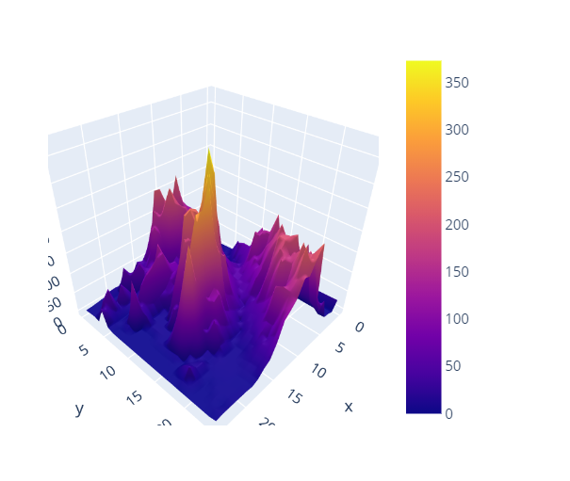
Plot.ly | chloropleth sign

