Contents


GIM Activity: Jan 01, 2026 to Jan 31, 2026

Table of Contents

Disclaimer and References | Disclaimer on the use of this report, and references to associated ERCOT Binding Documents ***Please read***
Acronyms | A list of the various acronyms used throughout the report
Summary | Tables that provide project aggregate counts and megawatt capacities by GIM phase and fuel type
Project Details - Large Gen | A table that list project details for Large Generators as defined in ERCOT Planning Guide Section 5.2.1(3); only include projects for which a Full Interconnection Study has been requested
Project Details - Small Gen | A table that list project details for Small Generators as defined in ERCOT Planning Guide 5.2.1(3); only include projects for which the Resource Registration form has been approved by ERCOT
GIM Trends | Charts and tables that show historical and projected interconnection study trends
Commissioning Update | A table listing project commissioning approval milestones met for the month: energization, synchronization, and commercial operations approval
Inactive Projects | A table listing Inactive projects
Cancellation Update | A table listing the projects cancelled for the month

Time of Report Run: Feb 1, 2026 8:00:50 AM

GIM Trends
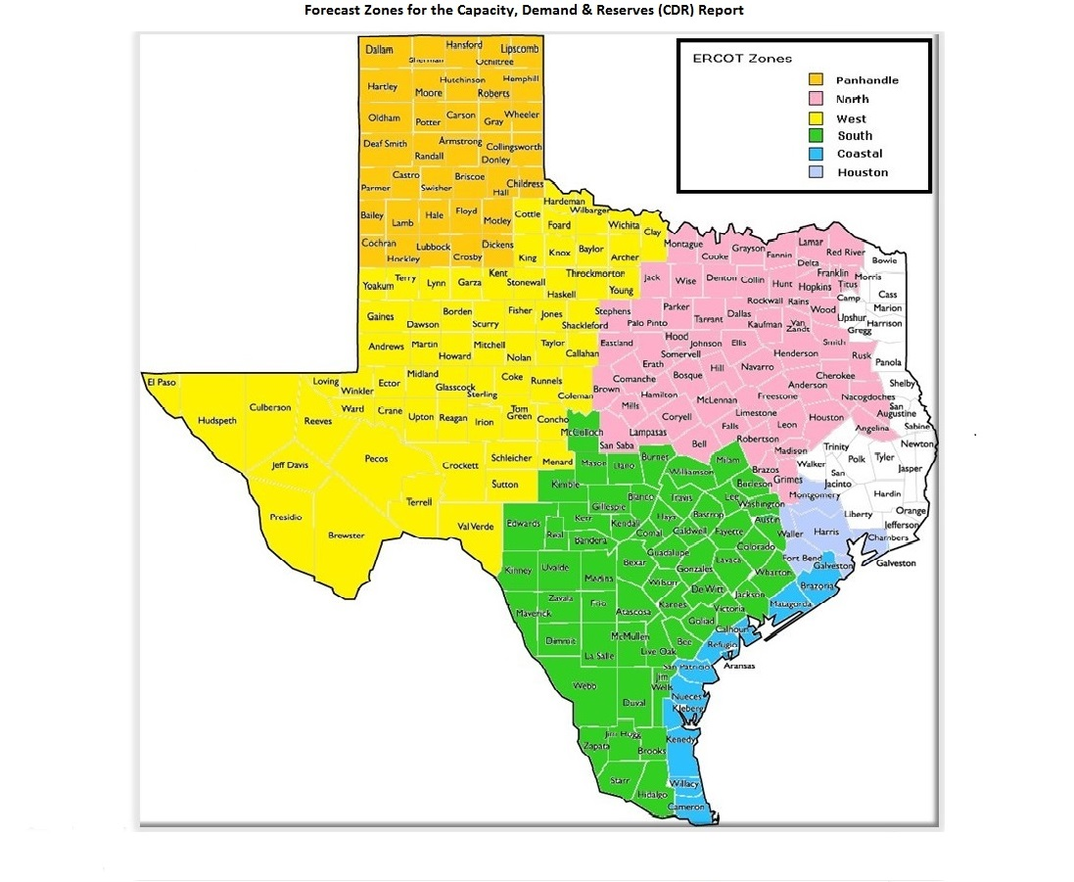
GIM Trends

Reflects all Large Generator projects for which a Security Screening Study has been requested. The third table reflects all Small Generator projects whose GIM applications have been approved.
Excludes projects that have a status of Inactive (status = INA).
Nameplate capacity will change across time due to additional projects, cancelations, expirations, adjustments from study results, and projects being placed into service.

Large Generator Monthly Capacity by GIM Milestone plus Project Count, 13-Month Rolling Basis
 | # Signed Interconnect Agreement | # Completed Full Study | # in Full Study | # Screening Study Complete | # Initial Screening study | GW Capacity
Jan-25 | 445 | 133 | 1163 | 119 | 16 | 388.61579
Feb-25 | 460 | 121 | 1200 | 113 | 19 | 399.00735
Mar-25 | 491 | 112 | 1207 | 113 | 19 | 404.45702
Apr-25 | 507 | 105 | 1212 | 102 | 29 | 410.87361
May-25 | 511 | 106 | 1223 | 89 | 21 | 408.90807
Jun-25 | 510 | 114 | 1237 | 88 | 27 | 419.64777
Jul-25 | 517 | 119 | 1242 | 86 | 27 | 432.10036
Aug-25 | 535 | 111 | 1201 | 82 | 33 | 427.44154
Sep-25 | 532 | 117 | 1196 | 94 | 20 | 431.16473
Oct-25 | 530 | 116 | 1164 | 94 | 11 | 431.20394
Nov-25 | 528 | 122 | 1159 | 91 | 9 | 434.41457
Dec-25 | 539 | 121 | 1150 | 90 | 5 | 440.29873
Jan-26 | 574 | 121 | 1136 | 79 | 17 | 449.55409
 | Year | Month | Total Projects |  |  | Project Count |  |  |  |  |  | Project Capacity (MW)
 |  |  |  |  |  | GIM milestones |  |  |  |  |  | Fuel Type
 |  |  |  | Small Generator Not Model Ready | Small Generator Model Ready | Initial Screening Study | Screening Study Complete | In Full Study | Completed Full Study | Signed Interconnection Agreement | Cancelled | Wind | Solar | Gas | Nuclear | Coal | Biomass | Battery | Other
 | 2023 | Jan | 1,298 | 23 | 5 | 51 | 105 | 736 | 63 | 315 | 1 | 24,351 | 125,569 | 12,542 | 0 | 0 | 53 | 88,430 | 2,486
 | 2023 | Feb | 1,334 | 18 | 13 | 48 | 109 | 761 | 68 | 317 | 1 | 24,702 | 127,309 | 12,542 | 0 | 0 | 53 | 91,493 | 2,486
 | 2023 | Mar | 1,373 | 14 | 17 | 39 | 100 | 810 | 73 | 320 | 22 | 25,742 | 127,765 | 12,544 | 0 | 0 | 53 | 96,356 | 2,235
 | 2023 | Apr | 1,385 | 15 | 18 | 33 | 89 | 825 | 80 | 325 | 20 | 23,703 | 129,237 | 12,985 | 0 | 0 | 53 | 96,078 | 2,235
 | 2023 | May | 1,424 | 18 | 20 | 36 | 86 | 843 | 86 | 335 | 19 | 22,472 | 129,507 | 13,026 | 0 | 0 | 53 | 102,825 | 2,235
 | 2023 | Jun | 1,479 | 28 | 22 | 51 | 83 | 872 | 82 | 341 | 16 | 27,152 | 130,857 | 12,476 | 0 | 0 | 53 | 109,380 | 2,235
 | 2023 | Jul | 1,500 | 25 | 28 | 50 | 76 | 903 | 83 | 335 | 16 | 28,615 | 133,979 | 12,368 | 0 | 0 | 53 | 110,408 | 2,386
 | 2023 | Aug | 1,537 | 31 | 30 | 45 | 82 | 927 | 85 | 337 | 7 | 32,034 | 136,165 | 11,842 | 0 | 0 | 53 | 111,579 | 2,235
 | 2023 | Sep | 1,580 | 40 | 32 | 43 | 102 | 924 | 93 | 346 | 15 | 31,640 | 141,315 | 11,384 | 0 | 0 | 53 | 114,563 | 2,235
 | 2023 | Oct | 1,628 | 41 | 32 | 49 | 102 | 952 | 99 | 353 | 16 | 31,916 | 143,221 | 13,638 | 0 | 0 | 53 | 120,534 | 2,235
 | 2023 | Nov | 1,656 | 44 | 30 | 55 | 99 | 961 | 92 | 375 | 10 | 32,510 | 142,606 | 15,457 | 0 | 0 | 53 | 124,941 | 2,385
 | 2023 | Dec | 1,671 | 41 | 28 | 39 | 116 | 974 | 92 | 381 | 12 | 34,591 | 145,654 | 15,483 | 0 | 0 | 53 | 127,068 | 2,367
 | 2024 | Jan | 1,731 | 42 | 29 | 35 | 133 | 1,011 | 95 | 386 | 12 | 36,261 | 148,135 | 15,546 | 0 | 0 | 53 | 133,592 | 2,247
 | 2024 | Feb | 1,783 | 43 | 27 | 65 | 132 | 1,023 | 102 | 391 | 13 | 37,215 | 152,098 | 16,022 | 0 | 0 | 0 | 140,219 | 2,967
 | 2024 | Mar | 1,775 | 39 | 29 | 80 | 100 | 1,035 | 101 | 391 | 64 | 35,120 | 155,273 | 15,429 | 0 | 0 | 0 | 141,484 | 2,332
 | 2024 | Apr | 1,780 | 42 | 33 | 58 | 115 | 1,025 | 112 | 395 | 15 | 32,956 | 152,917 | 15,573 | 0 | 0 | 0 | 145,000 | 2,332
 | 2024 | May | 1,813 | 39 | 41 | 48 | 129 | 1,023 | 125 | 408 | 9 | 33,887 | 154,225 | 15,938 | 0 | 0 | 0 | 149,002 | 2,332
 | 2024 | Jun | 1,812 | 34 | 44 | 20 | 137 | 1,023 | 140 | 414 | 27 | 31,452 | 152,433 | 17,089 | 0 | 0 | 0 | 147,743 | 2,332
 | 2024 | Jul | 1,858 | 31 | 46 | 27 | 136 | 1,033 | 158 | 427 | 5 | 33,731 | 154,407 | 22,160 | 0 | 0 | 0 | 151,811 | 2,562
 | 2024 | Aug | 1,886 | 27 | 49 | 24 | 140 | 1,057 | 152 | 437 | 8 | 33,853 | 154,770 | 25,328 | 0 | 0 | 0 | 154,799 | 2,562
 | 2024 | Sep | 1,881 | 29 | 48 | 21 | 140 | 1,050 | 158 | 435 | 19 | 34,839 | 153,658 | 25,967 | 0 | 0 | 0 | 154,264 | 2,961
 | 2024 | Oct | 1,872 | 35 | 44 | 28 | 127 | 1,039 | 159 | 440 | 29 | 33,467 | 154,860 | 25,954 | 0 | 0 | 0 | 152,580 | 3,713
Monthly Capacity by Fuel Type plus Project Count, 13-Month Rolling Basis
 | Natural Gas | Nuclear | Coal | Wind | Solar | Biomass | Battery | Other | Total Project Count | Cancelled Project Count
Jan-25 | 28.77388 | 0 | 0 | 38.22303 | 153.6071 | 0 | 165.93271 | 2.78085 | 1952 | 17
Feb-25 | 32.19019 | 0 | 0 | 39.89287 | 155.98952 | 0 | 168.836 | 2.78085 | 1987 | 16
Mar-25 | 33.57849 | 0.6 | 0 | 39.79514 | 156.68543 | 0 | 171.59201 | 2.91285 | 2018 | 18
Apr-25 | 33.58305 | 0.6 | 0 | 42.48335 | 159.42581 | 0 | 172.48562 | 3.06285 | 2037 | 38
May-25 | 32.48982 | 0.6 | 0 | 40.88547 | 158.49036 | 0 | 173.99686 | 3.2084 | 2031 | 26
Jun-25 | 35.26007 | 0.6 | 0 | 41.41407 | 161.67674 | 0 | 177.9286 | 3.50135 | 2054 | 17
Jul-25 | 39.55768 | 0.6 | 0 | 45.04833 | 162.70267 | 0 | 181.39377 | 3.50135 | 2066 | 21
Aug-25 | 39.40277 | 0.6 | 0 | 44.64855 | 160.192 | 0 | 179.83835 | 3.50135 | 2041 | 30
Sep-25 | 43.69524 | 0.6 | 0 | 46.09345 | 159.93182 | 0 | 178.05276 | 3.56245 | 2042 | 25
Oct-25 | 47.84845 | 0.6 | 0 | 46.42228 | 158.15064 | 0 | 175.5791 | 3.38445 | 1999 | 51
Nov-25 | 52.65595 | 0.6 | 0 | 44.78568 | 159.53696 | 0 | 174.36901 | 3.25794 | 1994 | 13
Dec-25 | 53.71605 | 0.6 | 0 | 46.19094 | 161.80724 | 0 | 175.45901 | 3.25794 | 1984 | 17
Jan-26 | 57.40335 | 0.6 | 0 | 47.96085 | 162.06676 | 0 | 178.70275 | 3.5725 | 2008 | 20
 | 2024 | Nov | 1,903 | 33 | 48 | 21 | 126 | 1,070 | 156 | 449 | 11 | 35,307 | 155,676 | 27,160 | 0 | 0 | 0 | 156,530 | 3,113
 | 2024 | Dec | 1,917 | 32 | 46 | 22 | 120 | 1,103 | 147 | 447 | 14 | 34,450 | 154,487 | 27,578 | 0 | 0 | 0 | 160,043 | 2,913
 | 2025 | Jan | 1,952 | 30 | 46 | 16 | 119 | 1,163 | 133 | 445 | 17 | 38,223 | 153,607 | 28,774 | 0 | 0 | 0 | 165,933 | 2,781
 | 2025 | Feb | 1,987 | 24 | 50 | 19 | 113 | 1,200 | 121 | 460 | 16 | 39,893 | 155,990 | 32,190 | 0 | 0 | 0 | 168,836 | 2,781
 | 2025 | Mar | 2,018 | 26 | 50 | 19 | 113 | 1,207 | 112 | 491 | 18 | 39,795 | 156,685 | 33,578 | 600 | 0 | 0 | 171,592 | 2,913
 | 2025 | Apr | 2,037 | 32 | 50 | 29 | 102 | 1,212 | 105 | 507 | 38 | 42,483 | 159,426 | 33,583 | 600 | 0 | 0 | 172,486 | 3,063
 | 2025 | May | 2,031 | 31 | 50 | 21 | 89 | 1,223 | 106 | 511 | 26 | 40,885 | 158,490 | 32,490 | 600 | 0 | 0 | 173,997 | 3,208
 | 2025 | Jun | 2,054 | 28 | 50 | 27 | 88 | 1,237 | 114 | 510 | 17 | 41,414 | 161,677 | 35,260 | 600 | 0 | 0 | 177,929 | 3,501
 | 2025 | Jul | 2,066 | 23 | 52 | 27 | 86 | 1,242 | 119 | 517 | 21 | 45,048 | 162,703 | 39,558 | 600 | 0 | 0 | 181,394 | 3,501
 | 2025 | Aug | 2,041 | 23 | 56 | 33 | 82 | 1,201 | 111 | 535 | 30 | 44,649 | 160,192 | 39,403 | 600 | 0 | 0 | 179,838 | 3,501
 | 2025 | Sep | 2,042 | 29 | 54 | 20 | 94 | 1,196 | 117 | 532 | 25 | 46,093 | 159,932 | 43,695 | 600 | 0 | 0 | 178,053 | 3,562
 | 2025 | Oct | 1,999 | 28 | 56 | 11 | 94 | 1,164 | 116 | 530 | 51 | 46,422 | 158,151 | 47,848 | 600 | 0 | 0 | 175,579 | 3,384
 | 2025 | Nov | 1,994 | 28 | 57 | 9 | 91 | 1,159 | 122 | 528 | 13 | 44,786 | 159,537 | 52,656 | 600 | 0 | 0 | 174,369 | 3,258
 | 2025 | Dec | 1,984 | 25 | 54 | 5 | 90 | 1,150 | 121 | 539 | 17 | 46,191 | 161,807 | 53,716 | 600 | 0 | 0 | 175,459 | 3,258
 | 2026 | Jan | 2,008 | 31 | 50 | 17 | 79 | 1,136 | 121 | 574 | 20 | 47,961 | 162,067 | 57,403 | 600 | 0 | 0 | 178,703 | 3,573

Small Generator Monthly Capacity by GIM Milestone plus Project Count, 13-Month Rolling Basis
 | # Not Model Ready | # Model Ready | MW Capacity
Jan-25 | 30 | 46 | 701.78
Feb-25 | 24 | 50 | 682.08
Mar-25 | 26 | 50 | 706.9
Apr-25 | 32 | 50 | 767.07
May-25 | 31 | 50 | 762.84
Jun-25 | 28 | 50 | 733.06
Jul-25 | 23 | 52 | 703.44
Aug-25 | 23 | 56 | 741.48
Sep-25 | 29 | 54 | 770.99
Oct-25 | 28 | 56 | 780.98
Nov-25 | 28 | 57 | 790.97
Dec-25 | 25 | 54 | 732.45
Jan-26 | 31 | 50 | 752.12

Capacity for Planned Projects by Projected In-service Year and CDR Forecast Zone
 | Gas | Wind | Solar | Battery | Other
2025 |  |  | 0.25588 | 0.30996
2026 |  | 0.5427 | 2.40603 | 3.00537
2027 | 1.8474 | 1.18413 | 3.61054 | 7.6849 | 0.41
2028 | 0.72143 | 0.1415 | 4.51638 | 5.78318 | 0.50356
2029 | 0.55611 | 0.5228 | 1.98838 | 1.57694
2030 | 0.311 | 2.57139 | 0.6036
2031 | 0.6591 |  |  | 0.3036
2025 | 0.014 |  |  | 0.27784 | 0.05
2026 | 0.6297 |  | 0.43875 | 3.48269
2027 | 0.7225 |  | 0.40848 | 6.812
2028 | 1.06583 |  |  | 1.64048 | 0.05
2029 |  |  |  | 1.97085
2030 | 1.35 | 1.02939 |  | 0.20305
2023 |  | 0.0072
2024 |  | 0.0103
2025 |  | 0.44771 | 0.54705 | 0.56636
2026 | 0.06779 | 2.20397 | 5.858 | 3.41141 | 0.03984
2027 | 2.007 | 5.51567 | 12.91766 | 13.36888 | 0.492
2028 | 10.37967 | 6.67022 | 23.38949 | 18.9662
2029 | 1.204 | 3.99173 | 12.18196 | 7.90494 | 0.6
2030 | 2.5884 | 1.00762 | 2.83823
2031 |  | 1.5 | 0.307
2025 |  | 0.226 | 1.46753 | 0.5562 | 0.1
2026 | 0.94236 | 1.72868 | 7.9045 | 5.47281
2027 | 2.13271 | 1.1292 | 13.3239 | 12.95084
2028 | 2.5095 | 0.44607 | 12.16569 | 21.09155 | 0.21
2029 | 3.0213 | 0.396 | 5.07003 | 9.18686
2030 | 1.4208 |  | 0.43072 | 0.31226 | 1.532
2031 | 1.381
2032 | 1.6604
2025 |  |  | 0.38 | 0.00999
2026 |  |  | 0.99159
2027 | 2.21 | 1.2195 | 5.02529 | 3.11945
2028 |  | 2.7179 | 3.91963 | 3.61895
2029 | 1.5636 | 4.72438 | 2.3617 | 0.20696
2030 | 1.3
2025 | 0.0599 | 0.434 | 1.34713 | 0.33877
2026 | 1.0354 | 0.47514 | 5.5932 | 5.23197
2027 | 2.40038 | 1.4638 | 9.12039 | 14.65465 | 0.1851
2028 | 4.01128 | 4.75285 | 11.06554 | 17.19122
2029 | 3.03872 | 0.901 | 9.11274 | 6.68707
2030 | 4.14 |  | 0.3352 | 0.61343
2031 | 0.45207
2032 |  |  | 0.18455 | 0.19112

Note: Other contains all Fuel and Technology Types not in the Solar, Wind, Gas or Battery categories.

