Sheet1
Steps | Data Source 1 |  |  | Data Source 2 |  |  |  |  | Data Source 3
1. Input | pupil_teacher_ratio.csv |  |  | school_demography.csv
2. Cleaning Dataframe | delete blank value |  |  | delete blank value |  |  |  |  | delete blank value
 | rename column |  |  | filter / group by year 2015-2016 |  |  |  |  | delete columns
 |  |  |  | delete columns |  |  |  |  | create new column = average survewy_result
 |  |  |  | rename columns

3. Output | ID | school_name | pupil_teacher_ratio | ID | school_name | percent_female | percent_male | economic_need_index | ID | school_name | instruction_score | collaboration_score | supportive_environment_score | school_leadership_score | family_community_scores | average_survey_result | positive_score

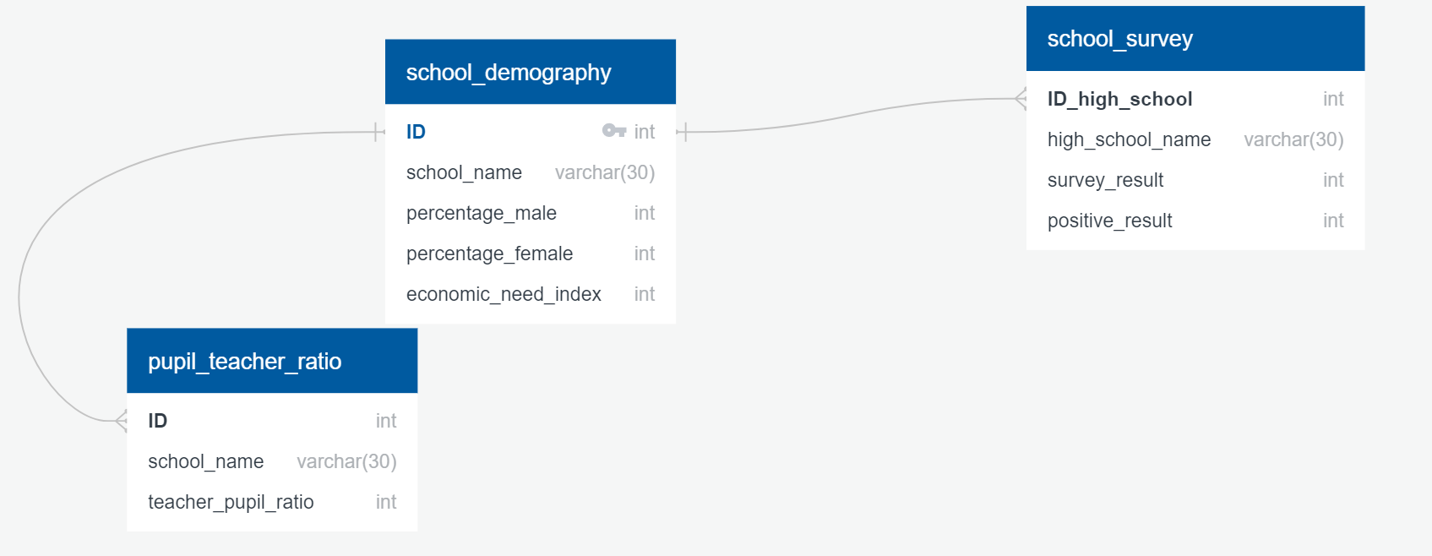

4. Cleaning Database | join table with "ID" from "school_demography" as primary key
 | rename column, delete column

5. Load to SQL

 | Data Source
 | https://data.world/city-of-ny/uchs-jqh4
 | https://data.world/city-of-ny/fb6n-h22r
 | https://data.world/city-of-ny/43qn-d6r8
 | https://data.world/city-of-ny/45j8-f6um

