草稿
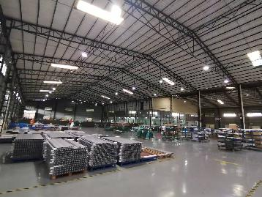 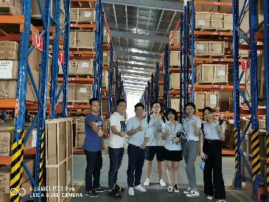 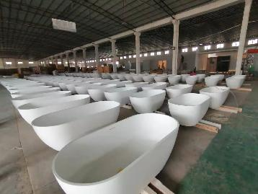 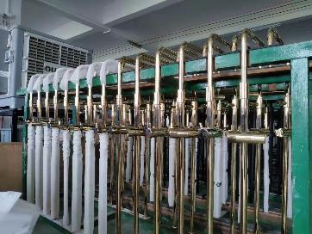 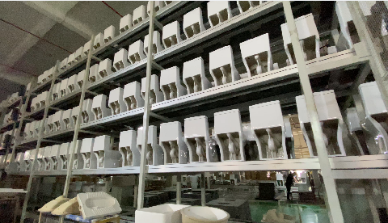
GEORGE SANITARY WARE Address: Jihua 4 Road,Foshan City,Guangdong Province,China Website: www.georgematerial.com
Customer |  |  |  |  |  | Customer Country
Email |  |  |  |  |  | Moblie Number |  | 8613802881694
Quote Date |  | 2026/05/20 |  |  |  | Valid until |  | 2026/06/04
Order NO |  |  |  |  |  | Sales |  | Eko
Date of order |  |  |  |  |  | Date of delive
Proforma invoice
No. | Item Number | Product Type | Picture | Size(mm) | Description | unit | Quantity | Unit Price | Amount | CBM(m³) | Weight(KG) | Remarks

1 | KSH-N-8018-3 | Single hole faucet | 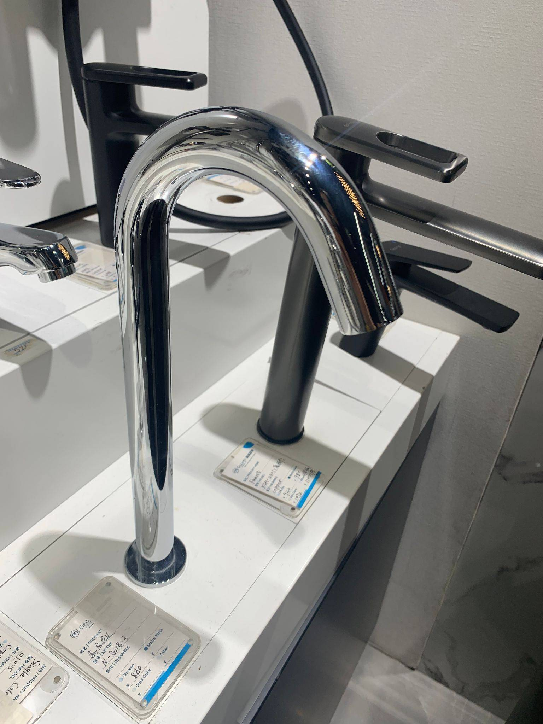 |  | Material : 304++Stainless+Steel Product Color : chrome Marketing selling points : | Set | 1 | ¥200.00 | ¥200.00 | 0.008 | 1.5
Total: |  |  |  |  |  |  |  |  | ¥200.00
Total amount: |  |  |  |  |  |  |  |  | ¥200.00
50 % Deposit: |  |  |  |  |  |  |  |  | ¥100.00
Balance: |  |  |  |  |  |  |  |  | ¥100.00
Notes
1.Delivery Term: FOB/CIF/DAP/DDP/DPU (per contract). Seller provides customs docs; buyer cooperates for smooth clearance.
2.Payment terms: 50% deposit by T/T after confirming the P/I.The balance by T/T before loading.100% payment if enough stock.
3.Order lead time: Within 25-30 days after receipt of deposit or payment
4.Packing: wooden box/carton
5.The goods are delivered indoors in Foshan
6.Goods are natural products so pattern ,colors and thinknss may be a little difference from the sample.
7.The above quotation includes export haulage to terminal, export customs declaration, export documentation fee and export port charges.Quotations provided by George Materials comply with our FCL export compliance requirements.Regardless of who provides other logistics services, export haulage to terminal and export customs declaration must be handled by George Materials.In case the designated freight forwarder refuses to allow George Materials to process export customs declaration, an additional penalty fee of 10% of the total cargo value will be charged.
8.Assisting customers in any form of fund transfers is strictly prohibited. If funds are received from a customer via a third-party intermediary, or if a customer requests that funds be transferred from our company to a third party, such funds will be returned to the original remitter. Any delay in payment resulting from such refund, and any subsequent delay in shipment, shall be at the customer's own risk and responsibility.
9.Logistics: George Logistics' professional international team provides customized transport solutions, cooperating with global premium partners. It synchronizes cargo trajectory via digital visual tracking system. Sea freight: 7–15 days (Asia & Australia), 30–45 days (Europe/America/Africa), excluding clearance/transit. Dedicated team assists customs clearance for smooth transport.
10.For all export orders, regardless of the trade terms adopted (such as FOB/CIF/DAP/DDP/DPU or others), the customs declaration documents provided by our company must be used, and export customs declaration shall be processed in the name of our company as the seller, so as to ensure compliance with the relevant laws and regulations of China on exports.

