TestTypes
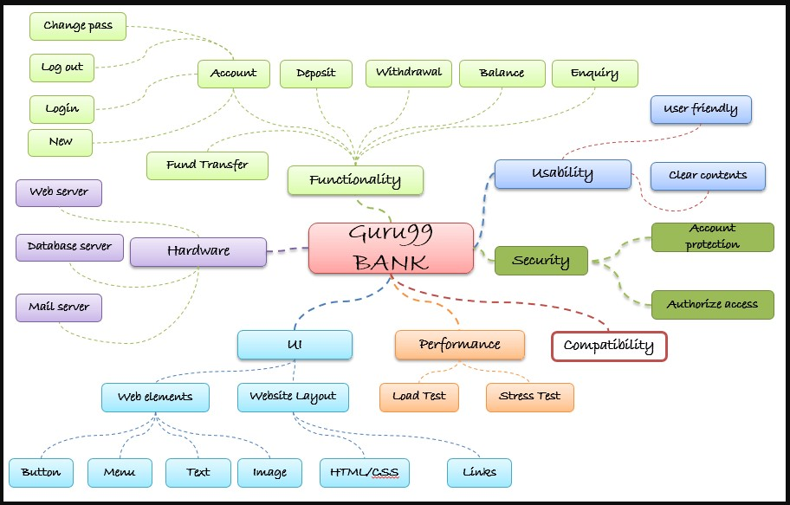
Functional QA testing: Based on Black Box testing - verifying the functionality of a software application or system to ensure that it meets the specified requirements
Positive testing: Functions as expected when provided with valid inputs, and under normal conditions
Negative testing: How the software handles invalid or unexpected inputs and error conditions
35 Test Types: How the software handles invalid or unexpected inputs and error conditions
Unit Testing: Verify functionality of individual units or components (functions, methods, or classes). Typically performed by developers during the development.
Integration Testing: Conducted to verify the interaction and data flow between different components, modules, or systems. The objective is to identify any issues that may arise when integrating individual components.
System Testing: Verify the complete & integrated software system to ensure that it meets the specified requirements. It involves testing the software as a whole and includes functionality, performance, security, and other aspects.
Acceptance Testing: Performed by Company testers & Client representatives to ensure that the software meets the requirements & is ready for deployment. Focuses on validating user's perspective & often involve real-world scenarios.
Delivery & Deploy Testing: Performed by QA in-charge of Installation process testing – Validate proper deploy of each component in all aspects… !!!
Functional Testing: Functional tests aim to verify that the software functions as expected and meets the specified functional requirements. It involves testing individual features, user interfaces, input validations, and error handling.
Regression Testing: Performed after making changes to the software, to ensure the existing functionality is not affected by modifications. Involves retesting previously tested features, to uncover any new defects or regressions.
Progression Testing: Ensure that new functionality added to software is as expected and meets the specified functional requirements. Involves testing individual features, user interfaces, input validations & error handling.
Smoke Testing: Quick Test - performed to ensure that most critical features of an application function correctly. Typically executed after deploy before comprehensive testing - Acts as a preliminary check even Prior to Sanity.
Sanity Testing: Testing focused on quickly checking the core functionalities of application, to determine if it is stable enough for more even comprehensive testing. Purpose of sanity is to identify major issues early in the dev-life-cycle.
End-to-End Testing: Verify the entire software system, including multiple components, interfaces, and interactions between them. It aims to validate the flows and functionalities of the entire system as a user would experience it.
GUI Testing: Verify the visual aspects of the client-software (Graphical User Interface) components and interactions between the user & interface - aims to ensure a smooth and intuitive user experience & validate proper flows and functionality of all the interactive.
Layout and Design Testing: GUI testing assesses the visual layout, design consistency, and responsiveness of the user interface. It involves checking the placement, alignment, spacing, and size of UI elements to ensure they adhere to the design guidelines.
Error Handling Testing: Evaluate how software handles various error scenarios, such as invalid inputs, exceptions, or unexpected system behaviors. Ensures appropriate Error Messages displayed and system recovers gracefully.
Boundary & End Cases Testing: Check software properly validate & handles edge cases of data inputs at the boundaries of acceptable values (valid & invalid ranges at lower & upper limits, and values just outside those limits).
API Testing: Validates the functionality, reliability, and security of the software's APIs = Application Programming Interface. It involves testing API endpoints, request/response formats, authentication mechanisms, and data integrity.
Data Integrity Testing: Data integrity tests verify the accuracy, consistency, and integrity of data stored or processed by the software. It includes validating data inputs, outputs, calculations, and database interactions.
Data Conversions Testing: Verify that one data format can be converted into another data format so that the converted data format can be used seamlessly by the application under test appropriately.
Compatibility Testing: Verify software is compatible with different hardware, operating systems, browsers or devices. It ensures that the application works correctly in various network environments and configurations.
Usability Testing: Evaluate how user-friendly the software is by assessing its ease of use, intuitiveness, and overall user experience. Testers simulate user interactions and observe user behavior to identify any usability issues.
Accessibility (for disabled) Testing: Verify whether the software is accessible to individuals with disabilities. It ensures compliance with accessibility standards and regulations.
Localization Testing: Assess whether software has been properly adapted to support different languages, cultures, and locales. Checks accurate translations, correct date and time formats, currency symbols and localized elements.
Internationalization Testing: Focus on designing and developing software in a way that makes it easier to localize. It involves testing the software's ability to handle international data formats, character encodings & cultural differences.
Security Testing: Assess the software's resilience against potential vulnerabilities, threats, or unauthorized access. It includes testing authentication, authorization, encryption, input validation, and other security mechanisms.
Fault Tolerance, High Availability and Geo Redundancy Testing: Assess the software's ability to enable users' access & get proper \ limited functionality of system while one or more components fail !
Recovery Testing: Evaluate system's ability to recover from failures or disruptions (as varied crashes and loss of power or network), to ensure restart & resumes stable operate state & maintain data integrity (no data corruptions).
Back-Up & Restore Testing: Evaluate the effectiveness of an organization’s software and methods of replicating data for security and its ability to reliably retrieve that data should the need arise…
Performance Testing: Evaluate the software's performance under expected or increased load conditions. It involves measuring response times, throughput, scalability, and resource usage to identify performance bottlenecks.
Load Testing: Assesses the software's performance under anticipated user loads. It simulates a high volume of concurrent users or transactions to determine how system handles the increased load and if it meets perf-criteria.
Stability and Durability Testing: Technique used to determine the characteristics of a system under various load conditions over time. This helps us to identify the stability of transaction response times over the duration of test.
Stress Testing: Evaluates software's performance under extreme conditions, such as high concurrent users, heavy data loads, or limited system resources. Aims to identify the breaking point or performance degradation of the system.
Compliance (to standards) Testing: Ensure the software meets regulatory, legal & industry-specific requirements. It involves verifying adherence to standards, regulations, data protection laws, and specific business rules.
Installation Testing: Check the software's installation process to ensure it can be installed, upgraded, or uninstalled correctly on various platforms. It includes verifying prerequisites, file integrity, and proper configuration. Installability…
Configuration Testing: Validates the software's behavior and functionality under different configuration settings. It verifies that the software works correctly with different settings, options, or parameter combinations. Configurability…
Interoperability Testing: Assess software's ability to interact and function correctly with other systems, platforms, or external interfaces. It validates seamless data exchange & compatibility with third-party applications integrations.
x

