fbs_v_dss_with_load_update
fbs vs dss_with_load_update
Input file: powerflowpy/tests/06n3ph_rad_unbal/06node_threephase_radial_unbalanced.dss
n | fbs, runtime ~= 12.5ms | dss
1 | 35.590373 | 34.719431
2 | 43.481834 | 74.914796
3 | 40.191712 | 101.204251
4 | 49.171587 | 168.367067
5 | 63.827852 | 313.446209
6 | 73.943393 | 352.668697
7 | 86.886611 | 307.066212
8 | 107.214697 | 326.520215
9 | 111.267866 | 364.99924
10 | 127.248887 | 418.821248
11 | 135.456404 | 432.430631
12 | 149.170559 | 397.462081
13 | 166.501353 | 501.46537
14 | 175.228564 | 582.294956
15 | 184.697662 | 588.645319
16 | 195.973228 | 594.862718
17 | 213.108702 | 566.669456
18 | 221.253103 | 667.377287
19 | 295.652931 | 665.760935
20 | 247.988733 | 802.126332

fbs_v_dss_with_load_update_sol
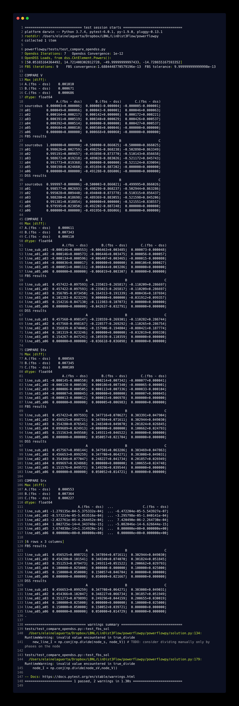

dss_w_load_update_source_code
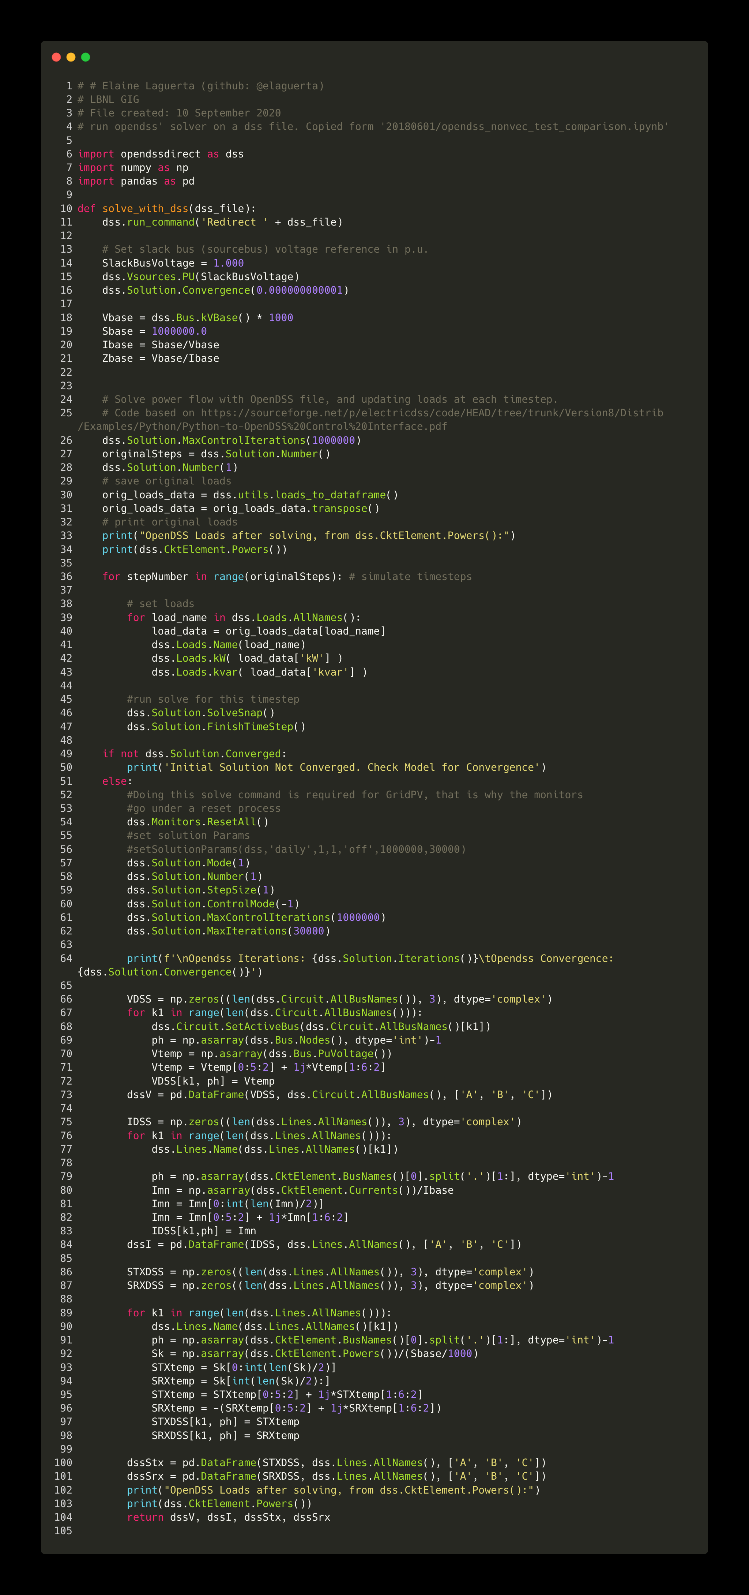

fbs_v_dss_constant_loads
fbs vs dss_constant_loads
Input file: powerflowpy/tests/06n3ph_rad_unbal/06node_threephase_radial_unbalanced.dss
n | fbs, runtime ~= 13.7 ms | dss, runtime ~= 1.32 ms
1 | 19.548837 | 1.833313
2 | 36.252404 | 2.707198
3 | 41.73921 | 3.951573
4 | 49.633386 | 5.118839
5 | 59.934189 | 6.968262
6 | 73.072043 | 8.078592
7 | 83.77257 | 9.043315
8 | 95.52109 | 10.691252
9 | 109.093659 | 11.488398
10 | 122.146324 | 13.214974
11 | 132.564407 | 14.079432
12 | 149.71263 | 16.581097
13 | 166.133052 | 16.998961
14 | 175.104529 | 18.008323
15 | 188.528599 | 19.400049
16 | 218.225818 | 20.628179
17 | 247.202126 | 22.466171
18 | 238.873714 | 23.367905
19 | 226.898573 | 24.56618
20 | 311.528128 | 28.152241

fbs_source_code
