dss_subroutines
dss subroutines
 | reset_loads_total_time | save_loads_time | final_calcs_time | init_circuit_time | run_solvesnap_total_time
1 | 14.432447 | 4.789506 | 2.257719 | 1.039534 | 0.957901
2 | 28.616641 | 8.813306 | 4.208447 | 2.991147 | 2.027098
3 | 43.10137 | 12.993594 | 6.396772 | 4.432509 | 2.891531
4 | 55.031578 | 16.418426 | 9.527363 | 5.94257 | 3.816886
5 | 71.480816 | 20.796992 | 10.544297 | 7.488087 | 4.982931
6 | 82.957272 | 24.827808 | 12.674082 | 9.420957 | 5.607267
7 | 105.927956 | 32.4896 | 16.968339 | 11.508993 | 7.904028
8 | 140.620998 | 46.055908 | 22.527332 | 14.60423 | 10.616239
9 | 160.904795 | 46.742635 | 23.638249 | 15.410094 | 15.930966
10 | 195.297941 | 65.605849 | 31.73035 | 22.569174 | 18.940408
11 | 164.911861 | 49.94323 | 24.538242 | 17.957876 | 11.895422
12 | 177.450087 | 49.508581 | 28.500899 | 21.99588 | 12.948885
13 | 180.600159 | 58.072312 | 26.38375 | 19.676686 | 12.422406
14 | 191.846925 | 59.22469 | 27.809866 | 22.175611 | 13.019259
15 | 217.593803 | 68.974968 | 32.707939 | 23.917986 | 14.998068
16 | 229.600531 | 72.330827 | 33.508222 | 24.765927 | 16.102032
17 | 234.242576 | 70.088993 | 33.467724 | 25.994072 | 15.760923
18 | 297.874611 | 89.852419 | 47.126157 | 29.882386 | 21.152613
19 | 262.184018 | 81.400445 | 37.163928 | 30.027987 | 17.996304
20 | 326.134712 | 88.396275 | 43.654012 | 32.979468 | 24.640563

dss subroutines
reset_loads_total_time | 14.899
save_loads_time | 4.4189
final_calcs_time | 2.1086
init_circuit_time | 1.6125
run_solvesnap_total_time | 1.0423

*fill this in by hand based on slope of linear trend line
reset_loads_total_time | 14.899
save_loads_time | 4.4189
final_calcs_time | 2.1086
init_circuit_time | 1.6125
run_solvesnap_total_time | 1.0423

dss_source_code
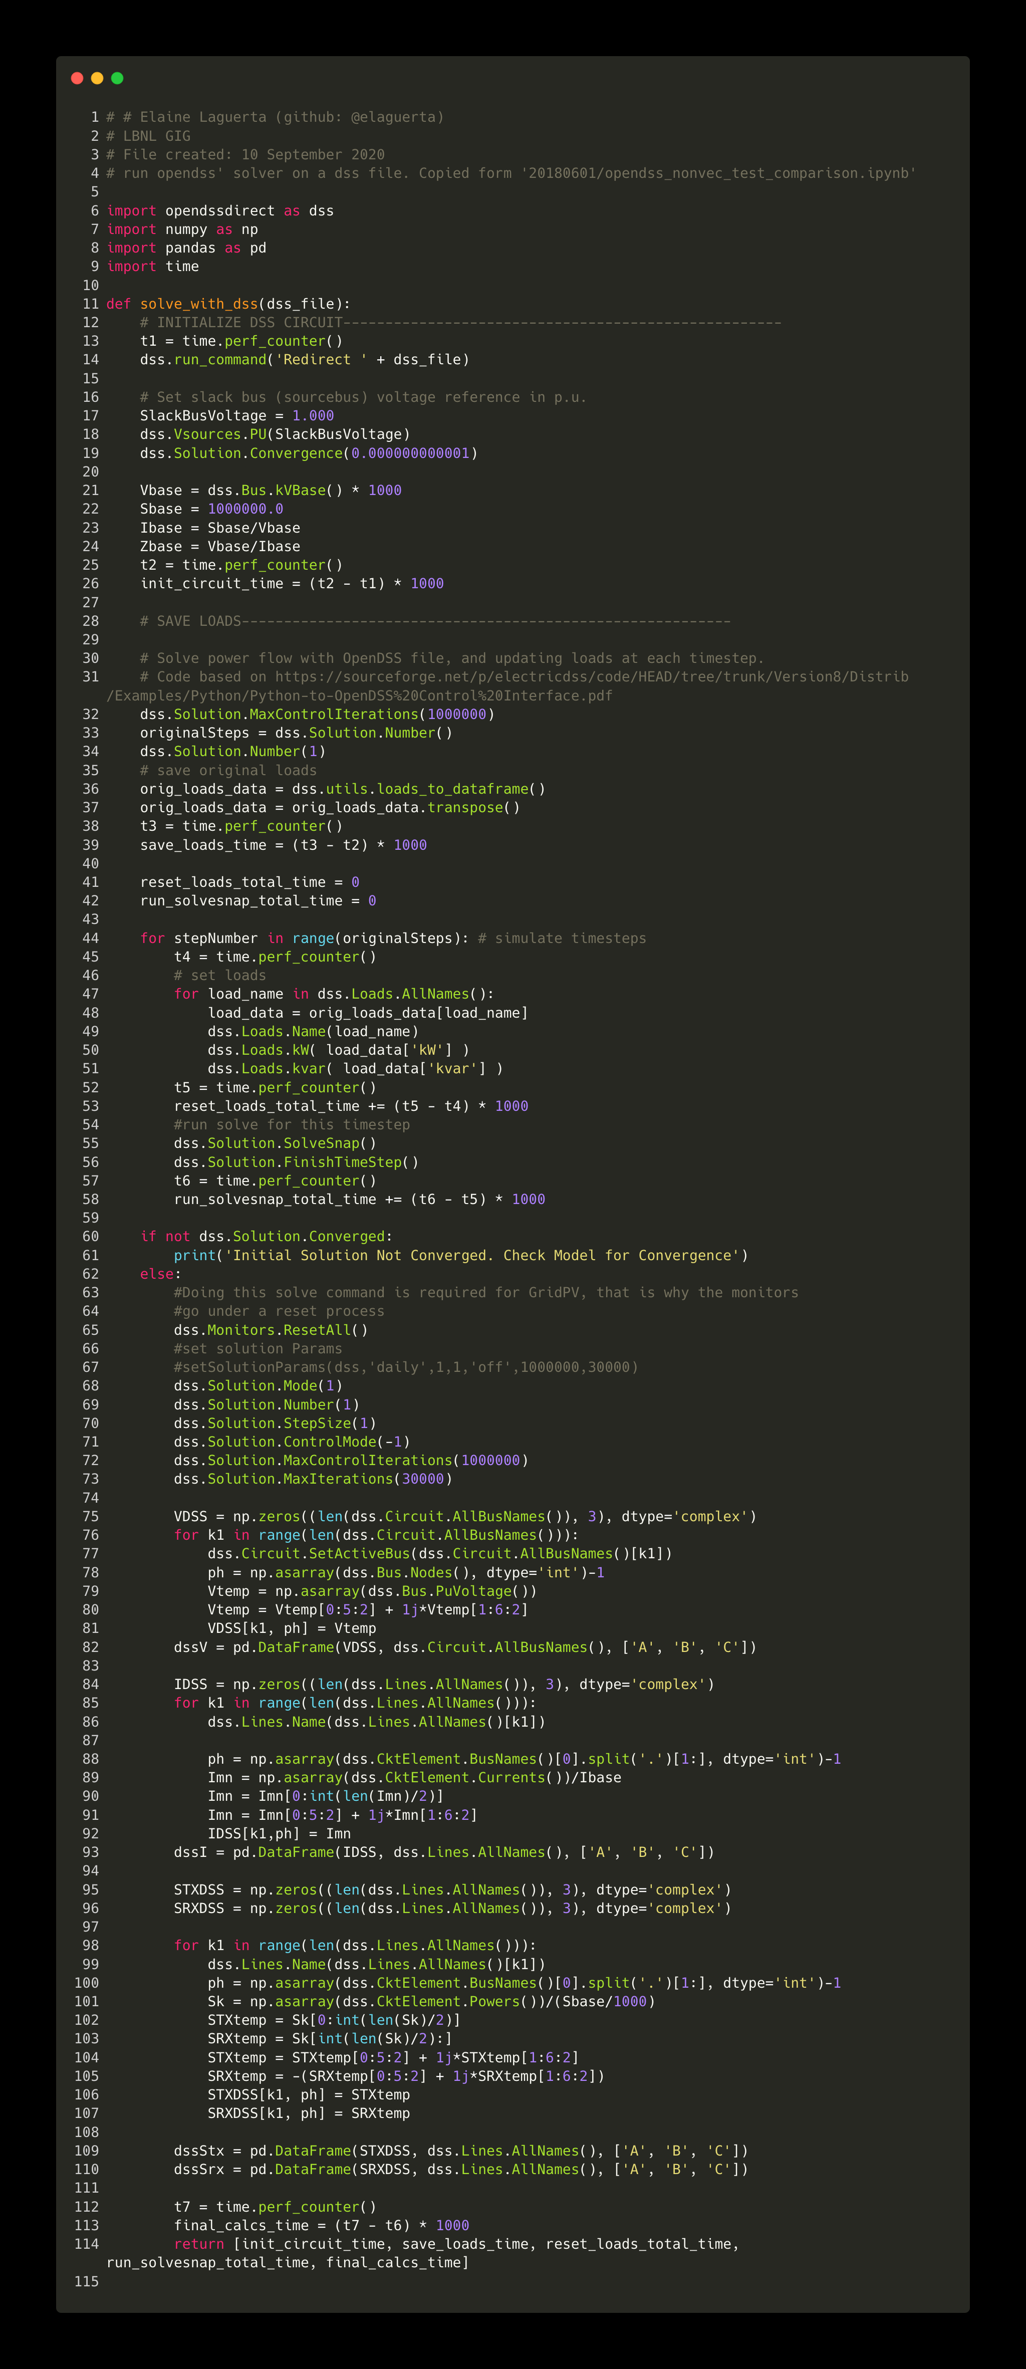
Source code filepath: LinDistFlow/powerflowpy/powerflowpy/dss_solve_detailed_timing.py

