init_from_dss vs. FBS
init_from_dss vs. FBS
 | total_time | fbs_time | init_from_dss_time
 | 17.792116 | 12.857068 | 4.935048
 | 42.329472 | 33.237321 | 9.092151
 | 48.493915 | 35.615084 | 12.878831
 | 66.872744 | 49.622612 | 17.250132
 | 80.411646 | 59.546522 | 20.865124
 | 95.759379 | 70.257804 | 25.501575
 | 126.918591 | 92.490677 | 34.427914
 | 137.132549 | 101.937514 | 35.195035
 | 140.132378 | 102.799243 | 37.333135
 | 188.366782 | 138.756723 | 49.610059
 | 184.660203 | 136.554581 | 48.105622
 | 211.853603 | 156.777623 | 55.07598
 | 206.526233 | 152.037176 | 54.489057
 | 221.6989 | 162.556753 | 59.142147
 | 308.030209 | 220.40605 | 87.624159
 | 275.514773 | 204.427851 | 71.086922
 | 315.389634 | 228.078815 | 87.310819
 | 285.29216 | 209.340368 | 75.951792
 | 312.129039 | 227.564967 | 84.564072
 | 317.159636 | 232.724481 | 84.435155
init_from_dss vs. FBS

*fill this in by hand based on slope of linear trend line
total_time | 16.794
fbs_time | 12.22
init_from_dss_time | 4.57

fbs_subroutines
FBS subroutines
 | solution_init_time | bwd_sweep_total_time | final_calcs_time | fwd_sweep_total_time | pre_bwd_sweep_load_update_total_time | topo_sort_time | convergence_check_total_time
1 | 2.987848 | 0.899925 | 0.562786 | 0.320577 | 0.137504 | 0.011679 | 0.014729
2 | 5.239851 | 1.862815 | 0.947238 | 0.688214 | 0.302113 | 0.025699 | 0.026221
3 | 7.724392 | 2.453716 | 1.401859 | 0.87454 | 0.360408 | 0.033091 | 0.030825
4 | 9.985152 | 3.541942 | 1.977845 | 1.165387 | 0.484021 | 0.046985 | 0.0488
5 | 12.307871 | 4.075118 | 2.325775 | 1.444586 | 0.603647 | 0.056121 | 0.052006
6 | 15.081766 | 4.987882 | 2.801691 | 1.769217 | 0.728636 | 0.066665 | 0.065718
7 | 20.781382 | 6.919581 | 3.427807 | 2.210184 | 0.904801 | 0.086168 | 0.097991
8 | 21.30418 | 6.574497 | 3.795736 | 2.34367 | 0.993796 | 0.094451 | 0.088705
9 | 21.86542 | 7.372426 | 4.204465 | 2.605664 | 1.087301 | 0.10275 | 0.095109
10 | 30.92834 | 8.672759 | 5.275729 | 3.190754 | 1.276106 | 0.135412 | 0.130959
11 | 27.259161 | 9.849194 | 5.940444 | 3.422131 | 1.354428 | 0.134369 | 0.145895
12 | 32.426431 | 10.82342 | 6.249774 | 3.761127 | 1.51948 | 0.14538 | 0.150368
13 | 32.089766 | 10.699966 | 6.086624 | 3.75355 | 1.566192 | 0.153504 | 0.139455
14 | 33.780682 | 11.750101 | 7.00745 | 4.419635 | 1.862979 | 0.156767 | 0.164533
15 | 53.403981 | 16.453879 | 9.143478 | 5.90112 | 2.277505 | 0.208292 | 0.235904
16 | 40.55097 | 14.830546 | 8.023237 | 5.153107 | 2.143945 | 0.193546 | 0.191571
17 | 53.746274 | 16.159221 | 9.096687 | 5.41376 | 2.441146 | 0.236222 | 0.217509
18 | 44.511621 | 15.03653 | 8.437001 | 5.273184 | 2.282002 | 0.215607 | 0.195847
19 | 50.151733 | 16.547267 | 9.183181 | 5.823716 | 2.395405 | 0.233752 | 0.229018
20 | 47.998191 | 17.686531 | 9.710321 | 6.135524 | 2.438491 | 0.228956 | 0.237141

FBS subroutines

*fill this in by hand based on slope of linear trend line
solution_init_time | 2.6826
bwd_sweep_total_time | 0.9089
final_calcs_time | 0.5075
fwd_sweep_total_time | 0.3182
pre_bwd_sweep_total_time | 0.1319
topo_sort_time | 0.0125
convergence_check_total_time | 0.0123

FBS_source_code
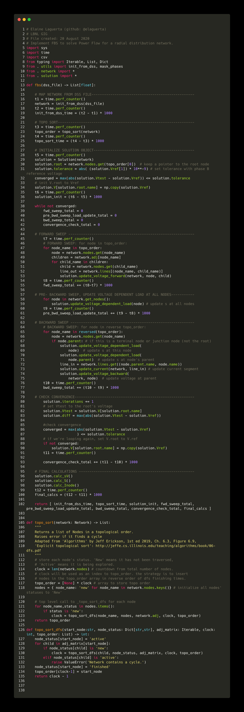
Source code: LinDist3Flow/powerflowpy/powerflowpy/fbs_detailed_timing.py

