dss_subroutines
dss subroutines
 | total_time | solve_time | setup_time
1 | 6.531931 | 5.20672 | 1.325211
2 | 13.120079 | 10.293363 | 2.826716
3 | 17.456462 | 13.297072 | 4.15939
4 | 24.456433 | 18.32862 | 6.127813
5 | 29.41265 | 22.377756 | 7.034894
6 | 37.226801 | 27.720629 | 9.506172
7 | 40.291952 | 30.457483 | 9.834469
8 | 46.452623 | 35.249999 | 11.202624
9 | 51.568456 | 38.99209 | 12.576366
10 | 59.729462 | 43.445965 | 16.283497
11 | 63.257554 | 47.684901 | 15.572653
12 | 69.322192 | 52.374264 | 16.947928
13 | 95.346308 | 73.14383 | 22.202478
14 | 81.403767 | 61.349632 | 20.054135
15 | 92.96158 | 69.850753 | 23.110827
16 | 154.630522 | 123.459356 | 31.171166
17 | 171.324975 | 132.288462 | 39.036513
18 | 171.096744 | 138.892834 | 32.20391
19 | 126.442328 | 97.275656 | 29.166672
20 | 141.825641 | 108.089378 | 33.736263

dss subroutines
total_time | 8.4
solve_time | 6.5
setup_time | 1.8

*fill this in by hand based on slope of linear trend line
total_time | 8.4
solve_time | 6.5
setup_time | 1.8

dss_source_code
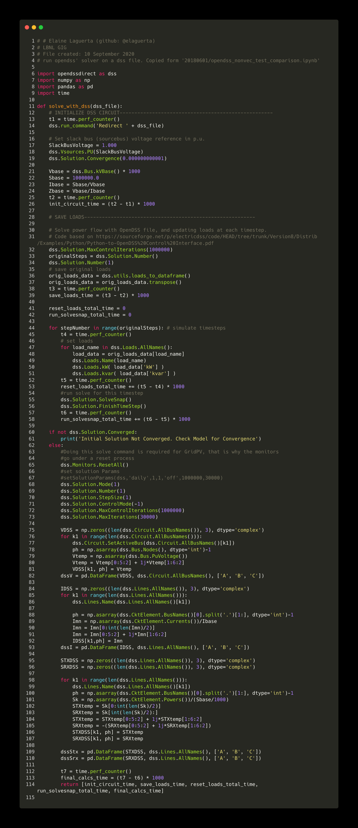
Source code filepath: LinDistFlow/powerflowpy/powerflowpy/dss_solve_detailed_timing.py

