fbs_v_dss_with_load_update
fbs vs dss_with_load_update
Input file: powerflowpy/tests/06n3ph_rad_unbal/06node_threephase_radial_unbalanced.dss
n | fbs, runtime ~= 12.5ms | dss
1 | 35.590373 | 34.719431
2 | 43.481834 | 74.914796
3 | 40.191712 | 101.204251
4 | 49.171587 | 168.367067
5 | 63.827852 | 313.446209
6 | 73.943393 | 352.668697
7 | 86.886611 | 307.066212
8 | 107.214697 | 326.520215
9 | 111.267866 | 364.99924
10 | 127.248887 | 418.821248
11 | 135.456404 | 432.430631
12 | 149.170559 | 397.462081
13 | 166.501353 | 501.46537
14 | 175.228564 | 582.294956
15 | 184.697662 | 588.645319
16 | 195.973228 | 594.862718
17 | 213.108702 | 566.669456
18 | 221.253103 | 667.377287
19 | 295.652931 | 665.760935
20 | 247.988733 | 802.126332

fbs_v_dss_with_load_update_sol
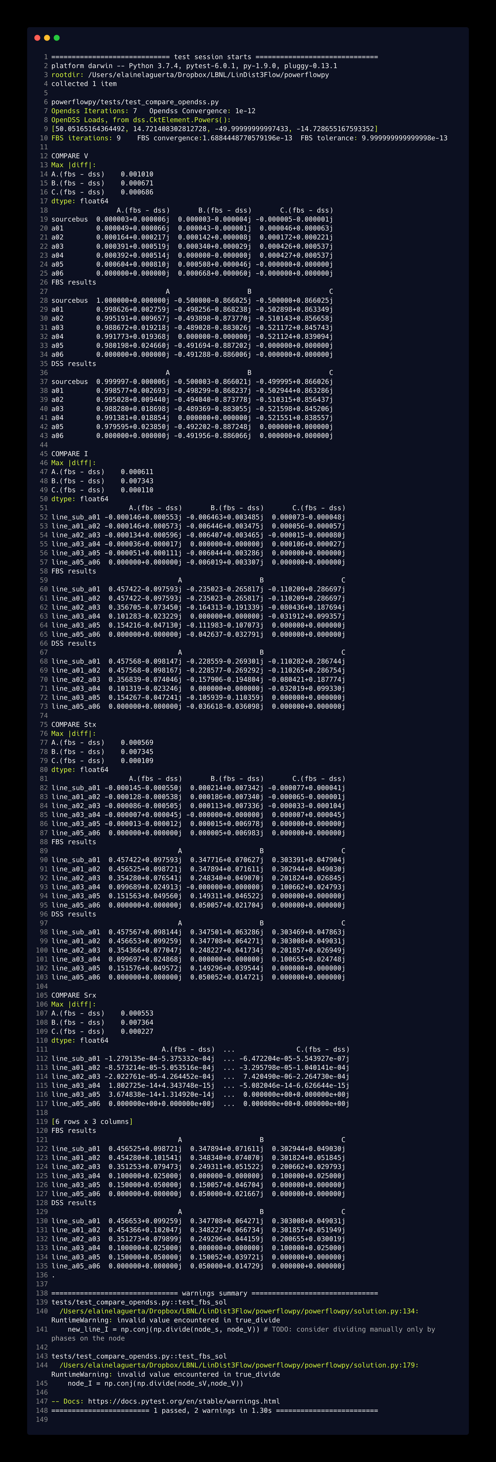

dss_w_load_update_source_code
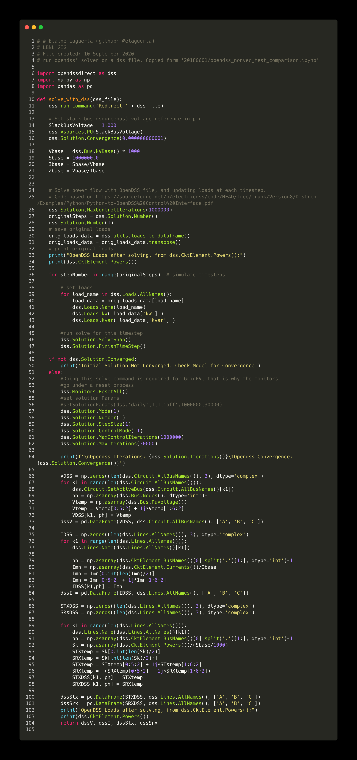

fbs_source_code
