VISUALIZATIONS (With decision)
EACH CATEGORY SALES COUNT
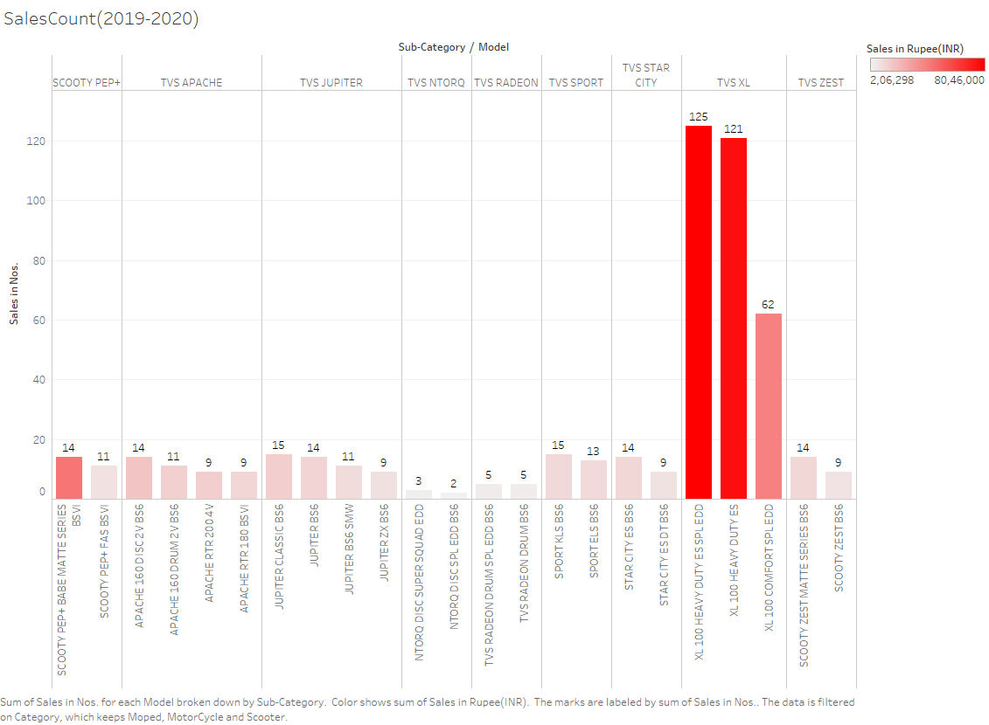

Y - axis - Number of vehicles sold
X - axis - Each model/sub-category/category
Each bar shows how many vehicles have been sold in the year 2019-2020
The intensity of color indicates the sales in rupee(in INR)

ORDER VS SALES COMPARISON (2019-2020)
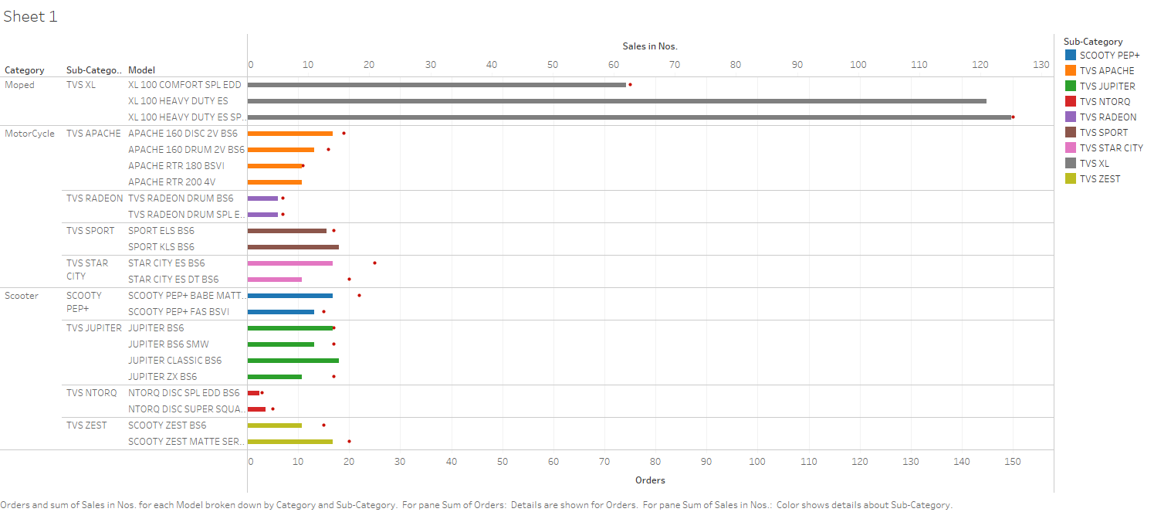

This graph compares the total orders we have placed over the third-quarter of 2019-2020 and the sales reached till december.
Moped - TVS XL stands the best seller of the third-quarter.

SALES GROWTH

2019-2020 Monthly Sales comparison (Category-wise) | 2018-2019 and 2019-2020 Monthly Sales Growth Comparison
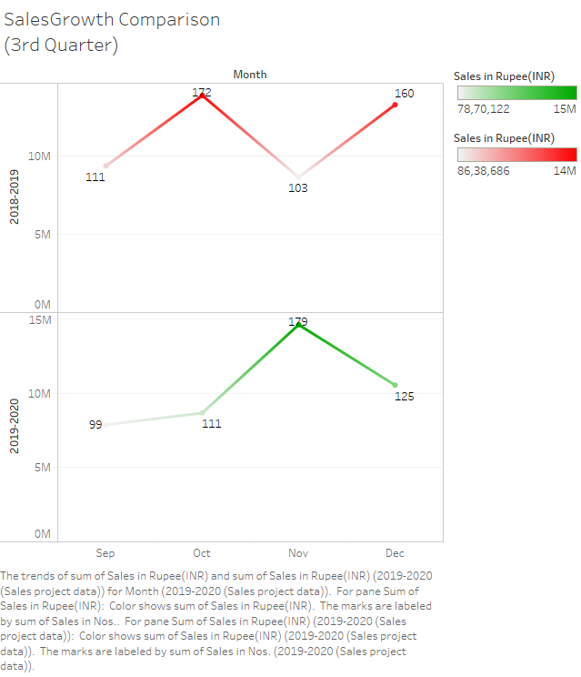
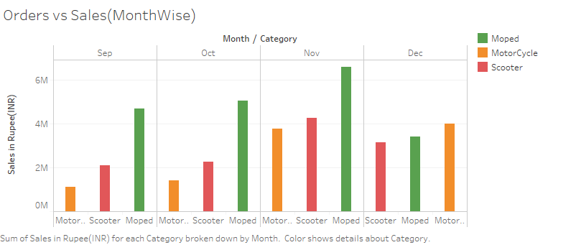

Detail - Number of two-wheelers sold every month

Comparing the sales of year (2018-2019), the current year (2019-2020) sales graph is declining. So we need to find ways to sell vehicles in the direct sales campaign (year-end sale)

Mopeds shows a very high sales in the first 3 months. But somehow a moderate growth in December.
Scooters were not high or low. Their sales shows average growth.
Motorcycles shows a gradual increase in the third-quarter of (2019-2020)

INFERENCE:
This is a post-lockdown comparison
Compared to the sales in the 3rd quarter of last year,
1. Only Sales in the month November showed a huge growth in 2019-2020
2. The showroom has sold only 125 vehicles in December. Inorder to improve their business growth, sales need to be improved.

Stock Alert and Best Sellers (A view)

DASHBOARD 1
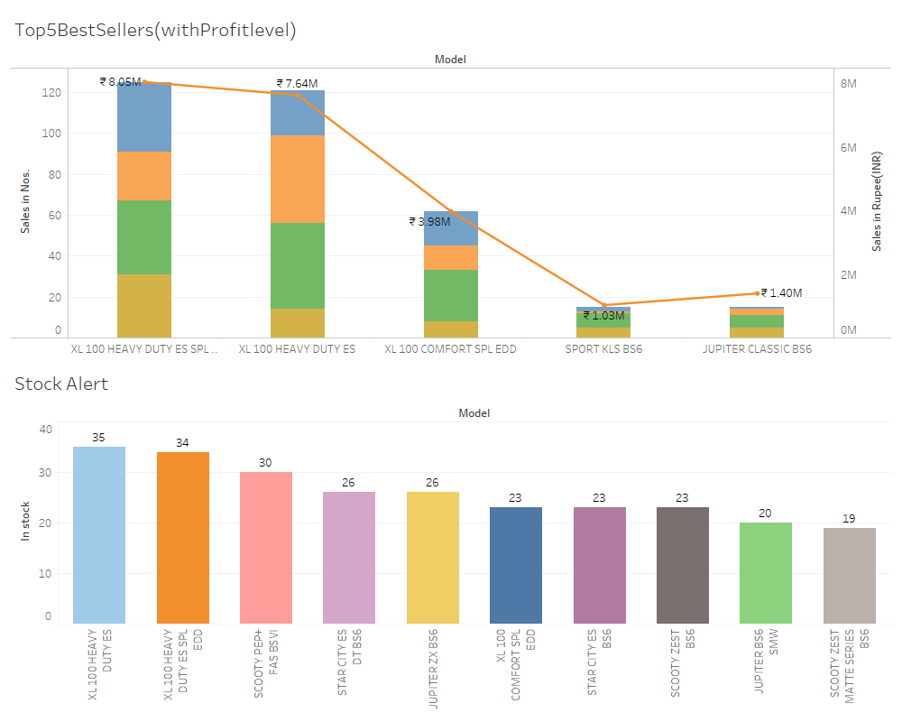

1) Xl 100 HEAVY DUTY ES is high in stock. Count(30+)
But it holds the 2 best-seller. So, no discount need to be allocated.
2) XL 100 HEAVY DUTY ES SPL EDD holds the best sellling two-wheeler in the third-quarter. So, this needs no discount.
3) SCOOTY PEP+ FAS BSVI is the next in stock. Count(25+)
On comparing the monthly sales of SCOOTER CATEGORY they have shown am average growth. This needs a discount.
Say,
Take EXTRA column in PriceList sheet to calculate the discount
EXTRA for SCOOTY PEP+ FAS BSVI 16224
This model needs 20% of EXTRA charges as a discount

 |  | DISCOUNT TABLE

Based on ORDER VS SALES COMPARISON (2019-2020) graph and the Top5BestSellers(withProitlevel) graph, the discounts are decided based on the Stock Alert graph in Dashboard 1
 |  | Model | Extra charges (in INR) | Discount in % (of EXTRA charges) | Discount in INR
 |  | SCOOTY PEP+ FAS BSVI | 16224 | 20% | 4056
 |  | STAR CITY ES DT BS6 | 15605 | 25% | 3902
 |  | JUPITERZX BS6 | 18297 | 23% | 4208
 |  | STAR CITY ES BS6 | 15574 | 14% | 2180
 |  | SCOOTY ZEST BS6 | 17355 | 15% | 2603
 |  | JUPITER BS6 SMW | 17945 | 16% | 2871
 |  | SCOOTY ZEST MATTE SERIES BS6 | 17505 | 15% | 2625

 |  | DISCOUNT PRICE LIST

 |  | Model | Old Selling Price in INR | New Selling Price in INR | Discount in % (from original price)
 |  | SCOOTY PEP+ FAS BSVI | 69174 | 65118 | 5.86
.. |  | STAR CITY ES DT BS6 | 80100 | 76198 | 4.87
 |  | JUPITERZX BS6 | 88092 | 83884 | 4.78
 |  | STAR CITY ES BS6 | 79569 | 77389 | 2.74
 |  | SCOOTY ZEST BS6 | 76815 | 74212 | 3.39
 |  | JUPITER BS6 SMW | 84240 | 81369 | 3.41
 |  | SCOOTY ZEST MATTE SERIES BS6 | 78615 | 75990 | 3.34

Sales2018-2019
No. | Category | Sub-Category | Model | Order Month | Sales in Nos. | Sales in Rupee(INR)
1 | Moped | TVS XL | XL 100 HEAVY DUTY ES | Sep | 32 | 2019456
2 | Moped | TVS XL | XL 100 HEAVY DUTY ES SPL EDD | Sep | 20 | 1287360
3 | Moped | TVS XL | XL 100 COMFORT SPL EDD | Sep | 16 | 1026864 |  | Summary Statistics 2018-2019
4 | Scooter | SCOOTY PEP+ | SCOOTY PEP+ FAS BSVI | Sep | 0 | 0
5 | Scooter | SCOOTY PEP+ | SCOOTY PEP+ BABE MATTE SERIES BSVI | Sep | 2 | 1122624 | Vehicles sold | Average Sales
6 | Scooter | TVS ZEST | SCOOTY ZEST BS6 | Sep | 1 | 76815 | 546 | 490587.06522
7 | Scooter | TVS ZEST | SCOOTY ZEST MATTE SERIES BS6 | Sep | 2 | 157230
8 | Scooter | TVS JUPITER | JUPITER BS6 SMW | Sep | 3 | 252720 | Month | Vehicles Sold | Average Sales
9 | Scooter | TVS JUPITER | JUPITER BS6 | Sep | 2 | 171756 | September | 111 | 407052
10 | Scooter | TVS JUPITER | JUPITER ZX BS6 | Sep | 2 | 176184 | October | 172 | 602776.95652
11 | Scooter | TVS JUPITER | JUPITER CLASSIC BS6 | Sep | 3 | 279882 | November | 103 | 375595.04348
12 | Scooter | TVS NTORQ | NTORQ DISC SPL EDD BS6 | Sep | 1 | 103149 | December | 160 | 576924.26087
13 | Scooter | TVS NTORQ | NTORQ DISC SUPER SQUAD EDD | Sep | 0 | 0
3rd QuarterSales(18-19)
14 | MotorCycle | TVS RADEON | TVS RADEON DRUM BS6 | Sep | 1 | 74565
15 | MotorCycle | TVS RADEON | TVS RADEON DRUM SPL EDD BS6 | Sep | 2 | 155736
16 | MotorCycle | TVS STAR CITY | STAR CITY ES BS6 | Sep | 7 | 556983
17 | MotorCycle | TVS STAR CITY | STAR CITY ES DT BS6 | Sep | 4 | 320400
18 | MotorCycle | TVS SPORT | SPORT KLS BS6 | Sep | 3 | 206550
19 | MotorCycle | TVS SPORT | SPORT ELS BS6 | Sep | 0 | 0
20 | MotorCycle | TVS APACHE | APACHE 160 DRUM 2V BS6 | Sep | 1 | 121095
21 | MotorCycle | TVS APACHE | APACHE 160 DISC 2V BS6 | Sep | 3 | 373167
22 | MotorCycle | TVS APACHE | APACHE RTR 180 BSVI | Sep | 2 | 256932
23 | MotorCycle | TVS APACHE | APACHE RTR 200 4V | Sep | 4 | 622728
24 | Moped | TVS XL | XL 100 HEAVY DUTY ES | Oct | 50 | 3155400
25 | Moped | TVS XL | XL 100 HEAVY DUTY ES SPL EDD | Oct | 38 | 2445984
26 | Moped | TVS XL | XL 100 COMFORT SPL EDD | Oct | 20 | 1283580
27 | Scooter | SCOOTY PEP+ | SCOOTY PEP+ FAS BSVI | Oct | 4 | 276696
28 | Scooter | SCOOTY PEP+ | SCOOTY PEP+ BABE MATTE SERIES BSVI | Oct | 2 | 1403280
29 | Scooter | TVS ZEST | SCOOTY ZEST BS6 | Oct | 4 | 307260
30 | Scooter | TVS ZEST | SCOOTY ZEST MATTE SERIES BS6 | Oct | 4 | 314460
31 | Scooter | TVS JUPITER | JUPITER BS6 SMW | Oct | 3 | 252720
32 | Scooter | TVS JUPITER | JUPITER BS6 | Oct | 2 | 171756
33 | Scooter | TVS JUPITER | JUPITER ZX BS6 | Oct | 3 | 264276
34 | Scooter | TVS JUPITER | JUPITER CLASSIC BS6 | Oct | 2 | 186588
35 | Scooter | TVS NTORQ | NTORQ DISC SPL EDD BS6 | Oct | 1 | 103149
36 | Scooter | TVS NTORQ | NTORQ DISC SUPER SQUAD EDD | Oct | 0 | 0
37 | MotorCycle | TVS RADEON | TVS RADEON DRUM BS6 | Oct | 4 | 298260
38 | MotorCycle | TVS RADEON | TVS RADEON DRUM SPL EDD BS6 | Oct | 3 | 233604
39 | MotorCycle | TVS STAR CITY | STAR CITY ES BS6 | Oct | 7 | 556983
40 | MotorCycle | TVS STAR CITY | STAR CITY ES DT BS6 | Oct | 6 | 480600
41 | MotorCycle | TVS SPORT | SPORT KLS BS6 | Oct | 4 | 275400
42 | MotorCycle | TVS SPORT | SPORT ELS BS6 | Oct | 3 | 230391
43 | MotorCycle | TVS APACHE | APACHE 160 DRUM 2V BS6 | Oct | 2 | 242190
44 | MotorCycle | TVS APACHE | APACHE 160 DISC 2V BS6 | Oct | 3 | 373167
45 | MotorCycle | TVS APACHE | APACHE RTR 180 BSVI | Oct | 3 | 385398
46 | MotorCycle | TVS APACHE | APACHE RTR 200 4V | Oct | 4 | 622728
47 | Moped | TVS XL | XL 100 HEAVY DUTY ES | Nov | 24 | 1514592
48 | Moped | TVS XL | XL 100 HEAVY DUTY ES SPL EDD | Nov | 20 | 1287360
49 | Moped | TVS XL | XL 100 COMFORT SPL EDD | Nov | 18 | 1155222
50 | Scooter | SCOOTY PEP+ | SCOOTY PEP+ FAS BSVI | Nov | 1 | 69174
51 | Scooter | SCOOTY PEP+ | SCOOTY PEP+ BABE MATTE SERIES BSVI | Nov | 5 | 1262952
52 | Scooter | TVS ZEST | SCOOTY ZEST BS6 | Nov | 1 | 76815
53 | Scooter | TVS ZEST | SCOOTY ZEST MATTE SERIES BS6 | Nov | 4 | 314460
54 | Scooter | TVS JUPITER | JUPITER BS6 SMW | Nov | 1 | 84240
55 | Scooter | TVS JUPITER | JUPITER BS6 | Nov | 1 | 85878
56 | Scooter | TVS JUPITER | JUPITER ZX BS6 | Nov | 1 | 88092
57 | Scooter | TVS JUPITER | JUPITER CLASSIC BS6 | Nov | 2 | 186588
58 | Scooter | TVS NTORQ | NTORQ DISC SPL EDD BS6 | Nov | 0 | 0
59 | Scooter | TVS NTORQ | NTORQ DISC SUPER SQUAD EDD | Nov | 1 | 105876
60 | MotorCycle | TVS RADEON | TVS RADEON DRUM BS6 | Nov | 0 | 0
61 | MotorCycle | TVS RADEON | TVS RADEON DRUM SPL EDD BS6 | Nov | 1 | 77868
62 | MotorCycle | TVS STAR CITY | STAR CITY ES BS6 | Nov | 4 | 318276
63 | MotorCycle | TVS STAR CITY | STAR CITY ES DT BS6 | Nov | 6 | 480600
64 | MotorCycle | TVS SPORT | SPORT KLS BS6 | Nov | 2 | 137700
65 | MotorCycle | TVS SPORT | SPORT ELS BS6 | Nov | 1 | 76797
66 | MotorCycle | TVS APACHE | APACHE 160 DRUM 2V BS6 | Nov | 2 | 242190
67 | MotorCycle | TVS APACHE | APACHE 160 DISC 2V BS6 | Nov | 2 | 248778
68 | MotorCycle | TVS APACHE | APACHE RTR 180 BSVI | Nov | 4 | 513864
69 | MotorCycle | TVS APACHE | APACHE RTR 200 4V | Nov | 2 | 311364
70 | Moped | TVS XL | XL 100 HEAVY DUTY ES | Dec | 40 | 2524320
71 | Moped | TVS XL | XL 100 HEAVY DUTY ES SPL EDD | Dec | 41 | 2639088
72 | Moped | TVS XL | XL 100 COMFORT SPL EDD | Dec | 22 | 1411938
73 | Scooter | SCOOTY PEP+ | SCOOTY PEP+ FAS BSVI | Dec | 0 | 0
74 | Scooter | SCOOTY PEP+ | SCOOTY PEP+ BABE MATTE SERIES BSVI | Dec | 2 | 1543608
75 | Scooter | TVS ZEST | SCOOTY ZEST BS6 | Dec | 2 | 153630
76 | Scooter | TVS ZEST | SCOOTY ZEST MATTE SERIES BS6 | Dec | 3 | 235845
77 | Scooter | TVS JUPITER | JUPITER BS6 SMW | Dec | 4 | 336960
78 | Scooter | TVS JUPITER | JUPITER BS6 | Dec | 2 | 171756
79 | Scooter | TVS JUPITER | JUPITER ZX BS6 | Dec | 4 | 352368
80 | Scooter | TVS JUPITER | JUPITER CLASSIC BS6 | Dec | 3 | 279882
81 | Scooter | TVS NTORQ | NTORQ DISC SPL EDD BS6 | Dec | 2 | 206298
82 | Scooter | TVS NTORQ | NTORQ DISC SUPER SQUAD EDD | Dec | 3 | 317628
83 | MotorCycle | TVS RADEON | TVS RADEON DRUM BS6 | Dec | 0 | 0
84 | MotorCycle | TVS RADEON | TVS RADEON DRUM SPL EDD BS6 | Dec | 2 | 155736
85 | MotorCycle | TVS STAR CITY | STAR CITY ES BS6 | Dec | 7 | 556983
86 | MotorCycle | TVS STAR CITY | STAR CITY ES DT BS6 | Dec | 4 | 320400
87 | MotorCycle | TVS SPORT | SPORT KLS BS6 | Dec | 5 | 344250
88 | MotorCycle | TVS SPORT | SPORT ELS BS6 | Dec | 2 | 153594
89 | MotorCycle | TVS APACHE | APACHE 160 DRUM 2V BS6 | Dec | 2 | 242190
90 | MotorCycle | TVS APACHE | APACHE 160 DISC 2V BS6 | Dec | 4 | 497556
91 | MotorCycle | TVS APACHE | APACHE RTR 180 BSVI | Dec | 4 | 513864
92 | MotorCycle | TVS APACHE | APACHE RTR 200 4V | Dec | 2 | 311364

Sales2019-2020
No. | Category | Sub-Category | Model | Orders | Month | Sales in Nos. | In stock | Sales in Rupee(INR)
1 | Moped | TVS XL | XL 100 HEAVY DUTY ES | 25 | Sep | 22 | 3 | 1388376
2 | Moped | TVS XL | XL 100 HEAVY DUTY ES SPL EDD | 35 | Sep | 34 | 1 | 2188512 |  | Summary Statistics 2019-2020
3 | Moped | TVS XL | XL 100 COMFORT SPL EDD | 20 | Sep | 17 | 3 | 1091043
4 | Scooter | SCOOTY PEP+ | SCOOTY PEP+ FAS BSVI | 10 | Sep | 2 | 8 | 138348 | Vehicles sold | In stock(By Dec) | Average Sales
5 | Scooter | SCOOTY PEP+ | SCOOTY PEP+ BABE MATTE SERIES BSVI | 5 | Sep | 3 | 2 | 1192788 | 514 | 131 | 452915.80435
6 | Scooter | TVS ZEST | SCOOTY ZEST BS6 | 5 | Sep | 1 | 4 | 76815
7 | Scooter | TVS ZEST | SCOOTY ZEST MATTE SERIES BS6 | 5 | Sep | 2 | 3 | 157230
8 | Scooter | TVS JUPITER | JUPITER BS6 SMW | 5 | Sep | 1 | 4 | 84240 | Month | Vehicles Sold | Average Sales
9 | Scooter | TVS JUPITER | JUPITER BS6 | 5 | Sep | 3 | 2 | 257634 | September | 99 | 342179.21739
10 | Scooter | TVS JUPITER | JUPITER ZX BS6 | 5 | Sep | 0 | 5 | 0 | October | 111 | 376771.30435
11 | Scooter | TVS JUPITER | JUPITER CLASSIC BS6 | 5 | Sep | 1 | 4 | 93294 | November | 179 | 634535.21739
12 | Scooter | TVS NTORQ | NTORQ DISC SPL EDD BS6 | 2 | Sep | 0 | 2 | 0 | December | 125 | 458177.47826
13 | Scooter | TVS NTORQ | NTORQ DISC SUPER SQUAD EDD | 2 | Sep | 1 | 1 | 105876
14 | MotorCycle | TVS RADEON | TVS RADEON DRUM BS6 | 4 | Sep | 0 | 4 | 0
15 | MotorCycle | TVS RADEON | TVS RADEON DRUM SPL EDD BS6 | 4 | Sep | 0 | 4 | 0
3rd QuarterSales (19-20)
16 | MotorCycle | TVS STAR CITY | STAR CITY ES BS6 | 5 | Sep | 2 | 3 | 159138
17 | MotorCycle | TVS STAR CITY | STAR CITY ES DT BS6 | 5 | Sep | 2 | 3 | 160200
18 | MotorCycle | TVS SPORT | SPORT KLS BS6 | 5 | Sep | 2 | 3 | 137700
19 | MotorCycle | TVS SPORT | SPORT ELS BS6 | 5 | Sep | 3 | 2 | 230391
20 | MotorCycle | TVS APACHE | APACHE 160 DRUM 2V BS6 | 3 | Sep | 0 | 3 | 0
21 | MotorCycle | TVS APACHE | APACHE 160 DISC 2V BS6 | 3 | Sep | 1 | 2 | 124389
22 | MotorCycle | TVS APACHE | APACHE RTR 180 BSVI | 3 | Sep | 1 | 2 | 128466
23 | MotorCycle | TVS APACHE | APACHE RTR 200 4V | 3 | Sep | 1 | 2 | 155682
24 | Moped | TVS XL | XL 100 HEAVY DUTY ES | 50 | Oct | 43 | 10 | 2713644
25 | Moped | TVS XL | XL 100 HEAVY DUTY ES SPL EDD | 25 | Oct | 24 | 2 | 1544832
26 | Moped | TVS XL | XL 100 COMFORT SPL EDD | 15 | Oct | 12 | 6 | 770148
27 | Scooter | SCOOTY PEP+ | SCOOTY PEP+ FAS BSVI | 5 | Oct | 3 | 10 | 207522
28 | Scooter | SCOOTY PEP+ | SCOOTY PEP+ BABE MATTE SERIES BSVI | 5 | Oct | 1 | 6 | 841968
29 | Scooter | TVS ZEST | SCOOTY ZEST BS6 | 5 | Oct | 1 | 8 | 76815
30 | Scooter | TVS ZEST | SCOOTY ZEST MATTE SERIES BS6 | 5 | Oct | 3 | 5 | 235845
31 | Scooter | TVS JUPITER | JUPITER BS6 SMW | 2 | Oct | 2 | 4 | 168480
32 | Scooter | TVS JUPITER | JUPITER BS6 | 2 | Oct | 4 | 0 | 343512
33 | Scooter | TVS JUPITER | JUPITER ZX BS6 | 2 | Oct | 1 | 6 | 88092
34 | Scooter | TVS JUPITER | JUPITER CLASSIC BS6 | 2 | Oct | 3 | 3 | 279882
35 | Scooter | TVS NTORQ | NTORQ DISC SPL EDD BS6 | 0 | Oct | 0 | 2 | 0
36 | Scooter | TVS NTORQ | NTORQ DISC SUPER SQUAD EDD | 2 | Oct | 0 | 3 | 0
37 | MotorCycle | TVS RADEON | TVS RADEON DRUM BS6 | 0 | Oct | 1 | 3 | 74565
38 | MotorCycle | TVS RADEON | TVS RADEON DRUM SPL EDD BS6 | 0 | Oct | 0 | 4 | 0
39 | MotorCycle | TVS STAR CITY | STAR CITY ES BS6 | 5 | Oct | 3 | 5 | 238707
40 | MotorCycle | TVS STAR CITY | STAR CITY ES DT BS6 | 5 | Oct | 0 | 8 | 0
41 | MotorCycle | TVS SPORT | SPORT KLS BS6 | 0 | Oct | 1 | 2 | 68850
42 | MotorCycle | TVS SPORT | SPORT ELS BS6 | 2 | Oct | 3 | 1 | 230391
43 | MotorCycle | TVS APACHE | APACHE 160 DRUM 2V BS6 | 0 | Oct | 1 | 2 | 121095
44 | MotorCycle | TVS APACHE | APACHE 160 DISC 2V BS6 | 2 | Oct | 2 | 2 | 248778
45 | MotorCycle | TVS APACHE | APACHE RTR 180 BSVI | 0 | Oct | 2 | 0 | 256932
46 | MotorCycle | TVS APACHE | APACHE RTR 200 4V | 0 | Oct | 1 | 1 | 155682
47 | Moped | TVS XL | XL 100 HEAVY DUTY ES | 50 | Nov | 42 | 18 | 2650536
48 | Moped | TVS XL | XL 100 HEAVY DUTY ES SPL EDD | 40 | Nov | 36 | 6 | 2317248
49 | Moped | TVS XL | XL 100 COMFORT SPL EDD | 20 | Nov | 25 | 1 | 1604475
50 | Scooter | SCOOTY PEP+ | SCOOTY PEP+ FAS BSVI | 0 | Nov | 2 | 8 | 138348
51 | Scooter | SCOOTY PEP+ | SCOOTY PEP+ BABE MATTE SERIES BSVI | 2 | Nov | 7 | 1 | 1754100
52 | Scooter | TVS ZEST | SCOOTY ZEST BS6 | 0 | Nov | 3 | 5 | 230445
53 | Scooter | TVS ZEST | SCOOTY ZEST MATTE SERIES BS6 | 5 | Nov | 5 | 5 | 393075
54 | Scooter | TVS JUPITER | JUPITER BS6 SMW | 5 | Nov | 3 | 6 | 252720
55 | Scooter | TVS JUPITER | JUPITER BS6 | 5 | Nov | 3 | 2 | 257634
56 | Scooter | TVS JUPITER | JUPITER ZX BS6 | 5 | Nov | 4 | 7 | 352368
57 | Scooter | TVS JUPITER | JUPITER CLASSIC BS6 | 5 | Nov | 6 | 2 | 559764
58 | Scooter | TVS NTORQ | NTORQ DISC SPL EDD BS6 | 0 | Nov | 1 | 1 | 103149
59 | Scooter | TVS NTORQ | NTORQ DISC SUPER SQUAD EDD | 0 | Nov | 2 | 1 | 211752
60 | MotorCycle | TVS RADEON | TVS RADEON DRUM BS6 | 0 | Nov | 2 | 1 | 149130
61 | MotorCycle | TVS RADEON | TVS RADEON DRUM SPL EDD BS6 | 0 | Nov | 3 | 1 | 233604
62 | MotorCycle | TVS STAR CITY | STAR CITY ES BS6 | 5 | Nov | 6 | 4 | 477414
63 | MotorCycle | TVS STAR CITY | STAR CITY ES DT BS6 | 0 | Nov | 4 | 4 | 320400
64 | MotorCycle | TVS SPORT | SPORT KLS BS6 | 5 | Nov | 7 | 0 | 481950
65 | MotorCycle | TVS SPORT | SPORT ELS BS6 | 5 | Nov | 4 | 2 | 307188
66 | MotorCycle | TVS APACHE | APACHE 160 DRUM 2V BS6 | 3 | Nov | 4 | 1 | 484380
67 | MotorCycle | TVS APACHE | APACHE 160 DISC 2V BS6 | 4 | Nov | 6 | 0 | 746334
68 | MotorCycle | TVS APACHE | APACHE RTR 180 BSVI | 3 | Nov | 2 | 1 | 256932
69 | MotorCycle | TVS APACHE | APACHE RTR 200 4V | 2 | Nov | 2 | 1 | 311364
70 | Moped | TVS XL | XL 100 HEAVY DUTY ES | 0 | Dec | 14 | 4 | 883512
71 | Moped | TVS XL | XL 100 HEAVY DUTY ES SPL EDD | 50 | Dec | 31 | 25 | 1995408
72 | Moped | TVS XL | XL 100 COMFORT SPL EDD | 20 | Dec | 8 | 13 | 513432
73 | Scooter | SCOOTY PEP+ | SCOOTY PEP+ FAS BSVI | 0 | Dec | 4 | 4 | 276696
74 | Scooter | SCOOTY PEP+ | SCOOTY PEP+ BABE MATTE SERIES BSVI | 10 | Dec | 3 | 8 | 561312
75 | Scooter | TVS ZEST | SCOOTY ZEST BS6 | 5 | Dec | 4 | 6 | 307260
76 | Scooter | TVS ZEST | SCOOTY ZEST MATTE SERIES BS6 | 5 | Dec | 4 | 6 | 314460
77 | Scooter | TVS JUPITER | JUPITER BS6 SMW | 5 | Dec | 5 | 6 | 421200
78 | Scooter | TVS JUPITER | JUPITER BS6 | 5 | Dec | 4 | 3 | 343512
79 | Scooter | TVS JUPITER | JUPITER ZX BS6 | 5 | Dec | 4 | 8 | 352368
80 | Scooter | TVS JUPITER | JUPITER CLASSIC BS6 | 5 | Dec | 5 | 2 | 466470
81 | Scooter | TVS NTORQ | NTORQ DISC SPL EDD BS6 | 1 | Dec | 1 | 1 | 103149
82 | Scooter | TVS NTORQ | NTORQ DISC SUPER SQUAD EDD | 1 | Dec | 0 | 2 | 0
83 | MotorCycle | TVS RADEON | TVS RADEON DRUM BS6 | 3 | Dec | 2 | 2 | 149130
84 | MotorCycle | TVS RADEON | TVS RADEON DRUM SPL EDD BS6 | 3 | Dec | 2 | 2 | 155736
85 | MotorCycle | TVS STAR CITY | STAR CITY ES BS6 | 10 | Dec | 3 | 11 | 238707
86 | MotorCycle | TVS STAR CITY | STAR CITY ES DT BS6 | 10 | Dec | 3 | 11 | 240300
87 | MotorCycle | TVS SPORT | SPORT KLS BS6 | 5 | Dec | 5 | 0 | 344250
88 | MotorCycle | TVS SPORT | SPORT ELS BS6 | 5 | Dec | 3 | 4 | 230391
89 | MotorCycle | TVS APACHE | APACHE 160 DRUM 2V BS6 | 10 | Dec | 6 | 5 | 726570
90 | MotorCycle | TVS APACHE | APACHE 160 DISC 2V BS6 | 10 | Dec | 5 | 5 | 621945
91 | MotorCycle | TVS APACHE | APACHE RTR 180 BSVI | 5 | Dec | 4 | 2 | 513864
92 | MotorCycle | TVS APACHE | APACHE RTR 200 4V | 5 | Dec | 5 | 1 | 778410

