Architecture Overview
High Level Solution Diagram for Etisalat


Core Data Centre (PurDubai)
DR Data Centre (Alfalah)
1. Shared CPU allocation based on partition criticality
2.Shared I/O through virtual SCSI
3. Shared network I/O using Virtual ethernet adapter
4. Use of extra high bandwidth I/O adapters
5. All vioclients have data and OS from SAN storage
6. All Vioclients will use EMC VMAX storage
7. ODS vioclient will use IBM FLASH 840 and EMC VMX storage

Legends :- LAN Private Network
LAN Private network

LAN Public network
POWER7+P780
7042-CR8
HMC
POWER7+P780
POWER7+P780
EMC SAN Network

Flash SAN Network

Legends :- LAN Private Network
7042-CR7
HMC
LAN Private network
LAN Public network

DR SAN Network

HMC Connectivity
 |  |  |  | HMC1 and HMC2 will be used to manage Frame1,Frame2,Frame3

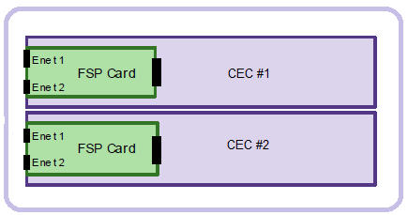

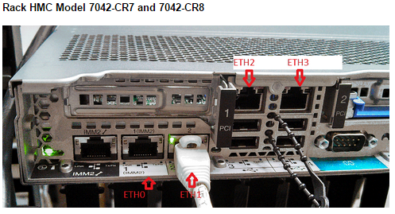
 |  |  |  |  | Logical diagram
 | 1 port for HMC management

Main DataCentre
 | 1 or 2 port for FSP management
 |  |  |  |  |  |  | P780-1
 |  | HMC1
Private LAN1

 | To manage Frame1,Frame2,Frame3

Management network/To ALL LPARs connectivity
 |  |  |  | Direct or routed vlan to DR

Private LAN2

 |  |  |  |  |  |  | P780-2

 |  |  | Direct or routed vlan to DR
 |  |  |  |  |  | Cross site connectivity

DR DataCentre
 | 1 port for HMC management
Private LAN1
 | 1 or 2 port for FSP management

 |  | HMC2

 | To manage Frame1,Frame2,Frame3 |  |  |  |  |  | P780-DR

Private LAN2

One HMC should connect to the port labeled HMC Port 1 on the first two CEC drawers of each system
A second HMC must be attached to HMC Port 2 on the first two CEC drawers of each system

Lpar Configuration
Desired
Minimum
Maximum
Desired
Minimum
Maximum
Maximum
Function | Node | Cores | RAM (GB) | Production Host Name | Serial No | OS Type | Oslevel | Processor Type | Processor Speed (Ghz) | SMT | Mode | Pool | Weightage | Availability | Ethernet Ports | Number of Vlan's | IP Addreses | Subnet | Default Gateway | FC Ports | Max Virtual adapters | Shared/ Dedicated Storage | Tape Drives | Internal Disks | SAN
 |  |  |  |  |  |  |  |  |  |  |  |  |  |  |  |  |  |  |  |  |  |  |  |  | rootvg size (GB) |  | DATA LUN size (GB) |  | PowerHA CAA (GB)
Power780 - P1 |  |  |  |  |  |  |  |  |  |  |  |  |  |  |  |  |  |  |  |  |  |  |  |  | VMAX | FLASH | VMAX | FLASH
VIO1 | Production | 2 | 8 |  |  | VIO | 2.2.3.4 | Power7+ | 4.42 GHz |  | Uncapped | Default | 255 | 255 | 4 |  |  |  |  | 12 | 999 | Shared Storage with VIO2 |  | 2X387GB
VIO2 | Production | 2 | 8 |  |  | VIO | 2.2.3.4 | Power7+ | 4.42 GHz |  | Uncapped | Default | 255 | 255 | 4 |  |  |  |  | 12 | 999 | Shared Storage with VIO1 |  | 2X387GB
NESS-A | PROD | 3.6 | 97 |  |  | AIX | AIX7.1 TL3, SP4 | Power7+ | 4.42 GHz | Shared SMT-4 or SMT8 | Uncapped | Default | 127 | 128 | 4xVETH | Production, Backup, Management, Interconnect |  |  |  | NPIV | 999 | _ |  | _ | 150 |  | TBD |  | 1
GSM-P | PROD | 5.6 | 288 |  |  | AIX | AIX7.1 TL3, SP4 | Power7+ | 4.42 GHz | Shared SMT-4 or SMT8 | Uncapped | Default | 127 | 128 | 4xVETH | Production, Backup, Management, Interconnect |  |  |  | NPIV | 999 | _ |  | _ | 150 |  | TBD |  | 1
GPRS-A | PROD | 5.6 | 192 |  |  | AIX | AIX7.1 TL3, SP4 | Power7+ | 4.42 GHz | Shared SMT-4 or SMT8 | Uncapped | Default | 127 | 128 | 4xVETH | Production, Backup, Management, Interconnect |  |  |  | NPIV | 999 | _ |  | _ | 150 |  | TBD |  | 1
INTEL-A | PROD | 4 | 96 |  |  | AIX | AIX7.1 TL3, SP5 | Power7+ | 4.42 GHz | Shared SMT-4 or SMT8 | Uncapped | Default | 127 | 128 | 4xVETH | Production, Backup, Management, Interconnect |  |  |  | NPIV | 999 | _ |  | _ | 150 |  | TBD |  | 1
GSMIN-P | PROD | 3.6 | 48 |  |  | AIX | AIX7.1 TL3, SP4 | Power7+ | 4.42 GHz | Shared SMT-4 or SMT8 | Uncapped | Default | 127 | 128 | 4xVETH | Production, Backup, Management, Interconnect |  |  |  | NPIV | 999 | _ |  | _ | 150 |  | TBD |  | 1
ODS-A_1 | PROD | 8 | 288 |  |  | AIX | AIX7.1 TL3, SP4 | Power7+ | 4.42 GHz | Shared SMT-4 or SMT8 | Uncapped | Default | 127 | 128 | 4xVETH | Production, Backup, Management, Interconnect |  |  |  | VSCSI | 999 | _ |  | _ | 150 |  | TBD

Total |  | 34.4 | 1025
Power780 - P2
VIO3 | Production | 2 | 8 |  |  | VIO | 2.2.3.4 | Power7+ | 4.42 GHz |  | Uncapped | Default | 255 | 255 | 4 |  |  |  |  | 12 | 999 | Shared Storage with VIO4 |  | 2X387GB
VIO4 | Production | 2 | 8 |  |  | VIO | 2.2.3.4 | Power7+ | 4.42 GHz |  | Uncapped | Default | 255 | 255 | 4 |  |  |  |  | 12 | 999 | Shared Storage with VIO3 |  | 2X387GB
NESS-P | PROD | 3.6 | 97 |  |  | AIX | AIX7.1 TL3, SP4 | Power7+ | 4.42 GHz | Shared SMT-4 or SMT8 | Uncapped | Default | 127 | 128 | 4xVETH | Production, Backup, Management, Interconnect |  |  |  | NPIV | 999 | _ |  | _ | 150 |  | TBD |  | 1
GSM-A | PROD | 5.6 | 288 |  |  | AIX | AIX7.1 TL3, SP4 | Power7+ | 4.42 GHz | Shared SMT-4 or SMT8 | Uncapped | Default | 127 | 128 | 4xVETH | Production, Backup, Management, Interconnect |  |  |  | NPIV | 999 | _ |  | _ | 150 |  | TBD |  | 1
GPRS-P | PROD | 5.6 | 192 |  |  | AIX | AIX7.1 TL3, SP4 | Power7+ | 4.42 GHz | Shared SMT-4 or SMT8 | Uncapped | Default | 127 | 128 | 4xVETH | Production, Backup, Management, Interconnect |  |  |  | NPIV | 999 | _ |  | _ | 150 |  | TBD |  | 1
INTEL-P | PROD | 4 | 96 |  |  | AIX | AIX7.1 TL3, SP5 | Power7+ | 4.42 GHz | Shared SMT-4 or SMT8 | Uncapped | Default | 127 | 128 | 4xVETH | Production, Backup, Management, Interconnect |  |  |  | NPIV | 999 | _ |  | _ | 150 |  | TBD |  | 1
GSMIN-A | PROD | 3.6 | 48 |  |  | AIX | AIX7.1 TL3, SP4 | Power7+ | 4.42 GHz | Shared SMT-4 or SMT8 | Uncapped | Default | 127 | 128 | 4xVETH | Production, Backup, Management, Interconnect |  |  |  | NPIV | 999 | _ |  | _ | 150 |  | TBD |  | 1
ODS-A_2 | PROD | 8 | 288 |  |  | AIX | AIX7.1 TL3, SP4 | Power7+ | 4.42 GHz | Shared SMT-4 or SMT8 | Uncapped | Default | 127 | 128 | 4xVETH | Production, Backup, Management, Interconnect |  |  |  | VSCSI | 999 | _ |  | _

Total |  | 34.4 | 1025
Power780 - DR

ODS-DR | DR | 4 | 288 |  |  | AIX | AIX7.1 TL3, SP4 | Power7+ | 4.42 GHz | Dedicated (SMT4 or SMT8) | N/A | Default | 127 | 128 | 2 | Production, Backup, Management, Interconnect |  |  |  | 4 | 999 | SAN |  | _ | 150 |  | TBD

Total |  | 4 | 288

Power780 IO Virtualization
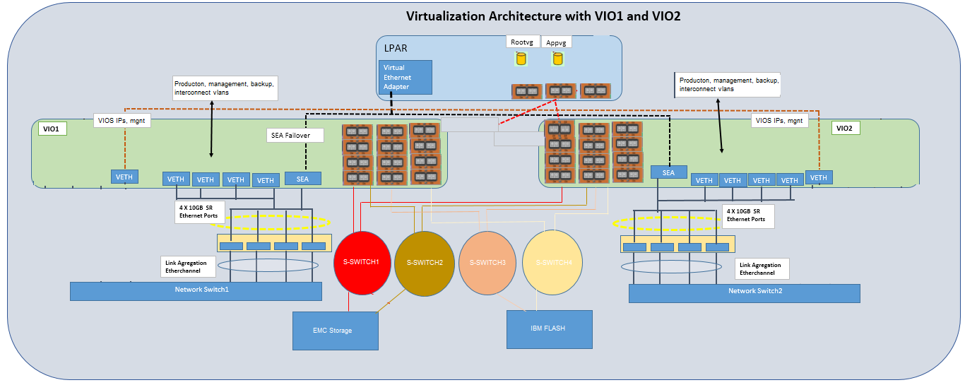
Index

Physical HBA layout
Index
 | 0 | switch1_VMAX
 | 1 | switch2_VMAX
VIO Servers HBA Assignment
VIOClients to have same HBA's for rootvg,data
8 ports for VMAX Production rootvg/datavg connected to SAN switch1,2 and 4 ports for IBM FLASH Production rootvg/datavg connected to SAN switch3,4
( VIOS boots from 2X 387GB SSD Internal disks)
 | 2 | switch1_VMAX
SAN SWITCH
1
(VMAX)
 | 3 | switch2_VMAX
 | 4 | switch1_VMAX
 | 5 | switch2_VMAX
VMAX Prod rootvg/data
 | 6 | switch3_To IBM Flash
 | 7 | switch4_To IBM Flash
VMAX Prod rootvg/data
 | 8 | switch1_VMAX
VMAX Prod rootvg/data
 | 9 | switch2_VMAX
VMAX Prod rootvg/data
 | 10 | switch3_To IBM Flash
 | 11 | switch4_To IBM Flash
SAN SWITCH
2
(VMAX)
VMAX Prod rootvg/data
VMAX Prod rootvg/data

IBM FLASH Prod rootvg/data
IBM FLASH Prod rootvg/data
VMAX Prod rootvg/data

VMAX Prod rootvg/data
IBM FLASH Prod rootvg/data
SAN SWITCH
3
(To IBM Flash)
IBM FLASH Prod rootvg/data

SAN SWITCH
4
(To IBM Flash)

VSCSI Mapping
 |  |  |  |  | Index

Design Considerations:
- Dual VIOS Configuration
- Each ODS Client LPAR has
- 2 x Virtual SCSI Adapter for Root Disk Mappings (One from each VIOS)
- 8x Virtual SCSI Adapter for Data disks mappings (four from each VIOS)
- 6 x Virtual SCSI Adapter for IBM FLASH Data Disk Mappings if it is primary
- 6 x Virtual SCSI Adapter for VMAX Data Disk Mappings if it is primary
- Each DB Client LPAR has
- 4 x NPIV VWWN Adapters Disk Mappings
Boot:
- VIO Servers will have 2x387 GB internal SSD drives mapped through Onboard SAS Adapters.
- ODS Client LPAR's boot from 1x150GB External Storage mapped through VSCSI adapters from each VIOS
- DB Client LPAR's boot from 1x150GB External Storage mapped through VSCSI adapters from each VIOS
Data:
- ODS LPAR's data adapters would be virtualised through vSCSI
- Initial Queue depth of VIOClients to be set to 20-32, on vios between 32 (vmax)-64 (for flash)
Assumption:
Data size is increased in 500GB increments. LUN size is 500GB
 |  | LPAR to use Flash
 |  | VSCSI0
rootvg |  | VSCSI1 |  | rootvg
 | VHOST0 | VSCSI2 | VHOST0
Flash mapping | VHOST1 | VSCSI3 | VHOST1 | Flash mapping
Flash mapping | VHOST2 | VSCSI4 | VHOST2 | Flash mapping
 | VHOST3 | VSCSI5 | VHOST3
Flash mapping | VHOST4 | VSCSI6 | VHOST4 | Flash mapping
VMAX mapping |  | VSCSI7 |  | VMAX mapping
 |  | VSCSI8
 |  | VSCSI9

 |  | LPAR to use VMAX
rootvg |  | VSCSI0 |  | rootvg
 | VHOST5 | VSCSI1 | VHOST5
Flash mapping | VHOST6 | VSCSI2 | VHOST6 | Flash mapping
VMAX mapping | VHOST7 | VSCSI3 | VHOST7 | VMAX mapping
 | VHOST8 | VSCSI4 | VHOST8
VMAX mapping | VHOST9 | VSCSI5 | VHOST9 | VMAX mapping
VMAX mapping |  | VSCSI6 |  | VMAX mapping
 |  | VSCSI7
 |  | VSCSI8
 |  | VSCSI9
 | VIO1 |  | VIO2

VIOS Mirrored Rootvg (2X387GB)
VIOS Mirrored Rootvg (2X387GB)

Network Virtualization
Management vlan
Production, interconnect, backup, management vlans with VLAN Tagging
Backup vlan
RAC Heartbeat vlan
Prod vlan
VIO Server
- Redundant Virtual IO Servers for network provisioning
VIOS Production partitions:
- VIO1 and VIO2 to serve Network needs for all LPARs
- Each virtual network provisioning VIOS has 1 Shared Ethernet Adapter (SEA)
-SEA1 for network traffic uses 4 X 10 Gbps network ports from two physical adapters in Link agregation etherchannel configuration
4x vritual ethernet adapters to be connected to SEA1 to handle the currently production, management, backup, and interconnect vlans
- Separate VLAN to be configured for SEA failover configuration (control channel)
- 1x Virtual ethernet to to be connected (using pvid) to management vlan and holding vio IP
-
On Client LPARs
- 1 x Virtual Adapter for the Public Network
- 1 x Virtual Adapter for the Management
1 x Virtual Adapter for Backup network
-1 X Virtual Adapter for RAC clusters heartbeat network
Network switch ports side:
- Rapid SPT to be enabled
- Portfast to be enabled on ports connecting to vios
- IEEE8023ad protocol enabled with"long" time out
- Flowcontrol to be enabled on accepting ports from LAGG (not sending)
Index

VIOS1 IP address

Network Switch1
10G
VE
VE
VE
VE
VE
ent0
ent1
SEA1

ent2
ent4 (Link Agregation)
ent3

priority 1
Virtual Ethernet (Control Channel
LPAR
Public IP

4X 10 G ports
SEA Failover with load sharing
Management IP/Backup

RAC heartbeat
Network Switch2
10G
ent0
Virtual Ethernet (Control Channel
RAC heartbeat
ent1
ent4 (Link Agregation)
SEA1
ent2
ent3
priority2

VE
VE
VE
VE
VE

Production, interconnect, backup, management vlans with VLAN Tagging
VIOS2 IP address

Physical Ethernet Ports
Desired
Maximum
Minimum
Maximum
Minimum
Desired
Desired
Minimum
Maximum
Function | DB/APP/Web Node | Production Host Name | Ethernet Ports Configuration | Ethernet Ports Assigned | Ethernet Ports to be configured | Number of Vlan's / Networks required for Lpar | Production IP | VLAN ID | Backup IP | VLAN ID | Interconnect IP | VLAN ID | Management IP | Management VLAN |  | private lan1 | private lan2 | routable vlan (required if corss site vlan not available) | management vlan | 1G cables required for HMC access | 10 G cables required
Power770 - Server1 |  |  |  |  |  |  |  |  |  |  |  |  |  |  | HMC 1 | 1 | 1 | 1 | 1 | 3
VIO1 | VIO |  | 10G X 4 Ports -Link aggregated for SEA, | 4 | 4 | 4 |  | 226 | 1 | 227 |  | 302 | 1 | 229 | HMC 2 | 1 | 1 | 1 | 1 | 3
VIO2 | VIO |  | 10G X 4 Ports -Link aggregated for SEA, | 4 | 4 | 4 |  | 226 | 1 | 227 |  | 302 | 1 | 229 | Power system 1 | 2 | 2 | 2 |  | 4 | 8
NESS-A |  |  | 3XVETH | _ | _ |  | 2 | 226 | 1 | 227 |  | 302 | 1 | 229 | Power system 2 | 2 | 2 | 2 |  | 4 | 8
GSM-P |  |  | 3XVETH | _ | _ |  | 1 | 226 | 1 | 227 |  | 302 | 1 | 229 | Power system DR | 1 | 1 | 1 |  | 2 | 4
GPRS-A |  |  | 3XVETH | _ | _ |  | 2 | 226 | 1 | 227 |  | 302 | 1 | 229
INTEL-A |  |  | 3XVETH | _ | _ |  | 2 | 226 | 1 | 227 |  | 302 | 1 | 229
GSMIN-P |  |  | 3XVETH | _ | _ |  | 1 | 226 | 1 | 227 |  | 302 | 1 | 229
ODS-A_1 |  |  | 4XVETH | _ | _ |  | 1 | 226 | 1 | 227 | 2 | 302 | 1 | 229
Total
Power770 - Server2
VIO1 | VIO |  | 10G X 4 Ports -Link aggregated for SEA, | 4 | 4 | 4 |  | 226 | 1 | 227 |  | 302 | 1 | 229
VIO2 | VIO |  | 10G X 4 Ports -Link aggregated for SEA, | 4 | 4 | 4 |  | 226 | 1 | 227 |  | 302 | 1 | 229
NESS-P |  |  | 3 X VETH | _ | _ |  | 1 | 226 | 1 | 227 |  | 302 | 1 | 229
GSM-A |  |  | 3 X VETH | _ | _ |  | 2 | 226 | 1 | 227 |  | 302 | 1 | 229
GPRS-P |  |  | 3 X VETH | _ | _ |  | 1 | 226 | 1 | 227 |  | 302 | 1 | 229
INTEL-P |  |  | 3 X VETH | _ | _ |  | 1 | 226 | 1 | 227 |  | 302 | 1 | 229
GSMIN-A |  |  | 3 X VETH | _ | _ |  | 2 | 226 | 1 | 227 |  | 302 | 1 | 229
ODS-A_2 |  |  | 4 X VETH | _ | _ |  | 2 | 226 | 1 | 227 |  | 302 | 1 | 229
Total |  |  |  |  |  |  | 1 | 226 | 1 | 227 | 2 | 302 | 1 | 229
Power770 - Server DR
ODS-DR |  |  | 10G X 4 Ports | 4 | 4 |  | 1 | 226 | 1 | 227 |  | 302 | 1 | 229
Total

NOTES
all vlan numbers are based on Data provided by customer/IBM architect
advisable to make management and backup in the same vlan
IP requirements does not consider Ips required by applications/DB/PowerHA

PCIe slot descriptions
PCIe slot descriptions for the 9179-MHD |  |  |  |  |  |  | Index

The 9179-MHD system provides eight low-profile, PCIe generation 3 slots. Standard low-profile (half-length, short-form factor) adapters are allowed in these slots. The PCI slots are enabled to support the PCIe3 Optical Cable Adapter (FC EJ07) that is used to attach the PCIe Gen3 I/O expansion drawer. The PCI slots support generation 3, low-profile, double-wide, blind-swap cassettes.

Figure 1 shows the rear view of the 9179-MHD system with the location codes for the PCIe adapter slots.
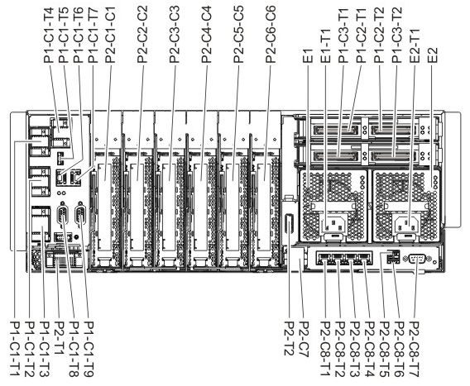

 | Figure 1

Table 1 lists the PCIe adapter slot locations and details for the 9179-MHD system

 |  | Slot | Location code (Slot label) | Description | PHB | Adapter size
 |  | Slot 1 | P2-C1 | PCIe2, x8 | PCIe PHB0 module A | Long
 |  | Slot 2 | P2-C2 | PCIe2, x8 | PCIe PHB1 module A | Long |  | All slots support enhanced error handling (EEH).
 |  | Slot 3 | P2-C3 | PCIe2, x8 | PCIe PHB2 module A | Long
 |  | Slot 4 | P2-C4 | PCIe2, x8 | PCIe PHB3 module A | Long |  | The system uses generation-4, blind-swap cassettes to manage the installation and removal of adapters. Cassettes can be installed and removed without removing the drawer from the rack
 |  | Slot 5 | P2-C5 | PCIe2, x8 | PCIe PHB0 module B | Long
 |  | Slot 6 | P2-C6 | PCIe2, x8 | PCIe PHB1 module B | Long
 |  | GX++ | P1-C2 | Location for GX++ adapters
 |  | GX++ | P1-C3 | Location for GX++ adapters

Adapter Placement-Server1
Placement Guidelines:
-

 |  |  |  |  |  |  |  |  |  |  |  |  |  |  |  | Index

 | System Rear View |  |  |  |  |  |  |  |  | System Front View |  |  |  |  |  | Physical HBA Layout
 |  |  | Power 780 - System Unit |  |  |  |  |  |  | Power 780 - System Unit

CEC Slots |  |  | I/O Chip1 |  |  |  | I/O Chip2
 |  |  | P2-C1 | P2-C2 | P2-C3 | P2-C4 | P2-C5 | P2-C6 |  | P2-D1 | P2-D2 | P2-D3 | P2-D4 | P2-D5 | P2-D6
CEC Drawer
CEC1 |  |  | 5729 8Gb 4-port FC | 5729 8Gb 4-port FC | EN0H 4-port (10Gb FCoE & 1GbE) SR&RJ45 |  | 5729 8Gb 4-port FC | EN0H 4-port (10Gb FCoE & 1GbE) SR&RJ45 | CEC1 | 387GB SSD Disk |  |  | 387GB SSD Disk

 |  | VIO1 | VIO1 | VIO1 | VIO1 |  | VIO1 | VIO1 |  | VIO1 |  |  | VIO1
 |  |  | switch1_VMAX | switch1_VMAX | N-Switch1 |  | switch1_VMAX | N-Switch1
 |  |  | switch2_VMAX | switch2_VMAX | N-Switch1 |  | switch2_VMAX | N-Switch1
Integrated SAS | P2-C9-T1 | D1 | switch1_VMAX | switch3_To IBM Flash |  |  | switch3_To IBM Flash
Integrated SAS | P2-C9-T2 | D4 | switch2_VMAX | switch4_To IBM Flash |  |  | switch4_To IBM Flash

Integrated Multifunction card | P2-C8 |  | 8G | 8G | 10G |  | 8G | 10G

 |  |  | I/O Chip1 |  |  |  | I/O Chip2
 |  |  | P2-C1 | P2-C2 | P2-C3 | P2-C4 | P2-C5 | P2-C6 |  | P2-D1 | P2-D2 | P2-D3 | P2-D4 | P2-D5 | P2-D6

CEC2 |  |  | 5729 8Gb 4-port FC | 5729 8Gb 4-port FC | EN0H 4-port (10Gb FCoE & 1GbE) SR&RJ45 |  | 5729 8Gb 4-port FC | EN0H 4-port (10Gb FCoE & 1GbE) SR&RJ45 | CEC2 | 387GB SSD Disk |  |  | 387GB SSD Disk

 |  | VIO2 | VIO2 | VIO2 | VIO2 |  | VIO2 | VIO2 |  | VIO2 |  |  | VIO2
 |  |  | switch1_VMAX | switch1_VMAX | N-Switch2 |  | switch1_VMAX | N-Switch2
 |  |  | switch2_VMAX | switch2_VMAX | N-Switch2 |  | switch2_VMAX | N-Switch2
Integrated SAS | P2-C9-T1 | D1 | switch1_VMAX | switch3_To IBM Flash |  |  | switch3_To IBM Flash
Integrated SAS | P2-C9-T2 | D4 | switch2_VMAX | switch4_To IBM Flash |  |  | switch4_To IBM Flash

Integrated Multifunction card | P2-C8 |  | 8G | 8G | 10G |  | 8G | 10G

 |  |  | I/O Chip1 |  |  |  | I/O Chip2
 |  |  | P2-C1 | P2-C2 | P2-C3 | P2-C4 | P2-C5 | P2-C6 |  | P2-D1 | P2-D2 | P2-D3 | P2-D4 | P2-D5 | P2-D6

CEC3 |  |  | 5735 8 Gigabit Dual Port FC |  | EN0H 4-port (10Gb FCoE & 1GbE) SR&RJ45 | 5901 Dual-x4 SAS |  | EN0H 4-port (10Gb FCoE & 1GbE) SR&RJ45 | CEC3 | 300GB SAS Disk | 300GB SAS Disk |  | 300GB SAS Disk | 300GB SAS Disk

Integrated SAS | P2-C9-T1
Integrated SAS | P2-C9-T2

Integrated Multifunction card | P2-C8 |  | 8G |  | 10G

Adapter Placement-Server2
Placement Guidelines:
-

 |  |  |  |  |  |  |  |  |  |  |  |  |  |  |  | Index

 | System Rear View |  |  |  |  |  |  |  |  | System Front View |  |  |  |  |  | Physical HBA Layout
 |  |  | Power 780 - System Unit |  |  |  |  |  |  | Power 780 - System Unit

CEC Slots |  |  | I/O Chip1 |  |  |  | I/O Chip2
 |  |  | P2-C1 | P2-C2 | P2-C3 | P2-C4 | P2-C5 | P2-C6 |  | P2-D1 | P2-D2 | P2-D3 | P2-D4 | P2-D5 | P2-D6
CEC Drawer
CEC1 |  |  | 5729 8Gb 4-port FC | 5729 8Gb 4-port FC | EN0H 4-port (10Gb FCoE & 1GbE) SR&RJ45 |  | 5729 8Gb 4-port FC | EN0H 4-port (10Gb FCoE & 1GbE) SR&RJ45 | CEC1 | 387GB SSD Disk |  |  | 387GB SSD Disk

 |  | VIO1 | VIO1 | VIO1 | VIO1 |  | VIO1 | VIO1 |  | VIO1 |  |  | VIO1
 |  |  | switch1_VMAX | switch1_VMAX | N-Switch1 |  | switch1_VMAX | N-Switch1
 |  |  | switch2_VMAX | switch2_VMAX | N-Switch1 |  | switch2_VMAX | N-Switch1
Integrated SAS | P2-C9-T1 | D1 | switch1_VMAX | switch3_To IBM Flash |  |  | switch3_To IBM Flash
Integrated SAS | P2-C9-T2 | D4 | switch2_VMAX | switch4_To IBM Flash |  |  | switch4_To IBM Flash

Integrated Multifunction card | P2-C8 |  | 8G | 8G | 10G |  | 8G | 10G

 |  |  | I/O Chip1 |  |  |  | I/O Chip2
 |  |  | P2-C1 | P2-C2 | P2-C3 | P2-C4 | P2-C5 | P2-C6 |  | P2-D1 | P2-D2 | P2-D3 | P2-D4 | P2-D5 | P2-D6

CEC2 |  |  | 5729 8Gb 4-port FC | 5729 8Gb 4-port FC | EN0H 4-port (10Gb FCoE & 1GbE) SR&RJ45 |  | 5729 8Gb 4-port FC | EN0H 4-port (10Gb FCoE & 1GbE) SR&RJ45 | CEC2 | 387GB SSD Disk |  |  | 387GB SSD Disk

 |  | VIO2 | VIO2 | VIO2 | VIO2 |  | VIO2 | VIO2 |  | VIO2 |  |  | VIO2
 |  |  | switch1_VMAX | switch1_VMAX | N-Switch2 |  | switch1_VMAX | N-Switch2
 |  |  | switch2_VMAX | switch2_VMAX | N-Switch2 |  | switch2_VMAX | N-Switch2
Integrated SAS | P2-C9-T1 | D1 | switch1_VMAX | switch3_To IBM Flash |  |  | switch3_To IBM Flash
Integrated SAS | P2-C9-T2 | D4 | switch2_VMAX | switch4_To IBM Flash |  |  | switch4_To IBM Flash

Integrated Multifunction card | P2-C8 |  | 8G | 8G | 10G |  | 8G | 10G

 |  |  | I/O Chip1 |  |  |  | I/O Chip2
 |  |  | P2-C1 | P2-C2 | P2-C3 | P2-C4 | P2-C5 | P2-C6 |  | P2-D1 | P2-D2 | P2-D3 | P2-D4 | P2-D5 | P2-D6

CEC3 |  |  | 5735 8 Gigabit Dual Port FC |  | EN0H 4-port (10Gb FCoE & 1GbE) SR&RJ45 | 5901 Dual-x4 SAS |  | EN0H 4-port (10Gb FCoE & 1GbE) SR&RJ45 | CEC3 | 300GB SAS Disk | 300GB SAS Disk |  | 300GB SAS Disk | 300GB SAS Disk

Integrated SAS | P2-C9-T1
Integrated SAS | P2-C9-T2

Integrated Multifunction card | P2-C8 |  | 8G |  | 10G

Adapter Placement-Server DR
Placement Guidelines:
-

 |  |  |  |  |  |  |  |  |  |  |  |  |  |  |  | Index

 | System Rear View |  |  |  |  |  |  |  |  | System Front View |  |  |  |  |  | Physical HBA Layout
 |  |  | Power 780 - System Unit |  |  |  |  |  |  | Power 780 - System Unit

CEC Slots |  |  | I/O Chip1 |  |  |  | I/O Chip2
 |  |  | P2-C1 | P2-C2 | P2-C3 | P2-C4 | P2-C5 | P2-C6 |  | P2-D1 | P2-D2 | P2-D3 | P2-D4 | P2-D5 | P2-D6
CEC Drawer
CEC1 |  |  | 5735 8 Gigabit Dual Port FC |  |  | 5901 Dual-x4 SAS | 5735 8 Gigabit Dual Port FC | EN0H 4-port (10Gb FCoE & 1GbE) SR&RJ45 | CEC1 | 387GB SSD Disk | 387GB SSD Disk |  | 387GB SSD Disk | 387GB SSD Disk
 |  |  | 8G | 10G |  |  | 8G | 10G
 |  |  | ODS_DR |  |  |  | ODS_DR | ODS_DR
 |  |  | switch1_VMAX |  |  |  | switch1_VMAX | N-Switch1
 |  |  | switch2_VMAX |  |  |  | switch2_VMAX | N-Switch2
Integrated SAS | P2-C9-T1 | D1
Integrated SAS | P2-C9-T2 | D4
 |  |  | ODS_DR | ODS_DR
Integrated Multifunction card | P2-C8 |  | 10G | 10G |  |  | 8G | 10G
 |  |  | N-Switch1 | N-Switch2

PowerHA Architecture
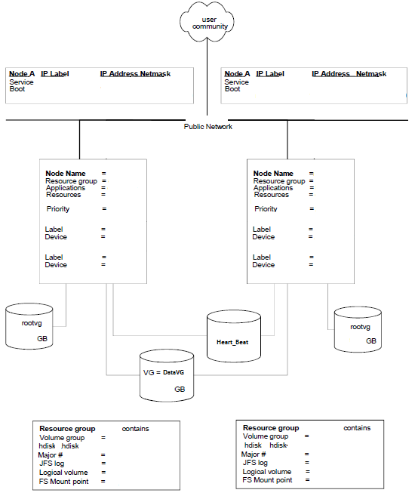
Index
Service IP network (exp:- )
PowerHA Design
Cluster Name :
Note:
- The diagram depicts XXX cluster configuration, the remaining clusters will have similar configuration .
- The IP address depicted are provided for reference, they should be changed according to the DC site IP scheme.
- PowerHA 7.1.3 SP2 with the latest patches would used as it is the latest available
-
DMS_CLS:
1. Cluster Name:
2. Topology
- Number of nodes : 2
- Node1 :
- Node2 :
- IP Network : Service IP Network ()
3. Resource group ( Components made Highly available by PowerHA):
- Resource group Name: _RG
- Service IP:
- Volume Group :
- Application Server: _APP
- Policies(startup, fallover and fallback behaviour):
- Startup Policy: Online On Home Node Only
- Fallover Policy: Fallover To Next Priority Node In The List
- Fallback Policy: Never Fallback
5. HeartBeat Methods: 2
- Heartbeat over Network
- Heartbeat over Disk(DHB)/CAA
6. IPAT ( IP address takeover ) method: IPAT via Aliasing
- PowerHASystem adds the service IP address to an (AIX) interface IP address using AIX's IP aliasing feature during resource group startup or during resource group failover from one node to another.
7. Properly configure netmon.cf

Application Network over Service IP
Heartbeat over IP Interfaces

Boot IP 1 ()
Boot IP 1 ()

Highly available Resource group(RG)
Name: xxx_RG
Service IP: ()
boot IP
Persistant IP
Highly available Resource group(RG)
Name: xxx_RG
Service IP: ()
boot IP
Persistant IP
Resource Group Failover

bmwdbprd1
(Active)
bmwdbprd2
(Passive)

Heartbeat over Disk

EMC
EMC
EMC
Heartbeat/CAA disk

rootvg
rootvg

APP DATA
DB DATA

Application Data LUNs

OS Gold Image
LVM Considerations
1. Rootvg volumes and application binary volumes are hosted from Internal Disks in Frame
3. Filesystem sizes to be rounded off to nearest integet
4. Volume group and LUN sizes rounded off to nearest multiple of 2 or 8 with additional buffer for overheads
5. Filesystems to be created with INLINE log for better performance and managebility
6. Where possible, volume groups to be consolidated into fewer ones and LUN sizes to be increased to accommodate more number of filesystems
7. As a general guideline, upto 6 filesystems are hosted on each volume group
8. Consider using Oracle level setting to open files in CIO mode (as against explicitly mounting filesystems in cio mode)
9. The redo and control to be created with 512 byte block size to adhered with AIX Concurrent I/O requirements
10. The volume group names to uniquely identify the host and volumegroup purpose
11. LV names to be less than 15 chatacters
12 Theoretically, the IOPS for a disk is limited by queue_depth/(average IO service time).
13 Consider Sysdumpdev best practices –Use ‘sysdumpdev –e’ to get estimated dump size and set dump device space accordingly •Periodically run ‘sysdumpdev –e’ during production window to get peak load dump device size requirement •Set “always take sysdump” preferred value to TRUE on all servers •Consider configuring secondary dump device to the other disk in rootvg
14 Consider using NTP time synchronization, if using xntpd consider using flag “-x”
•Makes small time adjustments. (SLEWING)
•http://publib.boulder.ibm.com/infocenter/aix/v7r1/topic/com.ibm.aix.cmds/doc/aixcmds6/xntpdc.htm •Consider configuring NTP to maintain uniform time across all LPARs
15 Consider paging space best practices
•For LPARs less that 8GB memory, consider twice memory size for paging space
•For LPARs greater than 32GB memory, start with 32GB paging space, monitor usage and increase as required, review Oracle guidelines for paging space allocation
•For LPARs less than 32GB memory, consider paging space same as memory size
•Allocate paging devices with equal size and on separate and otherwise marginally utilized disks
Outer edge logical volume intra placement policy preferred for physical disk (larger sector size)
16 All HMC, system and adapter software muse be updated to the latest availabile level, currently:
HMC V8R820, with fixes
system: AM780_068
adapters, disks, check at implementation time via invscout
VIOS: 2.2.3.4 with fixes
 |  | VIOS | AIX
 | Gold Image | VIOS 2.2.3.4 | AIX 7.1TL3 SP3 | AIX 6.1TL9 SP4

 | NTP - NTP server IP | Yes | Yes | Yes
 | DNS - DNS IP1 / DNS IP2 | Yes | Yes | Yes
 | Enable performance data collection as per the reference tab | Yes | Yes | Yes
 | perfpmr installation | Yes | Yes | Yes
 |  | Yes | Yes | Yes
 | Sysdump config ( Primary and Secondary) | Yes | Yes | Yes
 | Pagespace config (General paging requirements provided, paging space should be advised by app/DB team) | Yes | Yes | Yes
Performance Turning - VIOS/LPARs | PowerVM Network stack The folloing on vios virtual Ethernets and lpars: • chdev -l entx -a min_buf_tiny=4096 -a max_buf_tiny=4096 –P • chdev -l entx -a min_buf_small=4096 -a max_buf_small=4096 –P • chdev -l entx -a min_buf_medium=2048 -a max_buf_medium=2048 –P • chdev -l entx -a min_buf_large=256 -a max_buf_large=256 –P • chdev -l entx -a min_buf_huge=128 -a max_buf_huge=128 –P On lpars: • chdev -l enx -a mtu_bypass=on -P On vios: • Enable load sharing (ha_mode=sharing) • Etherchannel hash_mode src_dst_port with "long" timeout from both vios and network sides • Enable largesend on SEAs and Largerecieve (only with 10G connectivity) On vios (PowerVM Storage stack) Modify vios paging spaces to be single per disk: Change physical FC adapter settings: • dyntrk=yes • fc_err_recov=fast_fail • max_xfer_size = default which is 0x100000 • num_cmd_elems=4096 On LPARs: check settings advised in the Documentation sheet • chdev -l hdiskx -a queue_depth=20-32 • vmo -r -o vmm_klock_mode=2 (for aix6.1) • enable dumbs attributes like below o Primary /dev/lg_dumplv o secondary /dev/sysdumpnull o copy directory /var/adm/ras o forced copy flag TRUE o always allow dump TRUE o dump compression ON o type of dump fw-assisted o full memory dump allow 1.1.3 /etc/security limits In /etc/security limits, the default should have the following: • fsize = -1 • core = 2097151 • cpu = -1 • data = -1 • rss = -1 • stack = -1 • nofiles = -1 1.1.4 Network Options For all LPARs configure the following network options were configured vi the network options command (no) • chdev -l sys0 -a maxuproc = 16384 • no -r -o ipqmaxlen=512 • no -p -o rfc1323=1 • no -p -o sb_max=1310720 • no -p -o tcp_recvspace=262144 • no -p -o tcp_sendspace=262144 • no -p -o udp_recvspace=655360 • no -p -o udp_sendspace=65536 | Yes

Additional Software | For DB servers bos.adt.base, bos.adt.lib, bos.adt.libm, bos.perf.libperfstats, bos.perf.perfstat bos.perf.proctools, bos.cifs_fs.rte, rsct.basic.rte, rsct.compat.clients.rte, xlC.aix50.rte, xlC.rte |  | Yes | Yes | Yes
 | PowerHA 7.1.3 |  |  |  | Yes

VIOS,AIX,PowerHA Support cycle
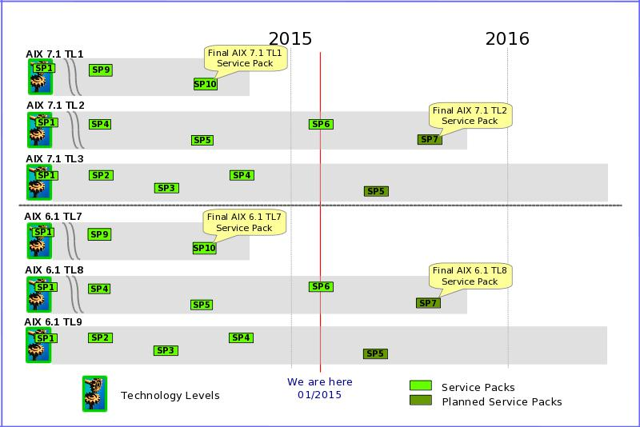
 | Index

§Life Cycle of PowerHA (HACMP) Software (Average of three years)
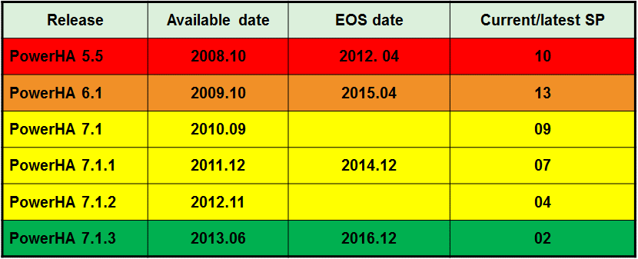

 | http://www14.software.ibm.com/webapp/set2/sas/f/hacmp/download/aix71.html
 | http://www-01.ibm.com/software/support/systemsp/lifecycle/index.html

Documentation
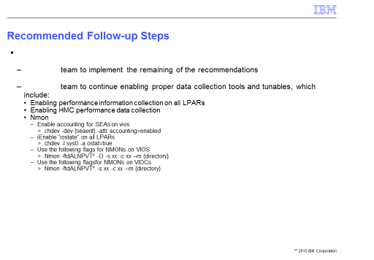
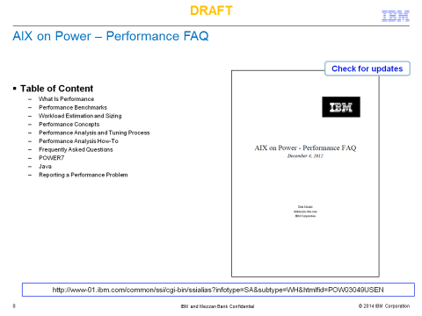
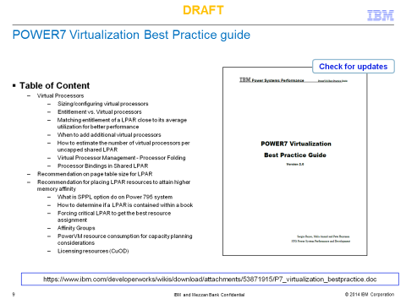
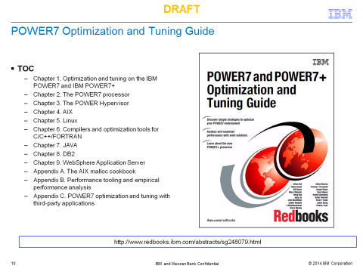
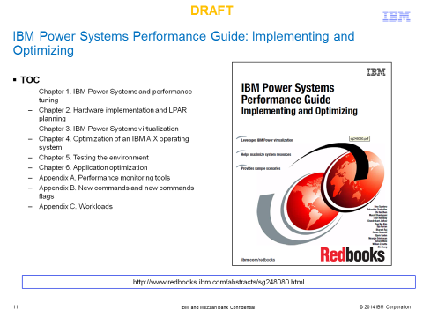
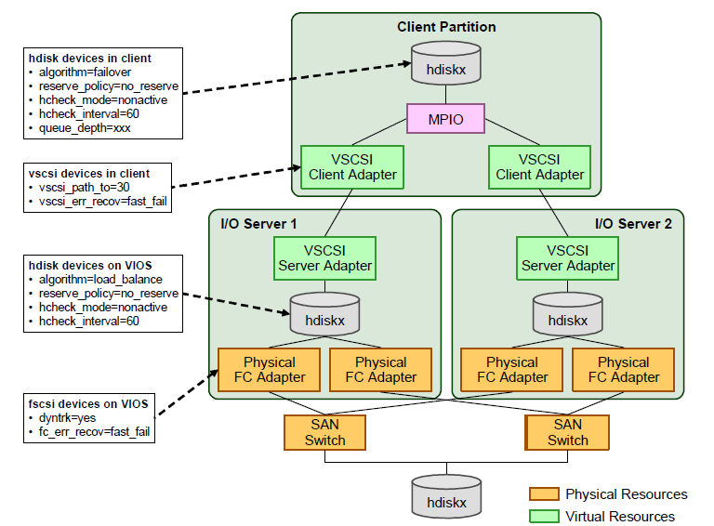
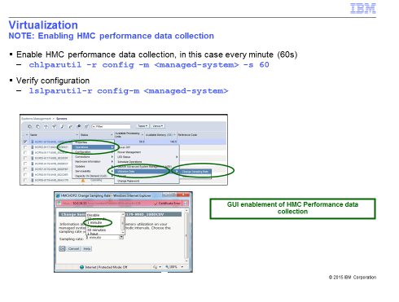
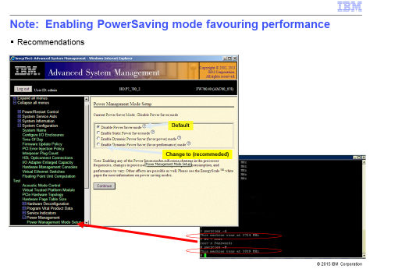

Index

Reference Sheet
